China
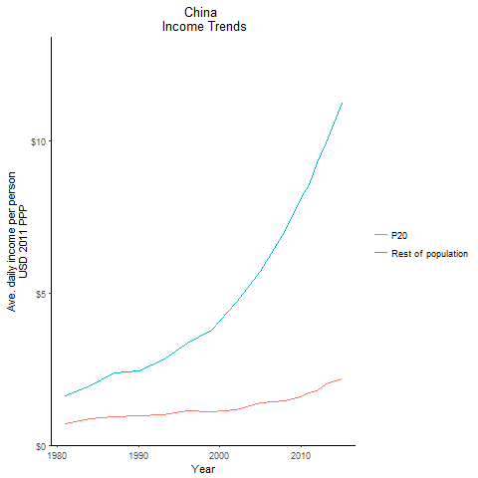
CountryName | P20 | Rest of population | Year
China | 0.711903064 | 1.6296336351 | 1981
China | 0.711903064 | 1.6296336351 | 1981
China | 0.711903064 | 1.6296336351 | 1981
China | 0.711903064 | 1.6296336351 | 1981
China | 0.711903064 | 1.6296336351 | 1981
China | 0.711903064 | 1.6296336351 | 1981
China | 0.711903064 | 1.6296336351 | 1981
China | 0.711903064 | 1.6296336351 | 1981
China | 0.711903064 | 1.6296336351 | 1981
China | 0.711903064 | 1.6296336351 | 1981
China | 0.711903064 | 1.6296336351 | 1981
China | 0.711903064 | 1.6296336351 | 1981
China | 0.711903064 | 1.6296336351 | 1981
China | 0.711903064 | 1.6296336351 | 1981
China | 0.711903064 | 1.6296336351 | 1981
China | 0.711903064 | 1.6296336351 | 1981
China | 0.711903064 | 1.6296336351 | 1981
China | 0.711903064 | 1.6296336351 | 1981
China | 0.711903064 | 1.6296336351 | 1981
China | 0.711903064 | 1.6296336351 | 1981
China | 0.711903064 | 1.6296336351 | 1981
China | 0.711903064 | 1.6296336351 | 1981
China | 0.711903064 | 1.6296336351 | 1981
China | 0.711903064 | 1.6296336351 | 1981
China | 0.711903064 | 1.6296336351 | 1981
China | 0.711903064 | 1.6296336351 | 1981
China | 0.711903064 | 1.6296336351 | 1981
China | 0.86898939362 | 1.9650000964 | 1984
China | 0.86898939362 | 1.9650000964 | 1984
China | 0.86898939362 | 1.9650000964 | 1984
China | 0.86898939362 | 1.9650000964 | 1984
China | 0.86898939362 | 1.9650000964 | 1984
China | 0.86898939362 | 1.9650000964 | 1984
China | 0.86898939362 | 1.9650000964 | 1984
China | 0.86898939362 | 1.9650000964 | 1984
China | 0.86898939362 | 1.9650000964 | 1984
China | 0.86898939362 | 1.9650000964 | 1984
China | 0.86898939362 | 1.9650000964 | 1984
China | 0.86898939362 | 1.9650000964 | 1984
China | 0.86898939362 | 1.9650000964 | 1984
China | 0.86898939362 | 1.9650000964 | 1984
China | 0.86898939362 | 1.9650000964 | 1984
China | 0.86898939362 | 1.9650000964 | 1984
China | 0.86898939362 | 1.9650000964 | 1984
China | 0.86898939362 | 1.9650000964 | 1984
China | 0.86898939362 | 1.9650000964 | 1984
China | 0.86898939362 | 1.9650000964 | 1984
China | 0.86898939362 | 1.9650000964 | 1984
China | 0.86898939362 | 1.9650000964 | 1984
China | 0.86898939362 | 1.9650000964 | 1984
China | 0.86898939362 | 1.9650000964 | 1984
China | 0.86898939362 | 1.9650000964 | 1984
China | 0.86898939362 | 1.9650000964 | 1984
China | 0.86898939362 | 1.9650000964 | 1984
China | 0.95352229436 | 2.4391228289 | 1990
China | 0.95352229436 | 2.4391228289 | 1990
China | 0.95352229436 | 2.4391228289 | 1990
China | 0.95352229436 | 2.4391228289 | 1990
China | 0.95352229436 | 2.4391228289 | 1990
China | 0.95352229436 | 2.4391228289 | 1990
China | 0.95352229436 | 2.4391228289 | 1990
China | 0.95352229436 | 2.4391228289 | 1990
China | 0.95352229436 | 2.4391228289 | 1990
China | 0.95352229436 | 2.4391228289 | 1990
China | 0.95352229436 | 2.4391228289 | 1990
China | 0.95352229436 | 2.4391228289 | 1990
China | 0.95352229436 | 2.4391228289 | 1990
China | 0.95352229436 | 2.4391228289 | 1990
China | 0.95352229436 | 2.4391228289 | 1990
China | 0.95352229436 | 2.4391228289 | 1990
China | 0.95352229436 | 2.4391228289 | 1990
China | 0.95352229436 | 2.4391228289 | 1990
China | 0.95352229436 | 2.4391228289 | 1990
China | 0.95352229436 | 2.4391228289 | 1990
China | 0.95352229436 | 2.4391228289 | 1990
China | 0.95352229436 | 2.4391228289 | 1990
China | 0.95352229436 | 2.4391228289 | 1990
China | 0.95352229436 | 2.4391228289 | 1990
China | 0.95352229436 | 2.4391228289 | 1990
China | 0.95352229436 | 2.4391228289 | 1990
China | 0.95352229436 | 2.4391228289 | 1990
China | 0.936052904 | 2.3593400557 | 1987
China | 0.936052904 | 2.3593400557 | 1987
China | 0.936052904 | 2.3593400557 | 1987
China | 0.936052904 | 2.3593400557 | 1987
China | 0.936052904 | 2.3593400557 | 1987
China | 0.936052904 | 2.3593400557 | 1987
China | 0.936052904 | 2.3593400557 | 1987
China | 0.936052904 | 2.3593400557 | 1987
China | 0.936052904 | 2.3593400557 | 1987
China | 0.936052904 | 2.3593400557 | 1987
China | 0.936052904 | 2.3593400557 | 1987
China | 0.936052904 | 2.3593400557 | 1987
China | 0.936052904 | 2.3593400557 | 1987
China | 0.936052904 | 2.3593400557 | 1987
China | 0.936052904 | 2.3593400557 | 1987
China | 0.936052904 | 2.3593400557 | 1987
China | 0.936052904 | 2.3593400557 | 1987
China | 0.936052904 | 2.3593400557 | 1987
China | 0.936052904 | 2.3593400557 | 1987
China | 0.936052904 | 2.3593400557 | 1987
China | 0.936052904 | 2.3593400557 | 1987
China | 0.936052904 | 2.3593400557 | 1987
China | 0.936052904 | 2.3593400557 | 1987
China | 0.936052904 | 2.3593400557 | 1987
China | 0.936052904 | 2.3593400557 | 1987
China | 0.936052904 | 2.3593400557 | 1987
China | 0.936052904 | 2.3593400557 | 1987
China | 0.99380832055 | 2.8124661528 | 1993
China | 0.99380832055 | 2.8124661528 | 1993
China | 0.99380832055 | 2.8124661528 | 1993
China | 0.99380832055 | 2.8124661528 | 1993
China | 0.99380832055 | 2.8124661528 | 1993
China | 0.99380832055 | 2.8124661528 | 1993
China | 0.99380832055 | 2.8124661528 | 1993
China | 0.99380832055 | 2.8124661528 | 1993
China | 0.99380832055 | 2.8124661528 | 1993
China | 0.99380832055 | 2.8124661528 | 1993
China | 0.99380832055 | 2.8124661528 | 1993
China | 0.99380832055 | 2.8124661528 | 1993
China | 0.99380832055 | 2.8124661528 | 1993
China | 0.99380832055 | 2.8124661528 | 1993
China | 0.99380832055 | 2.8124661528 | 1993
China | 0.99380832055 | 2.8124661528 | 1993
China | 0.99380832055 | 2.8124661528 | 1993
China | 0.99380832055 | 2.8124661528 | 1993
China | 0.99380832055 | 2.8124661528 | 1993
China | 0.99380832055 | 2.8124661528 | 1993
China | 0.99380832055 | 2.8124661528 | 1993
China | 0.99380832055 | 2.8124661528 | 1993
China | 0.99380832055 | 2.8124661528 | 1993
China | 0.99380832055 | 2.8124661528 | 1993
China | 0.99380832055 | 2.8124661528 | 1993
China | 0.99380832055 | 2.8124661528 | 1993
China | 0.99380832055 | 2.8124661528 | 1993
China | 1.122990468 | 3.3644405444 | 1996
China | 1.122990468 | 3.3644405444 | 1996
China | 1.122990468 | 3.3644405444 | 1996
China | 1.122990468 | 3.3644405444 | 1996
China | 1.122990468 | 3.3644405444 | 1996
China | 1.122990468 | 3.3644405444 | 1996
China | 1.122990468 | 3.3644405444 | 1996
China | 1.122990468 | 3.3644405444 | 1996
China | 1.122990468 | 3.3644405444 | 1996
China | 1.122990468 | 3.3644405444 | 1996
China | 1.122990468 | 3.3644405444 | 1996
China | 1.122990468 | 3.3644405444 | 1996
China | 1.122990468 | 3.3644405444 | 1996
China | 1.122990468 | 3.3644405444 | 1996
China | 1.122990468 | 3.3644405444 | 1996
China | 1.122990468 | 3.3644405444 | 1996
China | 1.122990468 | 3.3644405444 | 1996
China | 1.122990468 | 3.3644405444 | 1996
China | 1.122990468 | 3.3644405444 | 1996
China | 1.122990468 | 3.3644405444 | 1996
China | 1.122990468 | 3.3644405444 | 1996
China | 1.122990468 | 3.3644405444 | 1996
China | 1.122990468 | 3.3644405444 | 1996
China | 1.122990468 | 3.3644405444 | 1996
China | 1.122990468 | 3.3644405444 | 1996
China | 1.122990468 | 3.3644405444 | 1996
China | 1.122990468 | 3.3644405444 | 1996
China | 1.1091357994 | 3.7710840936 | 1999
China | 1.1091357994 | 3.7710840936 | 1999
China | 1.1091357994 | 3.7710840936 | 1999
China | 1.1091357994 | 3.7710840936 | 1999
China | 1.1091357994 | 3.7710840936 | 1999
China | 1.1091357994 | 3.7710840936 | 1999
China | 1.1091357994 | 3.7710840936 | 1999
China | 1.1091357994 | 3.7710840936 | 1999
China | 1.1091357994 | 3.7710840936 | 1999
China | 1.1091357994 | 3.7710840936 | 1999
China | 1.1091357994 | 3.7710840936 | 1999
China | 1.1091357994 | 3.7710840936 | 1999
China | 1.1091357994 | 3.7710840936 | 1999
China | 1.1091357994 | 3.7710840936 | 1999
China | 1.1091357994 | 3.7710840936 | 1999
China | 1.1091357994 | 3.7710840936 | 1999
China | 1.1091357994 | 3.7710840936 | 1999
China | 1.1091357994 | 3.7710840936 | 1999
China | 1.1091357994 | 3.7710840936 | 1999
China | 1.1091357994 | 3.7710840936 | 1999
China | 1.1091357994 | 3.7710840936 | 1999
China | 1.1091357994 | 3.7710840936 | 1999
China | 1.1091357994 | 3.7710840936 | 1999
China | 1.1091357994 | 3.7710840936 | 1999
China | 1.1091357994 | 3.7710840936 | 1999
China | 1.1091357994 | 3.7710840936 | 1999
China | 1.1091357994 | 3.7710840936 | 1999
China | 1.1695226885 | 4.7004840905 | 2002
China | 1.1695226885 | 4.7004840905 | 2002
China | 1.1695226885 | 4.7004840905 | 2002
China | 1.1695226885 | 4.7004840905 | 2002
China | 1.1695226885 | 4.7004840905 | 2002
China | 1.1695226885 | 4.7004840905 | 2002
China | 1.1695226885 | 4.7004840905 | 2002
China | 1.1695226885 | 4.7004840905 | 2002
China | 1.1695226885 | 4.7004840905 | 2002
China | 1.1695226885 | 4.7004840905 | 2002
China | 1.1695226885 | 4.7004840905 | 2002
China | 1.1695226885 | 4.7004840905 | 2002
China | 1.1695226885 | 4.7004840905 | 2002
China | 1.1695226885 | 4.7004840905 | 2002
China | 1.1695226885 | 4.7004840905 | 2002
China | 1.1695226885 | 4.7004840905 | 2002
China | 1.1695226885 | 4.7004840905 | 2002
China | 1.1695226885 | 4.7004840905 | 2002
China | 1.1695226885 | 4.7004840905 | 2002
China | 1.1695226885 | 4.7004840905 | 2002
China | 1.1695226885 | 4.7004840905 | 2002
China | 1.1695226885 | 4.7004840905 | 2002
China | 1.1695226885 | 4.7004840905 | 2002
China | 1.1695226885 | 4.7004840905 | 2002
China | 1.1695226885 | 4.7004840905 | 2002
China | 1.1695226885 | 4.7004840905 | 2002
China | 1.1695226885 | 4.7004840905 | 2002
China | 1.3782061902 | 5.7225741129 | 2005
China | 1.3782061902 | 5.7225741129 | 2005
China | 1.3782061902 | 5.7225741129 | 2005
China | 1.3782061902 | 5.7225741129 | 2005
China | 1.3782061902 | 5.7225741129 | 2005
China | 1.3782061902 | 5.7225741129 | 2005
China | 1.3782061902 | 5.7225741129 | 2005
China | 1.3782061902 | 5.7225741129 | 2005
China | 1.3782061902 | 5.7225741129 | 2005
China | 1.3782061902 | 5.7225741129 | 2005
China | 1.3782061902 | 5.7225741129 | 2005
China | 1.3782061902 | 5.7225741129 | 2005
China | 1.3782061902 | 5.7225741129 | 2005
China | 1.3782061902 | 5.7225741129 | 2005
China | 1.3782061902 | 5.7225741129 | 2005
China | 1.3782061902 | 5.7225741129 | 2005
China | 1.3782061902 | 5.7225741129 | 2005
China | 1.3782061902 | 5.7225741129 | 2005
China | 1.3782061902 | 5.7225741129 | 2005
China | 1.3782061902 | 5.7225741129 | 2005
China | 1.3782061902 | 5.7225741129 | 2005
China | 1.3782061902 | 5.7225741129 | 2005
China | 1.3782061902 | 5.7225741129 | 2005
China | 1.3782061902 | 5.7225741129 | 2005
China | 1.3782061902 | 5.7225741129 | 2005
China | 1.3782061902 | 5.7225741129 | 2005
China | 1.3782061902 | 5.7225741129 | 2005
China | 1.4519358197 | 7.0387949148 | 2008
China | 1.4519358197 | 7.0387949148 | 2008
China | 1.4519358197 | 7.0387949148 | 2008
China | 1.4519358197 | 7.0387949148 | 2008
China | 1.4519358197 | 7.0387949148 | 2008
China | 1.4519358197 | 7.0387949148 | 2008
China | 1.4519358197 | 7.0387949148 | 2008
China | 1.4519358197 | 7.0387949148 | 2008
China | 1.4519358197 | 7.0387949148 | 2008
China | 1.4519358197 | 7.0387949148 | 2008
China | 1.4519358197 | 7.0387949148 | 2008
China | 1.4519358197 | 7.0387949148 | 2008
China | 1.4519358197 | 7.0387949148 | 2008
China | 1.4519358197 | 7.0387949148 | 2008
China | 1.4519358197 | 7.0387949148 | 2008
China | 1.4519358197 | 7.0387949148 | 2008
China | 1.4519358197 | 7.0387949148 | 2008
China | 1.4519358197 | 7.0387949148 | 2008
China | 1.4519358197 | 7.0387949148 | 2008
China | 1.4519358197 | 7.0387949148 | 2008
China | 1.4519358197 | 7.0387949148 | 2008
China | 1.4519358197 | 7.0387949148 | 2008
China | 1.4519358197 | 7.0387949148 | 2008
China | 1.4519358197 | 7.0387949148 | 2008
China | 1.4519358197 | 7.0387949148 | 2008
China | 1.4519358197 | 7.0387949148 | 2008
China | 1.4519358197 | 7.0387949148 | 2008
China | 1.5782406269 | 8.1335051683 | 2010
China | 1.5782406269 | 8.1335051683 | 2010
China | 1.5782406269 | 8.1335051683 | 2010
China | 1.5782406269 | 8.1335051683 | 2010
China | 1.5782406269 | 8.1335051683 | 2010
China | 1.5782406269 | 8.1335051683 | 2010
China | 1.5782406269 | 8.1335051683 | 2010
China | 1.5782406269 | 8.1335051683 | 2010
China | 1.5782406269 | 8.1335051683 | 2010
China | 1.5782406269 | 8.1335051683 | 2010
China | 1.5782406269 | 8.1335051683 | 2010
China | 1.5782406269 | 8.1335051683 | 2010
China | 1.5782406269 | 8.1335051683 | 2010
China | 1.5782406269 | 8.1335051683 | 2010
China | 1.5782406269 | 8.1335051683 | 2010
China | 1.5782406269 | 8.1335051683 | 2010
China | 1.5782406269 | 8.1335051683 | 2010
China | 1.5782406269 | 8.1335051683 | 2010
China | 1.5782406269 | 8.1335051683 | 2010
China | 1.5782406269 | 8.1335051683 | 2010
China | 1.5782406269 | 8.1335051683 | 2010
China | 1.5782406269 | 8.1335051683 | 2010
China | 1.5782406269 | 8.1335051683 | 2010
China | 1.5782406269 | 8.1335051683 | 2010
China | 1.5782406269 | 8.1335051683 | 2010
China | 1.5782406269 | 8.1335051683 | 2010
China | 1.5782406269 | 8.1335051683 | 2010
China | 1.704209055 | 8.5664305613 | 2011
China | 1.704209055 | 8.5664305613 | 2011
China | 1.704209055 | 8.5664305613 | 2011
China | 1.704209055 | 8.5664305613 | 2011
China | 1.704209055 | 8.5664305613 | 2011
China | 1.704209055 | 8.5664305613 | 2011
China | 1.704209055 | 8.5664305613 | 2011
China | 1.704209055 | 8.5664305613 | 2011
China | 1.704209055 | 8.5664305613 | 2011
China | 1.704209055 | 8.5664305613 | 2011
China | 1.704209055 | 8.5664305613 | 2011
China | 1.704209055 | 8.5664305613 | 2011
China | 1.704209055 | 8.5664305613 | 2011
China | 1.704209055 | 8.5664305613 | 2011
China | 1.704209055 | 8.5664305613 | 2011
China | 1.704209055 | 8.5664305613 | 2011
China | 1.704209055 | 8.5664305613 | 2011
China | 1.704209055 | 8.5664305613 | 2011
China | 1.704209055 | 8.5664305613 | 2011
China | 1.704209055 | 8.5664305613 | 2011
China | 1.704209055 | 8.5664305613 | 2011
China | 1.704209055 | 8.5664305613 | 2011
China | 1.704209055 | 8.5664305613 | 2011
China | 1.704209055 | 8.5664305613 | 2011
China | 1.704209055 | 8.5664305613 | 2011
China | 1.704209055 | 8.5664305613 | 2011
China | 1.704209055 | 8.5664305613 | 2011
China | 1.7712225004 | 9.2613747045 | 2012
China | 1.7712225004 | 9.2613747045 | 2012
China | 1.7712225004 | 9.2613747045 | 2012
China | 1.7712225004 | 9.2613747045 | 2012
China | 1.7712225004 | 9.2613747045 | 2012
China | 1.7712225004 | 9.2613747045 | 2012
China | 1.7712225004 | 9.2613747045 | 2012
China | 1.7712225004 | 9.2613747045 | 2012
China | 1.7712225004 | 9.2613747045 | 2012
China | 1.7712225004 | 9.2613747045 | 2012
China | 1.7712225004 | 9.2613747045 | 2012
China | 1.7712225004 | 9.2613747045 | 2012
China | 1.7712225004 | 9.2613747045 | 2012
China | 1.7712225004 | 9.2613747045 | 2012
China | 1.7712225004 | 9.2613747045 | 2012
China | 1.7712225004 | 9.2613747045 | 2012
China | 1.7712225004 | 9.2613747045 | 2012
China | 1.7712225004 | 9.2613747045 | 2012
China | 1.7712225004 | 9.2613747045 | 2012
China | 1.7712225004 | 9.2613747045 | 2012
China | 1.7712225004 | 9.2613747045 | 2012
China | 1.7712225004 | 9.2613747045 | 2012
China | 1.7712225004 | 9.2613747045 | 2012
China | 1.7712225004 | 9.2613747045 | 2012
China | 1.7712225004 | 9.2613747045 | 2012
China | 1.7712225004 | 9.2613747045 | 2012
China | 1.7712225004 | 9.2613747045 | 2012
China | 2.0168488148 | 9.9202978827 | 2013
China | 2.0168488148 | 9.9202978827 | 2013
China | 2.0168488148 | 9.9202978827 | 2013
China | 2.0168488148 | 9.9202978827 | 2013
China | 2.0168488148 | 9.9202978827 | 2013
China | 2.0168488148 | 9.9202978827 | 2013
China | 2.0168488148 | 9.9202978827 | 2013
China | 2.0168488148 | 9.9202978827 | 2013
China | 2.0168488148 | 9.9202978827 | 2013
China | 2.0168488148 | 9.9202978827 | 2013
China | 2.0168488148 | 9.9202978827 | 2013
China | 2.0168488148 | 9.9202978827 | 2013
China | 2.0168488148 | 9.9202978827 | 2013
China | 2.0168488148 | 9.9202978827 | 2013
China | 2.0168488148 | 9.9202978827 | 2013
China | 2.0168488148 | 9.9202978827 | 2013
China | 2.0168488148 | 9.9202978827 | 2013
China | 2.0168488148 | 9.9202978827 | 2013
China | 2.0168488148 | 9.9202978827 | 2013
China | 2.0168488148 | 9.9202978827 | 2013
China | 2.0168488148 | 9.9202978827 | 2013
China | 2.0168488148 | 9.9202978827 | 2013
China | 2.0168488148 | 9.9202978827 | 2013
China | 2.0168488148 | 9.9202978827 | 2013
China | 2.0168488148 | 9.9202978827 | 2013
China | 2.0168488148 | 9.9202978827 | 2013
China | 2.0168488148 | 9.9202978827 | 2013
China | 2.1824325325 | 11.227988128 | 2015
China | 2.1824325325 | 11.227988128 | 2015
China | 2.1824325325 | 11.227988128 | 2015
China | 2.1824325325 | 11.227988128 | 2015
China | 2.1824325325 | 11.227988128 | 2015
China | 2.1824325325 | 11.227988128 | 2015
China | 2.1824325325 | 11.227988128 | 2015
China | 2.1824325325 | 11.227988128 | 2015
China | 2.1824325325 | 11.227988128 | 2015
China | 2.1824325325 | 11.227988128 | 2015
China | 2.1824325325 | 11.227988128 | 2015
China | 2.1824325325 | 11.227988128 | 2015
China | 2.1824325325 | 11.227988128 | 2015
China | 2.1824325325 | 11.227988128 | 2015
China | 2.1824325325 | 11.227988128 | 2015
China | 2.1824325325 | 11.227988128 | 2015
China | 2.1824325325 | 11.227988128 | 2015
China | 2.1824325325 | 11.227988128 | 2015
China | 2.1824325325 | 11.227988128 | 2015
China | 2.1824325325 | 11.227988128 | 2015
China | 2.1824325325 | 11.227988128 | 2015
China | 2.1824325325 | 11.227988128 | 2015
China | 2.1824325325 | 11.227988128 | 2015
China | 2.1824325325 | 11.227988128 | 2015
China | 2.1824325325 | 11.227988128 | 2015
China | 2.1824325325 | 11.227988128 | 2015
China | 2.1824325325 | 11.227988128 | 2015

Fiji
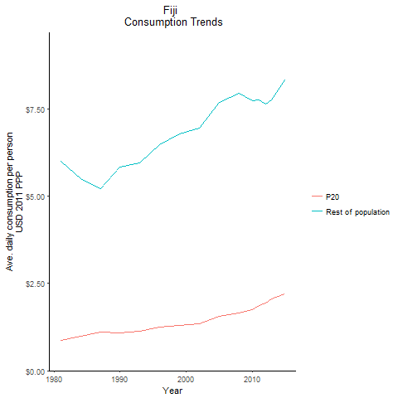
CountryName | P20 | Rest of population | Year
Fiji | 0.87030780874 | 5.996181155 | 1981
Fiji | 1.0002533079 | 5.5126072572 | 1984
Fiji | 1.0813384109 | 5.8448832973 | 1990
Fiji | 1.1006874146 | 5.2244518804 | 1987
Fiji | 1.1350066589 | 5.9623480587 | 1993
Fiji | 1.254034738 | 6.4885486167 | 1996
Fiji | 1.2865353921 | 6.7896453822 | 1999
Fiji | 1.3451605476 | 6.9600491962 | 2002
Fiji | 1.5539263984 | 7.6815699934 | 2005
Fiji | 1.6462373806 | 7.9578018776 | 2008
Fiji | 1.7416893811 | 7.739709724 | 2010
Fiji | 1.8714250695 | 7.7511124878 | 2011
Fiji | 1.9358406711 | 7.6354989364 | 2012
Fiji | 2.0685695271 | 7.7682100413 | 2013
Fiji | 2.2109277295 | 8.3253533882 | 2015

Indonesia
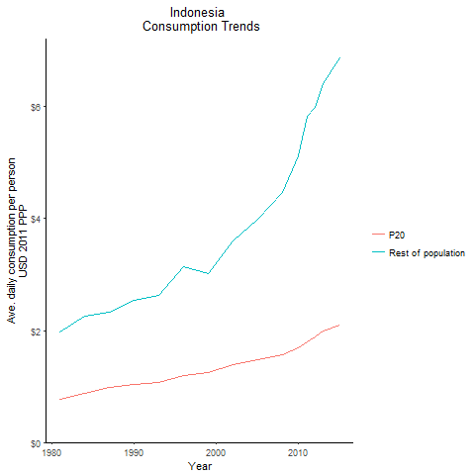
CountryName | P20 | Rest of population | Year
Indonesia | 0.76603116488 | 1.9766327704 | 1981
Indonesia | 0.76603116488 | 1.9766327704 | 1981
Indonesia | 0.76603116488 | 1.9766327704 | 1981
Indonesia | 0.76603116488 | 1.9766327704 | 1981
Indonesia | 0.76603116488 | 1.9766327704 | 1981
Indonesia | 0.76603116488 | 1.9766327704 | 1981
Indonesia | 0.76603116488 | 1.9766327704 | 1981
Indonesia | 0.76603116488 | 1.9766327704 | 1981
Indonesia | 0.76603116488 | 1.9766327704 | 1981
Indonesia | 0.76603116488 | 1.9766327704 | 1981
Indonesia | 0.76603116488 | 1.9766327704 | 1981
Indonesia | 0.76603116488 | 1.9766327704 | 1981
Indonesia | 0.76603116488 | 1.9766327704 | 1981
Indonesia | 0.76603116488 | 1.9766327704 | 1981
Indonesia | 0.76603116488 | 1.9766327704 | 1981
Indonesia | 0.76603116488 | 1.9766327704 | 1981
Indonesia | 0.76603116488 | 1.9766327704 | 1981
Indonesia | 0.76603116488 | 1.9766327704 | 1981
Indonesia | 0.76603116488 | 1.9766327704 | 1981
Indonesia | 0.76603116488 | 1.9766327704 | 1981
Indonesia | 0.76603116488 | 1.9766327704 | 1981
Indonesia | 0.76603116488 | 1.9766327704 | 1981
Indonesia | 0.76603116488 | 1.9766327704 | 1981
Indonesia | 0.76603116488 | 1.9766327704 | 1981
Indonesia | 0.76603116488 | 1.9766327704 | 1981
Indonesia | 0.76603116488 | 1.9766327704 | 1981
Indonesia | 0.76603116488 | 1.9766327704 | 1981
Indonesia | 0.87969275208 | 2.2541934005 | 1984
Indonesia | 0.87969275208 | 2.2541934005 | 1984
Indonesia | 0.87969275208 | 2.2541934005 | 1984
Indonesia | 0.87969275208 | 2.2541934005 | 1984
Indonesia | 0.87969275208 | 2.2541934005 | 1984
Indonesia | 0.87969275208 | 2.2541934005 | 1984
Indonesia | 0.87969275208 | 2.2541934005 | 1984
Indonesia | 0.87969275208 | 2.2541934005 | 1984
Indonesia | 0.87969275208 | 2.2541934005 | 1984
Indonesia | 0.87969275208 | 2.2541934005 | 1984
Indonesia | 0.87969275208 | 2.2541934005 | 1984
Indonesia | 0.87969275208 | 2.2541934005 | 1984
Indonesia | 0.87969275208 | 2.2541934005 | 1984
Indonesia | 0.87969275208 | 2.2541934005 | 1984
Indonesia | 0.87969275208 | 2.2541934005 | 1984
Indonesia | 0.87969275208 | 2.2541934005 | 1984
Indonesia | 0.87969275208 | 2.2541934005 | 1984
Indonesia | 0.87969275208 | 2.2541934005 | 1984
Indonesia | 0.87969275208 | 2.2541934005 | 1984
Indonesia | 0.87969275208 | 2.2541934005 | 1984
Indonesia | 0.87969275208 | 2.2541934005 | 1984
Indonesia | 0.87969275208 | 2.2541934005 | 1984
Indonesia | 0.87969275208 | 2.2541934005 | 1984
Indonesia | 0.87969275208 | 2.2541934005 | 1984
Indonesia | 0.87969275208 | 2.2541934005 | 1984
Indonesia | 0.87969275208 | 2.2541934005 | 1984
Indonesia | 0.87969275208 | 2.2541934005 | 1984
Indonesia | 1.0397381403 | 2.5436938881 | 1990
Indonesia | 1.0397381403 | 2.5436938881 | 1990
Indonesia | 1.0397381403 | 2.5436938881 | 1990
Indonesia | 1.0397381403 | 2.5436938881 | 1990
Indonesia | 1.0397381403 | 2.5436938881 | 1990
Indonesia | 1.0397381403 | 2.5436938881 | 1990
Indonesia | 1.0397381403 | 2.5436938881 | 1990
Indonesia | 1.0397381403 | 2.5436938881 | 1990
Indonesia | 1.0397381403 | 2.5436938881 | 1990
Indonesia | 1.0397381403 | 2.5436938881 | 1990
Indonesia | 1.0397381403 | 2.5436938881 | 1990
Indonesia | 1.0397381403 | 2.5436938881 | 1990
Indonesia | 1.0397381403 | 2.5436938881 | 1990
Indonesia | 1.0397381403 | 2.5436938881 | 1990
Indonesia | 1.0397381403 | 2.5436938881 | 1990
Indonesia | 1.0397381403 | 2.5436938881 | 1990
Indonesia | 1.0397381403 | 2.5436938881 | 1990
Indonesia | 1.0397381403 | 2.5436938881 | 1990
Indonesia | 1.0397381403 | 2.5436938881 | 1990
Indonesia | 1.0397381403 | 2.5436938881 | 1990
Indonesia | 1.0397381403 | 2.5436938881 | 1990
Indonesia | 1.0397381403 | 2.5436938881 | 1990
Indonesia | 1.0397381403 | 2.5436938881 | 1990
Indonesia | 1.0397381403 | 2.5436938881 | 1990
Indonesia | 1.0397381403 | 2.5436938881 | 1990
Indonesia | 1.0397381403 | 2.5436938881 | 1990
Indonesia | 1.0397381403 | 2.5436938881 | 1990
Indonesia | 0.98434659701 | 2.3331018165 | 1987
Indonesia | 0.98434659701 | 2.3331018165 | 1987
Indonesia | 0.98434659701 | 2.3331018165 | 1987
Indonesia | 0.98434659701 | 2.3331018165 | 1987
Indonesia | 0.98434659701 | 2.3331018165 | 1987
Indonesia | 0.98434659701 | 2.3331018165 | 1987
Indonesia | 0.98434659701 | 2.3331018165 | 1987
Indonesia | 0.98434659701 | 2.3331018165 | 1987
Indonesia | 0.98434659701 | 2.3331018165 | 1987
Indonesia | 0.98434659701 | 2.3331018165 | 1987
Indonesia | 0.98434659701 | 2.3331018165 | 1987
Indonesia | 0.98434659701 | 2.3331018165 | 1987
Indonesia | 0.98434659701 | 2.3331018165 | 1987
Indonesia | 0.98434659701 | 2.3331018165 | 1987
Indonesia | 0.98434659701 | 2.3331018165 | 1987
Indonesia | 0.98434659701 | 2.3331018165 | 1987
Indonesia | 0.98434659701 | 2.3331018165 | 1987
Indonesia | 0.98434659701 | 2.3331018165 | 1987
Indonesia | 0.98434659701 | 2.3331018165 | 1987
Indonesia | 0.98434659701 | 2.3331018165 | 1987
Indonesia | 0.98434659701 | 2.3331018165 | 1987
Indonesia | 0.98434659701 | 2.3331018165 | 1987
Indonesia | 0.98434659701 | 2.3331018165 | 1987
Indonesia | 0.98434659701 | 2.3331018165 | 1987
Indonesia | 0.98434659701 | 2.3331018165 | 1987
Indonesia | 0.98434659701 | 2.3331018165 | 1987
Indonesia | 0.98434659701 | 2.3331018165 | 1987
Indonesia | 1.0728343788 | 2.6361126111 | 1993
Indonesia | 1.0728343788 | 2.6361126111 | 1993
Indonesia | 1.0728343788 | 2.6361126111 | 1993
Indonesia | 1.0728343788 | 2.6361126111 | 1993
Indonesia | 1.0728343788 | 2.6361126111 | 1993
Indonesia | 1.0728343788 | 2.6361126111 | 1993
Indonesia | 1.0728343788 | 2.6361126111 | 1993
Indonesia | 1.0728343788 | 2.6361126111 | 1993
Indonesia | 1.0728343788 | 2.6361126111 | 1993
Indonesia | 1.0728343788 | 2.6361126111 | 1993
Indonesia | 1.0728343788 | 2.6361126111 | 1993
Indonesia | 1.0728343788 | 2.6361126111 | 1993
Indonesia | 1.0728343788 | 2.6361126111 | 1993
Indonesia | 1.0728343788 | 2.6361126111 | 1993
Indonesia | 1.0728343788 | 2.6361126111 | 1993
Indonesia | 1.0728343788 | 2.6361126111 | 1993
Indonesia | 1.0728343788 | 2.6361126111 | 1993
Indonesia | 1.0728343788 | 2.6361126111 | 1993
Indonesia | 1.0728343788 | 2.6361126111 | 1993
Indonesia | 1.0728343788 | 2.6361126111 | 1993
Indonesia | 1.0728343788 | 2.6361126111 | 1993
Indonesia | 1.0728343788 | 2.6361126111 | 1993
Indonesia | 1.0728343788 | 2.6361126111 | 1993
Indonesia | 1.0728343788 | 2.6361126111 | 1993
Indonesia | 1.0728343788 | 2.6361126111 | 1993
Indonesia | 1.0728343788 | 2.6361126111 | 1993
Indonesia | 1.0728343788 | 2.6361126111 | 1993
Indonesia | 1.1907719977 | 3.1459846131 | 1996
Indonesia | 1.1907719977 | 3.1459846131 | 1996
Indonesia | 1.1907719977 | 3.1459846131 | 1996
Indonesia | 1.1907719977 | 3.1459846131 | 1996
Indonesia | 1.1907719977 | 3.1459846131 | 1996
Indonesia | 1.1907719977 | 3.1459846131 | 1996
Indonesia | 1.1907719977 | 3.1459846131 | 1996
Indonesia | 1.1907719977 | 3.1459846131 | 1996
Indonesia | 1.1907719977 | 3.1459846131 | 1996
Indonesia | 1.1907719977 | 3.1459846131 | 1996
Indonesia | 1.1907719977 | 3.1459846131 | 1996
Indonesia | 1.1907719977 | 3.1459846131 | 1996
Indonesia | 1.1907719977 | 3.1459846131 | 1996
Indonesia | 1.1907719977 | 3.1459846131 | 1996
Indonesia | 1.1907719977 | 3.1459846131 | 1996
Indonesia | 1.1907719977 | 3.1459846131 | 1996
Indonesia | 1.1907719977 | 3.1459846131 | 1996
Indonesia | 1.1907719977 | 3.1459846131 | 1996
Indonesia | 1.1907719977 | 3.1459846131 | 1996
Indonesia | 1.1907719977 | 3.1459846131 | 1996
Indonesia | 1.1907719977 | 3.1459846131 | 1996
Indonesia | 1.1907719977 | 3.1459846131 | 1996
Indonesia | 1.1907719977 | 3.1459846131 | 1996
Indonesia | 1.1907719977 | 3.1459846131 | 1996
Indonesia | 1.1907719977 | 3.1459846131 | 1996
Indonesia | 1.1907719977 | 3.1459846131 | 1996
Indonesia | 1.1907719977 | 3.1459846131 | 1996
Indonesia | 1.240543432 | 3.0099819416 | 1999
Indonesia | 1.240543432 | 3.0099819416 | 1999
Indonesia | 1.240543432 | 3.0099819416 | 1999
Indonesia | 1.240543432 | 3.0099819416 | 1999
Indonesia | 1.240543432 | 3.0099819416 | 1999
Indonesia | 1.240543432 | 3.0099819416 | 1999
Indonesia | 1.240543432 | 3.0099819416 | 1999
Indonesia | 1.240543432 | 3.0099819416 | 1999
Indonesia | 1.240543432 | 3.0099819416 | 1999
Indonesia | 1.240543432 | 3.0099819416 | 1999
Indonesia | 1.240543432 | 3.0099819416 | 1999
Indonesia | 1.240543432 | 3.0099819416 | 1999
Indonesia | 1.240543432 | 3.0099819416 | 1999
Indonesia | 1.240543432 | 3.0099819416 | 1999
Indonesia | 1.240543432 | 3.0099819416 | 1999
Indonesia | 1.240543432 | 3.0099819416 | 1999
Indonesia | 1.240543432 | 3.0099819416 | 1999
Indonesia | 1.240543432 | 3.0099819416 | 1999
Indonesia | 1.240543432 | 3.0099819416 | 1999
Indonesia | 1.240543432 | 3.0099819416 | 1999
Indonesia | 1.240543432 | 3.0099819416 | 1999
Indonesia | 1.240543432 | 3.0099819416 | 1999
Indonesia | 1.240543432 | 3.0099819416 | 1999
Indonesia | 1.240543432 | 3.0099819416 | 1999
Indonesia | 1.240543432 | 3.0099819416 | 1999
Indonesia | 1.240543432 | 3.0099819416 | 1999
Indonesia | 1.240543432 | 3.0099819416 | 1999
Indonesia | 1.3838286454 | 3.6021133176 | 2002
Indonesia | 1.3838286454 | 3.6021133176 | 2002
Indonesia | 1.3838286454 | 3.6021133176 | 2002
Indonesia | 1.3838286454 | 3.6021133176 | 2002
Indonesia | 1.3838286454 | 3.6021133176 | 2002
Indonesia | 1.3838286454 | 3.6021133176 | 2002
Indonesia | 1.3838286454 | 3.6021133176 | 2002
Indonesia | 1.3838286454 | 3.6021133176 | 2002
Indonesia | 1.3838286454 | 3.6021133176 | 2002
Indonesia | 1.3838286454 | 3.6021133176 | 2002
Indonesia | 1.3838286454 | 3.6021133176 | 2002
Indonesia | 1.3838286454 | 3.6021133176 | 2002
Indonesia | 1.3838286454 | 3.6021133176 | 2002
Indonesia | 1.3838286454 | 3.6021133176 | 2002
Indonesia | 1.3838286454 | 3.6021133176 | 2002
Indonesia | 1.3838286454 | 3.6021133176 | 2002
Indonesia | 1.3838286454 | 3.6021133176 | 2002
Indonesia | 1.3838286454 | 3.6021133176 | 2002
Indonesia | 1.3838286454 | 3.6021133176 | 2002
Indonesia | 1.3838286454 | 3.6021133176 | 2002
Indonesia | 1.3838286454 | 3.6021133176 | 2002
Indonesia | 1.3838286454 | 3.6021133176 | 2002
Indonesia | 1.3838286454 | 3.6021133176 | 2002
Indonesia | 1.3838286454 | 3.6021133176 | 2002
Indonesia | 1.3838286454 | 3.6021133176 | 2002
Indonesia | 1.3838286454 | 3.6021133176 | 2002
Indonesia | 1.3838286454 | 3.6021133176 | 2002
Indonesia | 1.4852550228 | 3.9958225074 | 2005
Indonesia | 1.4852550228 | 3.9958225074 | 2005
Indonesia | 1.4852550228 | 3.9958225074 | 2005
Indonesia | 1.4852550228 | 3.9958225074 | 2005
Indonesia | 1.4852550228 | 3.9958225074 | 2005
Indonesia | 1.4852550228 | 3.9958225074 | 2005
Indonesia | 1.4852550228 | 3.9958225074 | 2005
Indonesia | 1.4852550228 | 3.9958225074 | 2005
Indonesia | 1.4852550228 | 3.9958225074 | 2005
Indonesia | 1.4852550228 | 3.9958225074 | 2005
Indonesia | 1.4852550228 | 3.9958225074 | 2005
Indonesia | 1.4852550228 | 3.9958225074 | 2005
Indonesia | 1.4852550228 | 3.9958225074 | 2005
Indonesia | 1.4852550228 | 3.9958225074 | 2005
Indonesia | 1.4852550228 | 3.9958225074 | 2005
Indonesia | 1.4852550228 | 3.9958225074 | 2005
Indonesia | 1.4852550228 | 3.9958225074 | 2005
Indonesia | 1.4852550228 | 3.9958225074 | 2005
Indonesia | 1.4852550228 | 3.9958225074 | 2005
Indonesia | 1.4852550228 | 3.9958225074 | 2005
Indonesia | 1.4852550228 | 3.9958225074 | 2005
Indonesia | 1.4852550228 | 3.9958225074 | 2005
Indonesia | 1.4852550228 | 3.9958225074 | 2005
Indonesia | 1.4852550228 | 3.9958225074 | 2005
Indonesia | 1.4852550228 | 3.9958225074 | 2005
Indonesia | 1.4852550228 | 3.9958225074 | 2005
Indonesia | 1.4852550228 | 3.9958225074 | 2005
Indonesia | 1.5752501235 | 4.4692162108 | 2008
Indonesia | 1.5752501235 | 4.4692162108 | 2008
Indonesia | 1.5752501235 | 4.4692162108 | 2008
Indonesia | 1.5752501235 | 4.4692162108 | 2008
Indonesia | 1.5752501235 | 4.4692162108 | 2008
Indonesia | 1.5752501235 | 4.4692162108 | 2008
Indonesia | 1.5752501235 | 4.4692162108 | 2008
Indonesia | 1.5752501235 | 4.4692162108 | 2008
Indonesia | 1.5752501235 | 4.4692162108 | 2008
Indonesia | 1.5752501235 | 4.4692162108 | 2008
Indonesia | 1.5752501235 | 4.4692162108 | 2008
Indonesia | 1.5752501235 | 4.4692162108 | 2008
Indonesia | 1.5752501235 | 4.4692162108 | 2008
Indonesia | 1.5752501235 | 4.4692162108 | 2008
Indonesia | 1.5752501235 | 4.4692162108 | 2008
Indonesia | 1.5752501235 | 4.4692162108 | 2008
Indonesia | 1.5752501235 | 4.4692162108 | 2008
Indonesia | 1.5752501235 | 4.4692162108 | 2008
Indonesia | 1.5752501235 | 4.4692162108 | 2008
Indonesia | 1.5752501235 | 4.4692162108 | 2008
Indonesia | 1.5752501235 | 4.4692162108 | 2008
Indonesia | 1.5752501235 | 4.4692162108 | 2008
Indonesia | 1.5752501235 | 4.4692162108 | 2008
Indonesia | 1.5752501235 | 4.4692162108 | 2008
Indonesia | 1.5752501235 | 4.4692162108 | 2008
Indonesia | 1.5752501235 | 4.4692162108 | 2008
Indonesia | 1.5752501235 | 4.4692162108 | 2008
Indonesia | 1.6972530731 | 5.1171840456 | 2010
Indonesia | 1.6972530731 | 5.1171840456 | 2010
Indonesia | 1.6972530731 | 5.1171840456 | 2010
Indonesia | 1.6972530731 | 5.1171840456 | 2010
Indonesia | 1.6972530731 | 5.1171840456 | 2010
Indonesia | 1.6972530731 | 5.1171840456 | 2010
Indonesia | 1.6972530731 | 5.1171840456 | 2010
Indonesia | 1.6972530731 | 5.1171840456 | 2010
Indonesia | 1.6972530731 | 5.1171840456 | 2010
Indonesia | 1.6972530731 | 5.1171840456 | 2010
Indonesia | 1.6972530731 | 5.1171840456 | 2010
Indonesia | 1.6972530731 | 5.1171840456 | 2010
Indonesia | 1.6972530731 | 5.1171840456 | 2010
Indonesia | 1.6972530731 | 5.1171840456 | 2010
Indonesia | 1.6972530731 | 5.1171840456 | 2010
Indonesia | 1.6972530731 | 5.1171840456 | 2010
Indonesia | 1.6972530731 | 5.1171840456 | 2010
Indonesia | 1.6972530731 | 5.1171840456 | 2010
Indonesia | 1.6972530731 | 5.1171840456 | 2010
Indonesia | 1.6972530731 | 5.1171840456 | 2010
Indonesia | 1.6972530731 | 5.1171840456 | 2010
Indonesia | 1.6972530731 | 5.1171840456 | 2010
Indonesia | 1.6972530731 | 5.1171840456 | 2010
Indonesia | 1.6972530731 | 5.1171840456 | 2010
Indonesia | 1.6972530731 | 5.1171840456 | 2010
Indonesia | 1.6972530731 | 5.1171840456 | 2010
Indonesia | 1.6972530731 | 5.1171840456 | 2010
Indonesia | 1.8040403572 | 5.8361331596 | 2011
Indonesia | 1.8040403572 | 5.8361331596 | 2011
Indonesia | 1.8040403572 | 5.8361331596 | 2011
Indonesia | 1.8040403572 | 5.8361331596 | 2011
Indonesia | 1.8040403572 | 5.8361331596 | 2011
Indonesia | 1.8040403572 | 5.8361331596 | 2011
Indonesia | 1.8040403572 | 5.8361331596 | 2011
Indonesia | 1.8040403572 | 5.8361331596 | 2011
Indonesia | 1.8040403572 | 5.8361331596 | 2011
Indonesia | 1.8040403572 | 5.8361331596 | 2011
Indonesia | 1.8040403572 | 5.8361331596 | 2011
Indonesia | 1.8040403572 | 5.8361331596 | 2011
Indonesia | 1.8040403572 | 5.8361331596 | 2011
Indonesia | 1.8040403572 | 5.8361331596 | 2011
Indonesia | 1.8040403572 | 5.8361331596 | 2011
Indonesia | 1.8040403572 | 5.8361331596 | 2011
Indonesia | 1.8040403572 | 5.8361331596 | 2011
Indonesia | 1.8040403572 | 5.8361331596 | 2011
Indonesia | 1.8040403572 | 5.8361331596 | 2011
Indonesia | 1.8040403572 | 5.8361331596 | 2011
Indonesia | 1.8040403572 | 5.8361331596 | 2011
Indonesia | 1.8040403572 | 5.8361331596 | 2011
Indonesia | 1.8040403572 | 5.8361331596 | 2011
Indonesia | 1.8040403572 | 5.8361331596 | 2011
Indonesia | 1.8040403572 | 5.8361331596 | 2011
Indonesia | 1.8040403572 | 5.8361331596 | 2011
Indonesia | 1.8040403572 | 5.8361331596 | 2011
Indonesia | 1.8775381614 | 5.9917785533 | 2012
Indonesia | 1.8775381614 | 5.9917785533 | 2012
Indonesia | 1.8775381614 | 5.9917785533 | 2012
Indonesia | 1.8775381614 | 5.9917785533 | 2012
Indonesia | 1.8775381614 | 5.9917785533 | 2012
Indonesia | 1.8775381614 | 5.9917785533 | 2012
Indonesia | 1.8775381614 | 5.9917785533 | 2012
Indonesia | 1.8775381614 | 5.9917785533 | 2012
Indonesia | 1.8775381614 | 5.9917785533 | 2012
Indonesia | 1.8775381614 | 5.9917785533 | 2012
Indonesia | 1.8775381614 | 5.9917785533 | 2012
Indonesia | 1.8775381614 | 5.9917785533 | 2012
Indonesia | 1.8775381614 | 5.9917785533 | 2012
Indonesia | 1.8775381614 | 5.9917785533 | 2012
Indonesia | 1.8775381614 | 5.9917785533 | 2012
Indonesia | 1.8775381614 | 5.9917785533 | 2012
Indonesia | 1.8775381614 | 5.9917785533 | 2012
Indonesia | 1.8775381614 | 5.9917785533 | 2012
Indonesia | 1.8775381614 | 5.9917785533 | 2012
Indonesia | 1.8775381614 | 5.9917785533 | 2012
Indonesia | 1.8775381614 | 5.9917785533 | 2012
Indonesia | 1.8775381614 | 5.9917785533 | 2012
Indonesia | 1.8775381614 | 5.9917785533 | 2012
Indonesia | 1.8775381614 | 5.9917785533 | 2012
Indonesia | 1.8775381614 | 5.9917785533 | 2012
Indonesia | 1.8775381614 | 5.9917785533 | 2012
Indonesia | 1.8775381614 | 5.9917785533 | 2012
Indonesia | 1.9931856683 | 6.4068291316 | 2013
Indonesia | 1.9931856683 | 6.4068291316 | 2013
Indonesia | 1.9931856683 | 6.4068291316 | 2013
Indonesia | 1.9931856683 | 6.4068291316 | 2013
Indonesia | 1.9931856683 | 6.4068291316 | 2013
Indonesia | 1.9931856683 | 6.4068291316 | 2013
Indonesia | 1.9931856683 | 6.4068291316 | 2013
Indonesia | 1.9931856683 | 6.4068291316 | 2013
Indonesia | 1.9931856683 | 6.4068291316 | 2013
Indonesia | 1.9931856683 | 6.4068291316 | 2013
Indonesia | 1.9931856683 | 6.4068291316 | 2013
Indonesia | 1.9931856683 | 6.4068291316 | 2013
Indonesia | 1.9931856683 | 6.4068291316 | 2013
Indonesia | 1.9931856683 | 6.4068291316 | 2013
Indonesia | 1.9931856683 | 6.4068291316 | 2013
Indonesia | 1.9931856683 | 6.4068291316 | 2013
Indonesia | 1.9931856683 | 6.4068291316 | 2013
Indonesia | 1.9931856683 | 6.4068291316 | 2013
Indonesia | 1.9931856683 | 6.4068291316 | 2013
Indonesia | 1.9931856683 | 6.4068291316 | 2013
Indonesia | 1.9931856683 | 6.4068291316 | 2013
Indonesia | 1.9931856683 | 6.4068291316 | 2013
Indonesia | 1.9931856683 | 6.4068291316 | 2013
Indonesia | 1.9931856683 | 6.4068291316 | 2013
Indonesia | 1.9931856683 | 6.4068291316 | 2013
Indonesia | 1.9931856683 | 6.4068291316 | 2013
Indonesia | 1.9931856683 | 6.4068291316 | 2013
Indonesia | 2.0928467626 | 6.8658973133 | 2015
Indonesia | 2.0928467626 | 6.8658973133 | 2015
Indonesia | 2.0928467626 | 6.8658973133 | 2015
Indonesia | 2.0928467626 | 6.8658973133 | 2015
Indonesia | 2.0928467626 | 6.8658973133 | 2015
Indonesia | 2.0928467626 | 6.8658973133 | 2015
Indonesia | 2.0928467626 | 6.8658973133 | 2015
Indonesia | 2.0928467626 | 6.8658973133 | 2015
Indonesia | 2.0928467626 | 6.8658973133 | 2015
Indonesia | 2.0928467626 | 6.8658973133 | 2015
Indonesia | 2.0928467626 | 6.8658973133 | 2015
Indonesia | 2.0928467626 | 6.8658973133 | 2015
Indonesia | 2.0928467626 | 6.8658973133 | 2015
Indonesia | 2.0928467626 | 6.8658973133 | 2015
Indonesia | 2.0928467626 | 6.8658973133 | 2015
Indonesia | 2.0928467626 | 6.8658973133 | 2015
Indonesia | 2.0928467626 | 6.8658973133 | 2015
Indonesia | 2.0928467626 | 6.8658973133 | 2015
Indonesia | 2.0928467626 | 6.8658973133 | 2015
Indonesia | 2.0928467626 | 6.8658973133 | 2015
Indonesia | 2.0928467626 | 6.8658973133 | 2015
Indonesia | 2.0928467626 | 6.8658973133 | 2015
Indonesia | 2.0928467626 | 6.8658973133 | 2015
Indonesia | 2.0928467626 | 6.8658973133 | 2015
Indonesia | 2.0928467626 | 6.8658973133 | 2015
Indonesia | 2.0928467626 | 6.8658973133 | 2015
Indonesia | 2.0928467626 | 6.8658973133 | 2015

Kiribati
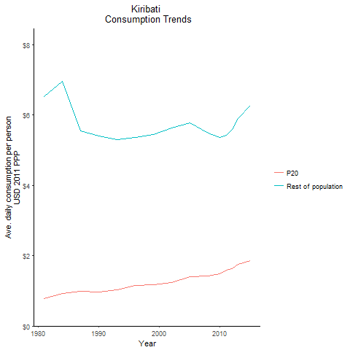
CountryName | P20 | Rest of population | Year
Kiribati | 0.78618584995 | 6.528380804 | 1981
Kiribati | 0.92186358512 | 6.967014263 | 1984
Kiribati | 0.96670231219 | 5.4062225048 | 1990
Kiribati | 0.98612762824 | 5.5609633812 | 1987
Kiribati | 1.0367528481 | 5.309404492 | 1993
Kiribati | 1.1615036274 | 5.3669404207 | 1996
Kiribati | 1.1731004698 | 5.4404845442 | 1999
Kiribati | 1.2390639918 | 5.6380718937 | 2002
Kiribati | 1.3972754843 | 5.7709072955 | 2005
Kiribati | 1.4220137373 | 5.4869470953 | 2008
Kiribati | 1.4914055079 | 5.3629927787 | 2010
Kiribati | 1.5804729066 | 5.4232547448 | 2011
Kiribati | 1.6334374511 | 5.6017831755 | 2012
Kiribati | 1.7573917294 | 5.9007587466 | 2013
Kiribati | 1.8490984632 | 6.2872946658 | 2015

Malaysia
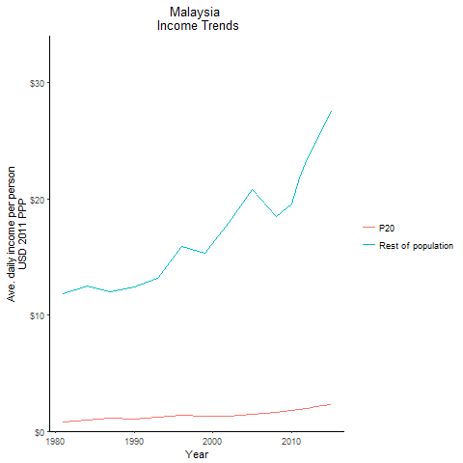
CountryName | P20 | Rest of population | Year
Malaysia | 0.76384981305 | 11.827642291 | 1981
Malaysia | 0.92445118205 | 12.502300033 | 1984
Malaysia | 1.0831481049 | 12.395046446 | 1990
Malaysia | 1.1237402478 | 11.967808989 | 1987
Malaysia | 1.2287556876 | 13.138282844 | 1993
Malaysia | 1.374042666 | 15.928099494 | 1996
Malaysia | 1.3140052643 | 15.295763601 | 1999
Malaysia | 1.2931678301 | 18.007216535 | 2002
Malaysia | 1.454036322 | 20.761830727 | 2005
Malaysia | 1.5937830837 | 18.488381464 | 2008
Malaysia | 1.7572700976 | 19.585297593 | 2010
Malaysia | 1.8914399331 | 21.808466381 | 2011
Malaysia | 1.9780600529 | 23.410704658 | 2012
Malaysia | 2.1005964836 | 24.837564302 | 2013
Malaysia | 2.3108913759 | 27.532441054 | 2015

Mongolia
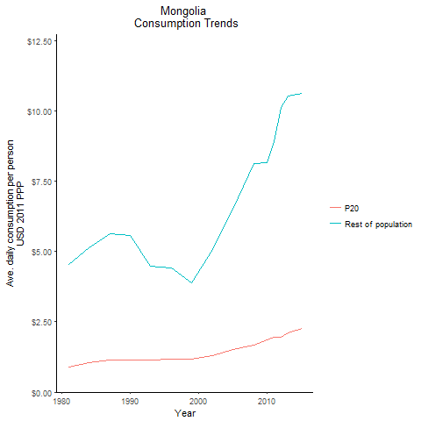
CountryName | P20 | Rest of population | Year
Mongolia | 0.8788925792 | 4.5446275605 | 1981
Mongolia | 1.0336673571 | 5.1267374914 | 1984
Mongolia | 1.1276692684 | 5.5710894553 | 1990
Mongolia | 1.1361635215 | 5.642843069 | 1987
Mongolia | 1.1352122237 | 4.4654745234 | 1993
Mongolia | 1.1680342308 | 4.40407121 | 1996
Mongolia | 1.1642034644 | 3.8766932583 | 1999
Mongolia | 1.2922273811 | 5.0764876006 | 2002
Mongolia | 1.5144744323 | 6.5071520211 | 2005
Mongolia | 1.6688077458 | 8.1351373282 | 2008
Mongolia | 1.870500005 | 8.16008547 | 2010
Mongolia | 1.9634753006 | 8.886367605 | 2011
Mongolia | 1.9408180606 | 10.117364818 | 2012
Mongolia | 2.1086220785 | 10.525133655 | 2013
Mongolia | 2.2700148123 | 10.627067541 | 2015

Myanmar

CountryName | P20 | Rest of population | Year
Myanmar | 0.59668681265 | 1.9123251537 | 1981
Myanmar | 0.66982294607 | 2.2240560385 | 1984
Myanmar | 0.62680081904 | 2.5918015244 | 1990
Myanmar | 0.66799064341 | 2.4974264536 | 1987
Myanmar | 0.67687224597 | 2.5980626965 | 1993
Myanmar | 0.78019755015 | 2.8628250934 | 1996
Myanmar | 0.86340495635 | 2.8481579193 | 1999
Myanmar | 1.0399882816 | 3.1186132627 | 2002
Myanmar | 1.2885793582 | 3.7320447154 | 2005
Myanmar | 1.4720147654 | 4.3665238404 | 2008
Myanmar | 1.6170963802 | 4.9571008918 | 2010
Myanmar | 1.718386224 | 5.2346035331 | 2011
Myanmar | 1.7883543531 | 5.5021019696 | 2012
Myanmar | 1.9038459775 | 5.8832026424 | 2013
Myanmar | 2.0242832787 | 6.4743579193 | 2015

Papua New Guinea
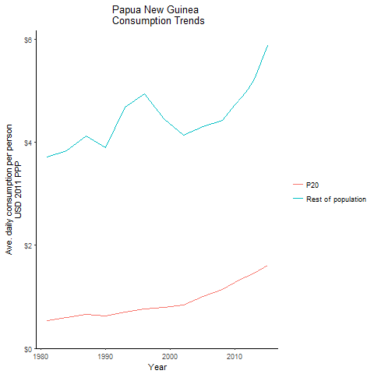
CountryName | P20 | Rest of population | Year
Papua New Guinea | 0.54366075491 | 3.7063312813 | 1981
Papua New Guinea | 0.60027416289 | 3.8349572228 | 1984
Papua New Guinea | 0.63412870594 | 3.8930634994 | 1990
Papua New Guinea | 0.65923125067 | 4.1174882495 | 1987
Papua New Guinea | 0.70433239039 | 4.6851050778 | 1993
Papua New Guinea | 0.76107225212 | 4.9386536914 | 1996
Papua New Guinea | 0.78897720662 | 4.4544434343 | 1999
Papua New Guinea | 0.84640355793 | 4.1409478263 | 2002
Papua New Guinea | 0.99969770086 | 4.3043227708 | 2005
Papua New Guinea | 1.148103102 | 4.4255990237 | 2008
Papua New Guinea | 1.2805911991 | 4.7323695809 | 2010
Papua New Guinea | 1.3524035845 | 4.8845450895 | 2011
Papua New Guinea | 1.3935106349 | 5.0226453331 | 2012
Papua New Guinea | 1.4629339239 | 5.2197818277 | 2013
Papua New Guinea | 1.6093508236 | 5.8679909547 | 2015

Philippines
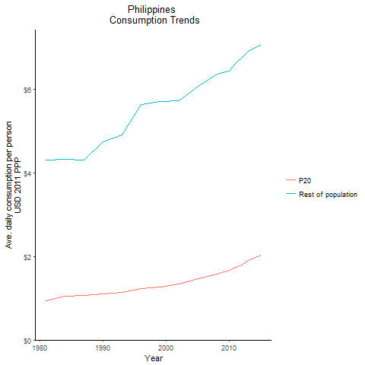
CountryName | P20 | Rest of population | Year
Philippines | 0.94530623688 | 4.3085796599 | 1981
Philippines | 1.0439561015 | 4.3232710239 | 1984
Philippines | 1.0965741145 | 4.7525931931 | 1990
Philippines | 1.0740097689 | 4.3172063014 | 1987
Philippines | 1.1321289696 | 4.9045705545 | 1993
Philippines | 1.2307681256 | 5.6382491186 | 1996
Philippines | 1.2592359588 | 5.7157485346 | 1999
Philippines | 1.3342171368 | 5.7312081845 | 2002
Philippines | 1.4704480246 | 6.0686545961 | 2005
Philippines | 1.583264882 | 6.3719000162 | 2008
Philippines | 1.6624518047 | 6.4473080945 | 2010
Philippines | 1.745795476 | 6.6337964598 | 2011
Philippines | 1.7965301126 | 6.7665441797 | 2012
Philippines | 1.8975154163 | 6.9201979096 | 2013
Philippines | 2.0341782756 | 7.0688108533 | 2015

Samoa
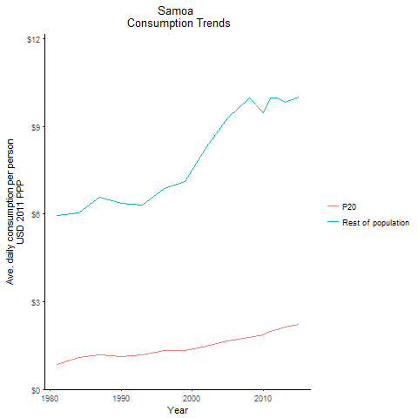
CountryName | P20 | Rest of population | Year
Samoa | 0.85227758121 | 5.9548927922 | 1981
Samoa | 1.0761509753 | 6.0390890997 | 1984
Samoa | 1.1327495484 | 6.3567053233 | 1990
Samoa | 1.1728369511 | 6.5816671682 | 1987
Samoa | 1.1682545098 | 6.30046741 | 1993
Samoa | 1.3353091367 | 6.882412191 | 1996
Samoa | 1.3371950276 | 7.1084694986 | 1999
Samoa | 1.4816368272 | 8.3145742828 | 2002
Samoa | 1.6561110541 | 9.2936813422 | 2005
Samoa | 1.7780607588 | 9.9780320979 | 2008
Samoa | 1.851559778 | 9.4785597971 | 2010
Samoa | 1.9854647557 | 9.9731312186 | 2011
Samoa | 2.0429516462 | 9.9739911763 | 2012
Samoa | 2.1293644302 | 9.8203815185 | 2013
Samoa | 2.2245990881 | 9.9998648135 | 2015

Thailand
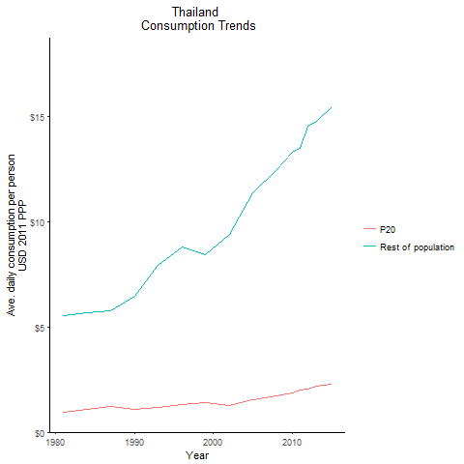
CountryName | P20 | Rest of population | Year
Thailand | 0.9474560918 | 5.5575463347 | 1981
Thailand | 1.0724068294 | 5.6989219539 | 1984
Thailand | 1.0706368142 | 6.4773941241 | 1990
Thailand | 1.2073463523 | 5.7777729746 | 1987
Thailand | 1.1650515977 | 7.9434079781 | 1993
Thailand | 1.3283664565 | 8.8208891739 | 1996
Thailand | 1.3999869175 | 8.4369293397 | 1999
Thailand | 1.2922519052 | 9.3922315115 | 2002
Thailand | 1.5378223281 | 11.38270866 | 2005
Thailand | 1.7513236097 | 12.473972705 | 2008
Thailand | 1.8886054325 | 13.321003022 | 2010
Thailand | 1.9898629806 | 13.502603897 | 2011
Thailand | 2.0530223471 | 14.574399203 | 2012
Thailand | 2.1956394766 | 14.795663647 | 2013
Thailand | 2.290213738 | 15.460868597 | 2015

Timor-Leste
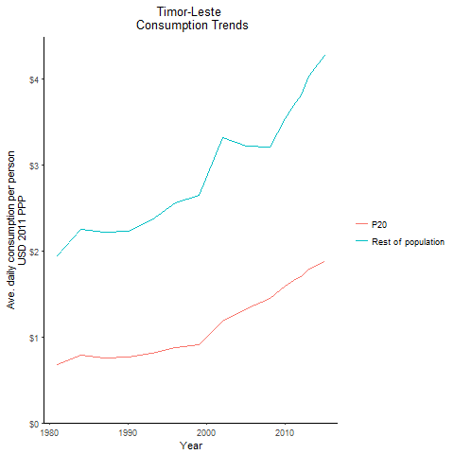
CountryName | P20 | Rest of population | Year
Timor-Leste | 0.68211828296 | 1.9481958482 | 1981
Timor-Leste | 0.78883462385 | 2.2521635994 | 1984
Timor-Leste | 0.76740100854 | 2.2337097506 | 1990
Timor-Leste | 0.75975146336 | 2.2241643532 | 1987
Timor-Leste | 0.81526187153 | 2.3568976587 | 1993
Timor-Leste | 0.87457199917 | 2.5570666808 | 1996
Timor-Leste | 0.91243626385 | 2.6496556268 | 1999
Timor-Leste | 1.1863843635 | 3.3245329572 | 2002
Timor-Leste | 1.3294848449 | 3.2161192875 | 2005
Timor-Leste | 1.443582939 | 3.2072959029 | 2008
Timor-Leste | 1.5862843688 | 3.5381442239 | 2010
Timor-Leste | 1.6556003352 | 3.6972096532 | 2011
Timor-Leste | 1.7018225614 | 3.8152936703 | 2012
Timor-Leste | 1.7880393268 | 4.037058027 | 2013
Timor-Leste | 1.872816837 | 4.27186124 | 2015

Tonga
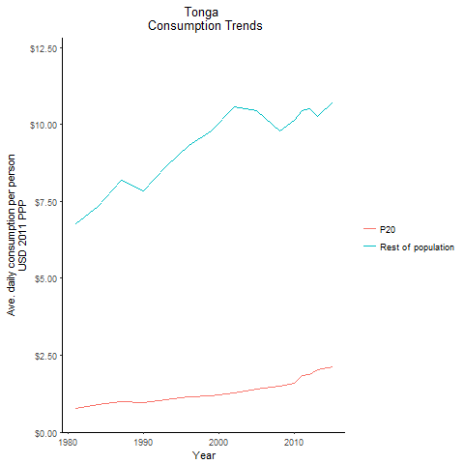
CountryName | P20 | Rest of population | Year
Tonga | 0.76952219883 | 6.761876639 | 1981
Tonga | 0.89506930502 | 7.3440464646 | 1984
Tonga | 0.95448937257 | 7.8315895885 | 1990
Tonga | 0.99729873745 | 8.1828388566 | 1987
Tonga | 1.0509196023 | 8.6227974455 | 1993
Tonga | 1.135417563 | 9.3161050876 | 1996
Tonga | 1.1823002345 | 9.7977076094 | 1999
Tonga | 1.2652920273 | 10.56488335 | 2002
Tonga | 1.3956564629 | 10.441670493 | 2005
Tonga | 1.5061601199 | 9.7719531222 | 2008
Tonga | 1.5864381853 | 10.131623419 | 2010
Tonga | 1.8383749645 | 10.431473027 | 2011
Tonga | 1.8816790691 | 10.500457834 | 2012
Tonga | 2.0377942252 | 10.24566913 | 2013
Tonga | 2.1362253144 | 10.740560918 | 2015

Vanuatu
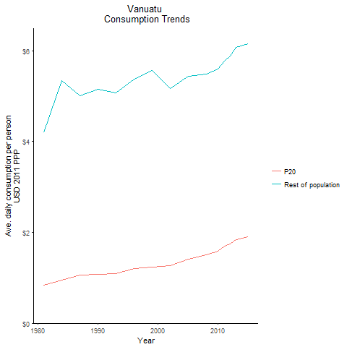
CountryName | P20 | Rest of population | Year
Vanuatu | 0.83466305745 | 4.1945796419 | 1981
Vanuatu | 0.95015491701 | 5.3472844011 | 1984
Vanuatu | 1.0740721531 | 5.1520420282 | 1990
Vanuatu | 1.0670477637 | 4.9996797093 | 1987
Vanuatu | 1.0939130911 | 5.0713115015 | 1993
Vanuatu | 1.2067559503 | 5.3664117389 | 1996
Vanuatu | 1.2379451692 | 5.5673860898 | 1999
Vanuatu | 1.2655909606 | 5.1738804344 | 2002
Vanuatu | 1.4073102106 | 5.4366557261 | 2005
Vanuatu | 1.5038427725 | 5.4801077546 | 2008
Vanuatu | 1.5857241557 | 5.6032372841 | 2010
Vanuatu | 1.6894622319 | 5.7757520108 | 2011
Vanuatu | 1.7437794547 | 5.8843093421 | 2012
Vanuatu | 1.835155253 | 6.0745282312 | 2013
Vanuatu | 1.9033303156 | 6.1552105222 | 2015

Vietnam
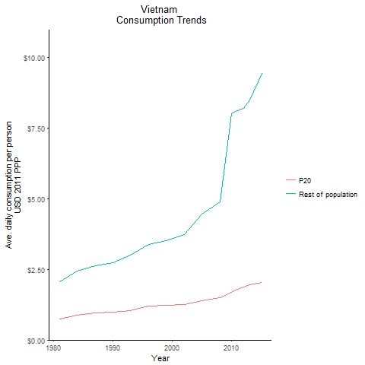
CountryName | P20 | Rest of population | Year
Vietnam | 0.74177190195 | 2.0602024843 | 1981
Vietnam | 0.88088258335 | 2.4492712422 | 1984
Vietnam | 0.97439894738 | 2.7200250504 | 1990
Vietnam | 0.94808131563 | 2.6323729384 | 1987
Vietnam | 1.0496349417 | 2.9885041527 | 1993
Vietnam | 1.1870475734 | 3.3821033505 | 1996
Vietnam | 1.2172433902 | 3.508041164 | 1999
Vietnam | 1.2575534846 | 3.723130667 | 2002
Vietnam | 1.3960029599 | 4.4463942844 | 2005
Vietnam | 1.5081377011 | 4.8891161023 | 2008
Vietnam | 1.6757058065 | 8.0052829596 | 2010
Vietnam | 1.7959856471 | 8.1123986137 | 2011
Vietnam | 1.8679591557 | 8.1897977132 | 2012
Vietnam | 1.9394475939 | 8.4771743585 | 2013
Vietnam | 2.0262438141 | 9.4218579477 | 2015

Lao People's Democratic Republ
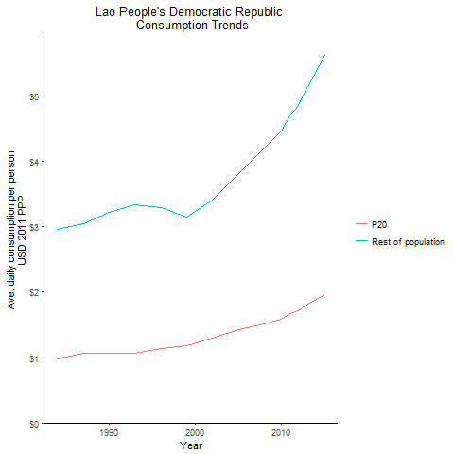
CountryName | P20 | Rest of population | Year
Lao People's Democratic Republic | 0.981719333 | 2.9571537401 | 1984
Lao People's Democratic Republic | 1.0713172469 | 3.2291463595 | 1990
Lao People's Democratic Republic | 1.0679542937 | 3.0493648525 | 1987
Lao People's Democratic Republic | 1.0589235437 | 3.3437807502 | 1993
Lao People's Democratic Republic | 1.1317921307 | 3.2908660934 | 1996
Lao People's Democratic Republic | 1.1848486242 | 3.145353369 | 1999
Lao People's Democratic Republic | 1.3041554101 | 3.4079961893 | 2002
Lao People's Democratic Republic | 1.426174805 | 3.8156868041 | 2005
Lao People's Democratic Republic | 1.5149651715 | 4.2093592296 | 2008
Lao People's Democratic Republic | 1.5902211917 | 4.4724840047 | 2010
Lao People's Democratic Republic | 1.6703895498 | 4.7011662561 | 2011
Lao People's Democratic Republic | 1.7127282912 | 4.8540753786 | 2012
Lao People's Democratic Republic | 1.8163080544 | 5.1523347349 | 2013
Lao People's Democratic Republic | 1.9612400043 | 5.6190936961 | 2015

Micronesia, Federated States o
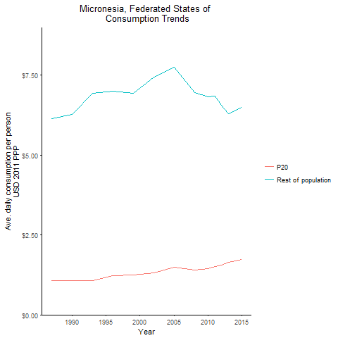
CountryName | P20 | Rest of population | Year
Micronesia, Federated States of | 1.0704590757 | 6.276268035 | 1990
Micronesia, Federated States of | 1.0768678801 | 6.1328565039 | 1987
Micronesia, Federated States of | 1.0762698723 | 6.94361896 | 1993
Micronesia, Federated States of | 1.2287593518 | 6.9978899973 | 1996
Micronesia, Federated States of | 1.2435529352 | 6.9263275394 | 1999
Micronesia, Federated States of | 1.3148672629 | 7.4455545969 | 2002
Micronesia, Federated States of | 1.4919054462 | 7.7442366716 | 2005
Micronesia, Federated States of | 1.3983352158 | 6.9648439048 | 2008
Micronesia, Federated States of | 1.4422158681 | 6.8134701692 | 2010
Micronesia, Federated States of | 1.5202384906 | 6.8520784791 | 2011
Micronesia, Federated States of | 1.5536936108 | 6.5583886724 | 2012
Micronesia, Federated States of | 1.6543949547 | 6.30307722 | 2013
Micronesia, Federated States of | 1.7328941776 | 6.5033409177 | 2015

Solomon Islands
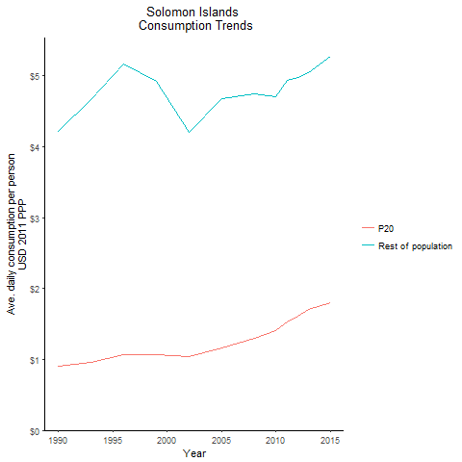
CountryName | P20 | Rest of population | Year
Solomon Islands | 0.90806249321 | 4.2232640478 | 1990
Solomon Islands | 0.95861389345 | 4.6724427563 | 1993
Solomon Islands | 1.0642643596 | 5.1667345681 | 1996
Solomon Islands | 1.0679513316 | 4.919916384 | 1999
Solomon Islands | 1.0386499234 | 4.2058775357 | 2002
Solomon Islands | 1.1635677903 | 4.6848283516 | 2005
Solomon Islands | 1.3023070139 | 4.7536507802 | 2008
Solomon Islands | 1.4089242114 | 4.7082119354 | 2010
Solomon Islands | 1.5314263008 | 4.935867712 | 2011
Solomon Islands | 1.6064898034 | 4.9720599909 | 2012
Solomon Islands | 1.709623975 | 5.0463091008 | 2013
Solomon Islands | 1.8004330992 | 5.2706024114 | 2015

Tuvalu
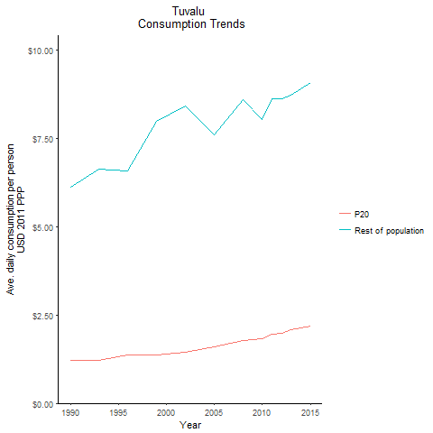
CountryName | P20 | Rest of population | Year
Tuvalu | 1.2243722704 | 6.1316244897 | 1990
Tuvalu | 1.2215115329 | 6.629803066 | 1993
Tuvalu | 1.3601646791 | 6.5717911109 | 1996
Tuvalu | 1.3681418461 | 7.9844699554 | 1999
Tuvalu | 1.440881035 | 8.4089742944 | 2002
Tuvalu | 1.6064876689 | 7.5918185256 | 2005
Tuvalu | 1.779623113 | 8.5984522969 | 2008
Tuvalu | 1.8274398307 | 8.0334779368 | 2010
Tuvalu | 1.9638304956 | 8.6330565819 | 2011
Tuvalu | 1.9931696777 | 8.6156682594 | 2012
Tuvalu | 2.0722517766 | 8.732554481 | 2013
Tuvalu | 2.1863541602 | 9.0712600174 | 2015

