Albania
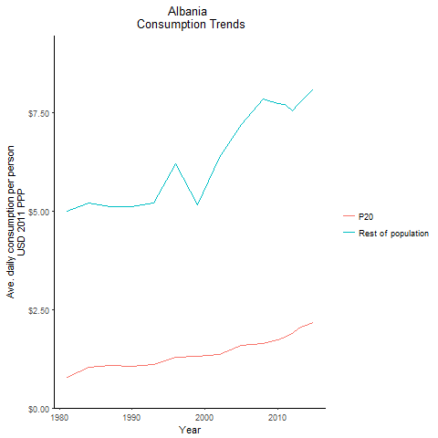
CountryName | P20 | Rest of population | Year
Albania | 0.78102050453 | 4.9870155926 | 1981
Albania | 1.0222363796 | 5.1947477111 | 1984
Albania | 1.0574970759 | 5.1060732433 | 1990
Albania | 1.0883691523 | 5.1018635231 | 1987
Albania | 1.1094449564 | 5.200660725 | 1993
Albania | 1.2839079566 | 6.1992879999 | 1996
Albania | 1.314721543 | 5.1467692647 | 1999
Albania | 1.3578696075 | 6.3654722925 | 2002
Albania | 1.5800719881 | 7.2002768891 | 2005
Albania | 1.6342394157 | 7.8379976499 | 2008
Albania | 1.7297646845 | 7.7368770648 | 2010
Albania | 1.807790865 | 7.7051959717 | 2011
Albania | 1.8888029931 | 7.5474104498 | 2012
Albania | 2.0200846472 | 7.7276414676 | 2013
Albania | 2.1611862471 | 8.086280245 | 2015

Armenia
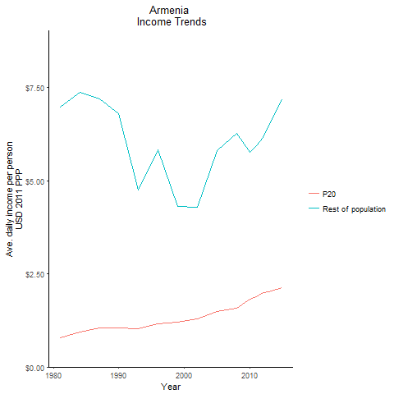
CountryName | P20 | Rest of population | Year
Armenia | 0.78956216269 | 6.9763679503 | 1981
Armenia | 0.94502476118 | 7.3795185641 | 1984
Armenia | 1.043327158 | 6.7921185446 | 1990
Armenia | 1.0500638142 | 7.2013426744 | 1987
Armenia | 1.020175948 | 4.7568108761 | 1993
Armenia | 1.1676166635 | 5.8416022671 | 1996
Armenia | 1.1992436802 | 4.315619756 | 1999
Armenia | 1.3001371135 | 4.2790356693 | 2002
Armenia | 1.479015315 | 5.8096765046 | 2005
Armenia | 1.5756052878 | 6.2674258498 | 2008
Armenia | 1.8256913287 | 5.7669363295 | 2010
Armenia | 1.8907585222 | 5.9354665992 | 2011
Armenia | 2.0038297182 | 6.1717704462 | 2012
Armenia | 2.0161312233 | 6.4837208387 | 2013
Armenia | 2.1367389513 | 7.1667747566 | 2015

Azerbaijan
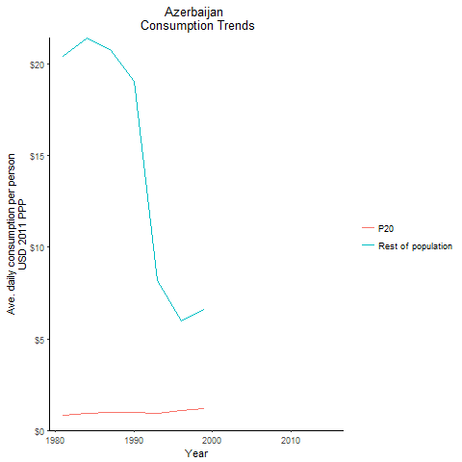
CountryName | P20 | Rest of population | Year
Azerbaijan | 0.82128104231 | 20.445553232 | 1981
Azerbaijan | 0.94813495109 | 21.436133368 | 1984
Azerbaijan | 0.97565120613 | 19.089095515 | 1990
Azerbaijan | 0.95823973872 | 20.824220452 | 1987
Azerbaijan | 0.92083652158 | 8.2037121357 | 1993
Azerbaijan | 1.0756795792 | 5.9561973242 | 1996
Azerbaijan | 1.1760034671 | 6.5854255258 | 1999
Azerbaijan |  |  | 2002
Azerbaijan |  |  | 2005
Azerbaijan |  |  | 2008
Azerbaijan |  |  | 2010
Azerbaijan |  |  | 2011
Azerbaijan |  |  | 2012
Azerbaijan |  |  | 2013
Azerbaijan |  |  | 2015

Belarus
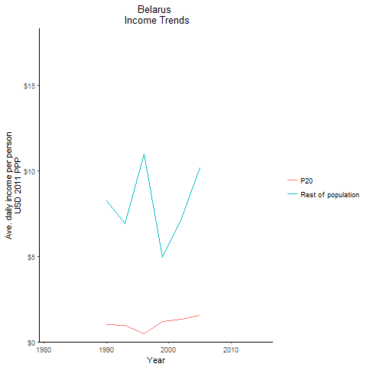
CountryName | P20 | Rest of population | Year
Belarus |  |  | 1981
Belarus |  |  | 1984
Belarus | 1.0126630481 | 8.2554533791 | 1990
Belarus |  |  | 1987
Belarus | 0.95048184179 | 6.9242309763 | 1993
Belarus | 0.48565925733 | 10.968282529 | 1996
Belarus | 1.1678814381 | 4.918587606 | 1999
Belarus | 1.3390887131 | 7.2017073026 | 2002
Belarus | 1.5428746481 | 10.175091462 | 2005
Belarus |  |  | 2008
Belarus |  |  | 2010
Belarus |  |  | 2011
Belarus | 2.0377855618 | 18.30266773 | 2012
Belarus |  |  | 2013
Belarus |  |  | 2015

Bulgaria
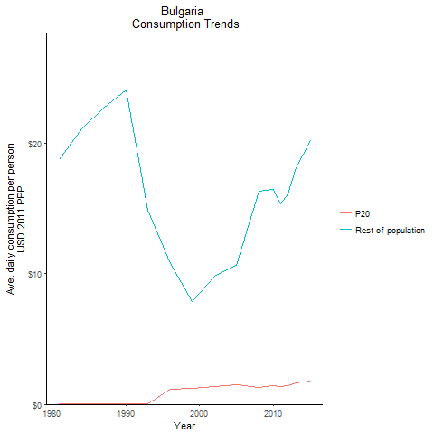
CountryName | P20 | Rest of population | Year
Bulgaria | 0.028534812194 | 18.754247501 | 1981
Bulgaria | 0.032545744254 | 21.076582201 | 1984
Bulgaria | 0.024175217582 | 24.071019221 | 1990
Bulgaria | 0.035236669875 | 22.653888591 | 1987
Bulgaria | 0.0097615892152 | 14.856815328 | 1993
Bulgaria | 1.1363047157 | 10.762186869 | 1996
Bulgaria | 1.2223923201 | 7.8543719853 | 1999
Bulgaria | 1.357499011 | 9.8031900231 | 2002
Bulgaria | 1.4990635442 | 10.631376785 | 2005
Bulgaria | 1.3175217596 | 16.344324413 | 2008
Bulgaria | 1.3988833532 | 16.488273513 | 2010
Bulgaria | 1.3537992582 | 15.380777137 | 2011
Bulgaria | 1.4097299777 | 16.134778717 | 2012
Bulgaria | 1.6414881549 | 18.09586308 | 2013
Bulgaria | 1.7858125747 | 20.190668194 | 2015

Croatia
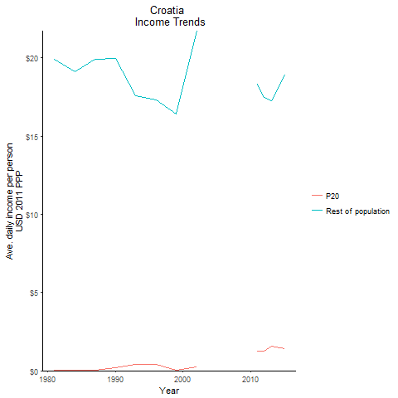
CountryName | P20 | Rest of population | Year
Croatia | 0.043226401847 | 19.901461689 | 1981
Croatia | 0.040021419728 | 19.085113673 | 1984
Croatia | 0.19817933219 | 19.932655587 | 1990
Croatia | 0.041694436834 | 19.905153727 | 1987
Croatia | 0.39547346051 | 17.544792018 | 1993
Croatia | 0.42329103111 | 17.326086268 | 1996
Croatia | 0.0078834510595 | 16.408570496 | 1999
Croatia | 0.21877815161 | 21.712963293 | 2002
Croatia |  |  | 2005
Croatia |  |  | 2008
Croatia |  |  | 2010
Croatia | 1.2493284677 | 18.319423286 | 2011
Croatia | 1.226592432 | 17.455341064 | 2012
Croatia | 1.5702658865 | 17.258107084 | 2013
Croatia | 1.4151834342 | 18.889073387 | 2015

Czech Republic
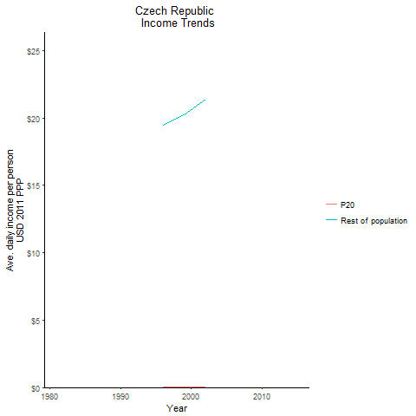
CountryName | P20 | Rest of population | Year
Czech Republic |  |  | 1981
Czech Republic |  |  | 1984
Czech Republic |  |  | 1990
Czech Republic |  |  | 1987
Czech Republic |  |  | 1993
Czech Republic | 0.011861467364 | 19.485614361 | 1996
Czech Republic | 0.012205974609 | 20.222291071 | 1999
Czech Republic | 0.012943941906 | 21.386603179 | 2002
Czech Republic |  |  | 2005
Czech Republic |  |  | 2008
Czech Republic |  |  | 2010
Czech Republic |  |  | 2011
Czech Republic | 2.0484241851 | 26.345560989 | 2012
Czech Republic |  |  | 2013
Czech Republic |  |  | 2015

Estonia
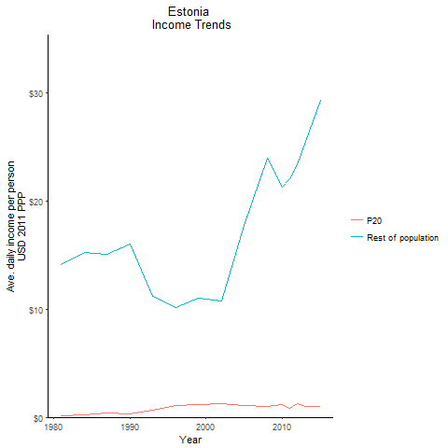
CountryName | P20 | Rest of population | Year
Estonia | 0.11276630795 | 14.116090161 | 1981
Estonia | 0.22632122942 | 15.214444336 | 1984
Estonia | 0.28828642326 | 15.995853727 | 1990
Estonia | 0.36116617742 | 15.079349587 | 1987
Estonia | 0.66921518028 | 11.150425248 | 1993
Estonia | 1.0697747773 | 10.13925367 | 1996
Estonia | 1.1978981813 | 10.977947094 | 1999
Estonia | 1.2423984188 | 10.755209588 | 2002
Estonia | 1.0625766158 | 17.724485427 | 2005
Estonia | 1.0332196559 | 23.97017411 | 2008
Estonia | 1.1387945684 | 21.317037003 | 2010
Estonia | 0.82893651178 | 22.098949876 | 2011
Estonia | 1.2784685879 | 23.365977681 | 2012
Estonia | 1.012483013 | 25.498555782 | 2013
Estonia | 0.96791188824 | 29.331455541 | 2015

Georgia
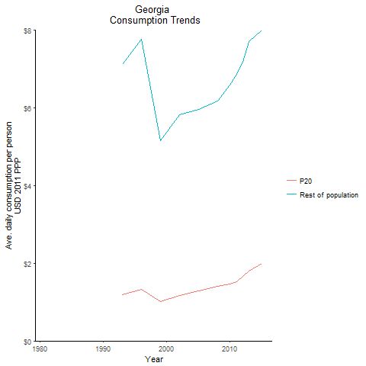
CountryName | P20 | Rest of population | Year
Georgia |  |  | 1981
Georgia |  |  | 1984
Georgia |  |  | 1990
Georgia |  |  | 1987
Georgia | 1.1998769309 | 7.124207494 | 1993
Georgia | 1.3255339695 | 7.7680139553 | 1996
Georgia | 1.0226389981 | 5.1656051832 | 1999
Georgia | 1.1626177478 | 5.8222286096 | 2002
Georgia | 1.2917662203 | 5.9682559293 | 2005
Georgia | 1.4023098367 | 6.1846392608 | 2008
Georgia | 1.4671723255 | 6.5983292812 | 2010
Georgia | 1.5339755914 | 6.8740066484 | 2011
Georgia | 1.6626599994 | 7.1835909878 | 2012
Georgia | 1.8034029098 | 7.7172234378 | 2013
Georgia | 1.9959531853 | 8.0079215529 | 2015

Hungary
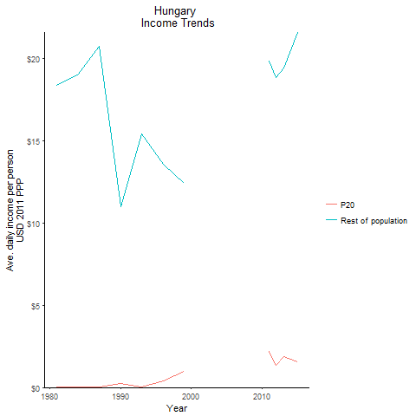
CountryName | P20 | Rest of population | Year
Hungary | 0.024308935894 | 18.342449844 | 1981
Hungary | 0.026829464606 | 19.058560234 | 1984
Hungary | 0.23672196897 | 11.004521214 | 1990
Hungary | 0.029311482101 | 20.713879809 | 1987
Hungary | 0.011253417096 | 15.390775756 | 1993
Hungary | 0.41302159771 | 13.576945061 | 1996
Hungary | 0.97669334676 | 12.422226435 | 1999
Hungary |  |  | 2002
Hungary |  |  | 2005
Hungary |  |  | 2008
Hungary |  |  | 2010
Hungary | 2.1768846364 | 19.84785226 | 2011
Hungary | 1.3520530484 | 18.8244595 | 2012
Hungary | 1.8741824736 | 19.438525878 | 2013
Hungary | 1.536761284 | 21.591055796 | 2015

Kazakhstan
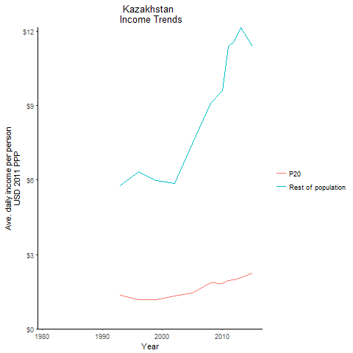
CountryName | P20 | Rest of population | Year
Kazakhstan |  |  | 1981
Kazakhstan |  |  | 1984
Kazakhstan |  |  | 1990
Kazakhstan |  |  | 1987
Kazakhstan | 1.3439781468 | 5.7761082734 | 1993
Kazakhstan | 1.1646672026 | 6.334488273 | 1996
Kazakhstan | 1.1696578252 | 5.9745325725 | 1999
Kazakhstan | 1.3177962413 | 5.8500769823 | 2002
Kazakhstan | 1.4339481778 | 7.4711333735 | 2005
Kazakhstan | 1.8723591696 | 9.1108958025 | 2008
Kazakhstan | 1.8245921689 | 9.5940963069 | 2010
Kazakhstan | 1.9595950842 | 11.37870913 | 2011
Kazakhstan | 1.9666437398 | 11.596945187 | 2012
Kazakhstan | 2.0626772488 | 12.161540442 | 2013
Kazakhstan | 2.240871733 | 11.369698898 | 2015

Kyrgyz Republic
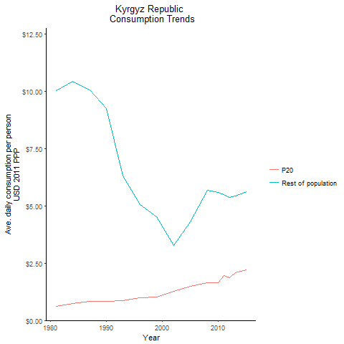
CountryName | P20 | Rest of population | Year
Kyrgyz Republic | 0.61782248564 | 10.026750638 | 1981
Kyrgyz Republic | 0.75317757386 | 10.441652532 | 1984
Kyrgyz Republic | 0.83706523621 | 9.2526115173 | 1990
Kyrgyz Republic | 0.83769700058 | 10.066118388 | 1987
Kyrgyz Republic | 0.86651946272 | 6.3136684408 | 1993
Kyrgyz Republic | 0.97376576323 | 5.0441153161 | 1996
Kyrgyz Republic | 1.0335770638 | 4.50771966 | 1999
Kyrgyz Republic | 1.2748032569 | 3.2698074681 | 2002
Kyrgyz Republic | 1.5025619562 | 4.3058562578 | 2005
Kyrgyz Republic | 1.651606579 | 5.6798170811 | 2008
Kyrgyz Republic | 1.6316170535 | 5.5688775776 | 2010
Kyrgyz Republic | 1.957327323 | 5.4748633558 | 2011
Kyrgyz Republic | 1.8604043341 | 5.3662141227 | 2012
Kyrgyz Republic | 2.0769321074 | 5.4404131106 | 2013
Kyrgyz Republic | 2.2007014329 | 5.6036885962 | 2015

Latvia
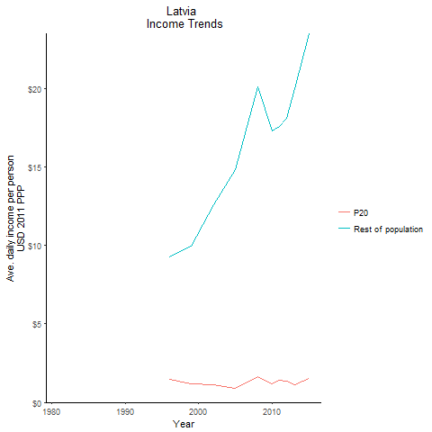
CountryName | P20 | Rest of population | Year
Latvia |  |  | 1981
Latvia |  |  | 1984
Latvia |  |  | 1990
Latvia |  |  | 1987
Latvia |  |  | 1993
Latvia | 1.4753483157 | 9.2667066467 | 1996
Latvia | 1.1585187533 | 9.9757779233 | 1999
Latvia | 1.1372635508 | 12.588466127 | 2002
Latvia | 0.89440996305 | 14.818241903 | 2005
Latvia | 1.6381885481 | 20.098429114 | 2008
Latvia | 1.2064220291 | 17.305237565 | 2010
Latvia | 1.3918726561 | 17.594079565 | 2011
Latvia | 1.3688079974 | 18.076112257 | 2012
Latvia | 1.1530756509 | 20.005201631 | 2013
Latvia | 1.5548822578 | 23.505131675 | 2015

Lithuania
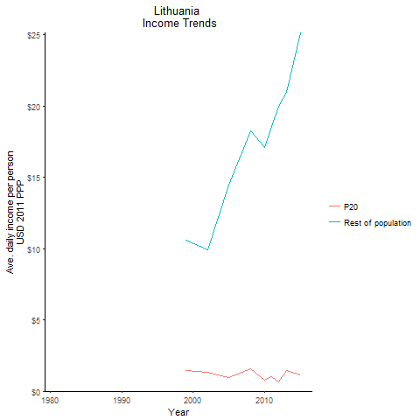
CountryName | P20 | Rest of population | Year
Lithuania |  |  | 1981
Lithuania |  |  | 1984
Lithuania |  |  | 1990
Lithuania |  |  | 1987
Lithuania |  |  | 1993
Lithuania |  |  | 1996
Lithuania | 1.4193440636 | 10.586620998 | 1999
Lithuania | 1.3208417763 | 9.9176475759 | 2002
Lithuania | 0.931167284 | 14.493364993 | 2005
Lithuania | 1.5950576144 | 18.277077673 | 2008
Lithuania | 0.78827226976 | 17.102149056 | 2010
Lithuania | 0.99579080289 | 18.559070334 | 2011
Lithuania | 0.62555327663 | 19.995864204 | 2012
Lithuania | 1.4795510398 | 20.97979517 | 2013
Lithuania | 1.1547250932 | 25.162590299 | 2015

Poland
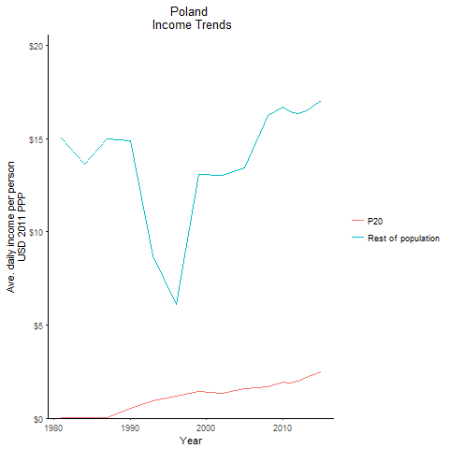
CountryName | P20 | Rest of population | Year
Poland | 0.012172857412 | 15.031573245 | 1981
Poland | 0.011650635008 | 13.623106313 | 1984
Poland | 0.54794707123 | 14.882191835 | 1990
Poland | 0.017042500794 | 14.996658888 | 1987
Poland | 0.94159998781 | 8.7022932719 | 1993
Poland | 1.1800141083 | 6.1131490548 | 1996
Poland | 1.4345087215 | 13.110770762 | 1999
Poland | 1.3577341136 | 13.02821981 | 2002
Poland | 1.5776828537 | 13.442131433 | 2005
Poland | 1.6917819336 | 16.271694715 | 2008
Poland | 1.9516270151 | 16.682831186 | 2010
Poland | 1.8931281622 | 16.445006842 | 2011
Poland | 1.9676190346 | 16.349242774 | 2012
Poland | 2.1795440451 | 16.517541952 | 2013
Poland | 2.4724502645 | 17.071694828 | 2015

Romania
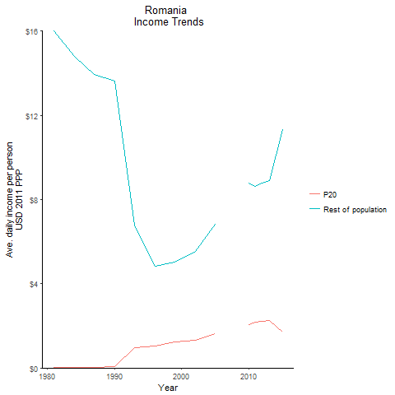
CountryName | P20 | Rest of population | Year
Romania | 0.0062706612199 | 16.0172921 | 1981
Romania | 0.0063722913812 | 14.79545644 | 1984
Romania | 0.06694989208 | 13.634666136 | 1990
Romania | 0.0062390757536 | 13.927813969 | 1987
Romania | 0.97169095374 | 6.7827483407 | 1993
Romania | 1.0450375181 | 4.8356733128 | 1996
Romania | 1.2435026948 | 5.0130735024 | 1999
Romania | 1.30307158 | 5.5353020011 | 2002
Romania | 1.6404488458 | 6.8378665595 | 2005
Romania |  |  | 2008
Romania | 2.0498331331 | 8.7847409712 | 2010
Romania | 2.1596466618 | 8.6093055357 | 2011
Romania | 2.2027971651 | 8.7942389861 | 2012
Romania | 2.2577251151 | 8.8964349455 | 2013
Romania | 1.7211116735 | 11.320293766 | 2015

Russian Federation
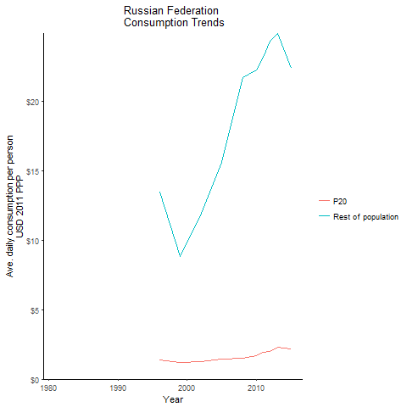
CountryName | P20 | Rest of population | Year
Russian Federation |  |  | 1981
Russian Federation |  |  | 1984
Russian Federation |  |  | 1990
Russian Federation |  |  | 1987
Russian Federation |  |  | 1993
Russian Federation | 1.3914672394 | 13.469589493 | 1996
Russian Federation | 1.1955866378 | 8.8375562855 | 1999
Russian Federation | 1.2794681777 | 11.929266741 | 2002
Russian Federation | 1.4506085325 | 15.603146629 | 2005
Russian Federation | 1.492120982 | 21.717295761 | 2008
Russian Federation | 1.6801458098 | 22.286360477 | 2010
Russian Federation | 1.9154357635 | 23.152586686 | 2011
Russian Federation | 2.007011022 | 24.358963351 | 2012
Russian Federation | 2.2948019437 | 24.882369032 | 2013
Russian Federation | 2.184471198 | 22.38495898 | 2015

Slovak Republic
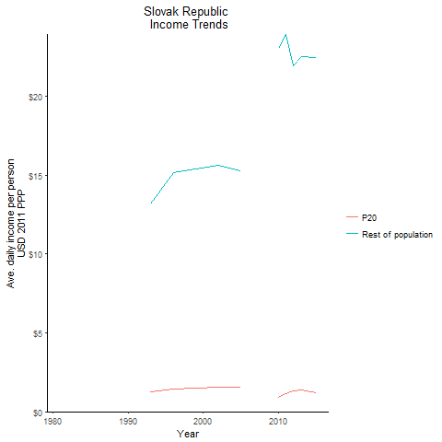
CountryName | P20 | Rest of population | Year
Slovak Republic |  |  | 1981
Slovak Republic |  |  | 1984
Slovak Republic |  |  | 1990
Slovak Republic |  |  | 1987
Slovak Republic | 1.2901336192 | 13.160946724 | 1993
Slovak Republic | 1.4608263054 | 15.132088371 | 1996
Slovak Republic | 1.4822151737 | 15.372670858 | 1999
Slovak Republic | 1.5451574903 | 15.641370515 | 2002
Slovak Republic | 1.5458822958 | 15.252417028 | 2005
Slovak Republic |  |  | 2008
Slovak Republic | 0.93646695195 | 23.055300586 | 2010
Slovak Republic | 1.1567875997 | 23.919055125 | 2011
Slovak Republic | 1.3436418637 | 21.941761308 | 2012
Slovak Republic | 1.3689475171 | 22.515539921 | 2013
Slovak Republic | 1.2231504314 | 22.477696942 | 2015

Turkey
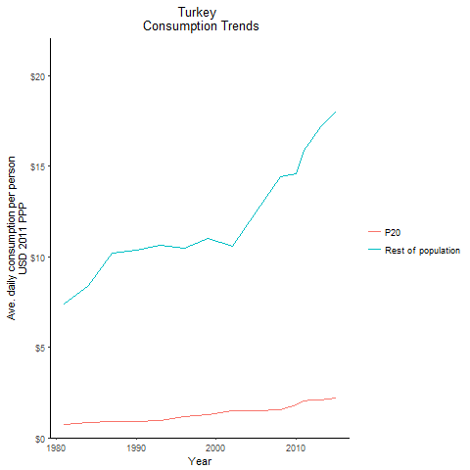
CountryName | P20 | Rest of population | Year
Turkey | 0.72416258755 | 7.3784085354 | 1981
Turkey | 0.86036761959 | 8.4324920969 | 1984
Turkey | 0.92130921665 | 10.385212261 | 1990
Turkey | 0.90574455043 | 10.226709804 | 1987
Turkey | 0.97378043123 | 10.638725091 | 1993
Turkey | 1.1886418251 | 10.485400071 | 1996
Turkey | 1.2831069901 | 10.995452815 | 1999
Turkey | 1.5087853305 | 10.555535742 | 2002
Turkey | 1.5164360615 | 12.452817991 | 2005
Turkey | 1.5548202979 | 14.411757973 | 2008
Turkey | 1.8100965789 | 14.565980184 | 2010
Turkey | 2.0182780366 | 15.896669446 | 2011
Turkey | 2.0676678275 | 16.501765086 | 2012
Turkey | 2.0895833419 | 17.193930646 | 2013
Turkey | 2.2019025419 | 18.023804194 | 2015

Ukraine
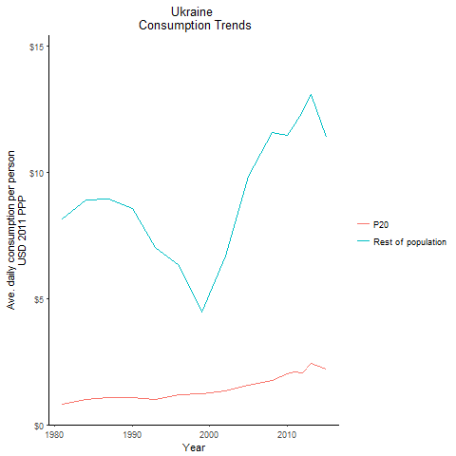
CountryName | P20 | Rest of population | Year
Ukraine | 0.81473486013 | 8.1599291323 | 1981
Ukraine | 1.0082933369 | 8.8912693102 | 1984
Ukraine | 1.0794892678 | 8.5534611415 | 1990
Ukraine | 1.0921788098 | 8.9631286946 | 1987
Ukraine | 1.012512253 | 7.0325808977 | 1993
Ukraine | 1.17751042 | 6.3041380654 | 1996
Ukraine | 1.2279588728 | 4.4763519797 | 1999
Ukraine | 1.3413830685 | 6.6706506732 | 2002
Ukraine | 1.5792271337 | 9.862360801 | 2005
Ukraine | 1.7659356126 | 11.594376369 | 2008
Ukraine | 2.0290199293 | 11.455379897 | 2010
Ukraine | 2.0814704753 | 11.905200551 | 2011
Ukraine | 2.0429588965 | 12.410588694 | 2012
Ukraine | 2.4493083824 | 13.103770596 | 2013
Ukraine | 2.2168573912 | 11.37276857 | 2015

Uzbekistan
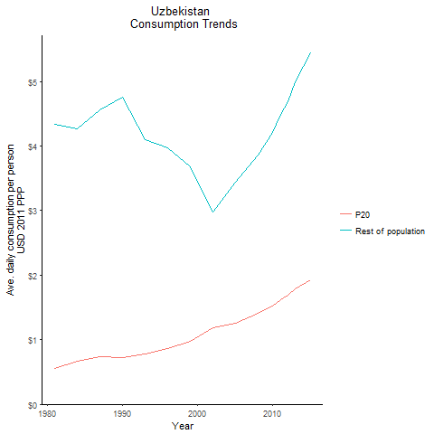
CountryName | P20 | Rest of population | Year
Uzbekistan | 0.55071305387 | 4.3308662673 | 1981
Uzbekistan | 0.66974247582 | 4.2625903522 | 1984
Uzbekistan | 0.72516291667 | 4.7606409401 | 1990
Uzbekistan | 0.74323509786 | 4.5648787423 | 1987
Uzbekistan | 0.77557690916 | 4.1052439595 | 1993
Uzbekistan | 0.85938096966 | 3.9749459056 | 1996
Uzbekistan | 0.96998948729 | 3.6756491738 | 1999
Uzbekistan | 1.184829662 | 2.9847354892 | 2002
Uzbekistan | 1.258047214 | 3.4365577903 | 2005
Uzbekistan | 1.4048352439 | 3.8670086265 | 2008
Uzbekistan | 1.5190923077 | 4.2143378282 | 2010
Uzbekistan | 1.6215661704 | 4.4852209469 | 2011
Uzbekistan | 1.6857196035 | 4.6927688957 | 2012
Uzbekistan | 1.7925060956 | 4.9899349477 | 2013
Uzbekistan | 1.9240984682 | 5.4380915869 | 2015

Bosnia and Herzegovina
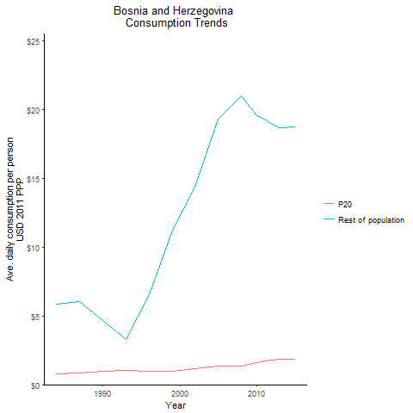
CountryName | P20 | Rest of population | Year
Bosnia and Herzegovina | 0.81396070791 | 5.8407670527 | 1984
Bosnia and Herzegovina | 0.95220004375 | 4.6454429577 | 1990
Bosnia and Herzegovina | 0.85354753449 | 6.0540382152 | 1987
Bosnia and Herzegovina | 1.0604488233 | 3.3008687714 | 1993
Bosnia and Herzegovina | 0.97338869107 | 6.5662433291 | 1996
Bosnia and Herzegovina | 0.98441195887 | 11.204809743 | 1999
Bosnia and Herzegovina | 1.1818728057 | 14.350969274 | 2002
Bosnia and Herzegovina | 1.3223307183 | 19.263621486 | 2005
Bosnia and Herzegovina | 1.3419373581 | 20.98961323 | 2008
Bosnia and Herzegovina | 1.5838822375 | 19.524359613 | 2010
Bosnia and Herzegovina | 1.7150930476 | 19.282264689 | 2011
Bosnia and Herzegovina | 1.7952115373 | 18.903619632 | 2012
Bosnia and Herzegovina | 1.8396572158 | 18.659860272 | 2013
Bosnia and Herzegovina | 1.8782043417 | 18.722686769 | 2015

Macedonia, former Yugoslav Rep
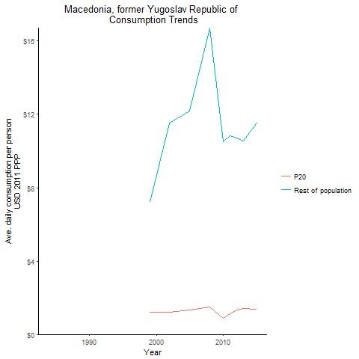
CountryName | P20 | Rest of population | Year
Macedonia, former Yugoslav Republic of |  |  | 1984
Macedonia, former Yugoslav Republic of |  |  | 1990
Macedonia, former Yugoslav Republic of |  |  | 1987
Macedonia, former Yugoslav Republic of |  |  | 1993
Macedonia, former Yugoslav Republic of |  |  | 1996
Macedonia, former Yugoslav Republic of | 1.212172867 | 7.1959108917 | 1999
Macedonia, former Yugoslav Republic of | 1.1891682759 | 11.514862048 | 2002
Macedonia, former Yugoslav Republic of | 1.3419384837 | 12.171906278 | 2005
Macedonia, former Yugoslav Republic of | 1.498326074 | 16.720066724 | 2008
Macedonia, former Yugoslav Republic of | 0.87947334874 | 10.52194568 | 2010
Macedonia, former Yugoslav Republic of | 1.1243943168 | 10.834812632 | 2011
Macedonia, former Yugoslav Republic of | 1.3174279531 | 10.714363702 | 2012
Macedonia, former Yugoslav Republic of | 1.4262896932 | 10.570403463 | 2013
Macedonia, former Yugoslav Republic of | 1.3645071099 | 11.515117694 | 2015

Moldova
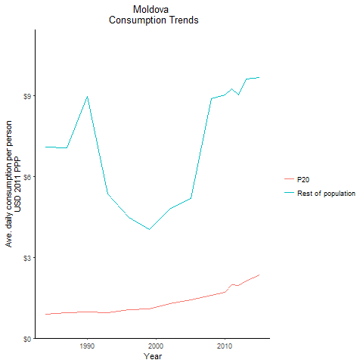
CountryName | P20 | Rest of population | Year
Moldova | 0.88014438022 | 7.1018401914 | 1984
Moldova | 0.96520373256 | 8.9691090947 | 1990
Moldova | 0.93198063104 | 7.056382427 | 1987
Moldova | 0.94968092235 | 5.341697533 | 1993
Moldova | 1.0599433586 | 4.468805476 | 1996
Moldova | 1.0920470828 | 4.0335457492 | 1999
Moldova | 1.2896149046 | 4.7909477019 | 2002
Moldova | 1.422633342 | 5.1718687795 | 2005
Moldova | 1.5870561052 | 8.8809370602 | 2008
Moldova | 1.7153360898 | 9.0236458147 | 2010
Moldova | 1.9758783713 | 9.2604907828 | 2011
Moldova | 1.9670459547 | 9.0305999331 | 2012
Moldova | 2.1151310396 | 9.6236617591 | 2013
Moldova | 2.3585686856 | 9.6911325537 | 2015

Montenegro
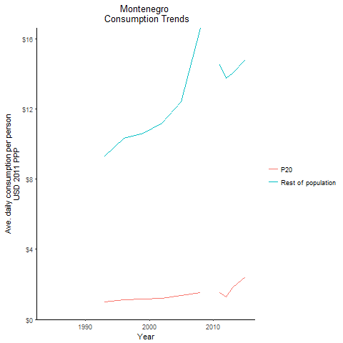
CountryName | P20 | Rest of population | Year
Montenegro |  |  | 1984
Montenegro |  |  | 1990
Montenegro |  |  | 1987
Montenegro | 1.0155645666 | 9.2997291315 | 1993
Montenegro | 1.1288583446 | 10.337183646 | 1996
Montenegro | 1.1598630408 | 10.621099424 | 1999
Montenegro | 1.2242122132 | 11.210357591 | 2002
Montenegro | 1.355108331 | 12.408999258 | 2005
Montenegro | 1.5204910752 | 16.607822116 | 2008
Montenegro |  |  | 2010
Montenegro | 1.5273181936 | 14.525870743 | 2011
Montenegro | 1.2829958046 | 13.769832795 | 2012
Montenegro | 1.8118553481 | 14.045130932 | 2013
Montenegro | 2.4155515505 | 14.82954166 | 2015

Serbia
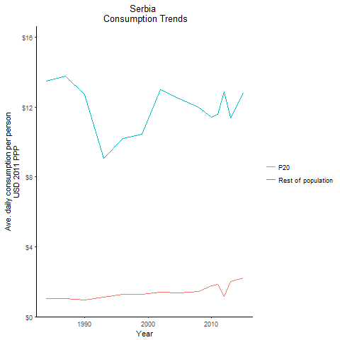
CountryName | P20 | Rest of population | Year
Serbia | 1.0230352739 | 13.484276364 | 1984
Serbia | 0.96718639407 | 12.748151979 | 1990
Serbia | 1.0462339997 | 13.790049895 | 1987
Serbia | 1.1352659973 | 9.0821567678 | 1993
Serbia | 1.269723582 | 10.214060862 | 1996
Serbia | 1.3002288006 | 10.459453317 | 1999
Serbia | 1.3913171877 | 12.996198957 | 2002
Serbia | 1.3601595214 | 12.494745931 | 2005
Serbia | 1.4393942117 | 11.978067397 | 2008
Serbia | 1.7863855112 | 11.429077667 | 2010
Serbia | 1.8519602811 | 11.597475151 | 2011
Serbia | 1.1752307208 | 12.906005612 | 2012
Serbia | 2.0247941323 | 11.375977628 | 2013
Serbia | 2.2005388022 | 12.798778675 | 2015

Slovenia
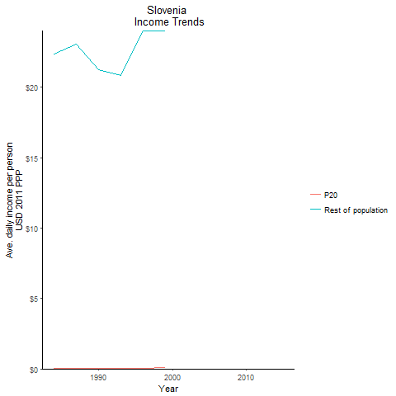
CountryName | P20 | Rest of population | Year
Slovenia | 0.050984291782 | 22.354941573 | 1984
Slovenia | 0.045359858312 | 21.236859461 | 1990
Slovenia | 0.050692601967 | 23.062393645 | 1987
Slovenia | 0.043825597156 | 20.821484741 | 1993
Slovenia | 0.050840149497 | 23.976393774 | 1996
Slovenia | 0.074090833769 | 24.008811844 | 1999
Slovenia |  |  | 2002
Slovenia |  |  | 2005
Slovenia |  |  | 2008
Slovenia |  |  | 2010
Slovenia |  |  | 2011
Slovenia |  |  | 2012
Slovenia |  |  | 2013
Slovenia |  |  | 2015

Tajikistan
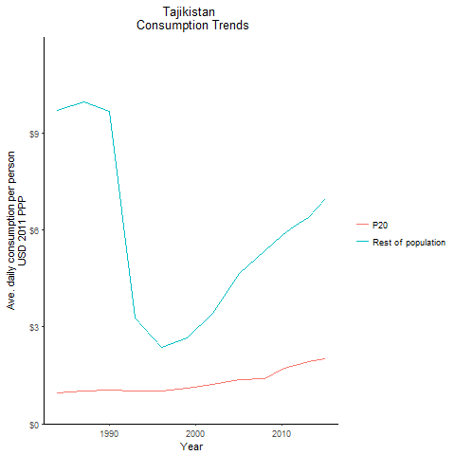
CountryName | P20 | Rest of population | Year
Tajikistan | 0.94704194088 | 9.7054282155 | 1984
Tajikistan | 1.0325421172 | 9.6861155119 | 1990
Tajikistan | 1.0058696828 | 9.9740817579 | 1987
Tajikistan | 1.0186585366 | 3.2771663053 | 1993
Tajikistan | 1.0155623548 | 2.3620514289 | 1996
Tajikistan | 1.0931748156 | 2.6465967041 | 1999
Tajikistan | 1.2262098355 | 3.4124765752 | 2002
Tajikistan | 1.3642822891 | 4.6429622386 | 2005
Tajikistan | 1.393217959 | 5.3476713903 | 2008
Tajikistan | 1.6868492798 | 5.8348593304 | 2010
Tajikistan | 1.7809212488 | 6.0348519286 | 2011
Tajikistan | 1.8362257455 | 6.207065706 | 2012
Tajikistan | 1.9115244599 | 6.3946881487 | 2013
Tajikistan | 2.017067499 | 6.9637881328 | 2015

Turkmenistan
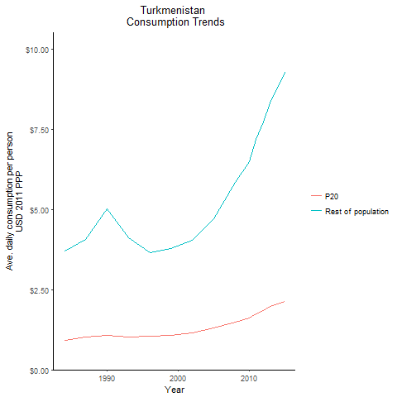
CountryName | P20 | Rest of population | Year
Turkmenistan | 0.91903245205 | 3.6964433326 | 1984
Turkmenistan | 1.0778872428 | 5.0186810878 | 1990
Turkmenistan | 1.0102382407 | 4.0636742357 | 1987
Turkmenistan | 1.0341418224 | 4.1201261417 | 1993
Turkmenistan | 1.0460999761 | 3.6538408141 | 1996
Turkmenistan | 1.0749941519 | 3.7960977362 | 1999
Turkmenistan | 1.1457986371 | 4.0502258391 | 2002
Turkmenistan | 1.2998566988 | 4.7040612336 | 2005
Turkmenistan | 1.4943011345 | 5.8644071438 | 2008
Turkmenistan | 1.620614444 | 6.4886105324 | 2010
Turkmenistan | 1.7588100536 | 7.2021033168 | 2011
Turkmenistan | 1.8456972666 | 7.7417852261 | 2012
Turkmenistan | 1.9712329383 | 8.3358556602 | 2013
Turkmenistan | 2.1297057444 | 9.2903508831 | 2015

Kosovo
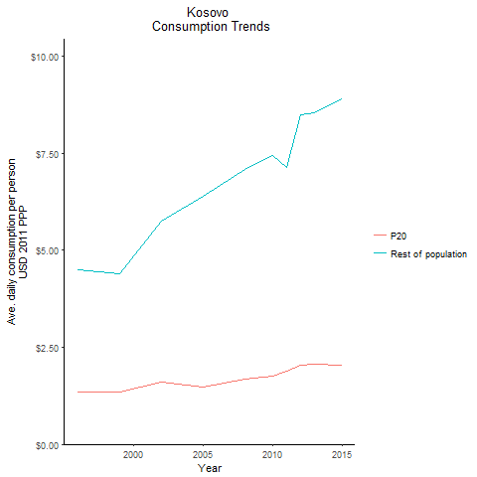
CountryName | P20 | Rest of population | Year
Kosovo | 1.3504615934 | 4.4920553259 | 1996
Kosovo | 1.3440490944 | 4.3906472026 | 1999
Kosovo | 1.593704158 | 5.7618288961 | 2002
Kosovo | 1.4827277231 | 6.3805523068 | 2005
Kosovo | 1.6899038443 | 7.0748185822 | 2008
Kosovo | 1.7601601686 | 7.4471511801 | 2010
Kosovo | 1.8916913657 | 7.1423593345 | 2011
Kosovo | 2.0453000886 | 8.5028756478 | 2012
Kosovo | 2.0573314884 | 8.5467963094 | 2013
Kosovo | 2.0449048381 | 8.8970678465 | 2015

