Algeria
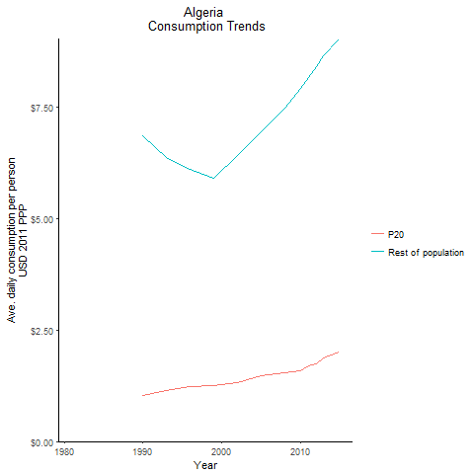
CountryName | P20 | Rest of population | Year
Algeria |  |  | 1981
Algeria |  |  | 1984
Algeria | 1.0230635813 | 6.8645034793 | 1990
Algeria |  |  | 1987
Algeria | 1.1402026764 | 6.379320149 | 1993
Algeria | 1.2374467427 | 6.1104667008 | 1996
Algeria | 1.2461509185 | 5.9135361966 | 1999
Algeria | 1.313962718 | 6.4262396328 | 2002
Algeria | 1.465042686 | 6.955590239 | 2005
Algeria | 1.5374907155 | 7.4872416498 | 2008
Algeria | 1.5975662366 | 7.9328604186 | 2010
Algeria | 1.6900856377 | 8.1736575069 | 2011
Algeria | 1.7450086523 | 8.4055593359 | 2012
Algeria | 1.8798915152 | 8.6561232191 | 2013
Algeria | 2.0141895737 | 9.0305455949 | 2015

Egypt, Arab Republic of
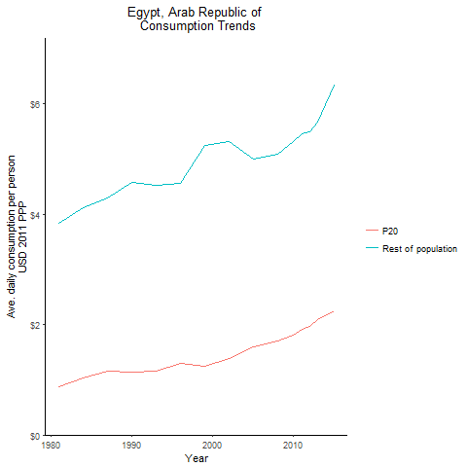
CountryName | P20 | Rest of population | Year
Egypt, Arab Republic of | 0.8709889737 | 3.8413972467 | 1981
Egypt, Arab Republic of | 1.0393537459 | 4.1141366764 | 1984
Egypt, Arab Republic of | 1.1306193107 | 4.5765024625 | 1990
Egypt, Arab Republic of | 1.1495822956 | 4.289065362 | 1987
Egypt, Arab Republic of | 1.1611240535 | 4.518412179 | 1993
Egypt, Arab Republic of | 1.2899806555 | 4.5524485868 | 1996
Egypt, Arab Republic of | 1.2446542976 | 5.2392390495 | 1999
Egypt, Arab Republic of | 1.3930360439 | 5.3173268446 | 2002
Egypt, Arab Republic of | 1.5895878541 | 5.0039204551 | 2005
Egypt, Arab Republic of | 1.6959172175 | 5.0766381132 | 2008
Egypt, Arab Republic of | 1.8117569197 | 5.3141373887 | 2010
Egypt, Arab Republic of | 1.9165575167 | 5.4468049231 | 2011
Egypt, Arab Republic of | 1.9667818437 | 5.4988234836 | 2012
Egypt, Arab Republic of | 2.0869470528 | 5.6685339005 | 2013
Egypt, Arab Republic of | 2.2419131323 | 6.3368786304 | 2015

Iran, Islamic Republic of
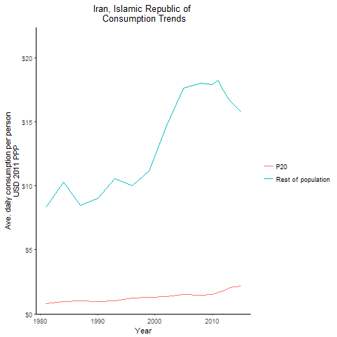
CountryName | P20 | Rest of population | Year
Iran, Islamic Republic of | 0.81756393358 | 8.3038733806 | 1981
Iran, Islamic Republic of | 0.95671504 | 10.308246393 | 1984
Iran, Islamic Republic of | 0.96545776156 | 9.0581492037 | 1990
Iran, Islamic Republic of | 1.0367434694 | 8.4994164223 | 1987
Iran, Islamic Republic of | 1.0251118008 | 10.551803317 | 1993
Iran, Islamic Republic of | 1.2625343137 | 10.009039411 | 1996
Iran, Islamic Republic of | 1.3002333956 | 11.184736421 | 1999
Iran, Islamic Republic of | 1.3497113536 | 14.725418389 | 2002
Iran, Islamic Republic of | 1.5110679913 | 17.647962745 | 2005
Iran, Islamic Republic of | 1.4662299961 | 18.054525294 | 2008
Iran, Islamic Republic of | 1.5359125445 | 17.921102568 | 2010
Iran, Islamic Republic of | 1.671128597 | 18.250997426 | 2011
Iran, Islamic Republic of | 1.7653832701 | 17.404578198 | 2012
Iran, Islamic Republic of | 2.0633719208 | 16.650822687 | 2013
Iran, Islamic Republic of | 2.1640568169 | 15.801351741 | 2015

Iraq
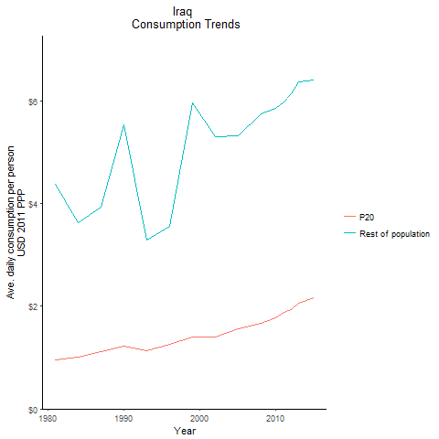
CountryName | P20 | Rest of population | Year
Iraq | 0.95503317854 | 4.3770130319 | 1981
Iraq | 1.0111235429 | 3.6257571976 | 1984
Iraq | 1.2225445054 | 5.5323179954 | 1990
Iraq | 1.1137029112 | 3.9322470528 | 1987
Iraq | 1.1283746158 | 3.2868405709 | 1993
Iraq | 1.2657228589 | 3.5613462506 | 1996
Iraq | 1.3921641437 | 5.952126887 | 1999
Iraq | 1.3955093304 | 5.3049632039 | 2002
Iraq | 1.5565496994 | 5.3163153038 | 2005
Iraq | 1.6739650294 | 5.7360099431 | 2008
Iraq | 1.7740963407 | 5.8459087509 | 2010
Iraq | 1.8838955971 | 5.965868951 | 2011
Iraq | 1.939895871 | 6.1393533508 | 2012
Iraq | 2.0612918223 | 6.3668417091 | 2013
Iraq | 2.1702001505 | 6.3931384378 | 2015

Jordan
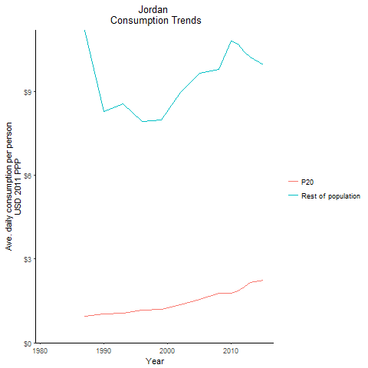
CountryName | P20 | Rest of population | Year
Jordan |  |  | 1981
Jordan |  |  | 1984
Jordan | 1.0447739273 | 8.293302993 | 1990
Jordan | 0.95453203377 | 11.199421359 | 1987
Jordan | 1.0625278076 | 8.5640298564 | 1993
Jordan | 1.1674796212 | 7.9236224886 | 1996
Jordan | 1.209793174 | 7.9860900946 | 1999
Jordan | 1.3656109613 | 8.9731767955 | 2002
Jordan | 1.5620508589 | 9.6563961279 | 2005
Jordan | 1.7765068108 | 9.7887203751 | 2008
Jordan | 1.7796796213 | 10.825581638 | 2010
Jordan | 1.8650243628 | 10.708978814 | 2011
Jordan | 1.9843471526 | 10.435284494 | 2012
Jordan | 2.1553222443 | 10.230436347 | 2013
Jordan | 2.2342378881 | 9.9554425472 | 2015

Morocco
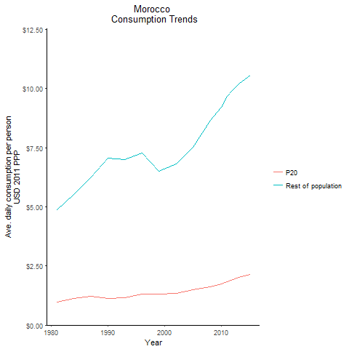
CountryName | P20 | Rest of population | Year
Morocco | 0.98130857208 | 4.8854961364 | 1981
Morocco | 1.1307809126 | 5.5308115557 | 1984
Morocco | 1.1200644836 | 7.0702315241 | 1990
Morocco | 1.2192069624 | 6.2491491607 | 1987
Morocco | 1.1636319044 | 6.9846546859 | 1993
Morocco | 1.3072174603 | 7.2801780537 | 1996
Morocco | 1.3060934399 | 6.5153547674 | 1999
Morocco | 1.3270598101 | 6.8240534535 | 2002
Morocco | 1.5009269246 | 7.5099519252 | 2005
Morocco | 1.6267821693 | 8.6640495255 | 2008
Morocco | 1.7284140799 | 9.2185640366 | 2010
Morocco | 1.8425842852 | 9.665752792 | 2011
Morocco | 1.9115645945 | 9.965866779 | 2012
Morocco | 2.021761832 | 10.192576655 | 2013
Morocco | 2.1467678365 | 10.555656253 | 2015

Syrian Arab Republic
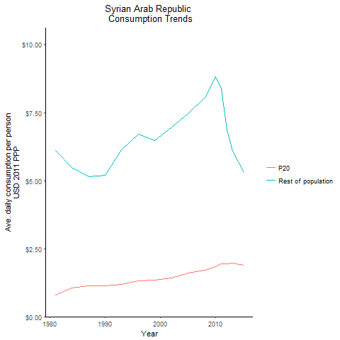
CountryName | P20 | Rest of population | Year
Syrian Arab Republic | 0.80541681153 | 6.1031166434 | 1981
Syrian Arab Republic | 1.0457768578 | 5.4788468963 | 1984
Syrian Arab Republic | 1.1253866979 | 5.2066165484 | 1990
Syrian Arab Republic | 1.133776288 | 5.141598208 | 1987
Syrian Arab Republic | 1.1891836136 | 6.1250271675 | 1993
Syrian Arab Republic | 1.3091941231 | 6.6970318305 | 1996
Syrian Arab Republic | 1.3340564123 | 6.4601438475 | 1999
Syrian Arab Republic | 1.4213796057 | 6.9563819288 | 2002
Syrian Arab Republic | 1.5956122167 | 7.4503179311 | 2005
Syrian Arab Republic | 1.7186552588 | 8.0694435395 | 2008
Syrian Arab Republic | 1.8334063086 | 8.8243398876 | 2010
Syrian Arab Republic | 1.9542543783 | 8.3727881763 | 2011
Syrian Arab Republic | 1.9536313943 | 6.8538493226 | 2012
Syrian Arab Republic | 1.9762068865 | 6.07745732 | 2013
Syrian Arab Republic | 1.8933239803 | 5.2885325566 | 2015

Tunisia
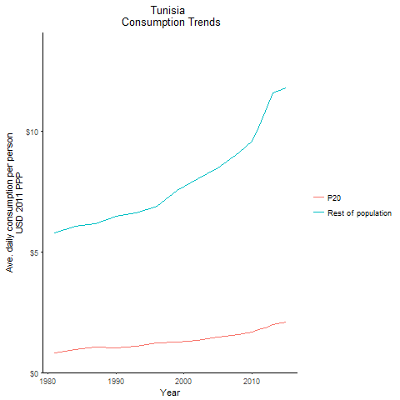
CountryName | P20 | Rest of population | Year
Tunisia | 0.82239316344 | 5.7878314434 | 1981
Tunisia | 0.96791899348 | 6.0721532306 | 1984
Tunisia | 1.0132614617 | 6.4857884139 | 1990
Tunisia | 1.0454501836 | 6.1683289612 | 1987
Tunisia | 1.0898309969 | 6.5968172359 | 1993
Tunisia | 1.2312671959 | 6.8849919001 | 1996
Tunisia | 1.2671317349 | 7.5493893853 | 1999
Tunisia | 1.3397704736 | 8.0181857313 | 2002
Tunisia | 1.4802667237 | 8.4811375781 | 2005
Tunisia | 1.5762216 | 9.1075359643 | 2008
Tunisia | 1.6725415766 | 9.5915765033 | 2010
Tunisia | 1.7872382704 | 10.181567567 | 2011
Tunisia | 1.8558358977 | 10.821159579 | 2012
Tunisia | 1.9769306021 | 11.574677624 | 2013
Tunisia | 2.0866764817 | 11.799978382 | 2015

Yemen, Republic of
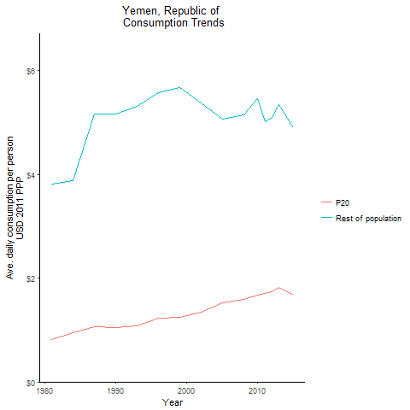
CountryName | P20 | Rest of population | Year
Yemen, Republic of | 0.81944992717 | 3.8179313318 | 1981
Yemen, Republic of | 0.94570598058 | 3.8873015177 | 1984
Yemen, Republic of | 1.0516616889 | 5.1617141509 | 1990
Yemen, Republic of | 1.0578452686 | 5.1705749194 | 1987
Yemen, Republic of | 1.0888495658 | 5.3141363366 | 1993
Yemen, Republic of | 1.2223088816 | 5.5775194975 | 1996
Yemen, Republic of | 1.2378664778 | 5.6801282727 | 1999
Yemen, Republic of | 1.3419446467 | 5.383970884 | 2002
Yemen, Republic of | 1.5216357558 | 5.0753835511 | 2005
Yemen, Republic of | 1.5867363474 | 5.1542750592 | 2008
Yemen, Republic of | 1.67970571 | 5.4649673154 | 2010
Yemen, Republic of | 1.7028005969 | 5.0184109063 | 2011
Yemen, Republic of | 1.7386375355 | 5.101964663 | 2012
Yemen, Republic of | 1.8255189805 | 5.3547093426 | 2013
Yemen, Republic of | 1.6728518192 | 4.910367225 | 2015

Djibouti
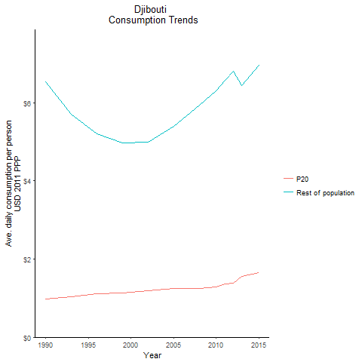
CountryName | P20 | Rest of population | Year
Djibouti | 0.98028813298 | 6.5402852946 | 1990
Djibouti | 1.0269706608 | 5.6974788214 | 1993
Djibouti | 1.1167069688 | 5.2081730791 | 1996
Djibouti | 1.135836802 | 4.9656972309 | 1999
Djibouti | 1.1924339652 | 4.9911346513 | 2002
Djibouti | 1.2398063664 | 5.4013830738 | 2005
Djibouti | 1.2504618163 | 5.9411930217 | 2008
Djibouti | 1.2847638886 | 6.2996851041 | 2010
Djibouti | 1.3624438644 | 6.5806019806 | 2011
Djibouti | 1.3847203239 | 6.8002913187 | 2012
Djibouti | 1.5512790453 | 6.4460855307 | 2013
Djibouti | 1.6576362888 | 6.966304501 | 2015

Lebanon
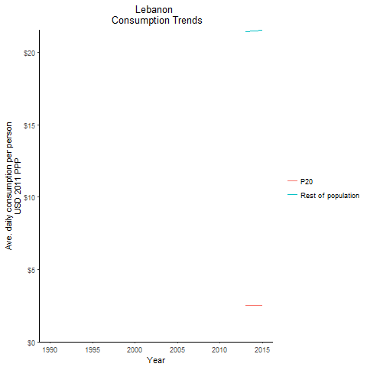
CountryName | P20 | Rest of population | Year
Lebanon |  |  | 1990
Lebanon |  |  | 1993
Lebanon |  |  | 1996
Lebanon |  |  | 1999
Lebanon |  |  | 2002
Lebanon |  |  | 2005
Lebanon |  |  | 2008
Lebanon |  |  | 2010
Lebanon |  |  | 2011
Lebanon |  |  | 2012
Lebanon | 2.5071311096 | 21.43263432 | 2013
Lebanon | 2.5173850897 | 21.5202915 | 2015

West Bank and Gaza
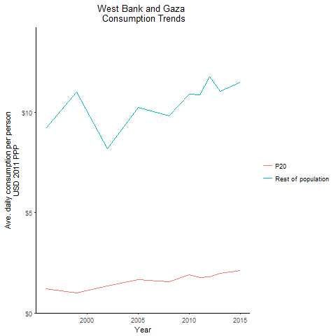
CountryName | P20 | Rest of population | Year
West Bank and Gaza | 1.2055085815 | 9.18978864 | 1996
West Bank and Gaza | 1.0033865694 | 11.013474384 | 1999
West Bank and Gaza | 1.3325013907 | 8.1860837258 | 2002
West Bank and Gaza | 1.6469983393 | 10.241885142 | 2005
West Bank and Gaza | 1.5467389863 | 9.8493689535 | 2008
West Bank and Gaza | 1.9045459356 | 10.914723827 | 2010
West Bank and Gaza | 1.7538169597 | 10.883774927 | 2011
West Bank and Gaza | 1.7971210059 | 11.793317192 | 2012
West Bank and Gaza | 1.9707210745 | 11.042849434 | 2013
West Bank and Gaza | 2.1165071236 | 11.501974973 | 2015

