Australia
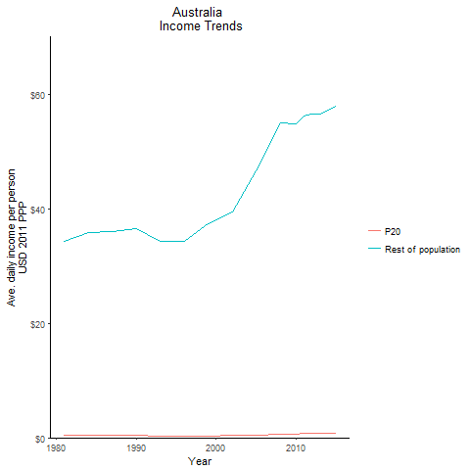
CountryName | P20 | Rest of population | Year
Australia | 0.45147100295 | 34.414203267 | 1981
Australia | 0.5274017138 | 35.946966127 | 1984
Australia | 0.38462892719 | 36.568665998 | 1990
Australia | 0.48074606561 | 36.098991847 | 1987
Australia | 0.34532200854 | 34.261176773 | 1993
Australia | 0.33596895303 | 34.34657524 | 1996
Australia | 0.33952396934 | 37.347193419 | 1999
Australia | 0.40458190327 | 39.423900105 | 2002
Australia | 0.52858601573 | 46.747359424 | 2005
Australia | 0.59242367339 | 55.091540257 | 2008
Australia | 0.692779192 | 54.904679385 | 2010
Australia | 0.70924259601 | 56.209429757 | 2011
Australia | 0.71504384628 | 56.669169986 | 2012
Australia | 0.71379289906 | 56.570052439 | 2013
Australia | 0.73086476985 | 57.923040018 | 2015

Austria
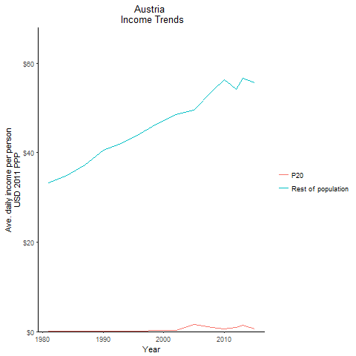
CountryName | P20 | Rest of population | Year
Austria | 0.13337507707 | 33.231054469 | 1981
Austria | 0.14041282019 | 34.984566569 | 1984
Austria | 0.16293648692 | 40.596437966 | 1990
Austria | 0.14936316663 | 37.214499871 | 1987
Austria | 0.16883091978 | 42.064947505 | 1993
Austria | 0.17755611651 | 44.238994078 | 1996
Austria | 0.18713145643 | 46.624757777 | 1999
Austria | 0.19469734445 | 48.509814588 | 2002
Austria | 1.5713461007 | 49.528869881 | 2005
Austria | 0.9980481555 | 53.825959791 | 2008
Austria | 0.54455478091 | 56.306799849 | 2010
Austria | 0.74471733829 | 55.259797551 | 2011
Austria | 0.91428428507 | 54.131046896 | 2012
Austria | 1.4754445304 | 56.627507651 | 2013
Austria | 0.53732133336 | 55.701648047 | 2015

Belgium
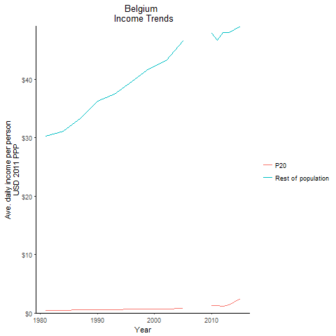
CountryName | P20 | Rest of population | Year
Belgium | 0.47307778365 | 30.269076369 | 1981
Belgium | 0.48584951419 | 31.086256867 | 1984
Belgium | 0.56781078037 | 36.330414173 | 1990
Belgium | 0.52068564424 | 33.31520686 | 1987
Belgium | 0.58655889668 | 37.529972388 | 1993
Belgium | 0.61910326415 | 39.612277855 | 1996
Belgium | 0.65366772736 | 41.823792368 | 1999
Belgium | 0.67514640499 | 43.198067842 | 2002
Belgium | 0.80034112468 | 46.603201671 | 2005
Belgium |  |  | 2008
Belgium | 1.2952564856 | 47.909230952 | 2010
Belgium | 1.306871684 | 46.75089937 | 2011
Belgium | 1.1944886219 | 48.082642372 | 2012
Belgium | 1.341429767 | 47.98422547 | 2013
Belgium | 2.4714733541 | 49.129375317 | 2015

Canada
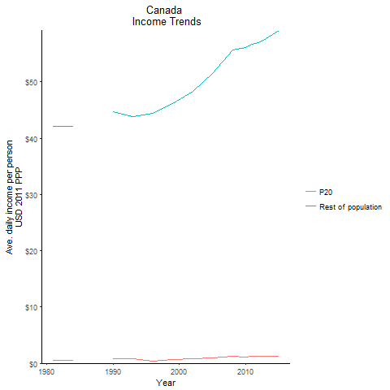
CountryName | P20 | Rest of population | Year
Canada | 0.54032637392 | 42.093759821 | 1981
Canada | 0.54107447676 | 42.048887591 | 1984
Canada | 0.86665941498 | 44.67835237 | 1990
Canada |  |  | 1987
Canada | 0.76583396056 | 43.763508304 | 1993
Canada | 0.41995596416 | 44.34671331 | 1996
Canada | 0.64852465752 | 46.095248352 | 1999
Canada | 0.79095348512 | 48.3616564 | 2002
Canada | 0.93666645861 | 51.465051264 | 2005
Canada | 1.2042839208 | 55.606128689 | 2008
Canada | 1.1008386495 | 56.111063314 | 2010
Canada | 1.1816417089 | 56.680437509 | 2011
Canada | 1.2303624101 | 57.023295338 | 2012
Canada | 1.2715742277 | 57.652487348 | 2013
Canada | 1.3049443743 | 59.165473606 | 2015

Cyprus
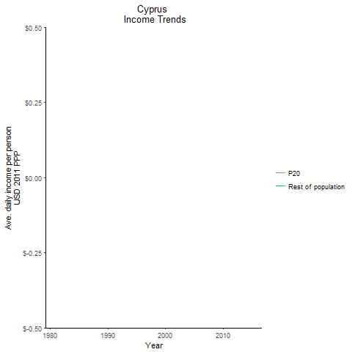
CountryName | P20 | Rest of population | Year
Cyprus |  |  | 1981
Cyprus |  |  | 1984
Cyprus |  |  | 1990
Cyprus |  |  | 1987
Cyprus |  |  | 1993
Cyprus |  |  | 1996
Cyprus |  |  | 1999
Cyprus |  |  | 2002
Cyprus |  |  | 2005
Cyprus |  |  | 2008
Cyprus |  |  | 2010
Cyprus |  |  | 2011
Cyprus |  |  | 2012
Cyprus |  |  | 2013
Cyprus |  |  | 2015

Denmark
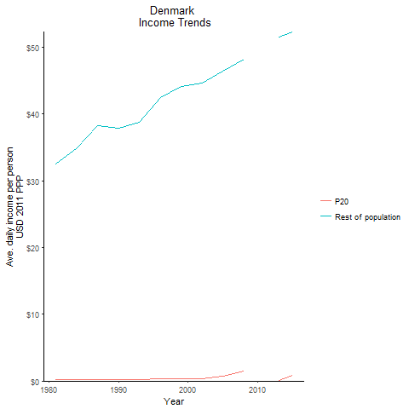
CountryName | P20 | Rest of population | Year
Denmark | 0.22204214106 | 32.575421696 | 1981
Denmark | 0.23800965077 | 34.917940545 | 1984
Denmark | 0.2579616426 | 37.845084134 | 1990
Denmark | 0.26056824938 | 38.227468542 | 1987
Denmark | 0.26410806508 | 38.746825979 | 1993
Denmark | 0.28930255694 | 42.443087782 | 1996
Denmark | 0.30110579176 | 44.174707587 | 1999
Denmark | 0.30424702836 | 44.635479974 | 2002
Denmark | 0.66379017387 | 46.428006248 | 2005
Denmark | 1.4490291926 | 48.282896861 | 2008
Denmark |  |  | 2010
Denmark |  |  | 2011
Denmark |  |  | 2012
Denmark | 0.016001385221 | 51.517569035 | 2013
Denmark | 0.78231611499 | 52.346895058 | 2015

Finland
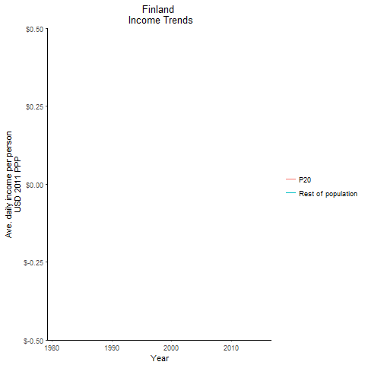
CountryName | P20 | Rest of population | Year
Finland |  |  | 1981
Finland |  |  | 1984
Finland |  |  | 1990
Finland |  |  | 1987
Finland |  |  | 1993
Finland |  |  | 1996
Finland |  |  | 1999
Finland |  |  | 2002
Finland |  |  | 2005
Finland |  |  | 2008
Finland |  |  | 2010
Finland |  |  | 2011
Finland |  |  | 2012
Finland |  |  | 2013
Finland |  |  | 2015

France
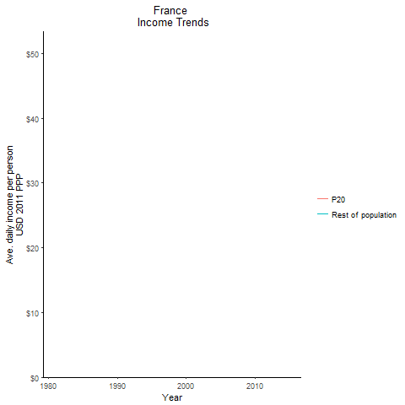
CountryName | P20 | Rest of population | Year
France |  |  | 1981
France |  |  | 1984
France |  |  | 1990
France |  |  | 1987
France |  |  | 1993
France |  |  | 1996
France |  |  | 1999
France |  |  | 2002
France |  |  | 2005
France |  |  | 2008
France |  |  | 2010
France |  |  | 2011
France |  |  | 2012
France |  |  | 2013
France | 2.0912226879 | 53.419480698 | 2015

Germany
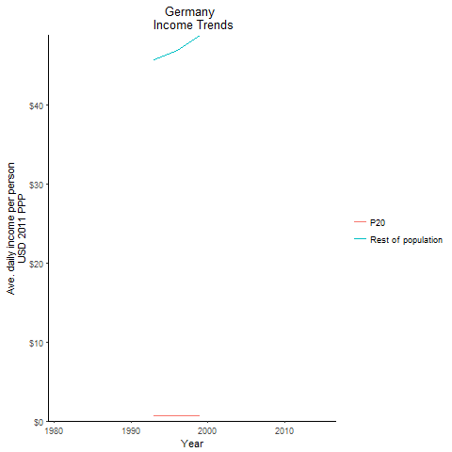
CountryName | P20 | Rest of population | Year
Germany |  |  | 1981
Germany |  |  | 1984
Germany |  |  | 1990
Germany |  |  | 1987
Germany | 0.62759548672 | 45.833824129 | 1993
Germany | 0.64321363842 | 46.97443472 | 1996
Germany | 0.67023995766 | 48.906318304 | 1999
Germany |  |  | 2002
Germany |  |  | 2005
Germany |  |  | 2008
Germany |  |  | 2010
Germany |  |  | 2011
Germany |  |  | 2012
Germany |  |  | 2013
Germany |  |  | 2015

Greece
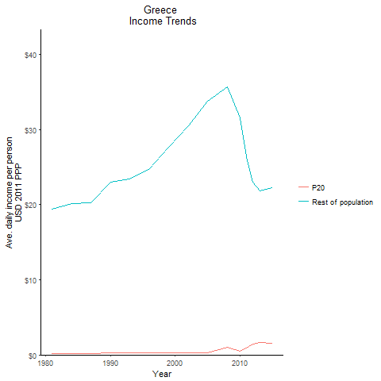
CountryName | P20 | Rest of population | Year
Greece | 0.20740740473 | 19.34908003 | 1981
Greece | 0.21607382215 | 20.157575146 | 1984
Greece | 0.24659430027 | 23.004820682 | 1990
Greece | 0.21736142819 | 20.277693854 | 1987
Greece | 0.25101198762 | 23.416953137 | 1993
Greece | 0.26560043637 | 24.777926249 | 1996
Greece | 0.29599947903 | 27.613845817 | 1999
Greece | 0.32620355787 | 30.43159031 | 2002
Greece | 0.30029728567 | 33.728645491 | 2005
Greece | 1.054079577 | 35.677332164 | 2008
Greece | 0.52800296528 | 31.558122264 | 2010
Greece | 0.88175453425 | 26.309605942 | 2011
Greece | 1.4493203451 | 22.984975125 | 2012
Greece | 1.6866899612 | 21.843595449 | 2013
Greece | 1.5058519968 | 22.29227371 | 2015

Iceland
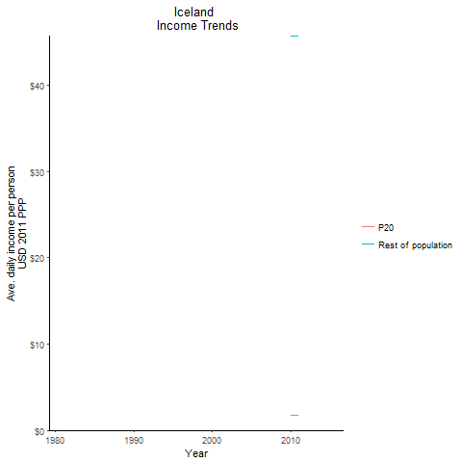
CountryName | P20 | Rest of population | Year
Iceland |  |  | 1981
Iceland |  |  | 1984
Iceland |  |  | 1990
Iceland |  |  | 1987
Iceland |  |  | 1993
Iceland |  |  | 1996
Iceland |  |  | 1999
Iceland |  |  | 2002
Iceland |  |  | 2005
Iceland |  |  | 2008
Iceland | 1.7975248641 | 45.749277509 | 2010
Iceland | 1.7080510633 | 45.727142436 | 2011
Iceland |  |  | 2012
Iceland |  |  | 2013
Iceland |  |  | 2015

Ireland
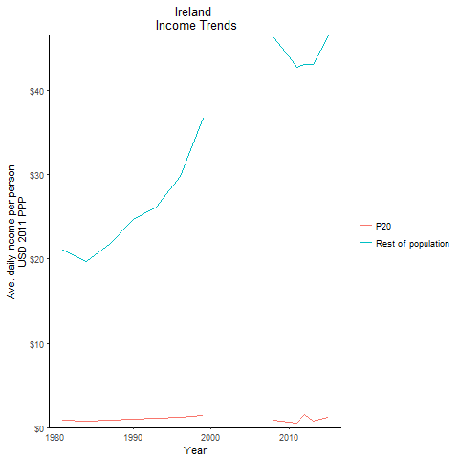
CountryName | P20 | Rest of population | Year
Ireland | 0.84068417772 | 21.122518822 | 1981
Ireland | 0.7857679912 | 19.742727353 | 1984
Ireland | 0.98287601609 | 24.695142964 | 1990
Ireland | 0.86439147116 | 21.718172573 | 1987
Ireland | 1.040965379 | 26.154658763 | 1993
Ireland | 1.1863175598 | 29.806690884 | 1996
Ireland | 1.4606547796 | 36.699522175 | 1999
Ireland |  |  | 2002
Ireland |  |  | 2005
Ireland | 0.86931819314 | 46.311166861 | 2008
Ireland | 0.63376199066 | 43.948582752 | 2010
Ireland | 0.47555790558 | 42.754365613 | 2011
Ireland | 1.5527399758 | 43.073319601 | 2012
Ireland | 0.70079602467 | 43.102220587 | 2013
Ireland | 1.1515978662 | 46.513342432 | 2015

Israel
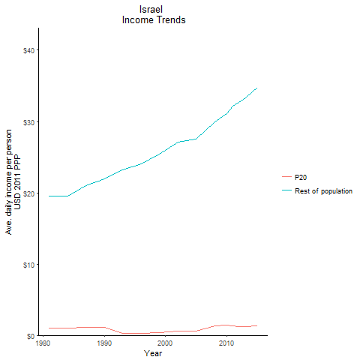
CountryName | P20 | Rest of population | Year
Israel | 1.0237076231 | 19.480870568 | 1981
Israel | 1.0242980247 | 19.510779152 | 1984
Israel | 1.1536055659 | 21.955127038 | 1990
Israel | 1.1018183458 | 20.99296632 | 1987
Israel | 0.31526477933 | 23.251107563 | 1993
Israel | 0.32508215319 | 24.010087451 | 1996
Israel | 0.34430696589 | 25.411444319 | 1999
Israel | 0.54259846008 | 27.061291235 | 2002
Israel | 0.56113971259 | 27.486345577 | 2005
Israel | 1.3169034269 | 29.95172735 | 2008
Israel | 1.4609094013 | 31.104439643 | 2010
Israel | 1.3265572583 | 32.163241494 | 2011
Israel | 1.2236479678 | 32.679382931 | 2012
Israel | 1.2456464332 | 33.266875734 | 2013
Israel | 1.3007738281 | 34.739142714 | 2015

Italy
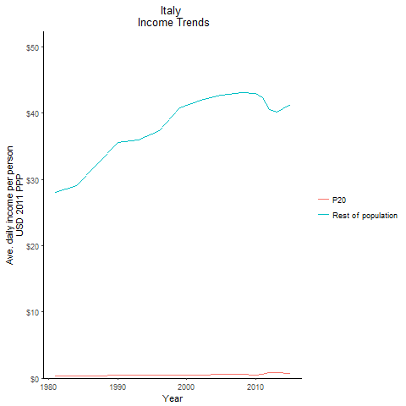
CountryName | P20 | Rest of population | Year
Italy | 0.33912342562 | 28.05601867 | 1981
Italy | 0.35144552 | 29.075429907 | 1984
Italy | 0.42950865451 | 35.533669453 | 1990
Italy | 0.38973821738 | 32.24342349 | 1987
Italy | 0.43412201815 | 35.91533348 | 1993
Italy | 0.45198841034 | 37.393470173 | 1996
Italy | 0.49393749544 | 40.863916928 | 1999
Italy | 0.50746205555 | 41.982844314 | 2002
Italy | 0.62246014497 | 42.674217095 | 2005
Italy | 0.64194354551 | 43.136215434 | 2008
Italy | 0.50023770838 | 43.037402713 | 2010
Italy | 0.56078543277 | 42.407445267 | 2011
Italy | 0.90427395666 | 40.593384766 | 2012
Italy | 0.78666972764 | 40.23057739 | 2013
Italy | 0.75170280613 | 41.265715918 | 2015

Japan
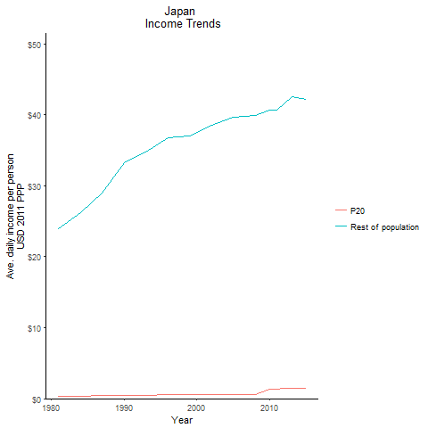
CountryName | P20 | Rest of population | Year
Japan | 0.35382609562 | 24.008125032 | 1981
Japan | 0.38553966701 | 26.1600105 | 1984
Japan | 0.48946143812 | 33.211380317 | 1990
Japan | 0.42712247495 | 28.981496137 | 1987
Japan | 0.51169861134 | 34.720251668 | 1993
Japan | 0.54228974401 | 36.795967057 | 1996
Japan | 0.54534813939 | 37.003443044 | 1999
Japan | 0.56748362683 | 38.505428182 | 2002
Japan | 0.58435480189 | 39.650186916 | 2005
Japan | 0.58853470297 | 39.933806625 | 2008
Japan | 1.3711490476 | 40.700210317 | 2010
Japan | 1.3683834388 | 40.618101499 | 2011
Japan | 1.3983787137 | 41.508483421 | 2012
Japan | 1.4335673758 | 42.553009285 | 2013
Japan | 1.4189403533 | 42.118816809 | 2015

Korea, Republic of
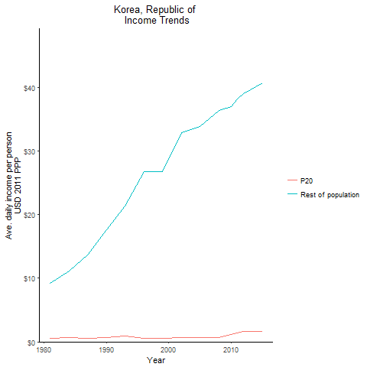
CountryName | P20 | Rest of population | Year
Korea, Republic of | 0.55956033223 | 9.2563465274 | 1981
Korea, Republic of | 0.67529257896 | 11.170809918 | 1984
Korea, Republic of | 0.71009458532 | 17.682148141 | 1990
Korea, Republic of | 0.55052527514 | 13.708692314 | 1987
Korea, Republic of | 0.85580246164 | 21.310437941 | 1993
Korea, Republic of | 0.51859983251 | 26.746005257 | 1996
Korea, Republic of | 0.51908054488 | 26.770775984 | 1999
Korea, Republic of | 0.63728876377 | 32.867179639 | 2002
Korea, Republic of | 0.65622482634 | 33.843781064 | 2005
Korea, Republic of | 0.67784482641 | 36.385236367 | 2008
Korea, Republic of | 1.1402512928 | 36.978466809 | 2010
Korea, Republic of | 1.3809077169 | 38.209082871 | 2011
Korea, Republic of | 1.6174136991 | 39.034912928 | 2012
Korea, Republic of | 1.6403708094 | 39.588960434 | 2013
Korea, Republic of | 1.6862189075 | 40.695469811 | 2015

Luxembourg
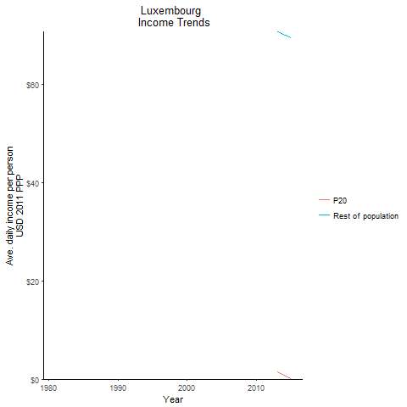
CountryName | P20 | Rest of population | Year
Luxembourg |  |  | 1981
Luxembourg |  |  | 1984
Luxembourg |  |  | 1990
Luxembourg |  |  | 1987
Luxembourg |  |  | 1993
Luxembourg |  |  | 1996
Luxembourg |  |  | 1999
Luxembourg |  |  | 2002
Luxembourg |  |  | 2005
Luxembourg |  |  | 2008
Luxembourg |  |  | 2010
Luxembourg |  |  | 2011
Luxembourg |  |  | 2012
Luxembourg | 1.5167237993 | 70.833942653 | 2013
Luxembourg | 0.075450006363 | 69.613275183 | 2015

Malta
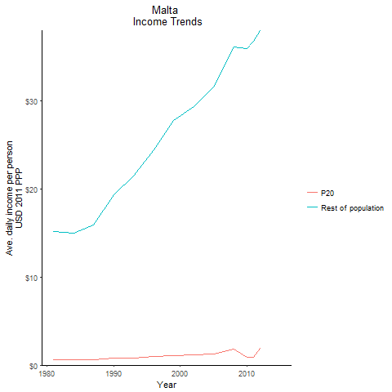
CountryName | P20 | Rest of population | Year
Malta | 0.59194962193 | 15.149435193 | 1981
Malta | 0.58610140627 | 14.999761821 | 1984
Malta | 0.75668589156 | 19.365437208 | 1990
Malta | 0.62406408108 | 15.971325697 | 1987
Malta | 0.83886850503 | 21.4686898 | 1993
Malta | 0.95595318525 | 24.465173095 | 1996
Malta | 1.0857789078 | 27.787733 | 1999
Malta | 1.1494079373 | 29.416153914 | 2002
Malta | 1.2357713996 | 31.626398636 | 2005
Malta | 1.8011787503 | 36.181409392 | 2008
Malta | 0.89015565277 | 35.933718662 | 2010
Malta | 0.87937854564 | 36.76536084 | 2011
Malta | 1.8914398461 | 38.028552331 | 2012
Malta |  |  | 2013
Malta |  |  | 2015

Netherlands
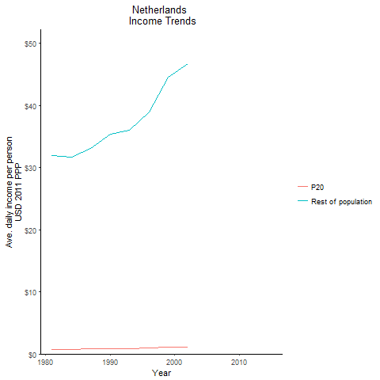
CountryName | P20 | Rest of population | Year
Netherlands | 0.77314657854 | 31.994732322 | 1981
Netherlands | 0.7667046299 | 31.728149398 | 1984
Netherlands | 0.85406880237 | 35.343500098 | 1990
Netherlands | 0.79894795562 | 33.062457912 | 1987
Netherlands | 0.87089878394 | 36.039952477 | 1993
Netherlands | 0.94191068512 | 38.978628926 | 1996
Netherlands | 1.076189254 | 44.535386354 | 1999
Netherlands | 1.1285689385 | 46.703005826 | 2002
Netherlands |  |  | 2005
Netherlands | 1.9315371561 | 52.203347876 | 2008
Netherlands |  |  | 2010
Netherlands | 2.2504992771 | 50.227628456 | 2011
Netherlands |  |  | 2012
Netherlands |  |  | 2013
Netherlands | 2.5009191784 | 52.237119527 | 2015

Norway
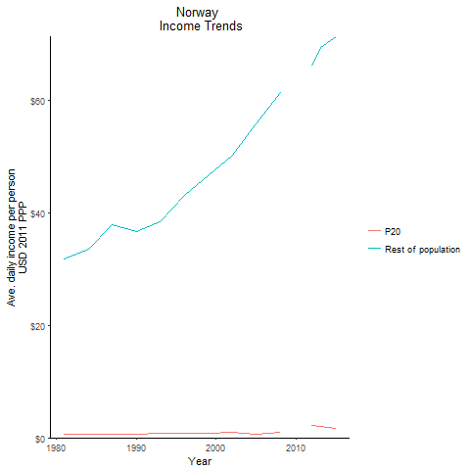
CountryName | P20 | Rest of population | Year
Norway | 0.60074443002 | 31.815001272 | 1981
Norway | 0.63304706872 | 33.525715023 | 1984
Norway | 0.6902772326 | 36.556618023 | 1990
Norway | 0.71380678754 | 37.802688873 | 1987
Norway | 0.72564016452 | 38.429398421 | 1993
Norway | 0.81344926621 | 43.079715728 | 1996
Norway | 0.87861434962 | 46.530786633 | 1999
Norway | 0.94733134112 | 50.170012098 | 2002
Norway | 0.62033971433 | 55.712012259 | 2005
Norway | 0.90147282335 | 61.276146547 | 2008
Norway |  |  | 2010
Norway |  |  | 2011
Norway | 2.1644019472 | 66.058173823 | 2012
Norway | 1.9513310936 | 69.315480405 | 2013
Norway | 1.5907136087 | 71.267739302 | 2015

Portugal
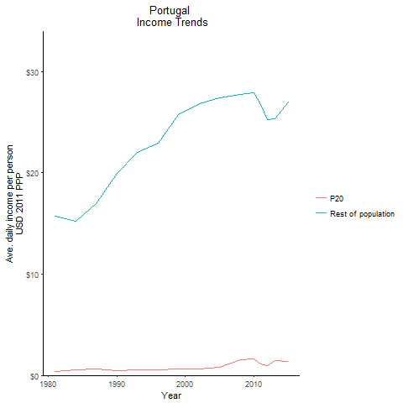
CountryName | P20 | Rest of population | Year
Portugal | 0.38275299948 | 15.731593256 | 1981
Portugal | 0.55426698537 | 15.233278357 | 1984
Portugal | 0.48497114336 | 19.932880933 | 1990
Portugal | 0.61832358256 | 16.993787997 | 1987
Portugal | 0.53625511216 | 22.040714534 | 1993
Portugal | 0.55858103038 | 22.958328808 | 1996
Portugal | 0.62709909717 | 25.774507098 | 1999
Portugal | 0.65214717307 | 26.80401546 | 2002
Portugal | 0.83147266699 | 27.396872371 | 2005
Portugal | 1.5217116998 | 27.781511324 | 2008
Portugal | 1.5883134855 | 27.91663653 | 2010
Portugal | 1.1333929814 | 26.791579298 | 2011
Portugal | 0.96992771582 | 25.29184273 | 2012
Portugal | 1.4284026712 | 25.34644024 | 2013
Portugal | 1.3679664874 | 27.036300082 | 2015

Spain
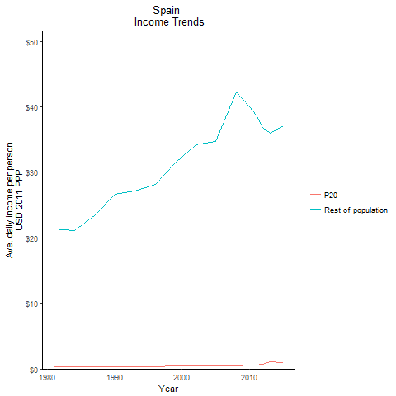
CountryName | P20 | Rest of population | Year
Spain | 0.27170597073 | 21.328761433 | 1981
Spain | 0.2682665565 | 21.058764827 | 1984
Spain | 0.33934924151 | 26.63872118 | 1990
Spain | 0.2978630181 | 23.382069077 | 1987
Spain | 0.34555532013 | 27.125896817 | 1993
Spain | 0.35919609278 | 28.196682311 | 1996
Spain | 0.39976620872 | 31.381422758 | 1999
Spain | 0.43531153631 | 34.171715581 | 2002
Spain | 0.42264900851 | 34.659390156 | 2005
Spain | 0.48878130464 | 42.297981706 | 2008
Spain | 0.581964212 | 40.051765857 | 2010
Spain | 0.59235254648 | 38.74360911 | 2011
Spain | 0.75187048834 | 36.819752677 | 2012
Spain | 1.0503332014 | 35.98294186 | 2013
Spain | 1.0120719224 | 37.113437271 | 2015

Sweden
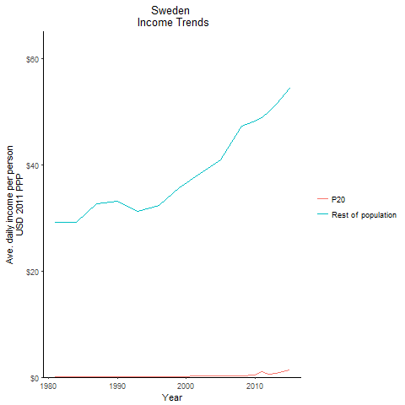
CountryName | P20 | Rest of population | Year
Sweden | 0.1438805166 | 29.122152536 | 1981
Sweden | 0.14420876687 | 29.188609056 | 1984
Sweden | 0.16381895338 | 33.157769679 | 1990
Sweden | 0.16165639002 | 32.720081359 | 1987
Sweden | 0.15410134226 | 31.190938789 | 1993
Sweden | 0.15951953543 | 32.28761307 | 1996
Sweden | 0.17591038787 | 35.60518607 | 1999
Sweden | 0.18992028472 | 38.440809245 | 2002
Sweden | 0.24037329463 | 40.882837724 | 2005
Sweden | 0.18696168985 | 47.251084521 | 2008
Sweden | 0.44557550287 | 48.285845225 | 2010
Sweden | 1.0700614549 | 48.906910396 | 2011
Sweden | 0.53466486487 | 49.923712266 | 2012
Sweden | 0.68517751458 | 51.359479774 | 2013
Sweden | 1.353769261 | 54.372573697 | 2015

Switzerland
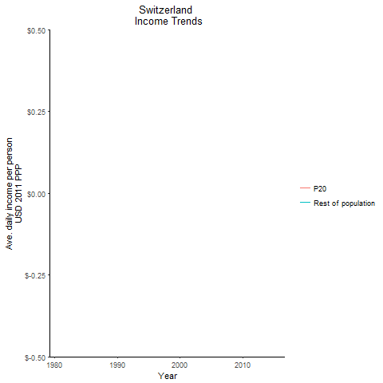
CountryName | P20 | Rest of population | Year
Switzerland |  |  | 1981
Switzerland |  |  | 1984
Switzerland |  |  | 1990
Switzerland |  |  | 1987
Switzerland |  |  | 1993
Switzerland |  |  | 1996
Switzerland |  |  | 1999
Switzerland |  |  | 2002
Switzerland |  |  | 2005
Switzerland |  |  | 2008
Switzerland |  |  | 2010
Switzerland |  |  | 2011
Switzerland |  |  | 2012
Switzerland |  |  | 2013
Switzerland |  |  | 2015

United Kingdom
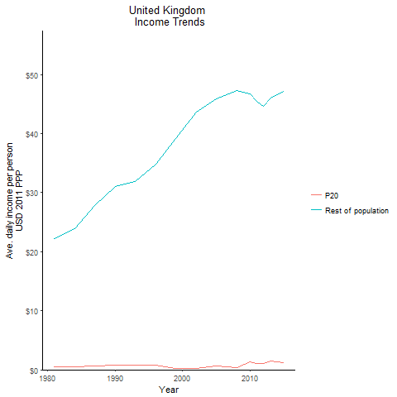
CountryName | P20 | Rest of population | Year
United Kingdom | 0.52164880973 | 22.269910752 | 1981
United Kingdom | 0.56131645473 | 23.963372244 | 1984
United Kingdom | 0.72691057245 | 31.032819847 | 1990
United Kingdom | 0.65060228384 | 27.775113353 | 1987
United Kingdom | 0.74833209309 | 31.947328629 | 1993
United Kingdom | 0.81482234109 | 34.785876039 | 1996
United Kingdom | 0.19849006338 | 39.234225961 | 1999
United Kingdom | 0.22099135926 | 43.68201158 | 2002
United Kingdom | 0.59930851311 | 45.858479848 | 2005
United Kingdom | 0.33251276429 | 47.25149772 | 2008
United Kingdom | 1.3765423565 | 46.712065157 | 2010
United Kingdom | 1.073449344 | 45.496956766 | 2011
United Kingdom | 1.0516886657 | 44.63493256 | 2012
United Kingdom | 1.4672134786 | 46.022642221 | 2013
United Kingdom | 1.1673222155 | 47.102446971 | 2015

United States
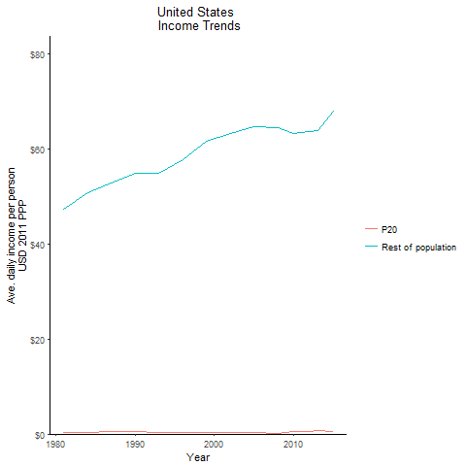
CountryName | P20 | Rest of population | Year
United States | 0.38075418858 | 47.381358101 | 1981
United States | 0.41075975835 | 50.748158722 | 1984
United States | 0.55389824939 | 54.797464703 | 1990
United States | 0.45563201844 | 52.793769991 | 1987
United States | 0.35909920309 | 54.847155317 | 1993
United States | 0.34236921457 | 57.747074166 | 1996
United States | 0.36814534012 | 61.657043264 | 1999
United States | 0.28936678803 | 63.293357289 | 2002
United States | 0.2396931742 | 64.662931724 | 2005
United States | 0.22434136843 | 64.477773178 | 2008
United States | 0.54504145501 | 63.211681863 | 2010
United States | 0.58575599083 | 63.53175877 | 2011
United States | 0.6252254806 | 63.683724493 | 2012
United States | 0.66501842996 | 63.847271015 | 2013
United States | 0.4823826919 | 68.0372441 | 2015

