East Asia and Pacific
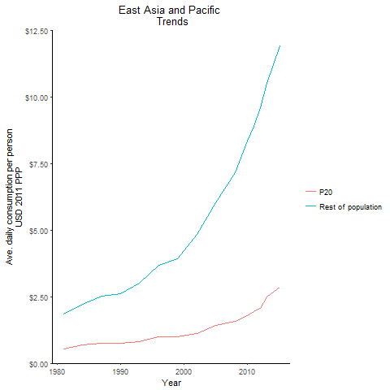
regionTitle | P20 | Rest of population | Year
East Asia and Pacific | 2.8508644989 | 11.92281202 | 2015
East Asia and Pacific | 2.4818461858 | 10.533928252 | 2013
East Asia and Pacific | 2.0745299385 | 9.6209108626 | 2012
East Asia and Pacific | 1.9551720912 | 8.922856936 | 2011
East Asia and Pacific | 1.7856537749 | 8.3735485974 | 2010
East Asia and Pacific | 1.5717908172 | 7.1571170139 | 2008
East Asia and Pacific | 1.4367202552 | 6.022663897 | 2005
East Asia and Pacific | 1.1150056441 | 4.85426246 | 2002
East Asia and Pacific | 0.98641680007 | 3.942306137 | 1999
East Asia and Pacific | 0.98304835974 | 3.6926480708 | 1996
East Asia and Pacific | 0.81103241488 | 3.0014644142 | 1993
East Asia and Pacific | 0.75554206117 | 2.6265497566 | 1990
East Asia and Pacific | 0.74298285619 | 2.5196668152 | 1987
East Asia and Pacific | 0.68231983042 | 2.2136451678 | 1984
East Asia and Pacific | 0.52324590031 | 1.8546813937 | 1981

Europe and Central Asia
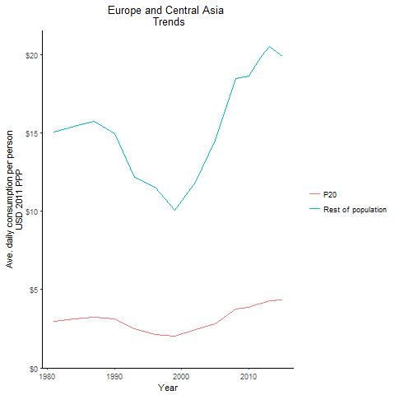
regionTitle | P20 | Rest of population | Year
Europe and Central Asia | 4.3511179306 | 19.875162201 | 2015
Europe and Central Asia | 4.3048195675 | 20.482492094 | 2013
Europe and Central Asia | 4.1189301668 | 19.922066503 | 2012
Europe and Central Asia | 4.0404745808 | 19.296398277 | 2011
Europe and Central Asia | 3.8760579913 | 18.622404915 | 2010
Europe and Central Asia | 3.7512637593 | 18.476260965 | 2008
Europe and Central Asia | 2.8134756651 | 14.518238374 | 2005
Europe and Central Asia | 2.4511525723 | 11.838702883 | 2002
Europe and Central Asia | 2.0482523337 | 10.044440106 | 1999
Europe and Central Asia | 2.1337207179 | 11.499758766 | 1996
Europe and Central Asia | 2.4863288145 | 12.151841878 | 1993
Europe and Central Asia | 3.1084919346 | 14.911074206 | 1990
Europe and Central Asia | 3.2401344154 | 15.73632396 | 1987
Europe and Central Asia | 3.12503783 | 15.399993653 | 1984
Europe and Central Asia | 2.9968232096 | 15.041028954 | 1981

Latin America and the Caribbea
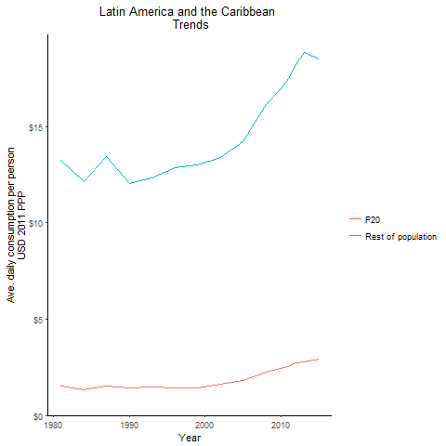
regionTitle | P20 | Rest of population | Year
Latin America and the Caribbean | 2.9062271446 | 18.499371359 | 2015
Latin America and the Caribbean | 2.7998277072 | 18.828977861 | 2013
Latin America and the Caribbean | 2.7382728474 | 18.231564274 | 2012
Latin America and the Caribbean | 2.5483270047 | 17.48114982 | 2011
Latin America and the Caribbean | 2.456343098 | 16.941323504 | 2010
Latin America and the Caribbean | 2.2691720057 | 16.119515869 | 2008
Latin America and the Caribbean | 1.8153778129 | 14.225581129 | 2005
Latin America and the Caribbean | 1.6221051623 | 13.390975583 | 2002
Latin America and the Caribbean | 1.4418157167 | 13.016111938 | 1999
Latin America and the Caribbean | 1.4164946957 | 12.843093148 | 1996
Latin America and the Caribbean | 1.4937526702 | 12.328963801 | 1993
Latin America and the Caribbean | 1.4341013539 | 12.048967947 | 1990
Latin America and the Caribbean | 1.5371949588 | 13.427513041 | 1987
Latin America and the Caribbean | 1.3403524482 | 12.134191298 | 1984
Latin America and the Caribbean | 1.5205692175 | 13.232067825 | 1981

Middle East and North Africa
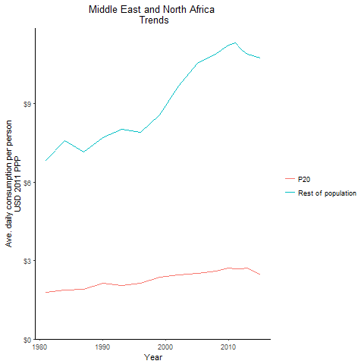
regionTitle | P20 | Rest of population | Year
Middle East and North Africa | 2.4488566908 | 10.738272683 | 2015
Middle East and North Africa | 2.7105376793 | 10.888294111 | 2013
Middle East and North Africa | 2.6935519626 | 11.065562236 | 2012
Middle East and North Africa | 2.6838223566 | 11.318503261 | 2011
Middle East and North Africa | 2.7118272663 | 11.228106435 | 2010
Middle East and North Africa | 2.6019222647 | 10.926363967 | 2008
Middle East and North Africa | 2.4986263084 | 10.546913565 | 2005
Middle East and North Africa | 2.4666317579 | 9.6660722136 | 2002
Middle East and North Africa | 2.3712005348 | 8.5711896691 | 1999
Middle East and North Africa | 2.1207509088 | 7.9081129563 | 1996
Middle East and North Africa | 2.0577139473 | 8.0263618003 | 1993
Middle East and North Africa | 2.1208704259 | 7.7115303486 | 1990
Middle East and North Africa | 1.9149347439 | 7.14807899 | 1987
Middle East and North Africa | 1.8724055887 | 7.5868238522 | 1984
Middle East and North Africa | 1.7742103837 | 6.840205757 | 1981

Other high Income
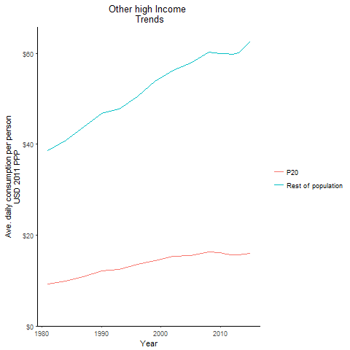
regionTitle | P20 | Rest of population | Year
Other high Income | 16.054606901 | 62.659742625 | 2015
Other high Income | 15.62452281 | 60.157370763 | 2013
Other high Income | 15.717842205 | 59.836921868 | 2012
Other high Income | 15.879612287 | 59.918115748 | 2011
Other high Income | 16.098435474 | 59.977465423 | 2010
Other high Income | 16.242841646 | 60.336422142 | 2008
Other high Income | 15.534042505 | 57.904797661 | 2005
Other high Income | 15.28398691 | 56.311207613 | 2002
Other high Income | 14.429266137 | 53.812417939 | 1999
Other high Income | 13.542625901 | 50.57140401 | 1996
Other high Income | 12.503351624 | 47.719537354 | 1993
Other high Income | 12.092145422 | 46.876300769 | 1990
Other high Income | 10.793135044 | 43.736125277 | 1987
Other high Income | 9.840475521 | 40.905002509 | 1984
Other high Income | 9.2329391165 | 38.679315363 | 1981

South Asia
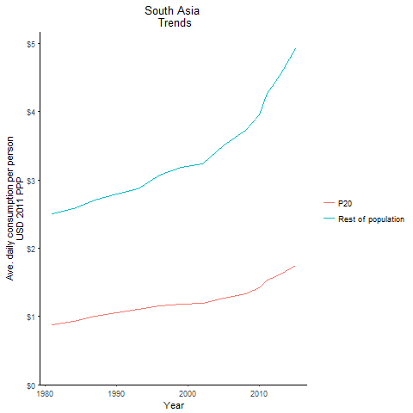
regionTitle | P20 | Rest of population | Year
South Asia | 1.7455073936 | 4.9215453096 | 2015
South Asia | 1.6261242805 | 4.5620360593 | 2013
South Asia | 1.5673734175 | 4.4084259316 | 2012
South Asia | 1.5284237268 | 4.2683269327 | 2011
South Asia | 1.4158907691 | 3.956598048 | 2010
South Asia | 1.3323372434 | 3.7257511794 | 2008
South Asia | 1.2670661144 | 3.5127493333 | 2005
South Asia | 1.1970688197 | 3.2335801589 | 2002
South Asia | 1.1818155726 | 3.1873320901 | 1999
South Asia | 1.1614287815 | 3.0720866407 | 1996
South Asia | 1.1036936465 | 2.8687443413 | 1993
South Asia | 1.049839665 | 2.7938850693 | 1990
South Asia | 1.0039245473 | 2.710687463 | 1987
South Asia | 0.93293615289 | 2.5825712069 | 1984
South Asia | 0.87959589716 | 2.5098016443 | 1981

Sub-Saharan Africa
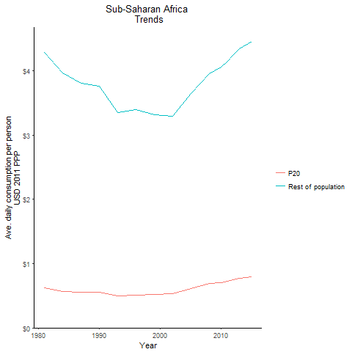
regionTitle | P20 | Rest of population | Year
Sub-Saharan Africa | 0.79349058287 | 4.4564387026 | 2015
Sub-Saharan Africa | 0.76776713652 | 4.3489117361 | 2013
Sub-Saharan Africa | 0.74814937107 | 4.2580941281 | 2012
Sub-Saharan Africa | 0.72886136948 | 4.15306978 | 2011
Sub-Saharan Africa | 0.7052644872 | 4.0612242576 | 2010
Sub-Saharan Africa | 0.68718607829 | 3.9613049619 | 2008
Sub-Saharan Africa | 0.61436894248 | 3.6454554883 | 2005
Sub-Saharan Africa | 0.53479581076 | 3.2955979642 | 2002
Sub-Saharan Africa | 0.51883289461 | 3.3153722202 | 1999
Sub-Saharan Africa | 0.50662349667 | 3.4023351282 | 1996
Sub-Saharan Africa | 0.50110685506 | 3.3571563947 | 1993
Sub-Saharan Africa | 0.55052779976 | 3.7690997369 | 1990
Sub-Saharan Africa | 0.55193393366 | 3.8128326628 | 1987
Sub-Saharan Africa | 0.57078510215 | 3.9667269816 | 1984
Sub-Saharan Africa | 0.62074996372 | 4.2911477592 | 1981

World Total
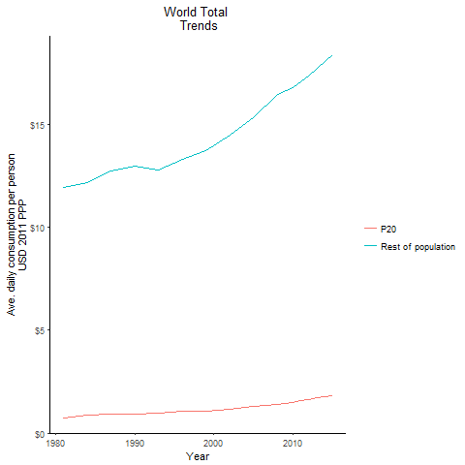
regionTitle | P20 | Rest of population | Year
World Total | 1.8035563848 | 18.366368655 | 2015
World Total | 1.7187844703 | 17.722847823 | 2013
World Total | 1.6280071947 | 17.347656165 | 2012
World Total | 1.5761076673 | 17.077293388 | 2011
World Total | 1.4814222996 | 16.797119607 | 2010
World Total | 1.3918189709 | 16.470987695 | 2008
World Total | 1.2981455785 | 15.33456681 | 2005
World Total | 1.1414892935 | 14.458638878 | 2002
World Total | 1.0712396024 | 13.709370912 | 1999
World Total | 1.0616353862 | 13.321608217 | 1996
World Total | 0.9598091793 | 12.794816087 | 1993
World Total | 0.93214626818 | 12.965996732 | 1990
World Total | 0.92977020607 | 12.712870921 | 1987
World Total | 0.85714313297 | 12.164263442 | 1984
World Total | 0.71961077557 | 11.937212495 | 1981

