Bangladesh
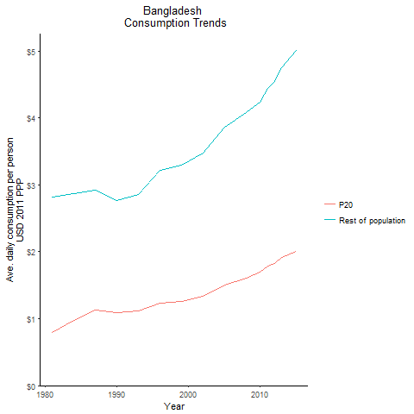
CountryName | P20 | Rest of population | Year
Bangladesh | 0.79881165479 | 2.8117911245 | 1981
Bangladesh | 0.97875575011 | 2.8687934833 | 1984
Bangladesh | 1.0959812025 | 2.7601072975 | 1990
Bangladesh | 1.1320872214 | 2.9186562335 | 1987
Bangladesh | 1.1213186968 | 2.8580069245 | 1993
Bangladesh | 1.2339604296 | 3.2141081982 | 1996
Bangladesh | 1.2578262601 | 3.2895533059 | 1999
Bangladesh | 1.337553085 | 3.4724905313 | 2002
Bangladesh | 1.5039216375 | 3.8595582767 | 2005
Bangladesh | 1.6049616416 | 4.0752200013 | 2008
Bangladesh | 1.6905402915 | 4.2286807611 | 2010
Bangladesh | 1.7849682487 | 4.441864332 | 2011
Bangladesh | 1.8273375666 | 4.5491459787 | 2012
Bangladesh | 1.9137083662 | 4.7536032299 | 2013
Bangladesh | 2.0070375656 | 5.0004967863 | 2015

Bhutan
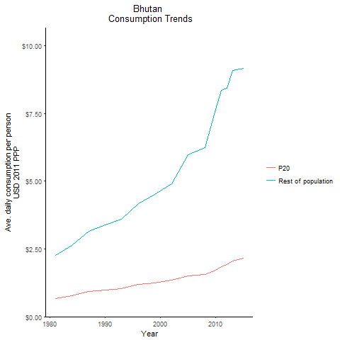
CountryName | P20 | Rest of population | Year
Bhutan | 0.67620105158 | 2.2657682338 | 1981
Bhutan | 0.78448235543 | 2.6267933755 | 1984
Bhutan | 0.98151703796 | 3.3780076567 | 1990
Bhutan | 0.93705527641 | 3.1649379247 | 1987
Bhutan | 1.0357693938 | 3.5994362108 | 1993
Bhutan | 1.1886688878 | 4.1853729486 | 1996
Bhutan | 1.2541445405 | 4.5169311262 | 1999
Bhutan | 1.349884157 | 4.8988619387 | 2002
Bhutan | 1.5159469231 | 5.9632001042 | 2005
Bhutan | 1.5656823818 | 6.2270958825 | 2008
Bhutan | 1.7156342865 | 7.6586482047 | 2010
Bhutan | 1.8453922031 | 8.3652010515 | 2011
Bhutan | 1.9174247935 | 8.4453619443 | 2012
Bhutan | 2.0481018526 | 9.0800022851 | 2013
Bhutan | 2.1551845572 | 9.1687923766 | 2015

India
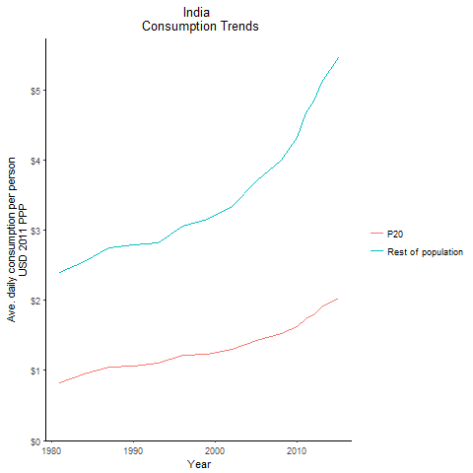
CountryName | P20 | Rest of population | Year
India | 0.82393492514 | 2.3944317021 | 1981
India | 0.82393492514 | 2.3944317021 | 1981
India | 0.82393492514 | 2.3944317021 | 1981
India | 0.82393492514 | 2.3944317021 | 1981
India | 0.82393492514 | 2.3944317021 | 1981
India | 0.82393492514 | 2.3944317021 | 1981
India | 0.82393492514 | 2.3944317021 | 1981
India | 0.82393492514 | 2.3944317021 | 1981
India | 0.82393492514 | 2.3944317021 | 1981
India | 0.82393492514 | 2.3944317021 | 1981
India | 0.82393492514 | 2.3944317021 | 1981
India | 0.82393492514 | 2.3944317021 | 1981
India | 0.82393492514 | 2.3944317021 | 1981
India | 0.82393492514 | 2.3944317021 | 1981
India | 0.82393492514 | 2.3944317021 | 1981
India | 0.82393492514 | 2.3944317021 | 1981
India | 0.82393492514 | 2.3944317021 | 1981
India | 0.82393492514 | 2.3944317021 | 1981
India | 0.82393492514 | 2.3944317021 | 1981
India | 0.82393492514 | 2.3944317021 | 1981
India | 0.82393492514 | 2.3944317021 | 1981
India | 0.82393492514 | 2.3944317021 | 1981
India | 0.82393492514 | 2.3944317021 | 1981
India | 0.82393492514 | 2.3944317021 | 1981
India | 0.82393492514 | 2.3944317021 | 1981
India | 0.82393492514 | 2.3944317021 | 1981
India | 0.82393492514 | 2.3944317021 | 1981
India | 0.95179208623 | 2.5544460279 | 1984
India | 0.95179208623 | 2.5544460279 | 1984
India | 0.95179208623 | 2.5544460279 | 1984
India | 0.95179208623 | 2.5544460279 | 1984
India | 0.95179208623 | 2.5544460279 | 1984
India | 0.95179208623 | 2.5544460279 | 1984
India | 0.95179208623 | 2.5544460279 | 1984
India | 0.95179208623 | 2.5544460279 | 1984
India | 0.95179208623 | 2.5544460279 | 1984
India | 0.95179208623 | 2.5544460279 | 1984
India | 0.95179208623 | 2.5544460279 | 1984
India | 0.95179208623 | 2.5544460279 | 1984
India | 0.95179208623 | 2.5544460279 | 1984
India | 0.95179208623 | 2.5544460279 | 1984
India | 0.95179208623 | 2.5544460279 | 1984
India | 0.95179208623 | 2.5544460279 | 1984
India | 0.95179208623 | 2.5544460279 | 1984
India | 0.95179208623 | 2.5544460279 | 1984
India | 0.95179208623 | 2.5544460279 | 1984
India | 0.95179208623 | 2.5544460279 | 1984
India | 0.95179208623 | 2.5544460279 | 1984
India | 0.95179208623 | 2.5544460279 | 1984
India | 0.95179208623 | 2.5544460279 | 1984
India | 0.95179208623 | 2.5544460279 | 1984
India | 0.95179208623 | 2.5544460279 | 1984
India | 0.95179208623 | 2.5544460279 | 1984
India | 0.95179208623 | 2.5544460279 | 1984
India | 1.0636025271 | 2.783071266 | 1990
India | 1.0636025271 | 2.783071266 | 1990
India | 1.0636025271 | 2.783071266 | 1990
India | 1.0636025271 | 2.783071266 | 1990
India | 1.0636025271 | 2.783071266 | 1990
India | 1.0636025271 | 2.783071266 | 1990
India | 1.0636025271 | 2.783071266 | 1990
India | 1.0636025271 | 2.783071266 | 1990
India | 1.0636025271 | 2.783071266 | 1990
India | 1.0636025271 | 2.783071266 | 1990
India | 1.0636025271 | 2.783071266 | 1990
India | 1.0636025271 | 2.783071266 | 1990
India | 1.0636025271 | 2.783071266 | 1990
India | 1.0636025271 | 2.783071266 | 1990
India | 1.0636025271 | 2.783071266 | 1990
India | 1.0636025271 | 2.783071266 | 1990
India | 1.0636025271 | 2.783071266 | 1990
India | 1.0636025271 | 2.783071266 | 1990
India | 1.0636025271 | 2.783071266 | 1990
India | 1.0636025271 | 2.783071266 | 1990
India | 1.0636025271 | 2.783071266 | 1990
India | 1.0636025271 | 2.783071266 | 1990
India | 1.0636025271 | 2.783071266 | 1990
India | 1.0636025271 | 2.783071266 | 1990
India | 1.0636025271 | 2.783071266 | 1990
India | 1.0636025271 | 2.783071266 | 1990
India | 1.0636025271 | 2.783071266 | 1990
India | 1.054624455 | 2.7410380547 | 1987
India | 1.054624455 | 2.7410380547 | 1987
India | 1.054624455 | 2.7410380547 | 1987
India | 1.054624455 | 2.7410380547 | 1987
India | 1.054624455 | 2.7410380547 | 1987
India | 1.054624455 | 2.7410380547 | 1987
India | 1.054624455 | 2.7410380547 | 1987
India | 1.054624455 | 2.7410380547 | 1987
India | 1.054624455 | 2.7410380547 | 1987
India | 1.054624455 | 2.7410380547 | 1987
India | 1.054624455 | 2.7410380547 | 1987
India | 1.054624455 | 2.7410380547 | 1987
India | 1.054624455 | 2.7410380547 | 1987
India | 1.054624455 | 2.7410380547 | 1987
India | 1.054624455 | 2.7410380547 | 1987
India | 1.054624455 | 2.7410380547 | 1987
India | 1.054624455 | 2.7410380547 | 1987
India | 1.054624455 | 2.7410380547 | 1987
India | 1.054624455 | 2.7410380547 | 1987
India | 1.054624455 | 2.7410380547 | 1987
India | 1.054624455 | 2.7410380547 | 1987
India | 1.054624455 | 2.7410380547 | 1987
India | 1.054624455 | 2.7410380547 | 1987
India | 1.054624455 | 2.7410380547 | 1987
India | 1.054624455 | 2.7410380547 | 1987
India | 1.054624455 | 2.7410380547 | 1987
India | 1.054624455 | 2.7410380547 | 1987
India | 1.1011955168 | 2.8182923061 | 1993
India | 1.1011955168 | 2.8182923061 | 1993
India | 1.1011955168 | 2.8182923061 | 1993
India | 1.1011955168 | 2.8182923061 | 1993
India | 1.1011955168 | 2.8182923061 | 1993
India | 1.1011955168 | 2.8182923061 | 1993
India | 1.1011955168 | 2.8182923061 | 1993
India | 1.1011955168 | 2.8182923061 | 1993
India | 1.1011955168 | 2.8182923061 | 1993
India | 1.1011955168 | 2.8182923061 | 1993
India | 1.1011955168 | 2.8182923061 | 1993
India | 1.1011955168 | 2.8182923061 | 1993
India | 1.1011955168 | 2.8182923061 | 1993
India | 1.1011955168 | 2.8182923061 | 1993
India | 1.1011955168 | 2.8182923061 | 1993
India | 1.1011955168 | 2.8182923061 | 1993
India | 1.1011955168 | 2.8182923061 | 1993
India | 1.1011955168 | 2.8182923061 | 1993
India | 1.1011955168 | 2.8182923061 | 1993
India | 1.1011955168 | 2.8182923061 | 1993
India | 1.1011955168 | 2.8182923061 | 1993
India | 1.1011955168 | 2.8182923061 | 1993
India | 1.1011955168 | 2.8182923061 | 1993
India | 1.1011955168 | 2.8182923061 | 1993
India | 1.1011955168 | 2.8182923061 | 1993
India | 1.1011955168 | 2.8182923061 | 1993
India | 1.1011955168 | 2.8182923061 | 1993
India | 1.2113999471 | 3.0543874155 | 1996
India | 1.2113999471 | 3.0543874155 | 1996
India | 1.2113999471 | 3.0543874155 | 1996
India | 1.2113999471 | 3.0543874155 | 1996
India | 1.2113999471 | 3.0543874155 | 1996
India | 1.2113999471 | 3.0543874155 | 1996
India | 1.2113999471 | 3.0543874155 | 1996
India | 1.2113999471 | 3.0543874155 | 1996
India | 1.2113999471 | 3.0543874155 | 1996
India | 1.2113999471 | 3.0543874155 | 1996
India | 1.2113999471 | 3.0543874155 | 1996
India | 1.2113999471 | 3.0543874155 | 1996
India | 1.2113999471 | 3.0543874155 | 1996
India | 1.2113999471 | 3.0543874155 | 1996
India | 1.2113999471 | 3.0543874155 | 1996
India | 1.2113999471 | 3.0543874155 | 1996
India | 1.2113999471 | 3.0543874155 | 1996
India | 1.2113999471 | 3.0543874155 | 1996
India | 1.2113999471 | 3.0543874155 | 1996
India | 1.2113999471 | 3.0543874155 | 1996
India | 1.2113999471 | 3.0543874155 | 1996
India | 1.2113999471 | 3.0543874155 | 1996
India | 1.2113999471 | 3.0543874155 | 1996
India | 1.2113999471 | 3.0543874155 | 1996
India | 1.2113999471 | 3.0543874155 | 1996
India | 1.2113999471 | 3.0543874155 | 1996
India | 1.2113999471 | 3.0543874155 | 1996
India | 1.2302572336 | 3.1550381714 | 1999
India | 1.2302572336 | 3.1550381714 | 1999
India | 1.2302572336 | 3.1550381714 | 1999
India | 1.2302572336 | 3.1550381714 | 1999
India | 1.2302572336 | 3.1550381714 | 1999
India | 1.2302572336 | 3.1550381714 | 1999
India | 1.2302572336 | 3.1550381714 | 1999
India | 1.2302572336 | 3.1550381714 | 1999
India | 1.2302572336 | 3.1550381714 | 1999
India | 1.2302572336 | 3.1550381714 | 1999
India | 1.2302572336 | 3.1550381714 | 1999
India | 1.2302572336 | 3.1550381714 | 1999
India | 1.2302572336 | 3.1550381714 | 1999
India | 1.2302572336 | 3.1550381714 | 1999
India | 1.2302572336 | 3.1550381714 | 1999
India | 1.2302572336 | 3.1550381714 | 1999
India | 1.2302572336 | 3.1550381714 | 1999
India | 1.2302572336 | 3.1550381714 | 1999
India | 1.2302572336 | 3.1550381714 | 1999
India | 1.2302572336 | 3.1550381714 | 1999
India | 1.2302572336 | 3.1550381714 | 1999
India | 1.2302572336 | 3.1550381714 | 1999
India | 1.2302572336 | 3.1550381714 | 1999
India | 1.2302572336 | 3.1550381714 | 1999
India | 1.2302572336 | 3.1550381714 | 1999
India | 1.2302572336 | 3.1550381714 | 1999
India | 1.2302572336 | 3.1550381714 | 1999
India | 1.2940188068 | 3.3359417837 | 2002
India | 1.2940188068 | 3.3359417837 | 2002
India | 1.2940188068 | 3.3359417837 | 2002
India | 1.2940188068 | 3.3359417837 | 2002
India | 1.2940188068 | 3.3359417837 | 2002
India | 1.2940188068 | 3.3359417837 | 2002
India | 1.2940188068 | 3.3359417837 | 2002
India | 1.2940188068 | 3.3359417837 | 2002
India | 1.2940188068 | 3.3359417837 | 2002
India | 1.2940188068 | 3.3359417837 | 2002
India | 1.2940188068 | 3.3359417837 | 2002
India | 1.2940188068 | 3.3359417837 | 2002
India | 1.2940188068 | 3.3359417837 | 2002
India | 1.2940188068 | 3.3359417837 | 2002
India | 1.2940188068 | 3.3359417837 | 2002
India | 1.2940188068 | 3.3359417837 | 2002
India | 1.2940188068 | 3.3359417837 | 2002
India | 1.2940188068 | 3.3359417837 | 2002
India | 1.2940188068 | 3.3359417837 | 2002
India | 1.2940188068 | 3.3359417837 | 2002
India | 1.2940188068 | 3.3359417837 | 2002
India | 1.2940188068 | 3.3359417837 | 2002
India | 1.2940188068 | 3.3359417837 | 2002
India | 1.2940188068 | 3.3359417837 | 2002
India | 1.2940188068 | 3.3359417837 | 2002
India | 1.2940188068 | 3.3359417837 | 2002
India | 1.2940188068 | 3.3359417837 | 2002
India | 1.4251831594 | 3.702765877 | 2005
India | 1.4251831594 | 3.702765877 | 2005
India | 1.4251831594 | 3.702765877 | 2005
India | 1.4251831594 | 3.702765877 | 2005
India | 1.4251831594 | 3.702765877 | 2005
India | 1.4251831594 | 3.702765877 | 2005
India | 1.4251831594 | 3.702765877 | 2005
India | 1.4251831594 | 3.702765877 | 2005
India | 1.4251831594 | 3.702765877 | 2005
India | 1.4251831594 | 3.702765877 | 2005
India | 1.4251831594 | 3.702765877 | 2005
India | 1.4251831594 | 3.702765877 | 2005
India | 1.4251831594 | 3.702765877 | 2005
India | 1.4251831594 | 3.702765877 | 2005
India | 1.4251831594 | 3.702765877 | 2005
India | 1.4251831594 | 3.702765877 | 2005
India | 1.4251831594 | 3.702765877 | 2005
India | 1.4251831594 | 3.702765877 | 2005
India | 1.4251831594 | 3.702765877 | 2005
India | 1.4251831594 | 3.702765877 | 2005
India | 1.4251831594 | 3.702765877 | 2005
India | 1.4251831594 | 3.702765877 | 2005
India | 1.4251831594 | 3.702765877 | 2005
India | 1.4251831594 | 3.702765877 | 2005
India | 1.4251831594 | 3.702765877 | 2005
India | 1.4251831594 | 3.702765877 | 2005
India | 1.4251831594 | 3.702765877 | 2005
India | 1.5192498602 | 4.0002074469 | 2008
India | 1.5192498602 | 4.0002074469 | 2008
India | 1.5192498602 | 4.0002074469 | 2008
India | 1.5192498602 | 4.0002074469 | 2008
India | 1.5192498602 | 4.0002074469 | 2008
India | 1.5192498602 | 4.0002074469 | 2008
India | 1.5192498602 | 4.0002074469 | 2008
India | 1.5192498602 | 4.0002074469 | 2008
India | 1.5192498602 | 4.0002074469 | 2008
India | 1.5192498602 | 4.0002074469 | 2008
India | 1.5192498602 | 4.0002074469 | 2008
India | 1.5192498602 | 4.0002074469 | 2008
India | 1.5192498602 | 4.0002074469 | 2008
India | 1.5192498602 | 4.0002074469 | 2008
India | 1.5192498602 | 4.0002074469 | 2008
India | 1.5192498602 | 4.0002074469 | 2008
India | 1.5192498602 | 4.0002074469 | 2008
India | 1.5192498602 | 4.0002074469 | 2008
India | 1.5192498602 | 4.0002074469 | 2008
India | 1.5192498602 | 4.0002074469 | 2008
India | 1.5192498602 | 4.0002074469 | 2008
India | 1.5192498602 | 4.0002074469 | 2008
India | 1.5192498602 | 4.0002074469 | 2008
India | 1.5192498602 | 4.0002074469 | 2008
India | 1.5192498602 | 4.0002074469 | 2008
India | 1.5192498602 | 4.0002074469 | 2008
India | 1.5192498602 | 4.0002074469 | 2008
India | 1.6213256508 | 4.3173514182 | 2010
India | 1.6213256508 | 4.3173514182 | 2010
India | 1.6213256508 | 4.3173514182 | 2010
India | 1.6213256508 | 4.3173514182 | 2010
India | 1.6213256508 | 4.3173514182 | 2010
India | 1.6213256508 | 4.3173514182 | 2010
India | 1.6213256508 | 4.3173514182 | 2010
India | 1.6213256508 | 4.3173514182 | 2010
India | 1.6213256508 | 4.3173514182 | 2010
India | 1.6213256508 | 4.3173514182 | 2010
India | 1.6213256508 | 4.3173514182 | 2010
India | 1.6213256508 | 4.3173514182 | 2010
India | 1.6213256508 | 4.3173514182 | 2010
India | 1.6213256508 | 4.3173514182 | 2010
India | 1.6213256508 | 4.3173514182 | 2010
India | 1.6213256508 | 4.3173514182 | 2010
India | 1.6213256508 | 4.3173514182 | 2010
India | 1.6213256508 | 4.3173514182 | 2010
India | 1.6213256508 | 4.3173514182 | 2010
India | 1.6213256508 | 4.3173514182 | 2010
India | 1.6213256508 | 4.3173514182 | 2010
India | 1.6213256508 | 4.3173514182 | 2010
India | 1.6213256508 | 4.3173514182 | 2010
India | 1.6213256508 | 4.3173514182 | 2010
India | 1.6213256508 | 4.3173514182 | 2010
India | 1.6213256508 | 4.3173514182 | 2010
India | 1.6213256508 | 4.3173514182 | 2010
India | 1.7400788311 | 4.6712140093 | 2011
India | 1.7400788311 | 4.6712140093 | 2011
India | 1.7400788311 | 4.6712140093 | 2011
India | 1.7400788311 | 4.6712140093 | 2011
India | 1.7400788311 | 4.6712140093 | 2011
India | 1.7400788311 | 4.6712140093 | 2011
India | 1.7400788311 | 4.6712140093 | 2011
India | 1.7400788311 | 4.6712140093 | 2011
India | 1.7400788311 | 4.6712140093 | 2011
India | 1.7400788311 | 4.6712140093 | 2011
India | 1.7400788311 | 4.6712140093 | 2011
India | 1.7400788311 | 4.6712140093 | 2011
India | 1.7400788311 | 4.6712140093 | 2011
India | 1.7400788311 | 4.6712140093 | 2011
India | 1.7400788311 | 4.6712140093 | 2011
India | 1.7400788311 | 4.6712140093 | 2011
India | 1.7400788311 | 4.6712140093 | 2011
India | 1.7400788311 | 4.6712140093 | 2011
India | 1.7400788311 | 4.6712140093 | 2011
India | 1.7400788311 | 4.6712140093 | 2011
India | 1.7400788311 | 4.6712140093 | 2011
India | 1.7400788311 | 4.6712140093 | 2011
India | 1.7400788311 | 4.6712140093 | 2011
India | 1.7400788311 | 4.6712140093 | 2011
India | 1.7400788311 | 4.6712140093 | 2011
India | 1.7400788311 | 4.6712140093 | 2011
India | 1.7400788311 | 4.6712140093 | 2011
India | 1.7967044216 | 4.8401080276 | 2012
India | 1.7967044216 | 4.8401080276 | 2012
India | 1.7967044216 | 4.8401080276 | 2012
India | 1.7967044216 | 4.8401080276 | 2012
India | 1.7967044216 | 4.8401080276 | 2012
India | 1.7967044216 | 4.8401080276 | 2012
India | 1.7967044216 | 4.8401080276 | 2012
India | 1.7967044216 | 4.8401080276 | 2012
India | 1.7967044216 | 4.8401080276 | 2012
India | 1.7967044216 | 4.8401080276 | 2012
India | 1.7967044216 | 4.8401080276 | 2012
India | 1.7967044216 | 4.8401080276 | 2012
India | 1.7967044216 | 4.8401080276 | 2012
India | 1.7967044216 | 4.8401080276 | 2012
India | 1.7967044216 | 4.8401080276 | 2012
India | 1.7967044216 | 4.8401080276 | 2012
India | 1.7967044216 | 4.8401080276 | 2012
India | 1.7967044216 | 4.8401080276 | 2012
India | 1.7967044216 | 4.8401080276 | 2012
India | 1.7967044216 | 4.8401080276 | 2012
India | 1.7967044216 | 4.8401080276 | 2012
India | 1.7967044216 | 4.8401080276 | 2012
India | 1.7967044216 | 4.8401080276 | 2012
India | 1.7967044216 | 4.8401080276 | 2012
India | 1.7967044216 | 4.8401080276 | 2012
India | 1.7967044216 | 4.8401080276 | 2012
India | 1.7967044216 | 4.8401080276 | 2012
India | 1.8996757828 | 5.1065728437 | 2013
India | 1.8996757828 | 5.1065728437 | 2013
India | 1.8996757828 | 5.1065728437 | 2013
India | 1.8996757828 | 5.1065728437 | 2013
India | 1.8996757828 | 5.1065728437 | 2013
India | 1.8996757828 | 5.1065728437 | 2013
India | 1.8996757828 | 5.1065728437 | 2013
India | 1.8996757828 | 5.1065728437 | 2013
India | 1.8996757828 | 5.1065728437 | 2013
India | 1.8996757828 | 5.1065728437 | 2013
India | 1.8996757828 | 5.1065728437 | 2013
India | 1.8996757828 | 5.1065728437 | 2013
India | 1.8996757828 | 5.1065728437 | 2013
India | 1.8996757828 | 5.1065728437 | 2013
India | 1.8996757828 | 5.1065728437 | 2013
India | 1.8996757828 | 5.1065728437 | 2013
India | 1.8996757828 | 5.1065728437 | 2013
India | 1.8996757828 | 5.1065728437 | 2013
India | 1.8996757828 | 5.1065728437 | 2013
India | 1.8996757828 | 5.1065728437 | 2013
India | 1.8996757828 | 5.1065728437 | 2013
India | 1.8996757828 | 5.1065728437 | 2013
India | 1.8996757828 | 5.1065728437 | 2013
India | 1.8996757828 | 5.1065728437 | 2013
India | 1.8996757828 | 5.1065728437 | 2013
India | 1.8996757828 | 5.1065728437 | 2013
India | 1.8996757828 | 5.1065728437 | 2013
India | 2.0303369172 | 5.4522604726 | 2015
India | 2.0303369172 | 5.4522604726 | 2015
India | 2.0303369172 | 5.4522604726 | 2015
India | 2.0303369172 | 5.4522604726 | 2015
India | 2.0303369172 | 5.4522604726 | 2015
India | 2.0303369172 | 5.4522604726 | 2015
India | 2.0303369172 | 5.4522604726 | 2015
India | 2.0303369172 | 5.4522604726 | 2015
India | 2.0303369172 | 5.4522604726 | 2015
India | 2.0303369172 | 5.4522604726 | 2015
India | 2.0303369172 | 5.4522604726 | 2015
India | 2.0303369172 | 5.4522604726 | 2015
India | 2.0303369172 | 5.4522604726 | 2015
India | 2.0303369172 | 5.4522604726 | 2015
India | 2.0303369172 | 5.4522604726 | 2015
India | 2.0303369172 | 5.4522604726 | 2015
India | 2.0303369172 | 5.4522604726 | 2015
India | 2.0303369172 | 5.4522604726 | 2015
India | 2.0303369172 | 5.4522604726 | 2015
India | 2.0303369172 | 5.4522604726 | 2015
India | 2.0303369172 | 5.4522604726 | 2015
India | 2.0303369172 | 5.4522604726 | 2015
India | 2.0303369172 | 5.4522604726 | 2015
India | 2.0303369172 | 5.4522604726 | 2015
India | 2.0303369172 | 5.4522604726 | 2015
India | 2.0303369172 | 5.4522604726 | 2015
India | 2.0303369172 | 5.4522604726 | 2015

Nepal
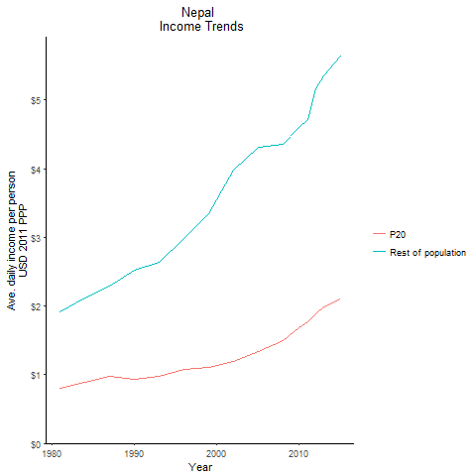
CountryName | P20 | Rest of population | Year
Nepal | 0.79710848197 | 1.9100246456 | 1981
Nepal | 0.89669967486 | 2.1146025297 | 1984
Nepal | 0.93660682809 | 2.5274981721 | 1990
Nepal | 0.97216996348 | 2.2879597619 | 1987
Nepal | 0.97738472027 | 2.6416667358 | 1993
Nepal | 1.0846606495 | 2.9798613889 | 1996
Nepal | 1.0993098151 | 3.3518395872 | 1999
Nepal | 1.1908082936 | 3.9849425751 | 2002
Nepal | 1.3319165258 | 4.3142556192 | 2005
Nepal | 1.4993860525 | 4.3548039984 | 2008
Nepal | 1.6860931808 | 4.6032260935 | 2010
Nepal | 1.7739219335 | 4.7223763357 | 2011
Nepal | 1.8882506918 | 5.1623410111 | 2012
Nepal | 1.9830889086 | 5.3482971735 | 2013
Nepal | 2.0979447622 | 5.6365145949 | 2015

Pakistan
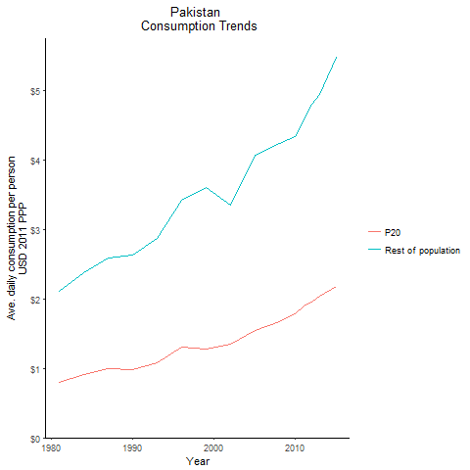
CountryName | P20 | Rest of population | Year
Pakistan | 0.7925013472 | 2.1140981467 | 1981
Pakistan | 0.91379369471 | 2.3814880452 | 1984
Pakistan | 0.98794758359 | 2.6378456301 | 1990
Pakistan | 0.99842720073 | 2.5846538136 | 1987
Pakistan | 1.0871659123 | 2.8792093151 | 1993
Pakistan | 1.3070757027 | 3.429177168 | 1996
Pakistan | 1.2830387383 | 3.6035078727 | 1999
Pakistan | 1.3484483182 | 3.3467665665 | 2002
Pakistan | 1.5398782471 | 4.0672221219 | 2005
Pakistan | 1.6716862875 | 4.2424375277 | 2008
Pakistan | 1.7845025661 | 4.3449801734 | 2010
Pakistan | 1.9024628573 | 4.5806154913 | 2011
Pakistan | 1.9602823349 | 4.8032613876 | 2012
Pakistan | 2.0440318382 | 4.9525752662 | 2013
Pakistan | 2.1783944383 | 5.4765070183 | 2015

Sri Lanka
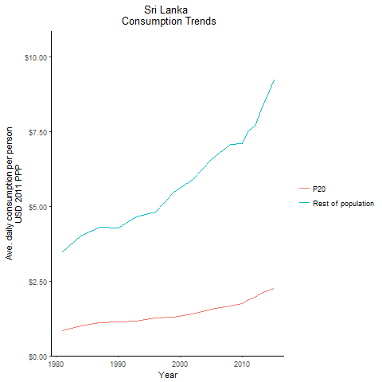
CountryName | P20 | Rest of population | Year
Sri Lanka | 0.85213839356 | 3.4914672677 | 1981
Sri Lanka | 1.0033133772 | 4.0175444322 | 1984
Sri Lanka | 1.1337468479 | 4.2790269121 | 1990
Sri Lanka | 1.1170450597 | 4.2952900504 | 1987
Sri Lanka | 1.1610052312 | 4.6415228964 | 1993
Sri Lanka | 1.2639725978 | 4.8142846319 | 1996
Sri Lanka | 1.307285573 | 5.4793508235 | 1999
Sri Lanka | 1.3966500995 | 5.9101664513 | 2002
Sri Lanka | 1.570665235 | 6.5704100954 | 2005
Sri Lanka | 1.670724663 | 7.0864951294 | 2008
Sri Lanka | 1.7568434551 | 7.0902783711 | 2010
Sri Lanka | 1.8906311748 | 7.5360773889 | 2011
Sri Lanka | 1.9600888509 | 7.6758441728 | 2012
Sri Lanka | 2.0906501145 | 8.2375460009 | 2013
Sri Lanka | 2.2536977438 | 9.2347888896 | 2015

Maldives
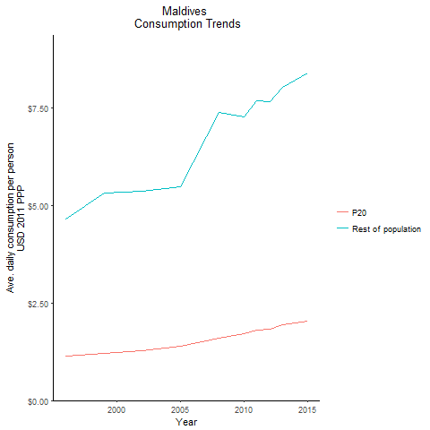
CountryName | P20 | Rest of population | Year
Maldives | 1.14136003 | 4.6374764021 | 1996
Maldives | 1.2005693609 | 5.3054244593 | 1999
Maldives | 1.2668221935 | 5.3514869369 | 2002
Maldives | 1.3936253881 | 5.4643745938 | 2005
Maldives | 1.5953842196 | 7.371634234 | 2008
Maldives | 1.7078455025 | 7.252788121 | 2010
Maldives | 1.8124651646 | 7.6664297815 | 2011
Maldives | 1.8282620715 | 7.6647798219 | 2012
Maldives | 1.9299128426 | 8.0208194978 | 2013
Maldives | 2.0326965404 | 8.3865646663 | 2015

