Exchange Rate
Country | Subject Descriptor | Units | Scale | Country/Series-specific Notes | 2015 | 2016 | 2017 | 2018 | 2019 | Estimates Start After
Kenya | Gross domestic product, current prices | National currency | Billions | Source: National Statistics Office Latest actual data: 2016 National accounts manual used: System of National Accounts (SNA) 2008 GDP valuation: Market prices Start/end months of reporting year: January/December Base year: 2009 Chain-weighted: No Primary domestic currency: Kenya shillings Data last updated: 09/2018 | 6,284.19 | 7,194.15 | 8,195.75 | 9,151.28 | 10,271.66 | 2016
Kenya | Gross domestic product, current prices | U.S. dollars | Billions | See notes for: Gross domestic product, current prices (National currency). | 64.236 | 70.876 | 79.223 | 89.591 | 98.264 | 2016

International Monetary Fund, World Economic Outlook Database, October 2018

 |  |  |  | E | 97.829674949 | 101.50331565 | 103.45168701 | 102.14502573 | 104.53122201

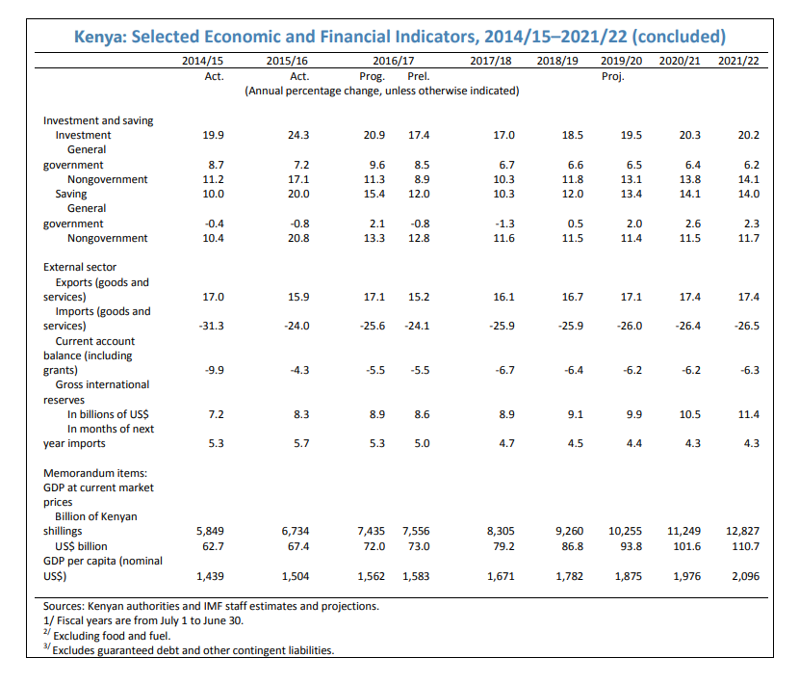

 |  |  |  |  | unit | 2015/16 | 2016/17 | 2017/18
 |  |  |  | Kenya GDP | ksh | 6734 | 7435 | 8305
 |  |  |  | Kenya GDP | US$ | 67.4 | 72 | 79.2
 |  |  |  |  | E (ksh/US$) | 99.910979228 | 103.26388889 | 104.86111111

 |  |  |  |  |  | 2% | 0% | -3%

