Native PivotTables
NATIVE EXCEL PIVOTTABLES AND PIVOTCHARTS
Source: Cleaned Data sheet. Fields absent from the supplied files cannot be analyzed.

Average AQI by Hour
Average AQI by Season
Row Labels | Average AQI | Row Labels | Average AQI
0 | 123.9 | Autumn | 131.0
1 | 112.7 | Spring | 130.2
2 | 99.3 | Summer | 115.1
3 | 129.9 | Winter | 155.4
4 | 94.9 | Grand Total | 132.3
5 | 83.4
6 | 94.9
7 | 117.3
8 | 140.0
9 | 147.4
10 | 149.7
11 | 146.3
12 | 141.5
13 | 137.3
14 | 134.7
15 | 135.1
16 | 140.8
17 | 151.3
18 | 160.2
19 | 164.3
20 | 160.1
21 | 147.8
22 | 134.2
23 | 128.4
Grand Total | 132.3

Row Labels | Average AQI
Sunday | 114.6
Monday | 130.7
Tuesday | 135.8
Wednesday | 138.5
Thursday | 138.8
Friday | 140.2
Average AQI by Weekday
Saturday | 128.5
Grand Total | 132.3

Summary
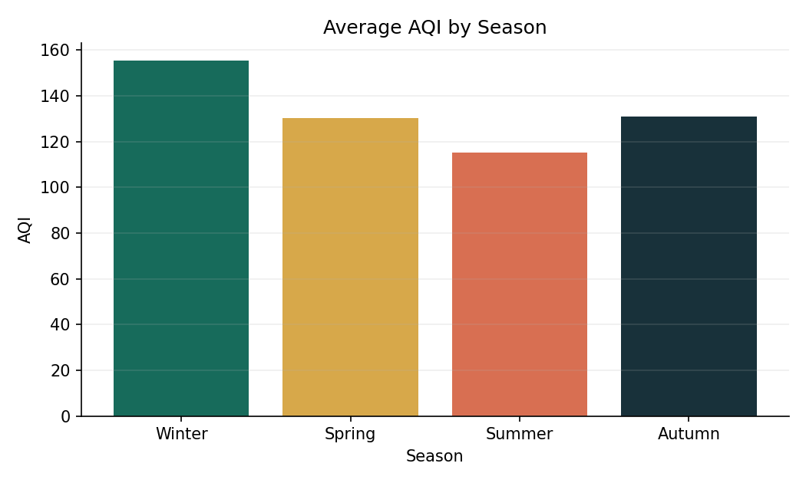
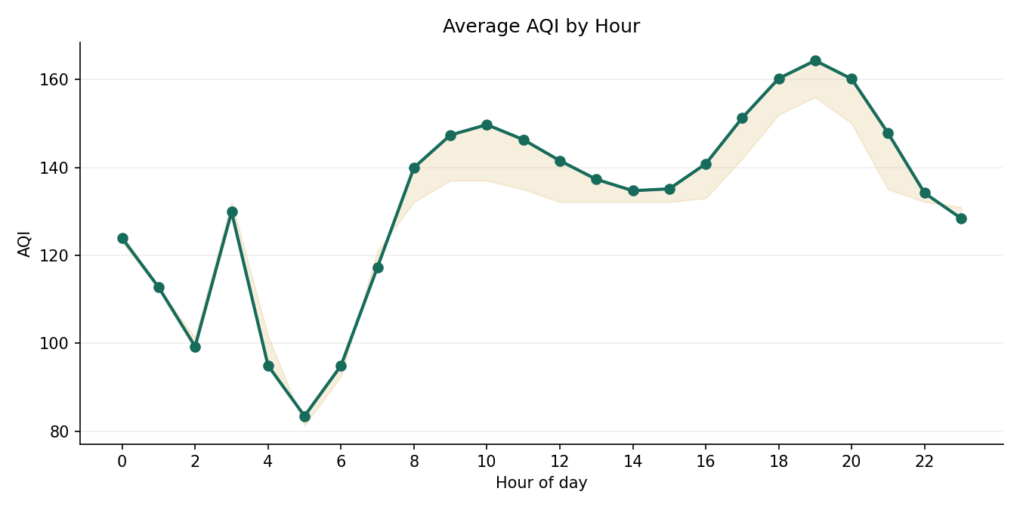
ECOAIR | AIR QUALITY INSIGHT
UCI hourly sensor dataset, 10 Mar 2004 to 4 Apr 2005; not the city-level dataset in the brief.
Result | Value | Interpretation
Rows analysed | 8991 | Prepared readings with aligned timestamps
Highest mean AQI hour | 19 | Mean AQI 164.3
Highest mean AQI season | Winter | Mean AQI 155.4
Model MAE | 0.52 | Mean baseline MAE 49.15
Model test R2 | 0.997 | Chronological final 20% holdout
Important limitation | No city/station/traffic/wind/rain fields | Do not infer their effects from this dataset
Model use | AQI nowcast proxy | Same-period sensor measurements estimate the provided AQI field; not a future forecast

Time Patterns
Mean AQI by Hour
hour | mean_aqi | median_aqi | count
0 | 123.92341118 | 123 | 372
1 | 112.73205052 | 112.5 | 374
2 | 99.271176922 | 101.25 | 375
3 | 129.88836252 | 132.14513729 | 376
4 | 94.912584677 | 101.62139161 | 377
5 | 83.449042418 | 81.25 | 377
6 | 94.921659875 | 92.5 | 376
7 | 117.32796746 | 121 | 376
8 | 139.95322596 | 132.14513729 | 376
9 | 147.37036794 | 137 | 378
10 | 149.72939081 | 137 | 377
11 | 146.31920375 | 135 | 376
12 | 141.53636288 | 132.14513729 | 377
13 | 137.29541239 | 132.14513729 | 377
14 | 134.70419912 | 132.14513729 | 374
15 | 135.12890055 | 132.14513729 | 374
16 | 140.81920554 | 133 | 373
17 | 151.26719207 | 142 | 371
18 | 160.23045256 | 152 | 373
19 | 164.30712954 | 156 | 371
20 | 160.14476472 | 150 | 373
21 | 147.78134659 | 135 | 373
22 | 134.17614367 | 132.14513729 | 373
23 | 128.43158396 | 131 | 372

Season & Weekday
Mean AQI by season / weekday
group | label | mean | median | count
season | Winter | 155.37499319 | 147 | 1943
season | Spring | 130.23978519 | 132.14513729 | 2763
season | Summer | 115.05034924 | 121 | 2120
season | Autumn | 130.99361839 | 132.14513729 | 2165
weekday | Monday | 130.65850901 | 132.14513729 | 1303
weekday | Tuesday | 135.76305399 | 132.14513729 | 1276
weekday | Wednesday | 138.46584337 | 132.14513729 | 1251
weekday | Thursday | 138.84347038 | 132.14513729 | 1274
weekday | Friday | 140.15070845 | 132.14513729 | 1242
weekday | Saturday | 128.50997894 | 132.14513729 | 1328
weekday | Sunday | 114.6063668 | 120 | 1317

Weather & Pollutants
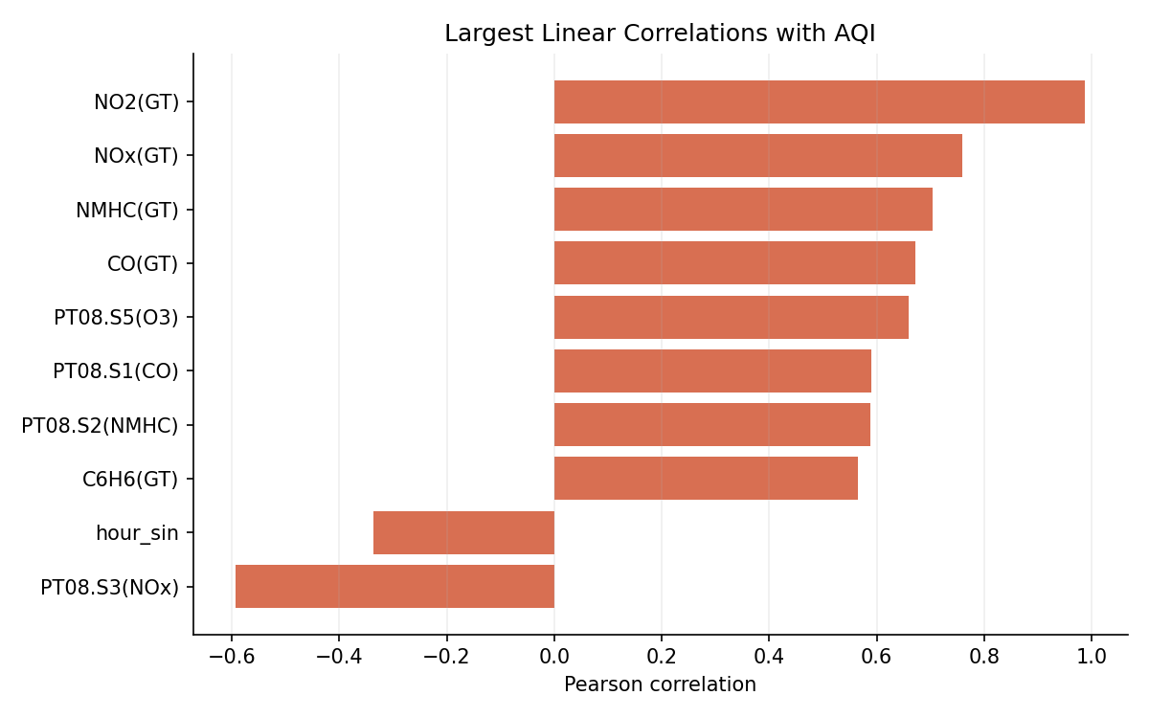
feature | correlation_with_aqi
NO2(GT) | 0.98759196064
NOx(GT) | 0.75838709537
NMHC(GT) | 0.70480671576
CO(GT) | 0.67170134019
PT08.S5(O3) | 0.65894267761
PT08.S3(NOx) | -0.59298554185
PT08.S1(CO) | 0.59010416231
PT08.S2(NMHC) | 0.5889098619
C6H6(GT) | 0.56427971894
hour_sin | -0.33649403555
hour | 0.3261447412
temp_humidity_interaction | -0.30976406424
AH | -0.29665892909
T | -0.175369836
hour_cos | -0.16897637104
month | -0.16049331371
is_weekend | -0.15826254681
PT08.S4(NO2) | 0.15486371468
day_of_week_num | -0.10178757675
RH | -0.073510771358

