NV_runs
10 cases analysis
 | Exp001 | Exp002 | Exp003
cases selected | Sub0014 Sub0026 Sub0030 Sub0047 Sub0049 Sub0051 Sub0096 Sub0105 Sub0112 Sub0122
Acc rate | 4.9; 6,3; 6,9 | 8, 16 ,24
INPUTfolder name | CINE_test_accx | h5_converted
OUTPUT folder name | CINE_test_accx | h5_converted
EVALUATION METRICS | NRMSE, PSNR, SSIM | NRMSE, PSNR, SSIM
ACS region fill | Yes | No

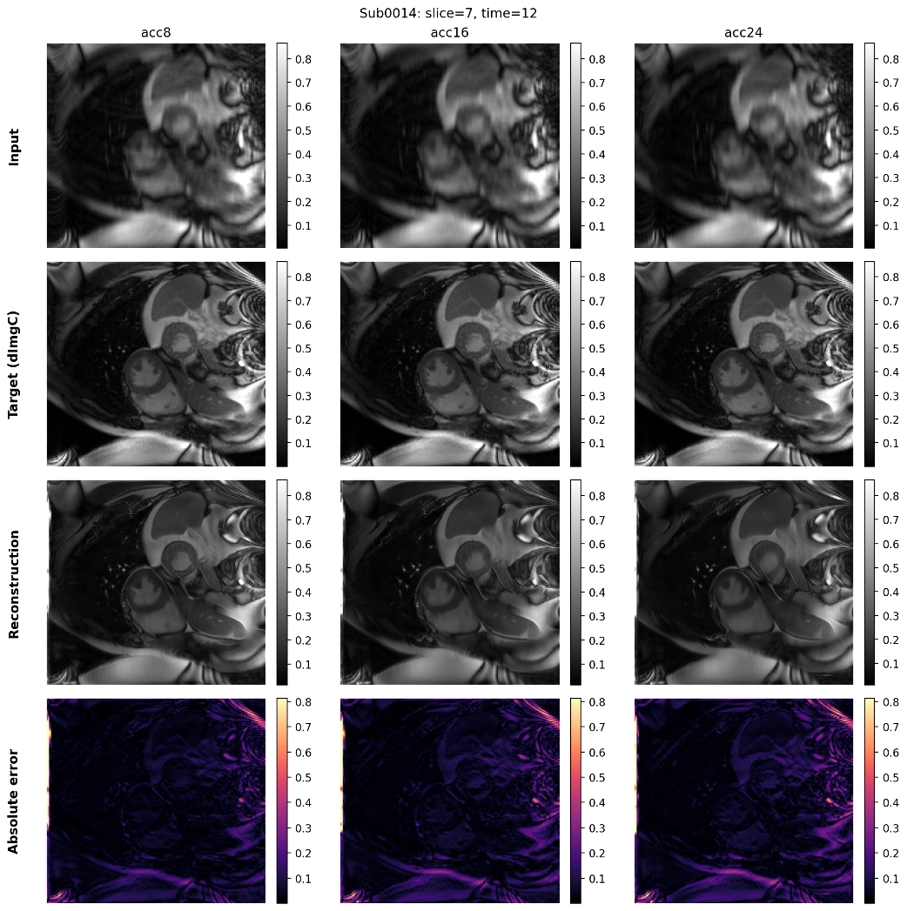
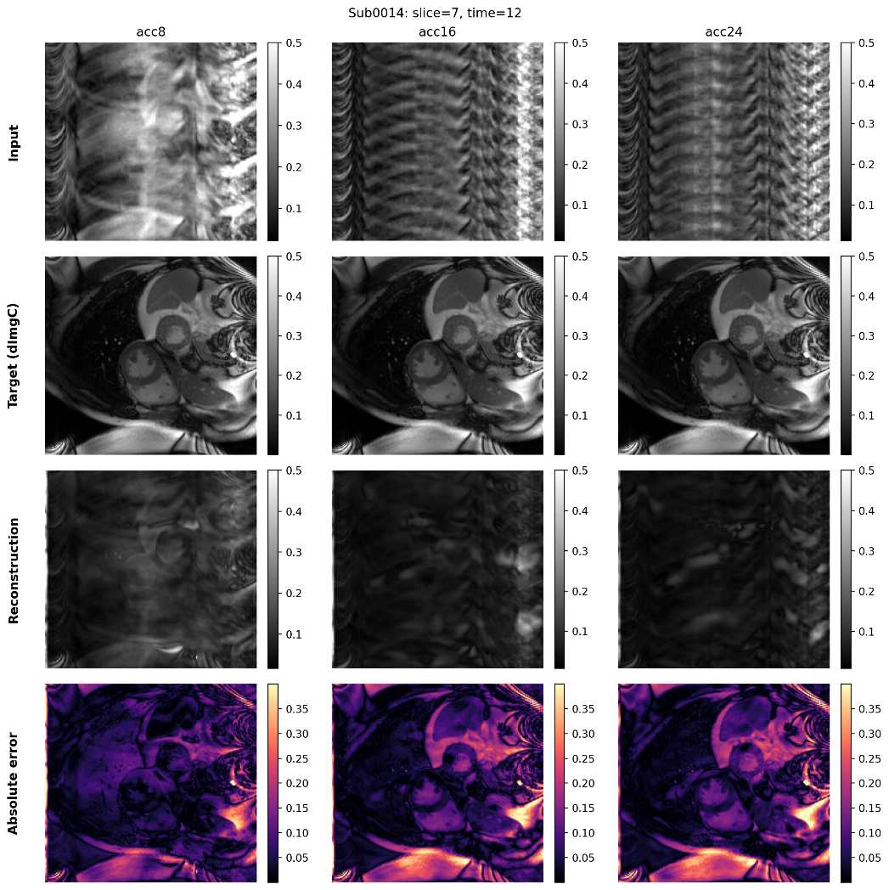
Single case analysis
 | Exp 001 |  |  | Exp 002
PLOT

