Vue-Directives
Vue-Directives

 | 1 | v-text
 | 2 | v-html
 | 3 | v-show
 | 4 | v-if
 | 5 | v-else
 | 6 | v-else-if
 | 7 | v-for
 | 8 | v-on
 | 9 | v-bind
 | 10 | v-model
 | 11 | v-slot
 | 12 | v-pre
 | 13 | v-cloak
 | 14 | v-once

 | １） | v-text
 |  | ・ | Updates the element’s textContent. If you need to update the part of textContent, you should use {{ Mustache }} interpolations.
 |  | ・ | Example:

 |  |  |  |  | <span v-text="msg"></span>
 |  |  |  |  | <!-- same as -->
 |  |  |  |  | <span>{{msg}}</span>

 | ２） | v-html
 |  | ・ | Updates the element’s innerHTML. Note that the contents are inserted as plain HTML - they will not be compiled as Vue templates.
 |  |  | If you find yourself trying to compose templates using v-html, try to rethink the solution by using components instead.
 |  |  | ※ | Dynamically rendering arbitrary HTML on your website can be very dangerous because it can easily lead to XSS attacks. Only use v-html on trusted content and never on user-provided content.
 |  |  | ※ | In single-file components, scoped styles will not apply to content inside v-html, because that HTML is not processed by Vue’s template compiler. If you want to target v-html content
 |  |  |  | with scoped CSS, you can instead use CSS modules or an additional, global <style> element with a manual scoping strategy such as BEM.
 |  | ・ | Example:

 |  |  |  |  | <div v-html="html"></div>

 | ３） | v-show
 |  | ・ | Toggles the element’s display CSS property based on the truthy-ness of the expression value.This directive triggers transitions when its condition changes.
 |  |  | Another option for conditionally displaying an element is the v-show directive. The usage is largely the same:
 |  |  | The difference is that an element with v-show will always be rendered and remain in the DOM; v-show only toggles the display CSS property of the element.
 |  |  | ※Note that v-show doesn’t support the <template> element, nor does it work with v-else.
 |  | ・ | Example:

 |  |  |  |  | <h1 v-show="ok">Hello!</h1>

 | ４） | v-if
 |  | ・ | Conditionally render the element based on the truthy-ness of the expression value. The element and its contained directives / components are destroyed and re-constructed during toggles.
 |  |  | If the element is a <template> element, its content will be extracted as the conditional block.
 |  |  | This directive triggers transitions when its condition changes.
 |  |  | The directive v-if is used to conditionally render a block. The block will only be rendered if the directive’s expression returns a truthy value.
 |  | ・ | Example:

 |  |  |  |  | <h1 v-if="awesome">Vue is awesome!</h1>

 |  |  | It is also possible to add an “else block” with v-else:

 |  |  |  |  | <h1 v-if="awesome">Vue is awesome!</h1>
 |  |  |  |  | <h1 v-else>Oh no 😢</h1>

 |  | ※ | Conditional Groups with v-if on <template>
 |  |  | ・ | Because v-if is a directive, it has to be attached to a single element. But what if we want to toggle more than one element?
 |  |  |  | In this case we can use v-if on a <template> element, which serves as an invisible wrapper. The final rendered result will not include the <template> element.
 |  |  | ・ | Example:
 |  |  |  |  |  | <template v-if="ok">
 |  |  |  |  |  | <h1>Title</h1>
 |  |  |  |  |  | <p>Paragraph 1</p>
 |  |  |  |  |  | <p>Paragraph 2</p>
 |  |  |  |  |  | </template>

 | ５） | v-else
 |  | ・ | Denote the “else block” for v-if or a v-if/v-else-if chain.You can use the v-else directive to indicate an “else block” for v-if
 |  |  | ※ | previous sibling element must have v-if or v-else-if、A v-else element must immediately follow a v-if or a v-else-if element - otherwise it will not be recognized.
 |  | ・ | Example:

 |  |  |  |  | <div v-if="Math.random() > 0.5">
 |  |  |  |  | Now you see me
 |  |  |  |  | </div>
 |  |  |  |  | <div v-else>
 |  |  |  |  | Now you don't
 |  |  |  |  | </div>

 | ６） | v-else-if
 |  | ・ | Denote the “else if block” for v-if. Can be chained.
 |  | ・ | The v-else-if, as the name suggests, serves as an “else if block” for v-if. It can also be chained multiple times:
 |  | ※ | Similar to v-else, a v-else-if element must immediately follow a v-if or a v-else-if element.
 |  | ・ | Example:

 |  |  |  |  | <div v-if="type === 'A'">
 |  |  |  |  | A
 |  |  |  |  | </div>
 |  |  |  |  | <div v-else-if="type === 'B'">
 |  |  |  |  | B
 |  |  |  |  | </div>
 |  |  |  |  | <div v-else-if="type === 'C'">
 |  |  |  |  | C
 |  |  |  |  | </div>
 |  |  |  |  | <div v-else>
 |  |  |  |  | Not A/B/C
 |  |  |  |  | </div>

 | ７） | v-for |  | ※Array | Object | number | string | Iterable (since 2.6)
 |  | ・ | Render the element or template block multiple times based on the source data. The directive's value must use the special syntax alias in expression to provide an alias for the current element being iterated on:
 |  | ・ | Example:

 |  |  |  | <div v-for="item in items">
 |  |  |  | {{ item.text }}
 |  |  |  | </div>

 |  |  | Alternatively, you can also specify an alias for the index (or the key if used on an Object):

 |  |  |  | <div v-for="(item, index) in items"></div>
 |  |  |  | <div v-for="(value, key) in object"></div>
 |  |  |  | <div v-for="(value, name, index) in object"></div>

 |  | ※ | The default behavior of v-for will try to patch the elements in-place without moving them. To force it to reorder elements, you should provide an ordering hint with the key special attribute:

 |  |  |  | <div v-for="item in items" :key="item.id">
 |  |  |  | {{ item.text }}
 |  |  |  | </div>

 | ８） | v-on |  | ※Function | Inline Statement | Object
 |  | ・ | Shorthand: @
 |  | ・ | Modifiers: |  |  | .stop - call event.stopPropagation().
 |  |  |  |  |  | .prevent - call event.preventDefault().
 |  |  |  |  |  | .capture - add event listener in capture mode.
 |  |  |  |  |  | .self - only trigger handler if event was dispatched from this element.
 |  |  |  |  |  | .{keyAlias} - only trigger handler on certain keys.
 |  |  |  |  |  | .once - trigger handler at most once.
 |  |  |  |  |  | .left - only trigger handler for left button mouse events.
 |  |  |  |  |  | .right - only trigger handler for right button mouse events.
 |  |  |  |  |  | .middle - only trigger handler for middle button mouse events.
 |  |  |  |  |  | .passive - attaches a DOM event with { passive: true }.

 |  | ・ | Attaches an event listener to the element. The event type is denoted by the argument. The expression can be a method name, an inline statement, or omitted if there are modifiers present.
 |  |  | When used on a normal element, it listens to native DOM events (opens new window)only. When used on a custom element component, it listens to custom events emitted on that child component.
 |  |  | When listening to native DOM events, the method receives the native event as the only argument. If using inline statement, the statement has access to the special $event property: v-on:click="handle('ok', $event)".
 |  |  | v-on also supports binding to an object of event/listener pairs without an argument. Note when using the object syntax, it does not support any modifiers.
 |  | ・ | Example:
 |  |  |  |  |  |  |  |  |  | Listening to custom events on a child component (the handler is called when "my-event" is emitted on the child):
 |  |  |  | <!-- method handler --> |  |  |  |  |  |  | <my-component @my-event="handleThis"></my-component>
 |  |  |  | <button v-on:click="doThis"></button>
 |  |  |  |  |  |  |  |  |  |  | <!-- inline statement -->
 |  |  |  | <!-- dynamic event --> |  |  |  |  |  |  | <my-component @my-event="handleThis(123, $event)"></my-component>
 |  |  |  | <button v-on:[event]="doThis"></button>

 |  |  |  | <!-- inline statement -->
 |  |  |  | <button v-on:click="doThat('hello', $event)"></button>

 |  |  |  | <!-- shorthand -->
 |  |  |  | <button @click="doThis"></button>

 |  |  |  | <!-- shorthand dynamic event -->
 |  |  |  | <button @[event]="doThis"></button>

 |  |  |  | <!-- stop propagation -->
 |  |  |  | <button @click.stop="doThis"></button>

 |  |  |  | <!-- prevent default -->
 |  |  |  | <button @click.prevent="doThis"></button>

 |  |  |  | <!-- prevent default without expression -->
 |  |  |  | <form @submit.prevent></form>

 |  |  |  | <!-- chain modifiers -->
 |  |  |  | <button @click.stop.prevent="doThis"></button>

 |  |  |  | <!-- key modifier using keyAlias -->
 |  |  |  | <input @keyup.enter="onEnter" />

 |  |  |  | <!-- the click event will be triggered at most once -->
 |  |  |  | <button v-on:click.once="doThis"></button>

 |  |  |  | <!-- object syntax -->
 |  |  |  | <button v-on="{ mousedown: doThis, mouseup: doThat }"></button>

 | ９） | v-bind |  |  | ※any (with argument) | Object (without argument) |  |  |  |  |  | ※ | Raw: user login count
 |  | ・ | Shorthand: 「: 」or 「.」 (when using .prop modifier) |  |  |  |  |  |  |  | ① | Kebab Case | ： | user-login-count
 |  | ・ | Modifiers: |  |  | .camel - transform the kebab-case attribute name into camelCase. |  |  |  |  | ② | Camel Case | ： | userLoginCount
 |  |  |  |  |  | .prop - force a binding to be set as a DOM property. |  |  |  |  | ③ | Pascal Case | ： | UserLoginCount
 |  |  |  |  |  | .attr - force a binding to be set as a DOM attribute. |  |  |  |  | ④ | Snake Case | ： | user_login_count
 |  | ・ | Dynamically bind one or more attributes, or a component prop to an expression. |  |  |  |  |  |  |  |  | ※Snake Case (All Caps): USER_LOGIN_COUNT
 |  |  | When used to bind the class or style attribute, it supports additional value types such as Array or Objects.
 |  |  | When used for prop binding, the prop must be properly declared in the child component.
 |  |  | When used without an argument, can be used to bind an object containing attribute name-value pairs. Note in this mode class and style does not support Array or Objects.
 |  | ・ | Example:

 |  |  |  | <!-- bind an attribute -->
 |  |  |  | <img v-bind:src="imageSrc" />

 |  |  |  | <!-- dynamic attribute name -->
 |  |  |  | <button v-bind:[key]="value"></button>

 |  |  |  | <!-- shorthand -->
 |  |  |  | <img :src="imageSrc" />

 |  |  |  | <!-- shorthand dynamic attribute name -->
 |  |  |  | <button :[key]="value"></button>

 |  |  |  | <!-- with inline string concatenation -->
 |  |  |  | <img :src="'/path/to/images/' + fileName" />

 |  |  |  | <!-- class binding -->
 |  |  |  | <div :class="{ red: isRed }"></div>
 |  |  |  | <div :class="[classA, classB]"></div>
 |  |  |  | <div :class="[classA, { classB: isB, classC: isC }]"></div>

 |  |  |  | <!-- style binding -->
 |  |  |  | <div :style="{ fontSize: size + 'px' }"></div>
 |  |  |  | <div :style="[styleObjectA, styleObjectB]"></div>

 |  |  |  | <!-- binding an object of attributes -->
 |  |  |  | <div v-bind="{ id: someProp, 'other-attr': otherProp }"></div>

 |  |  |  | <!-- prop binding. "prop" must be declared in my-component. -->
 |  |  |  | <my-component :prop="someThing"></my-component>

 |  |  |  | <!-- pass down parent props in common with a child component -->
 |  |  |  | <child-component v-bind="$props"></child-component>

 |  |  |  | <!-- XLink -->
 |  |  |  | <svg><a :xlink:special="foo"></a></svg>

 |  | ・ | When setting a binding on an element, Vue by default checks whether the element has the key defined as a property using an in operator check. If the property is defined,
 |  |  | Vue will set the value as a DOM property instead of an attribute. This should work in most cases, but you can override this behavior by explicitly using .prop or .attr modifiers.
 |  |  | This is sometimes necessary, especially when working with custom elements.
 |  | ・ | The .prop modifier also has a dedicated shorthand, .

 |  |  |  | <div :someProperty.prop="someObject"></div>

 |  |  |  | <!-- equivalent to -->
 |  |  |  | <div .someProperty="someObject"></div>

 | １０） |  | v-model
 |  | ・ | varies based on value of form inputs element or output of components
 |  | ・ | Limited to: |  |  | <input>
 |  |  |  |  |  | <select>
 |  |  |  |  |  | <textarea>
 |  |  |  |  |  | components
 |  | ・ | Modifiers: |  |  | .lazy - listen to change events instead of input
 |  |  |  |  |  | .number - cast valid input string to numbers
 |  |  |  |  |  | .trim - trim input

 |  | ・ | Create a two-way binding on a form input element or a component. For detailed usage and other notes, see the Guide section linked below.
 |  | ・ | Example
 |  |  |  |  | <input v-model="message" placeholder="edit me" />
 |  |  |  |  | <p>Message is: {{ message }}</p>

 | １１） |  | v-slot
 |  | ・ | Shorthand: #
 |  | ・ | Limited to: |  |  | <template>
 |  |  |  |  |  | components (for a lone default slot with props)
 |  | ・ | Denote named slots or slots that expect to receive props.
 |  | ・ | Example

 |  |  |  | <!-- Named slots -->
 |  |  |  | <base-layout>
 |  |  |  | <template v-slot:header>
 |  |  |  | Header content
 |  |  |  | </template>

 |  |  |  | <template v-slot:default>
 |  |  |  | Default slot content
 |  |  |  | </template>

 |  |  |  | <template v-slot:footer>
 |  |  |  | Footer content
 |  |  |  | </template>
 |  |  |  | </base-layout>

 |  |  |  | <!-- Named slot that receives props -->
 |  |  |  | <infinite-scroll>
 |  |  |  | <template v-slot:item="slotProps">
 |  |  |  | <div class="item">
 |  |  |  | {{ slotProps.item.text }}
 |  |  |  | </div>
 |  |  |  | </template>
 |  |  |  | </infinite-scroll>

 |  |  |  | <!-- Default slot that receive props, with destructuring -->
 |  |  |  | <mouse-position v-slot="{ x, y }">
 |  |  |  | Mouse position: {{ x }}, {{ y }}
 |  |  |  | </mouse-position>

 |  |  | 上のの説明がちょっと難しいいから下記の説明を見ようか。
 |  |  | ・ | slotとは親となるコンポーネント側から、子のコンポーネントのテンプレートの一部を差し込む機能 です。
 |  |  | ・ | デフォルトのslot、名前付きslot、スコープ付きslotの三つのSlotがあり

 |  |  | Slot利用しない場合 |  |  |  |  |  | Slot利用した場合
 |  |  | ① | 以下のファイルを作成する。
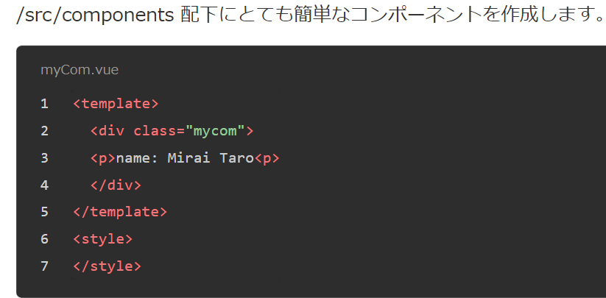
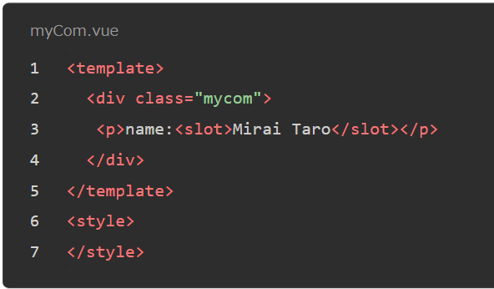

 |  |  | ② | 親から上記のVueファイルを呼び出す
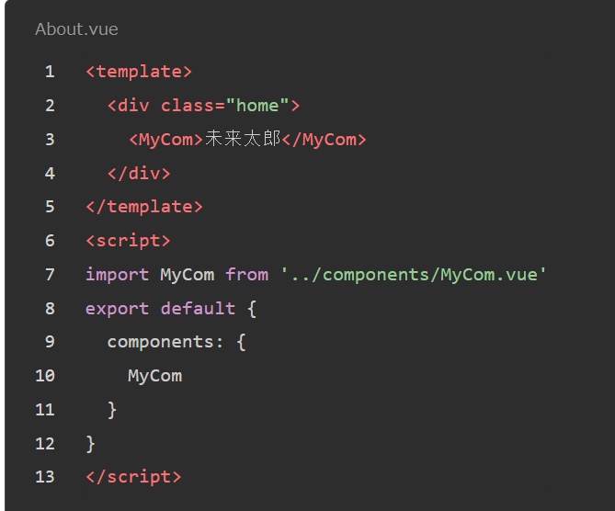

 |  |  | ③ | その場合結果は以下の通りです。Componentの文字が上書き
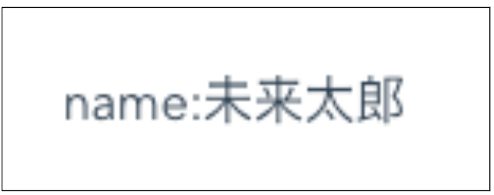

 |  |  | サンプルソース参照できます。
 |  |  | https://github.com/ZIN-THI-THI-TUN/vue-training/tree/vSlotExample
 |  |  | https://reffect.co.jp/vue/vue-js-slot-scoped-slot

 | １２） |  | v-pre
 |  |  | ・ | Skip compilation for this element and all its children. You can use this for displaying raw mustache tags. Skipping large numbers of nodes with no directives on them can also speed up compilation.
 |  |  | ・ | Example

 |  |  |  | <span v-pre>{{ this will not be compiled }}</span>

 |  |  | サンプルソース参照できます。
 |  |  | https://algorithm.joho.info/programming/javascript/vue-js-v-pre/

 | １３） |  | v-cloak
 |  |  | ・ | This directive will remain on the element until the associated component instance finishes compilation. Combined with CSS rules such as [v-cloak] { display: none },
 |  |  |  | this directive can be used to hide un-compiled mustache bindings until the component instance is ready.
 |  |  | ・ | Example

 |  |  |  | css |  |  | html
 |  |  |  |  | [v-cloak] { |  |  | <div v-cloak>
 |  |  |  |  | display: none; |  |  | {{ message }}
 |  |  |  |  | } |  |  | </div>

 |  |  | サンプルソース参照できます。
 |  |  | https://mebee.info/2019/11/21/post-3420/

 | １４） |  | v-once
 |  |  | ・ | Render the element and component once only. On subsequent re-renders, the element/component and all its children will be treated as static content and skipped. This can be used to optimize update performance.
 |  |  | ・ | Example

 |  |  |  | <!-- single element -->
 |  |  |  | <span v-once>This will never change: {{msg}}</span>
 |  |  |  | <!-- the element have children -->
 |  |  |  | <div v-once>
 |  |  |  | <h1>comment</h1>
 |  |  |  | <p>{{msg}}</p>
 |  |  |  | </div>
 |  |  |  | <!-- component -->
 |  |  |  | <my-component v-once :comment="msg"></my-component>
 |  |  |  | <!-- `v-for` directive -->
 |  |  |  | <ul>
 |  |  |  | <li v-for="i in list" v-once>{{i}}</li>
 |  |  |  | </ul>

