clarification
S1 - set number
S - sorted
U - unsorted
soil - natural condition

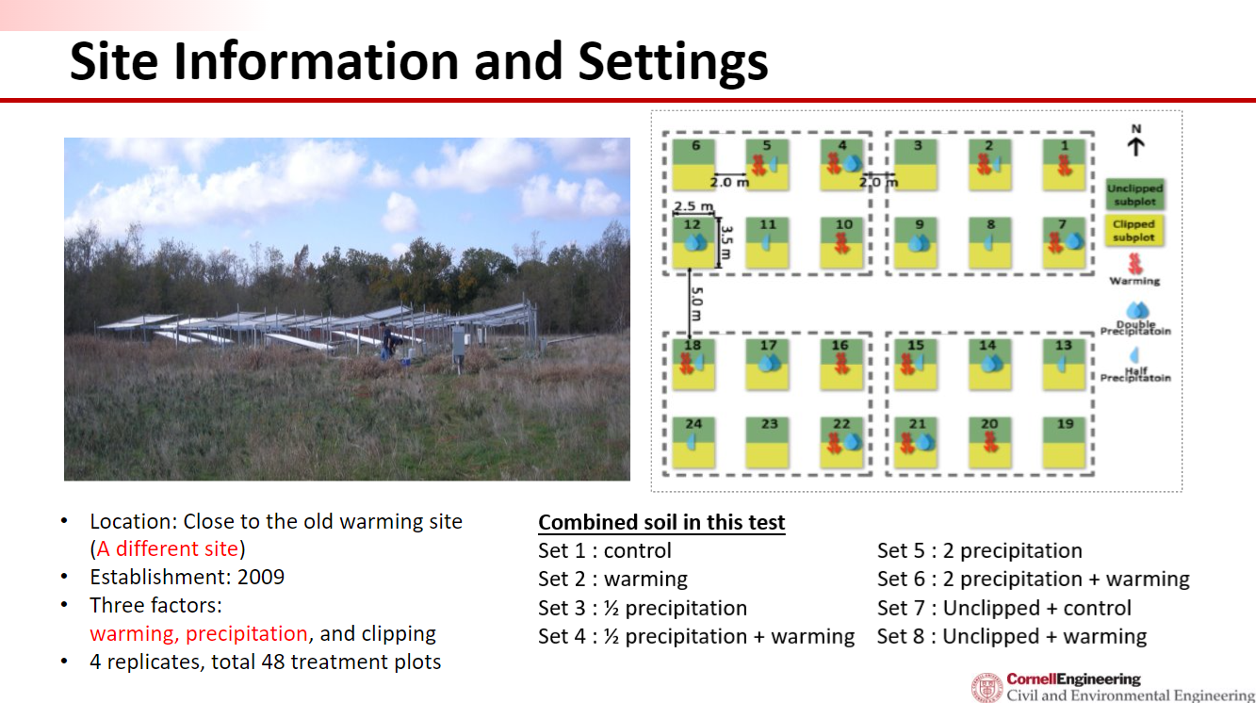
https://drive.google.com/drive/folders/1fSW1iS020G9pt_muDz_lkJTsNFck2h4i?usp=share_link

16S name | set name | natural | sorted | AP is Alkaline Phosphatase
 |  | 1 means this is natural soil with no plants, 0 means soil with plants | 1 means sorted, 0 means unsorted, -1 means no experiments conducted; FACS sorted PAO

