Sheet1
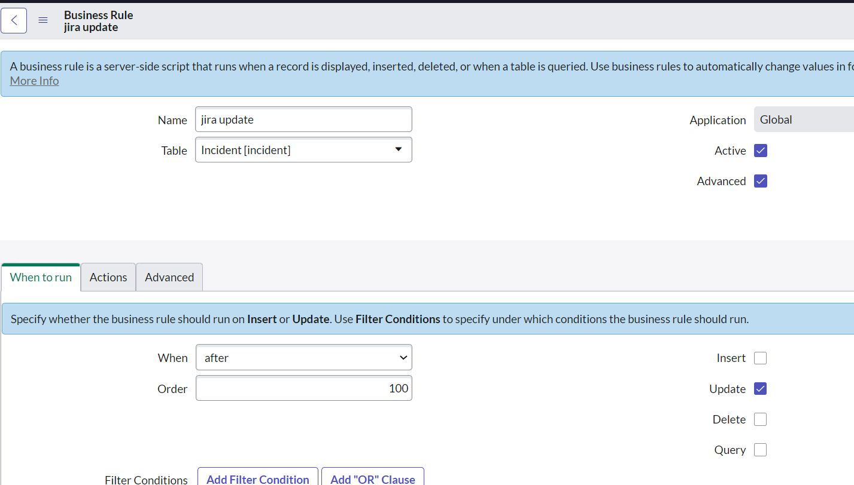
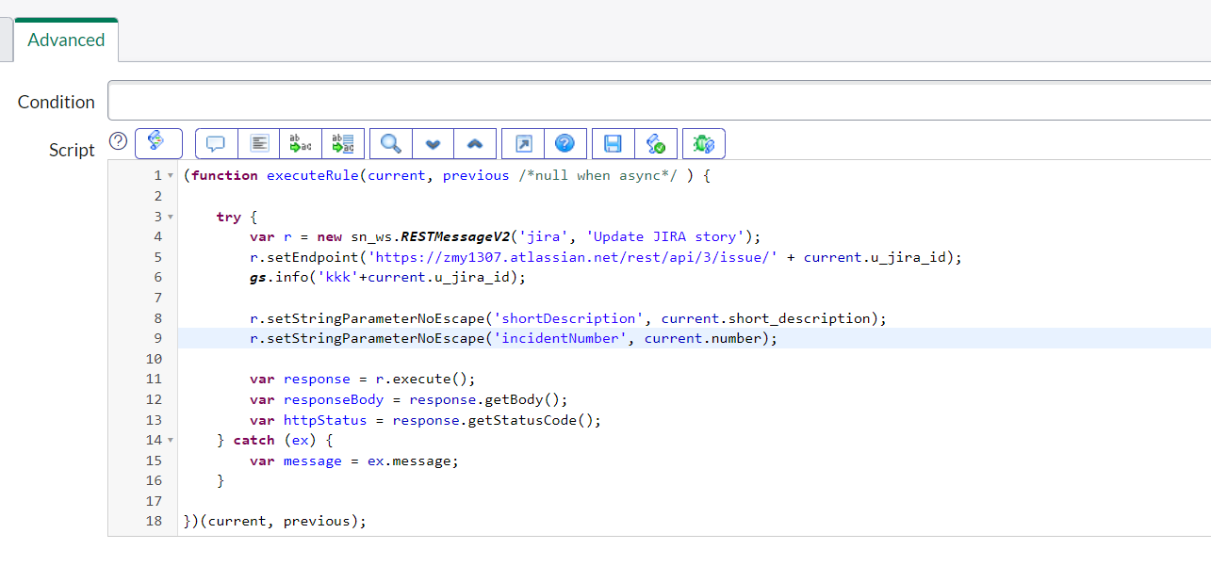
JIRA configuration

1. Create a Project in JIRA

2.Create an Authentication token in JIRA

 | i. Click on Security, then Go to Create and Manage API tokens
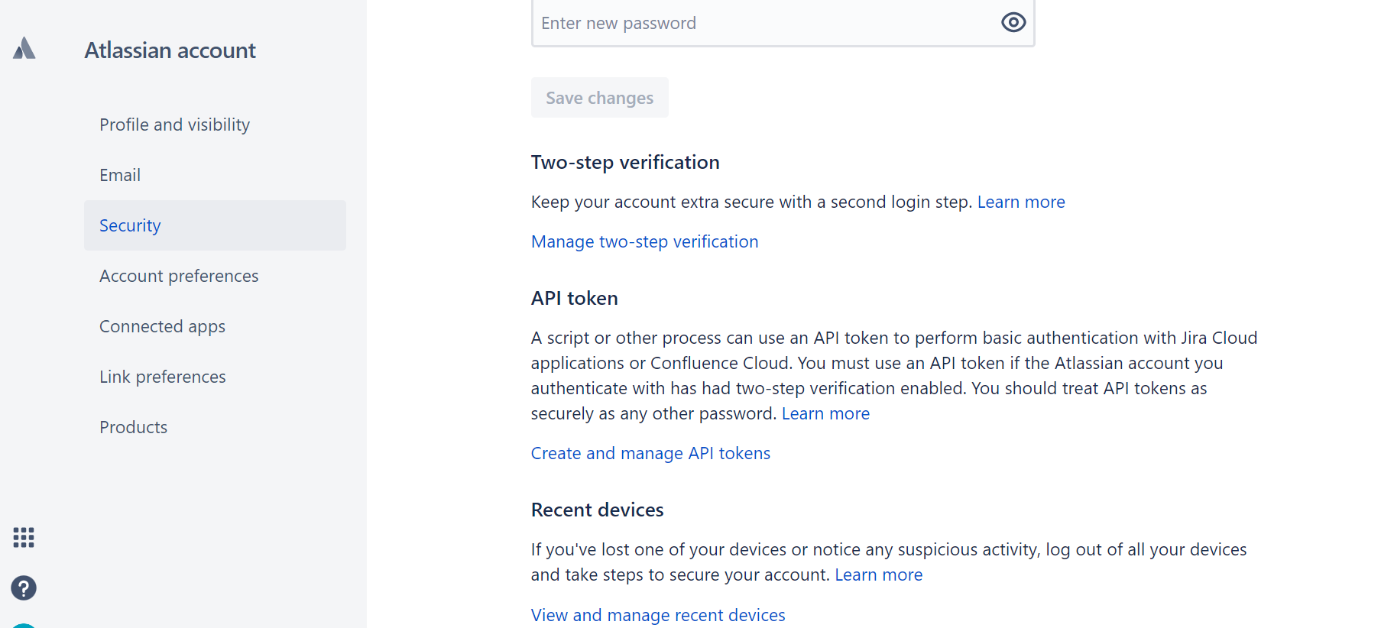

 | ii. Click on Create API Token, then copy this API Key somewhere as it is visible only at the time of creation.

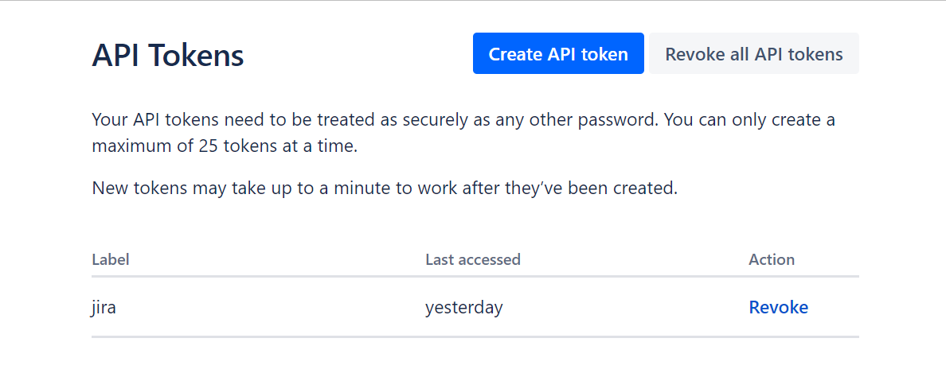

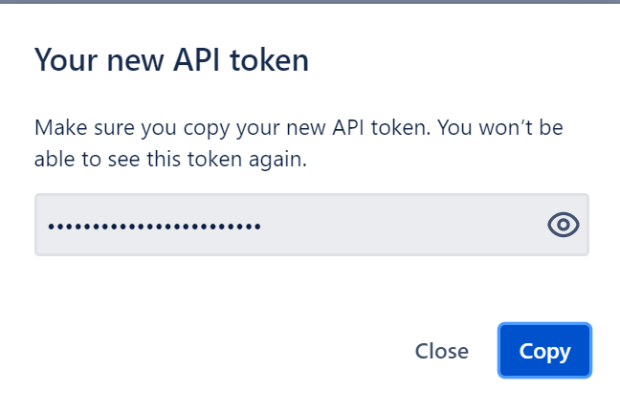

Servicenow configuration

3.In the ServiceNow create a Rest Message under System Web Services-> Outbound -> REST Message.
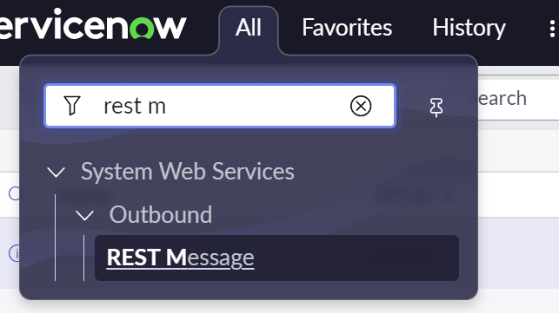

4. Click on New, fill below information
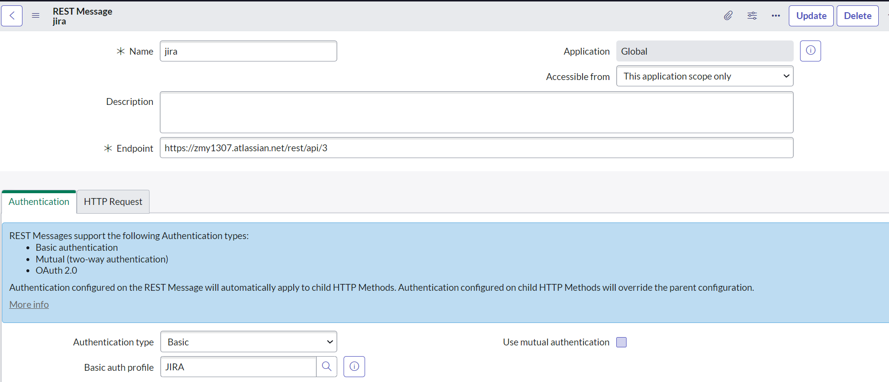

Your JIRA Rest API endpoint

5. Create a new Basic auth profile
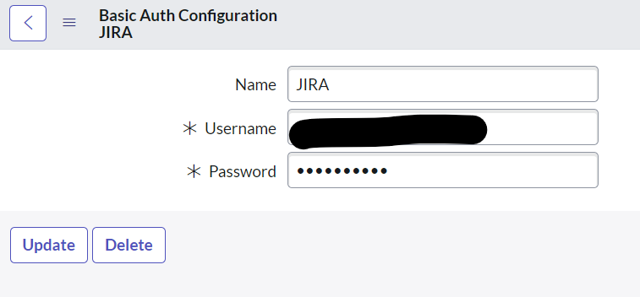

The email address used to create the JIRA instance

API Key step 2 copied API Key

6. Configure HTTP Request tab

7. Create a POST HTTP Method
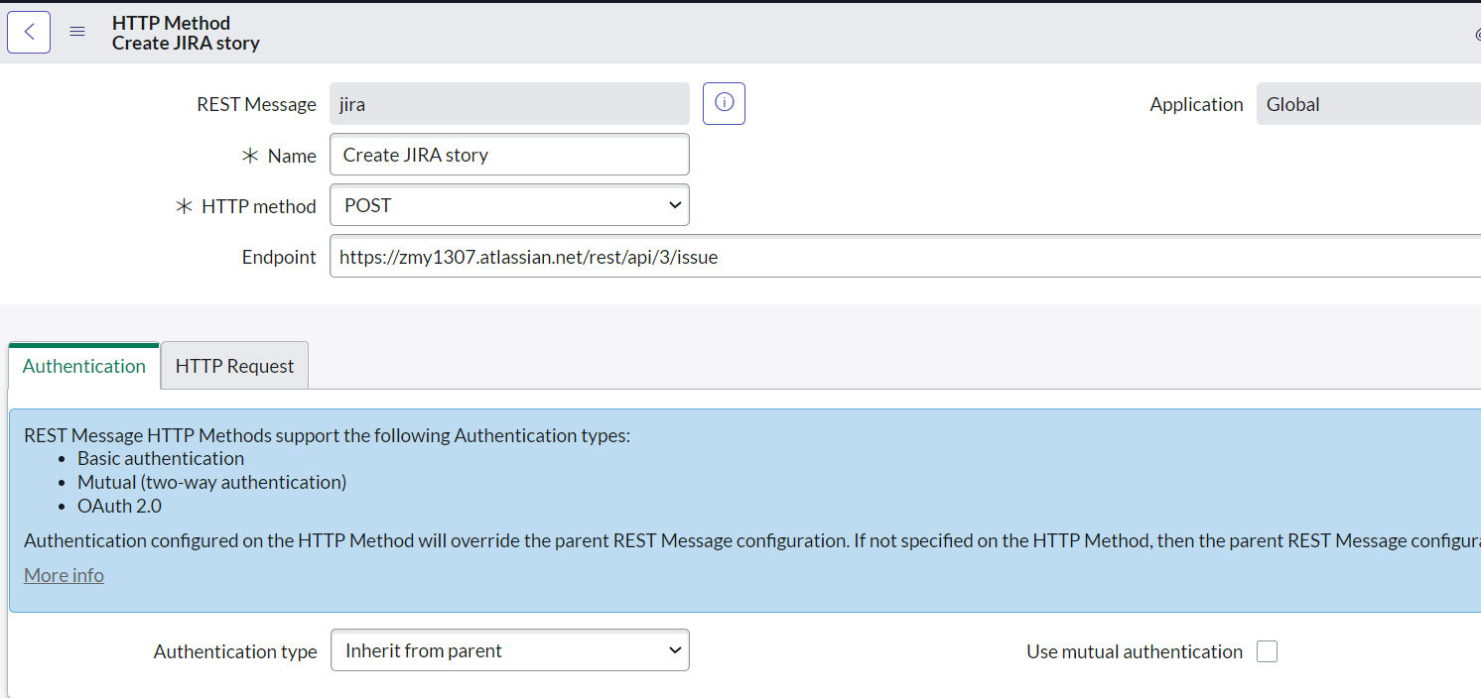

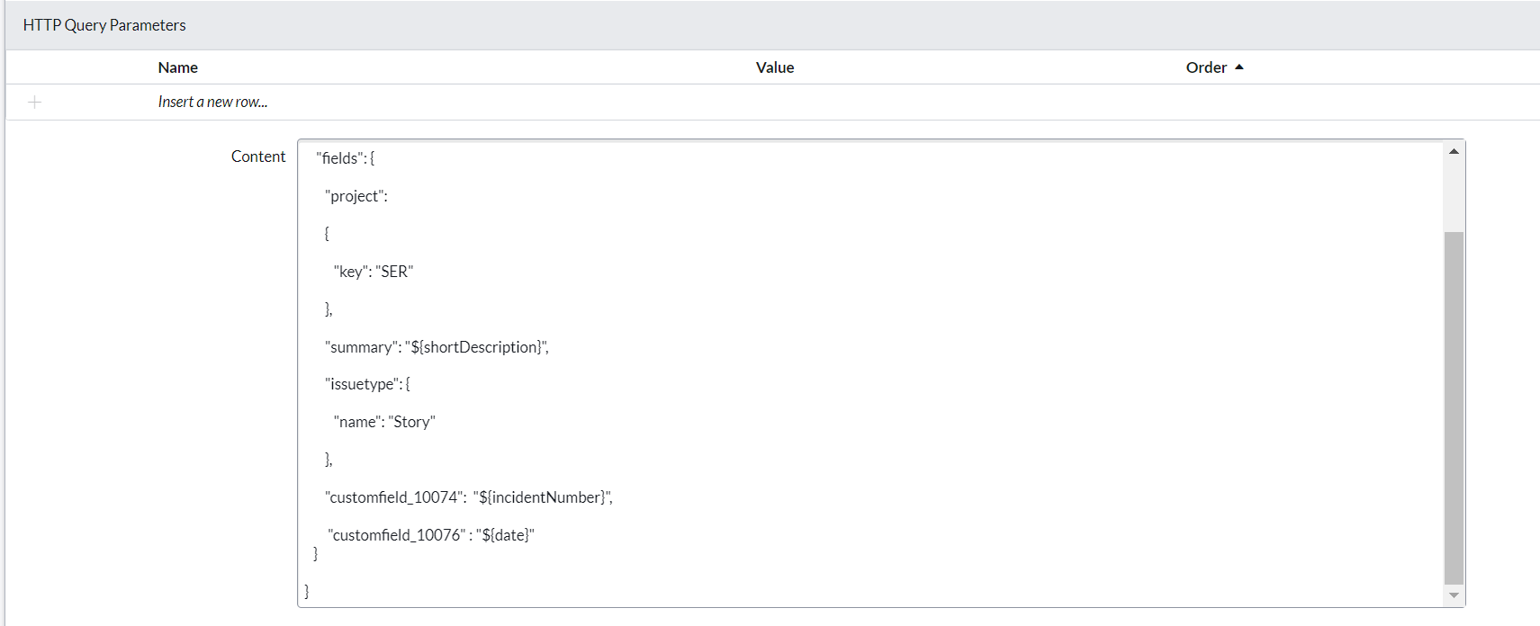

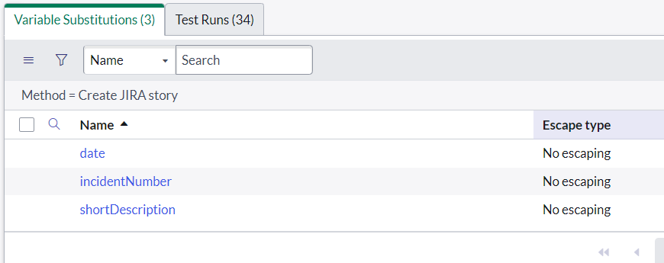

8. Create a Business rule on Incident Table to achieve post created incident to jira

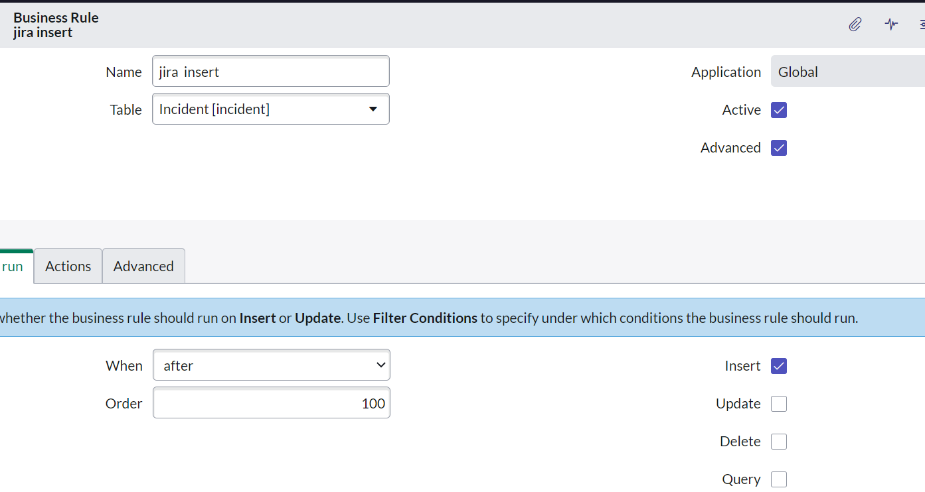
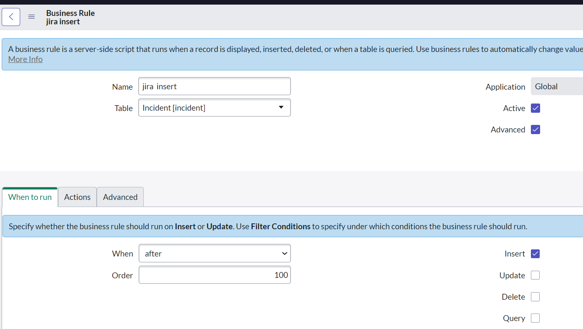

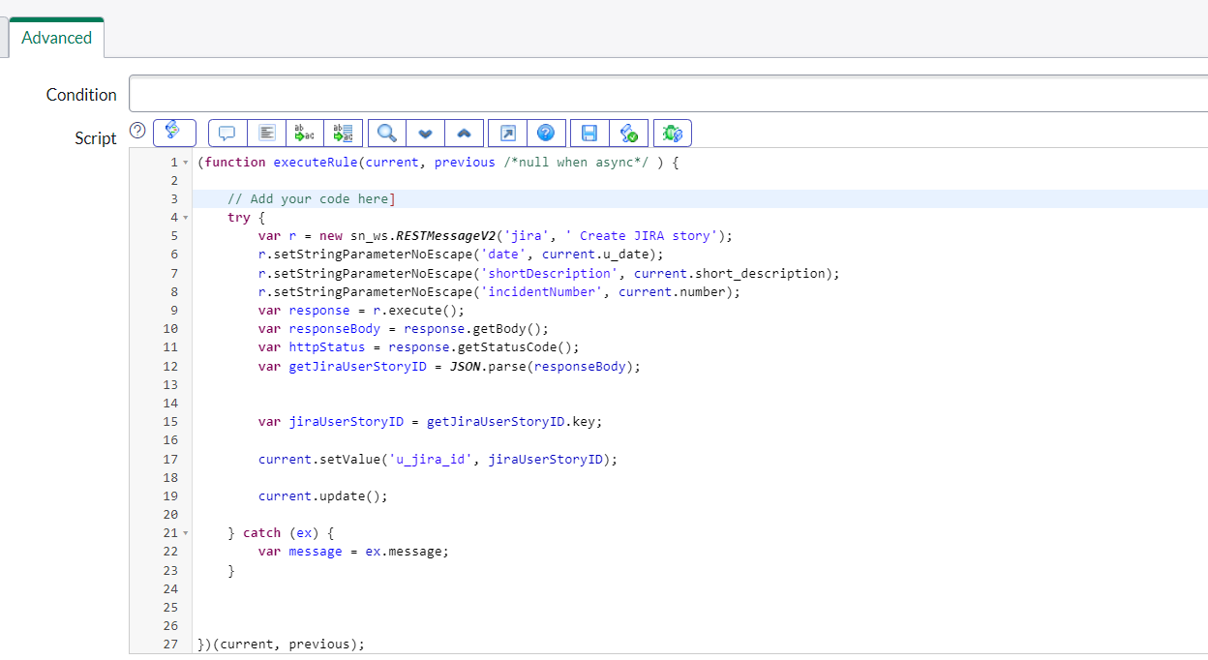

9.Create a PUT HTTP Method

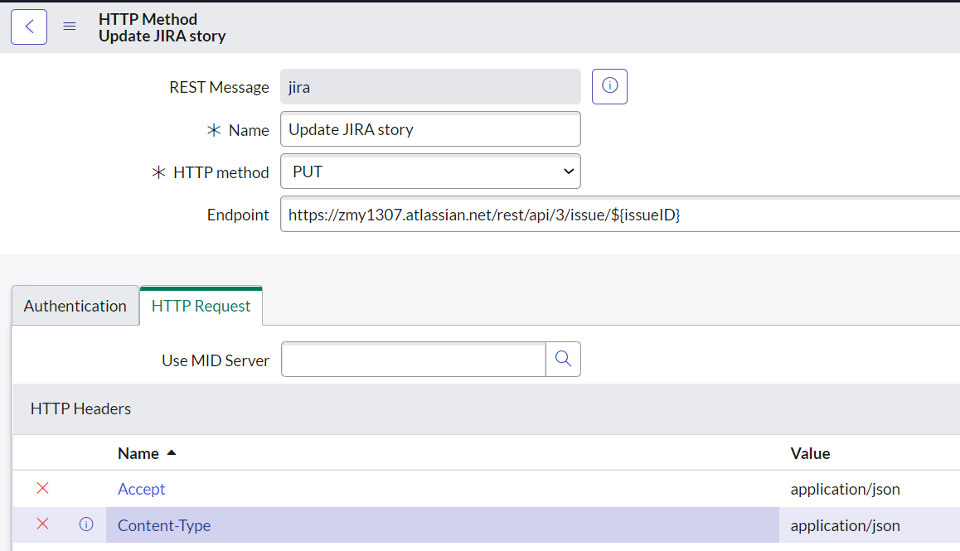

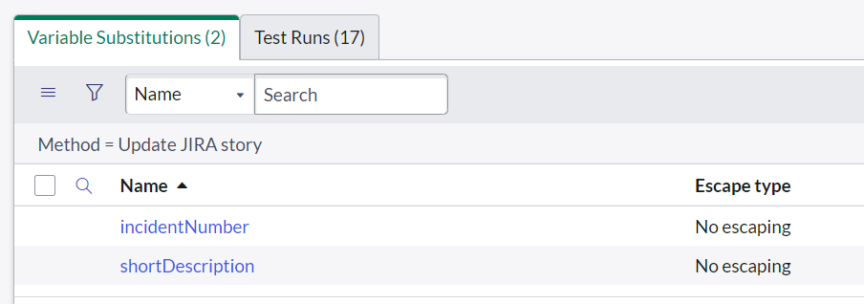

10. Create a Business rule on Incident Table to achieve update incident to jira

