ClustersMap
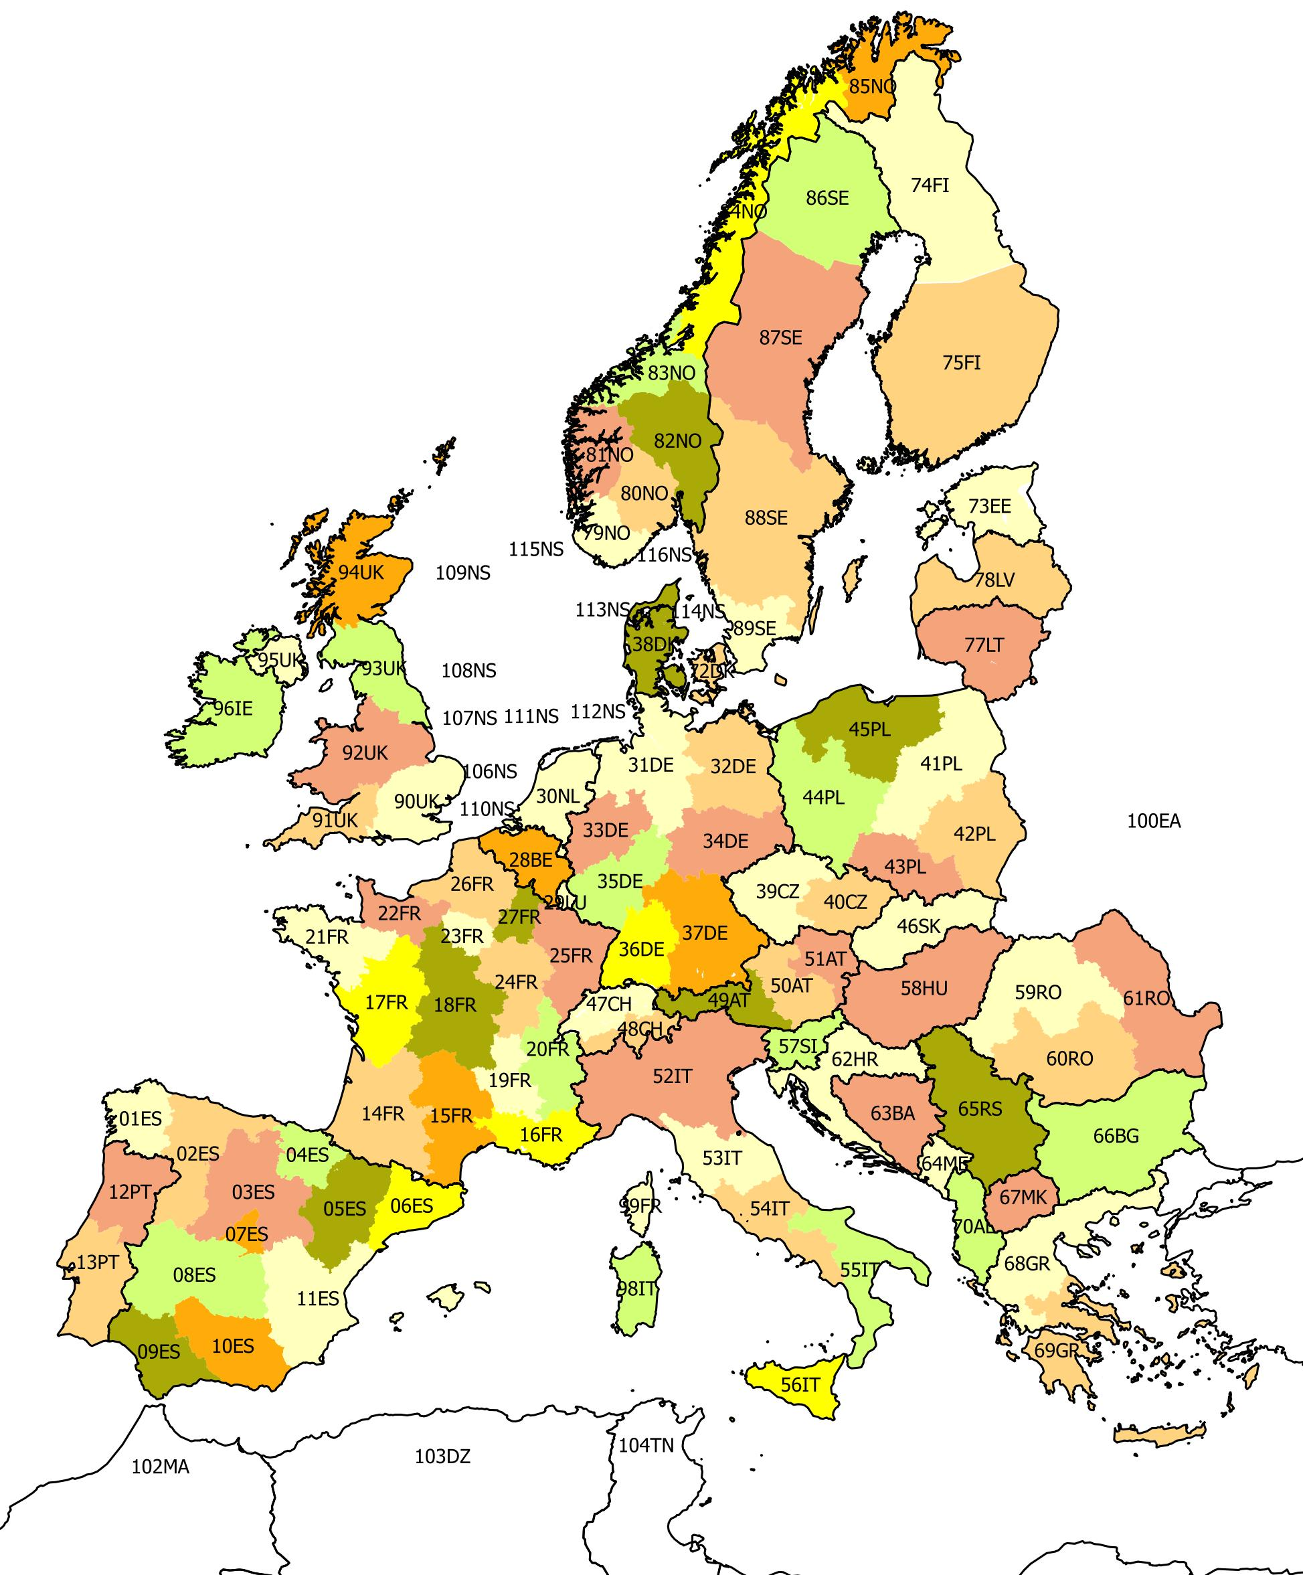
Scenario names
X5 | Large Scale RES
X7 | 100% RES
X10 | Big & marker
X13 | Fossil & nuclear
X16 | Small & local

