Modes_2B
 | Mode | Diagram
1 | Pulse | 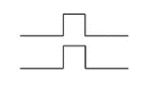 | 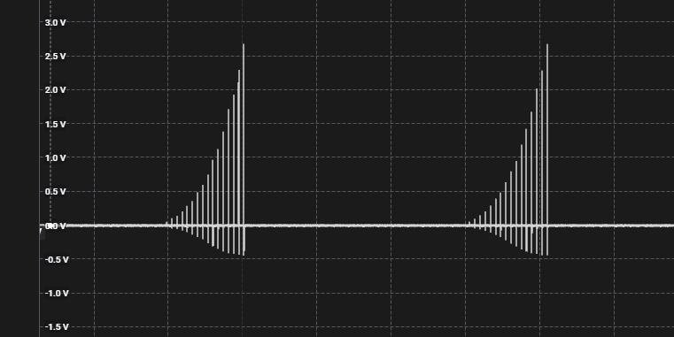
2 | Bounce |  |  | 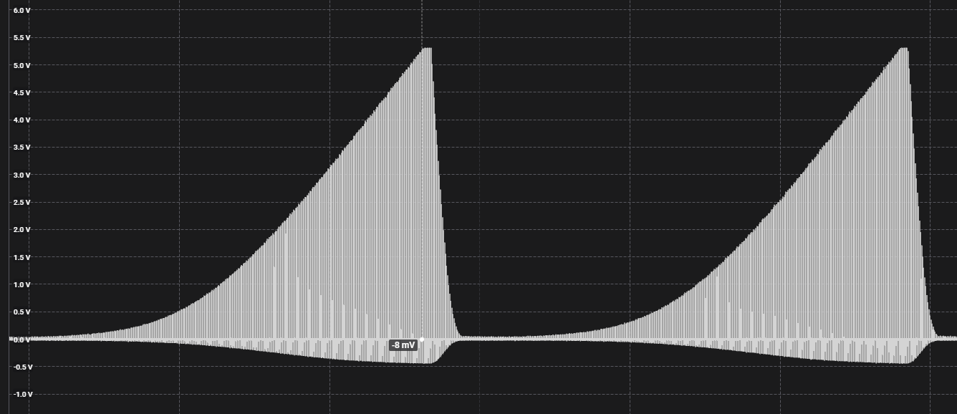
3 | Continuous
4 | A Split B Split
5 | Wave
6 | Waterfall
7 | Squeeze
8 | Milk | 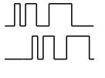
9 | Throb
10 | Thrust
11 | Tickle
12 | Random
13 | Step
14 | Training

Pulse
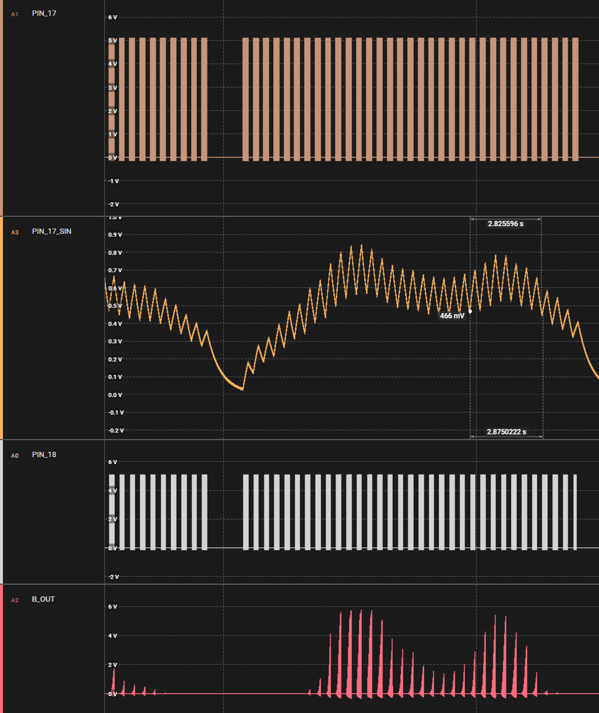

Wave
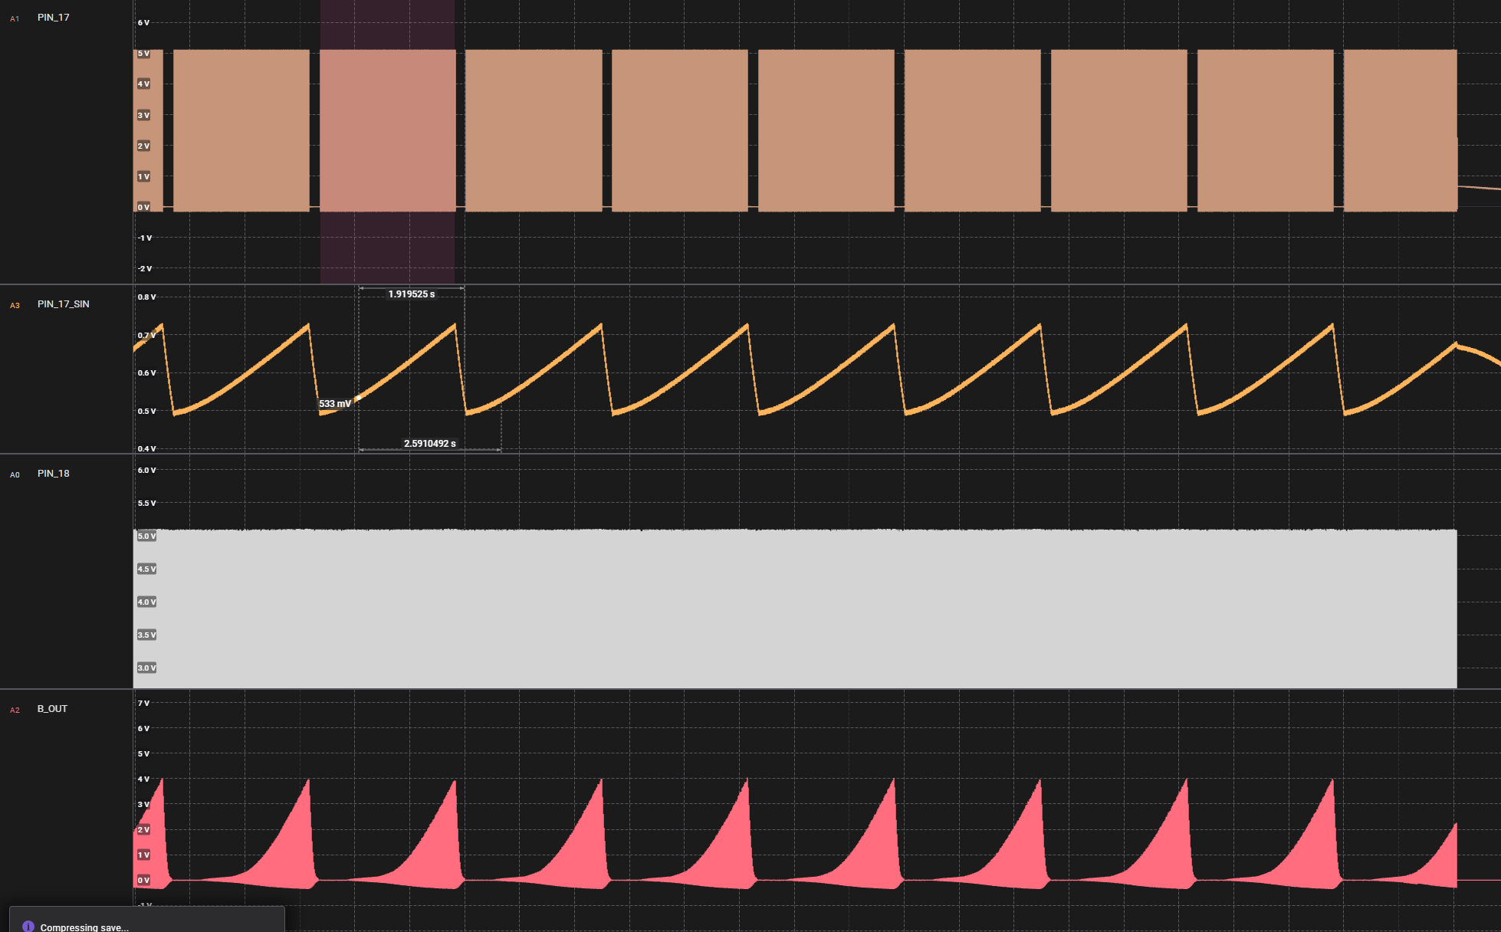

Continuous
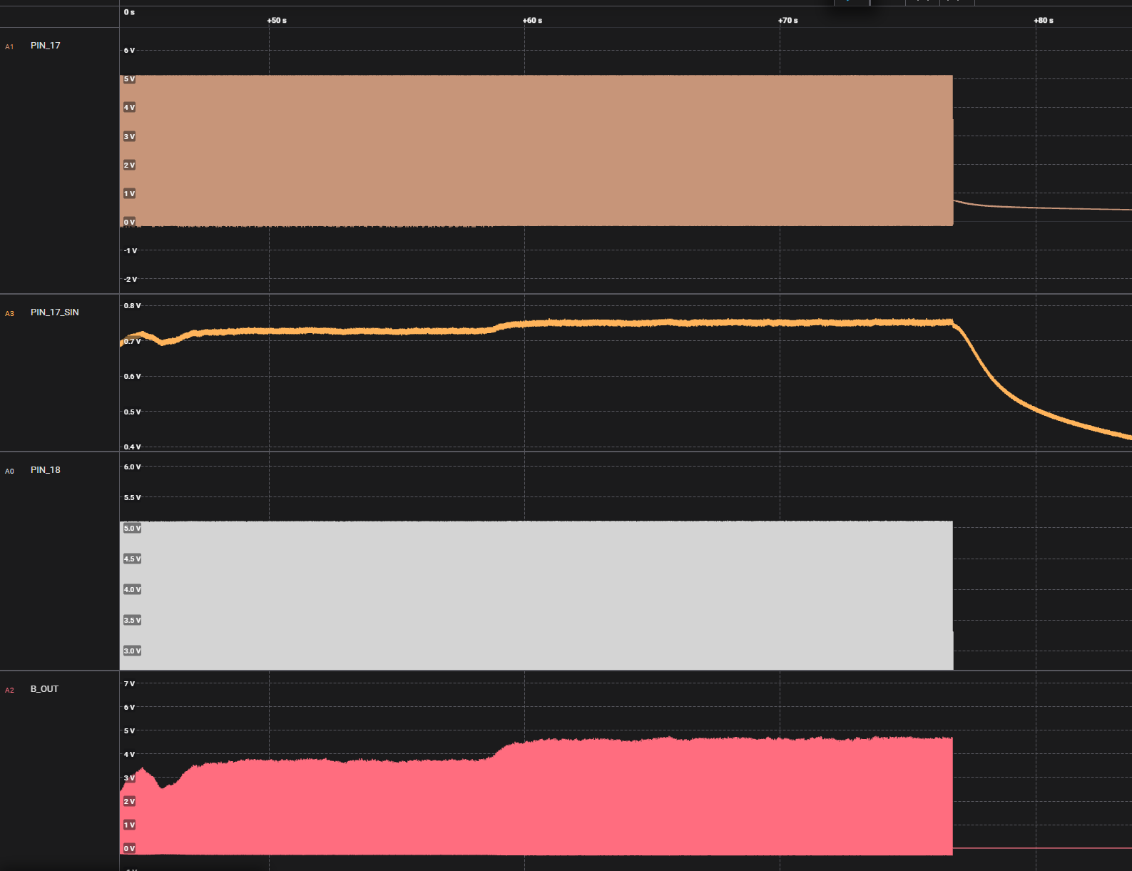

Squeeze
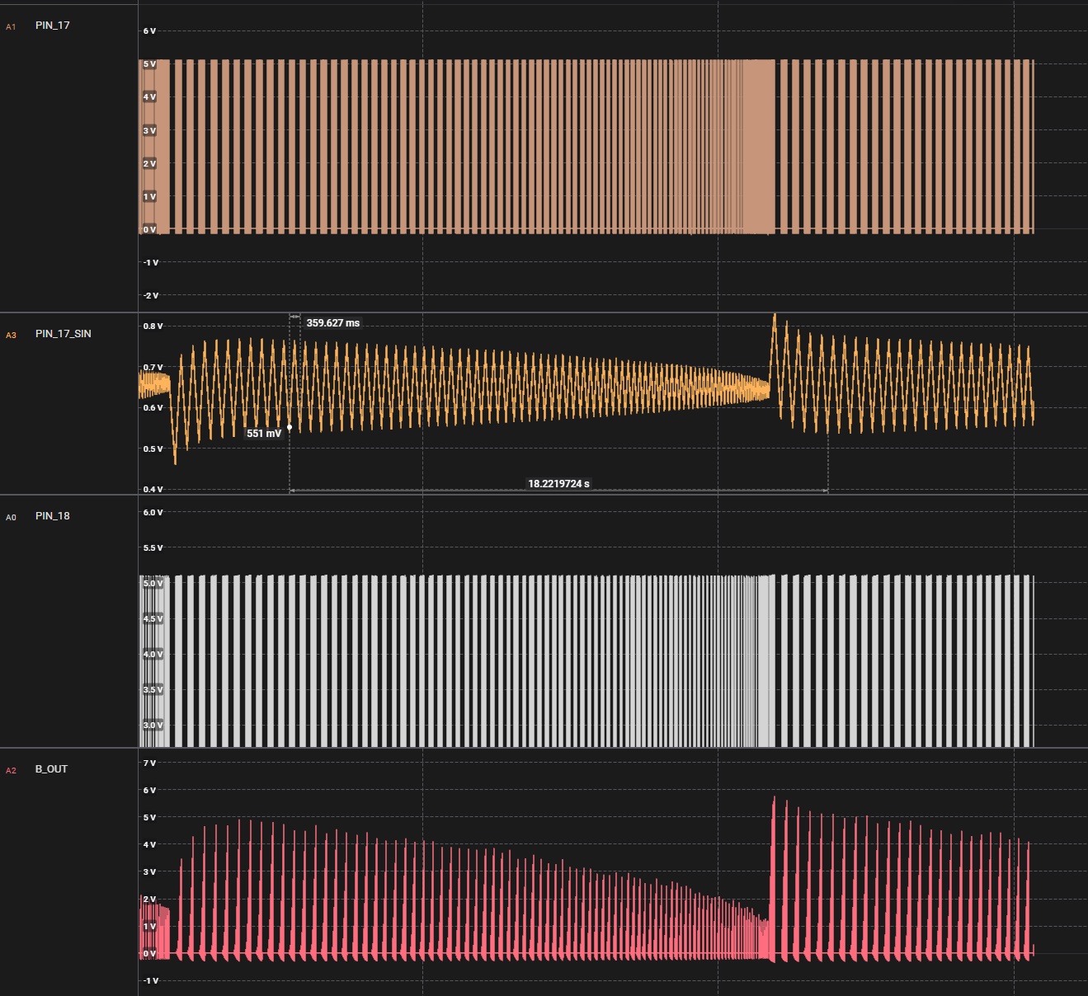

Thrust
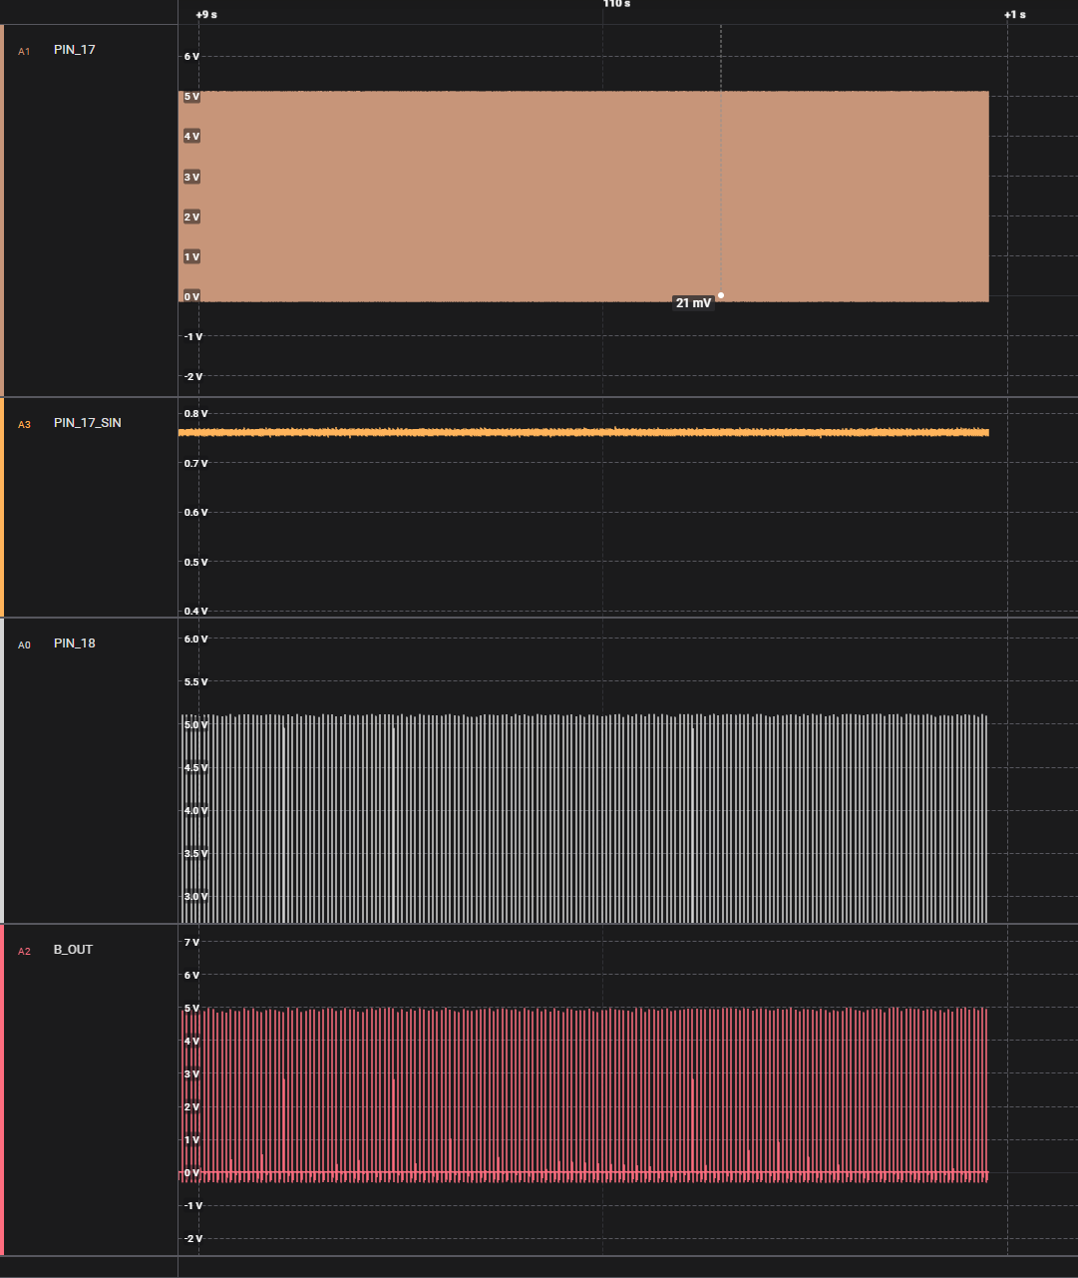

Step
