MISC
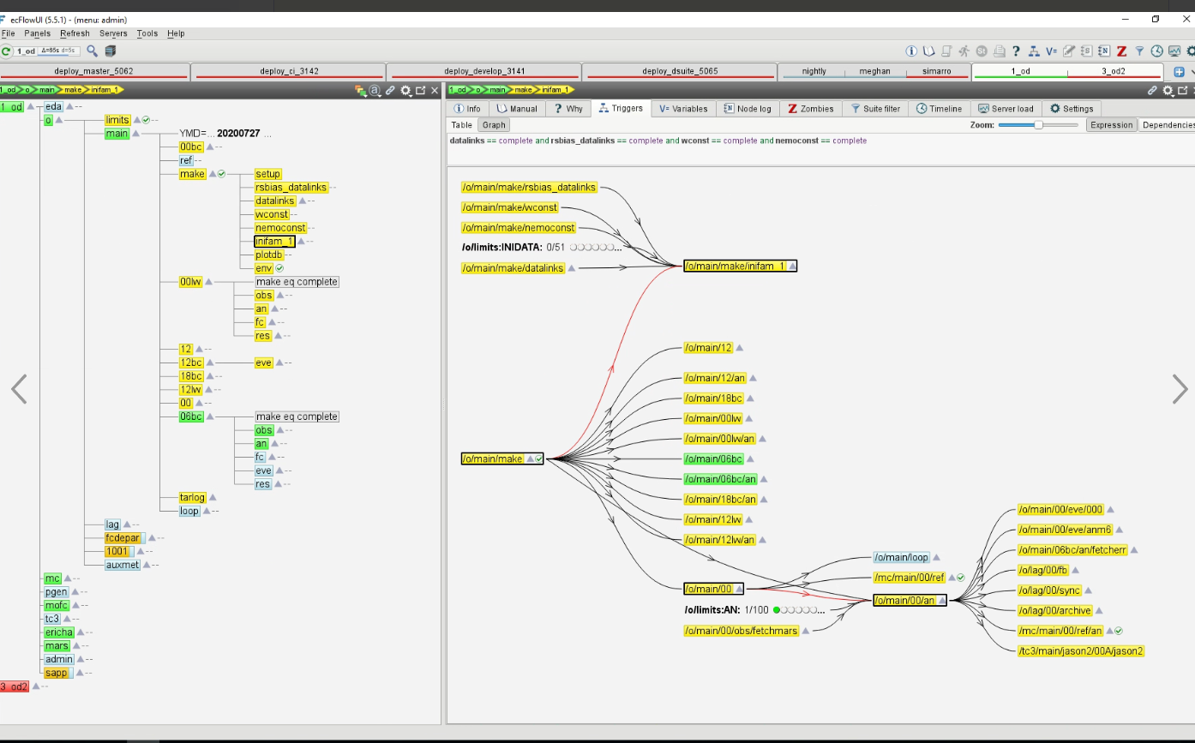
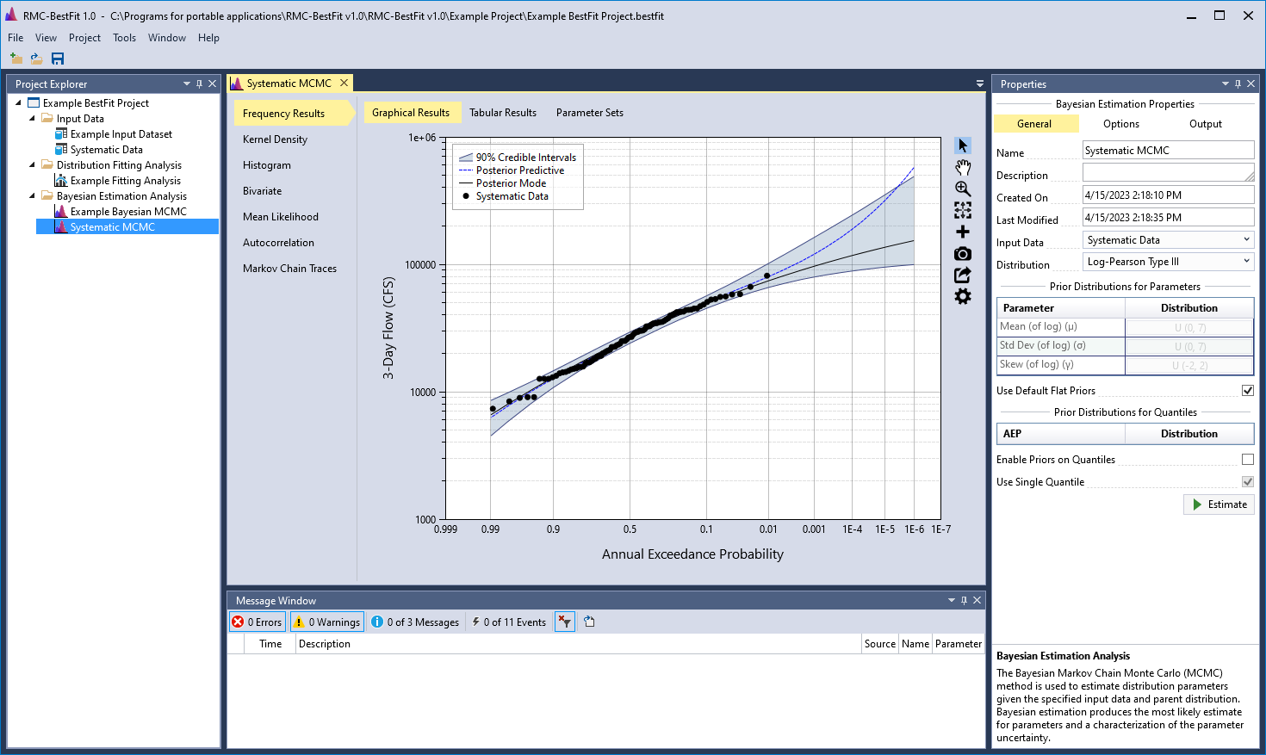
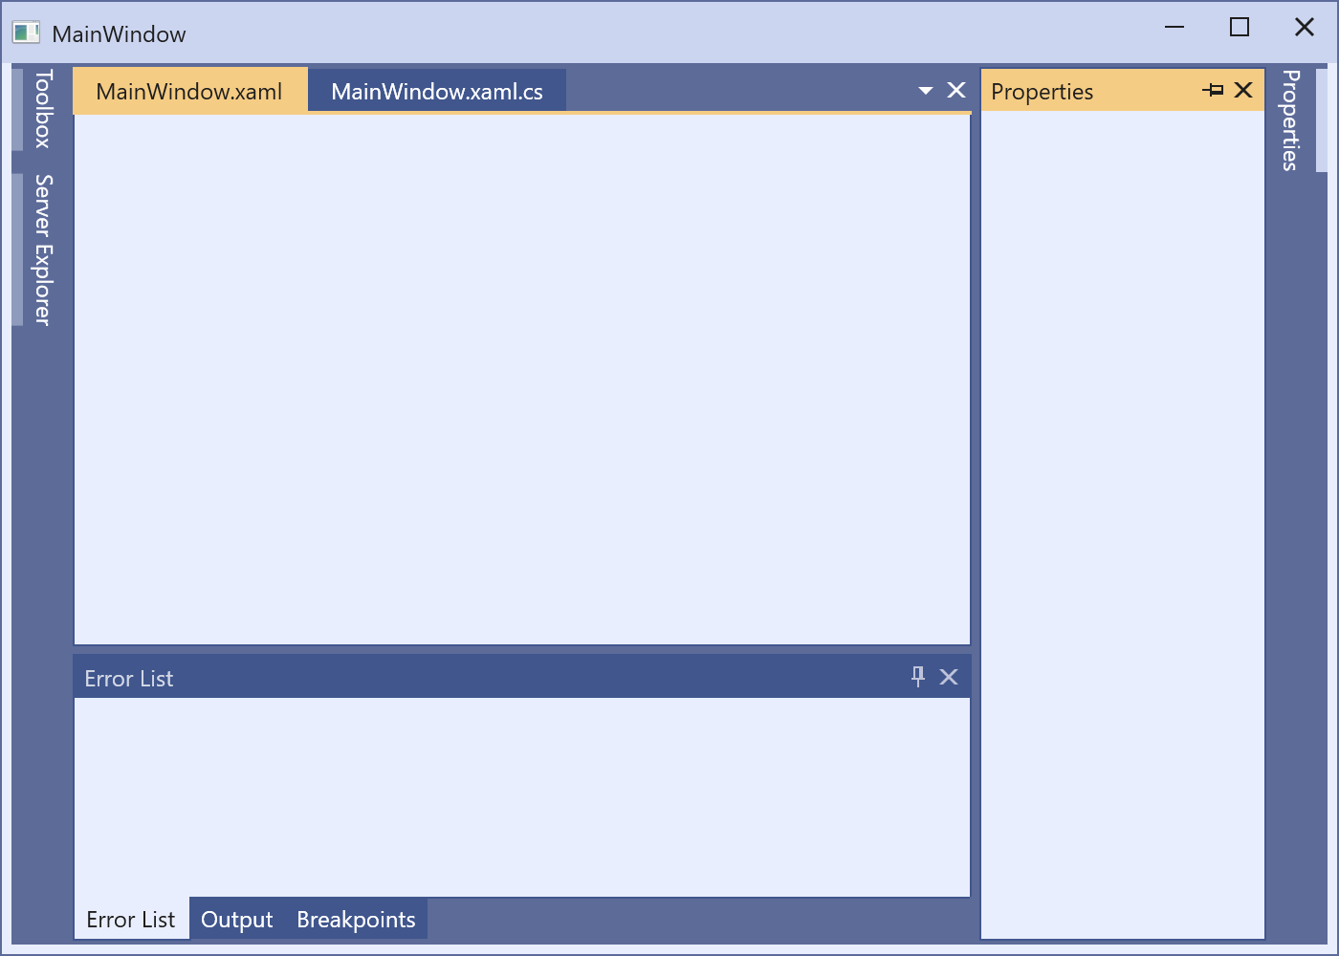
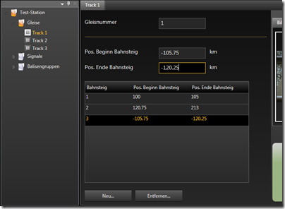
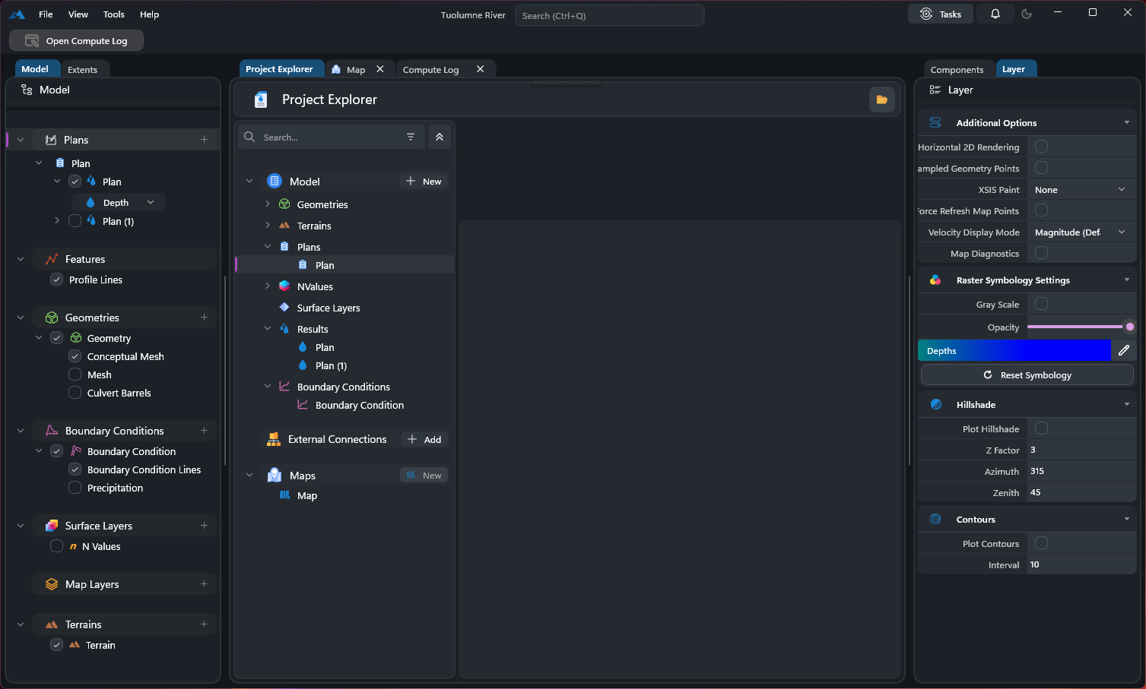
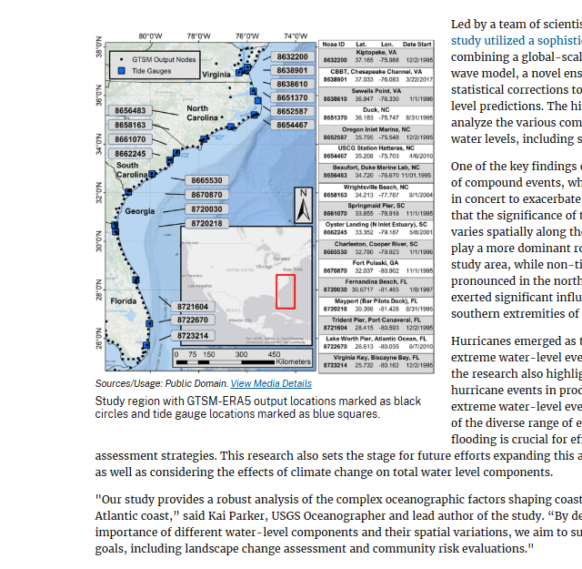
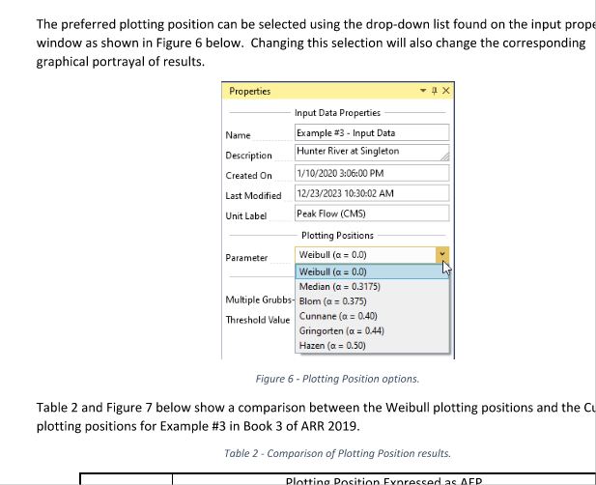
NOTES / RANDOM |  |  | MISC SOURCES
https://www.gdacs.org/Alerts/default.aspx |  |  | https://tcsgeoblog.blogspot.com/
https://courses.ems.psu.edu/geog585/node/689
 |  |  | https://www.geohipster.com/category/maps-and-mappers/
https://geoprisma.mapgears.com/site/index.php
 |  |  | https://www.gutenberg.org/files/43232/43232-h/43232-h.htm
https://www.mapbox.com/
 |  |  | https://github.com/ahocevar/openlayers-geopackage-demo/blob/master/src/geopackage.js
https://gis.stackexchange.com/questions/tagged/openlayers

https://www.acugis.com/acugis-suite/docs/openlayers-demo-tutorial-2.html

https://www.zevross.com/blog/

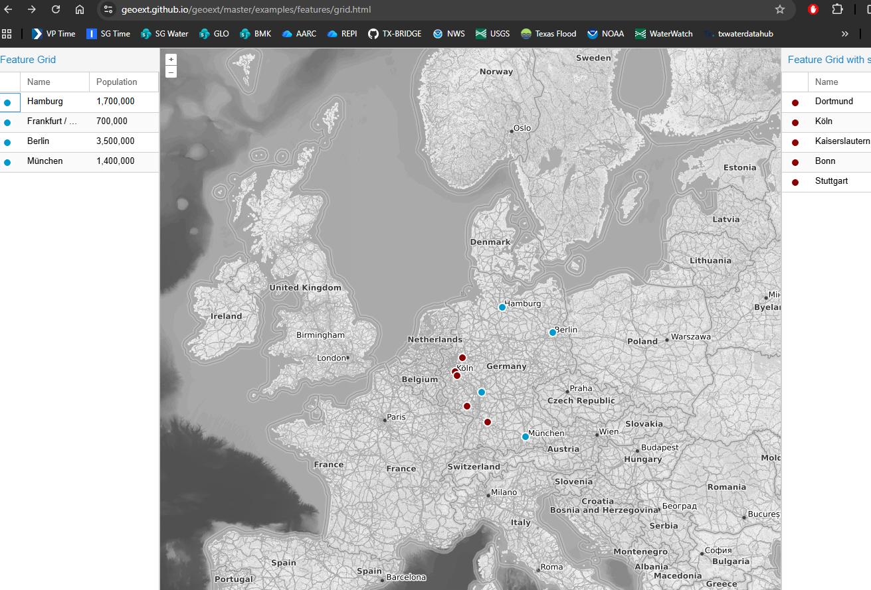
https://www.esri.com/arcgis-blog/products/arcgis-living-atlas/water/the-most-detailed-map-of-us-waters-that-youve-ever-seen

https://docs.mapbox.com/api/maps/datasets/

https://www.mapbox.com/mapbox-gljs

https://www.zevross.com/ | from scratch | npm install ol

https://geoportal.rcmrd.org/catalogue/#/search/?f=dashboard

https://www.hydroshare.org/

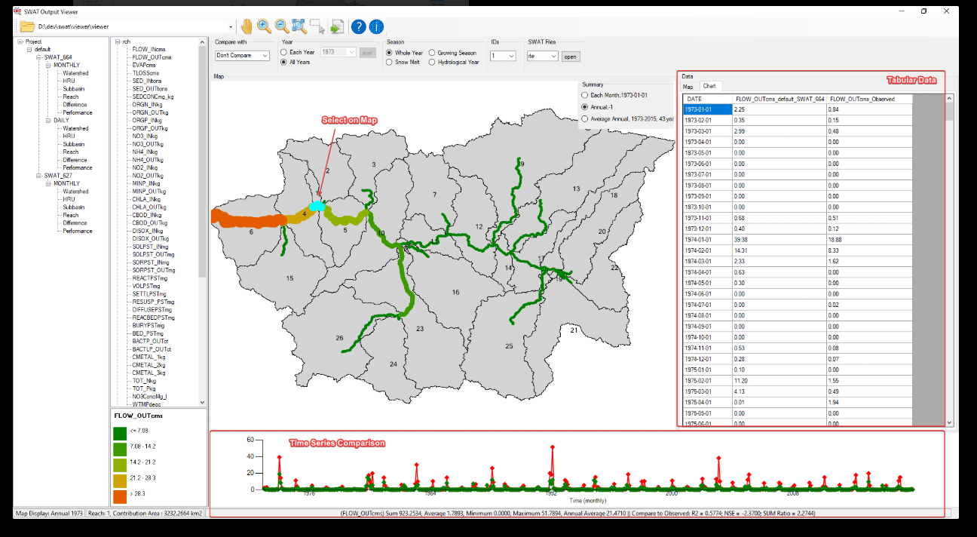
https://rconnect.usgs.gov/LIS-dashboard/

https://geoext.github.io/geoext/master/examples/features/grid.html

RAVEN HYDROLOGY
https://raven.uwaterloo.ca/hydroglyph/

https://github.com/julemai/EEE/wiki/Examples#raven-model-with-hmets-setup

https://pavics.ouranos.ca/hydrology.html#b

ECFLOW
https://confluence.ecmwf.int/display/ECFLOW/Server+load+panel

https://www.lioapplications.lrc.gov.on.ca/OWIT/Index.html?viewer=OWIT.OWIT&locale=en-ca

https://github.com/CSHS-CWRA/CSHShydRology?tab=readme-ov-file

https://hydra.nrs.gov.bc.ca/rctool/rctool/tour/1/
https://cran.r-project.org/web/packages/hydrostats/index.html
https://charts.ecmwf.int/

https://unidata.github.io/MetPy/latest/examples/index.html

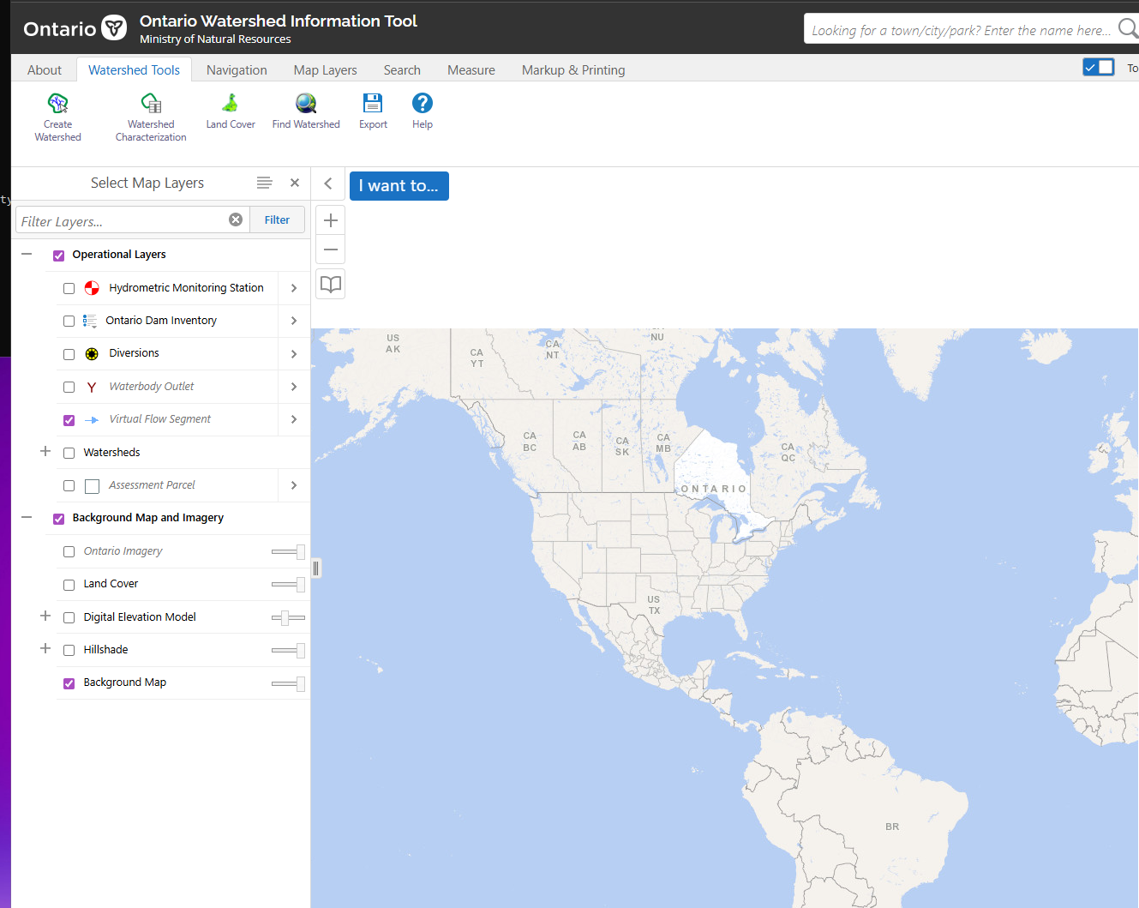
https://geographic.texas.gov/

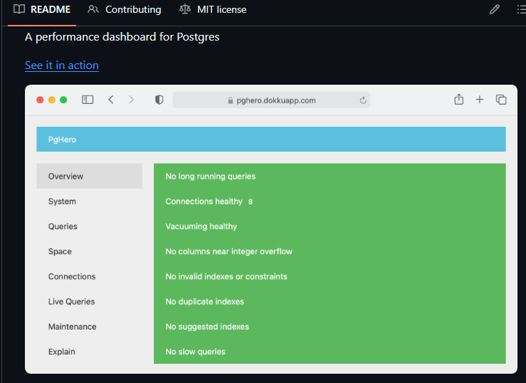

DATA
https://opensourcegisdata.com/state/texas.html

https://github.com/USACE-RMC/RMC-BestFit/tree/main/Example%20Projects

https://github.com/AngryCarrot789/WPFDarkTheme

SERVER
coder
fd8610##
TOMCAT: | GEOSERVER: | // import { build } from 'vite';
localhost:8080/manager | localhost:8080/geoserver | // npm cache clean --force
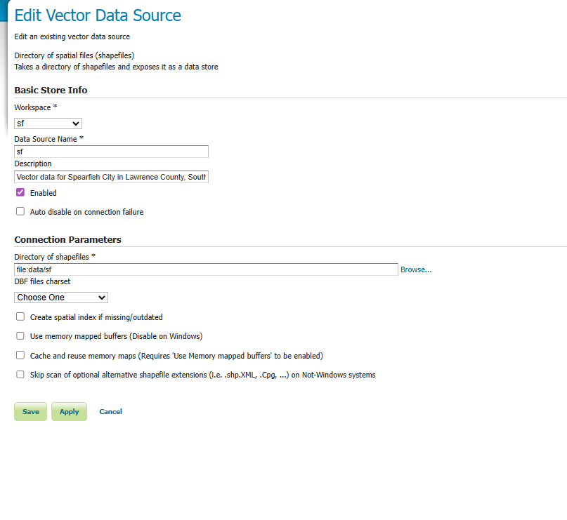
 |  | // npm audit fix --force
STARTUP AND SHUTDOWN |  | // npm install
net stop tomcat 9 |  | // npm run build
net start tomcat 9 |  | // npm start

sudo systemctl restart apache2

C:\Program Files\Apache Software Foundation\Tomcat 9.0\bin>

Sheet1
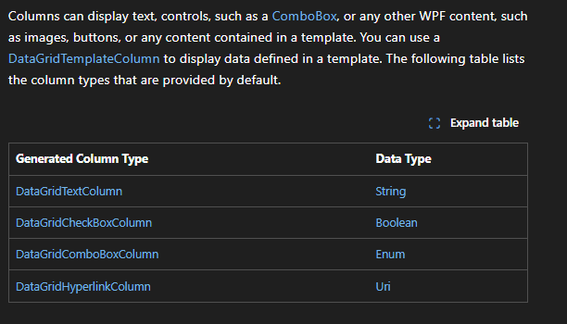
https://learn.microsoft.com/en-us/dotnet/api/system.windows.controls.datagrid?view=windowsdesktop-10.0
DATAGRID:
DataGridColumnHeader

DataGridTemplateColumn

 | DataGridSelectAllButtonStyle

