Q1
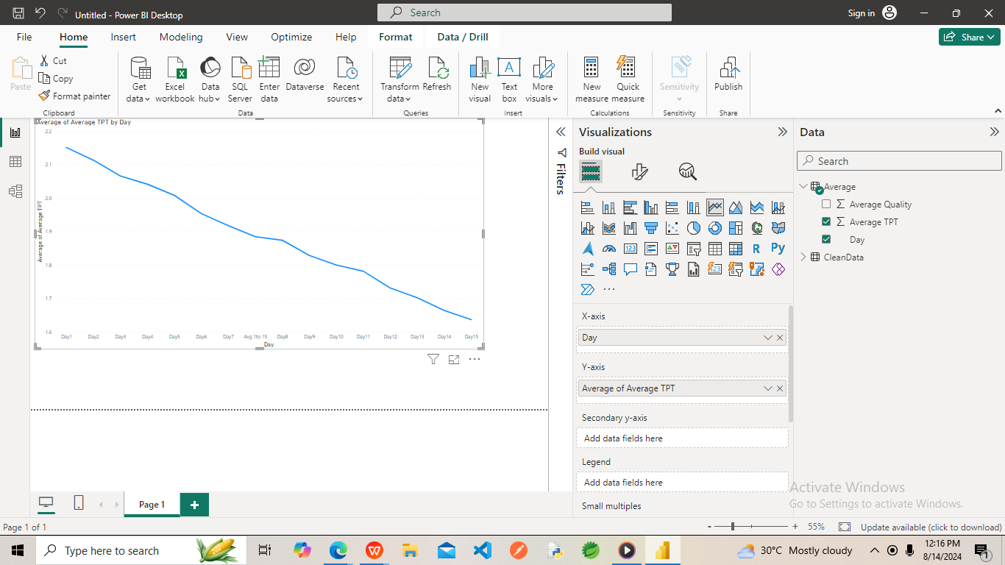
Q1. Did anyone take more time on Day 15 than Day 14?
Ans=>NO

Q2
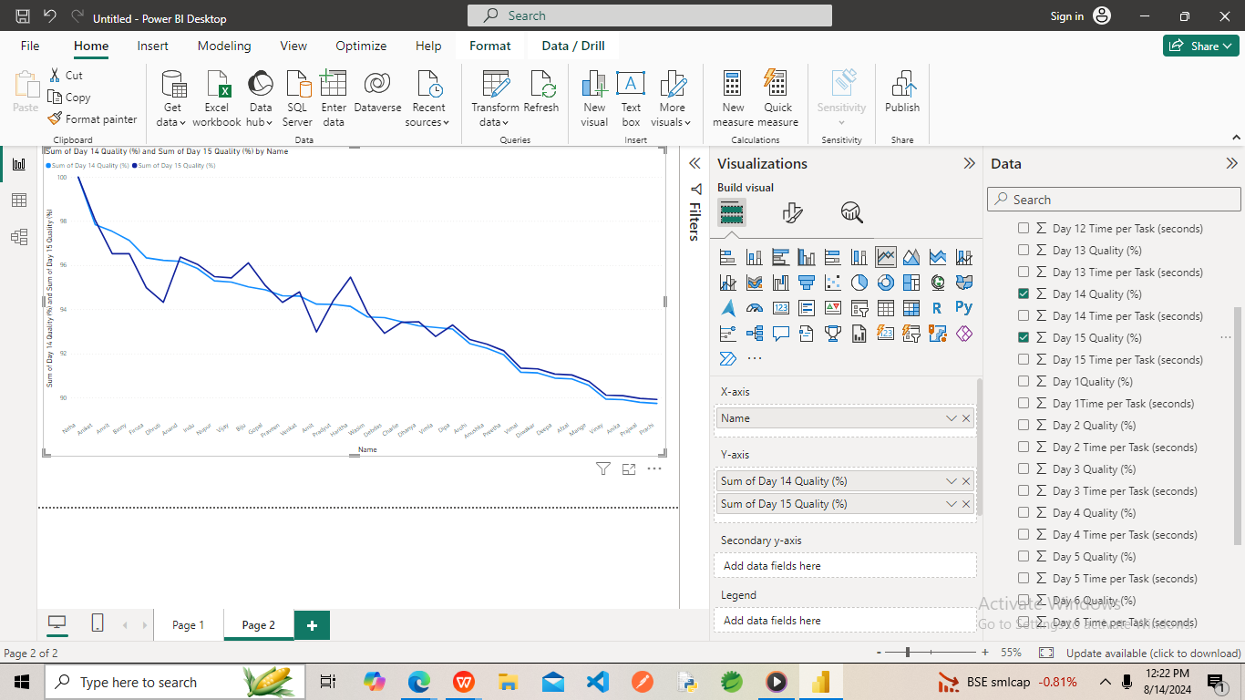
Q2. Did anyone take longer because they were focusing too much on the quality?

Ans=> Dhruti decrease Quality & Biju & Harshita Increase Quality

Q3

Q3. How many have shown improvement in terms of TPT on Day 15

Ans=>Anand,Nupur,Biju,Gopal,Dhanya,Dipa improve quality in Day 15

Q4 A
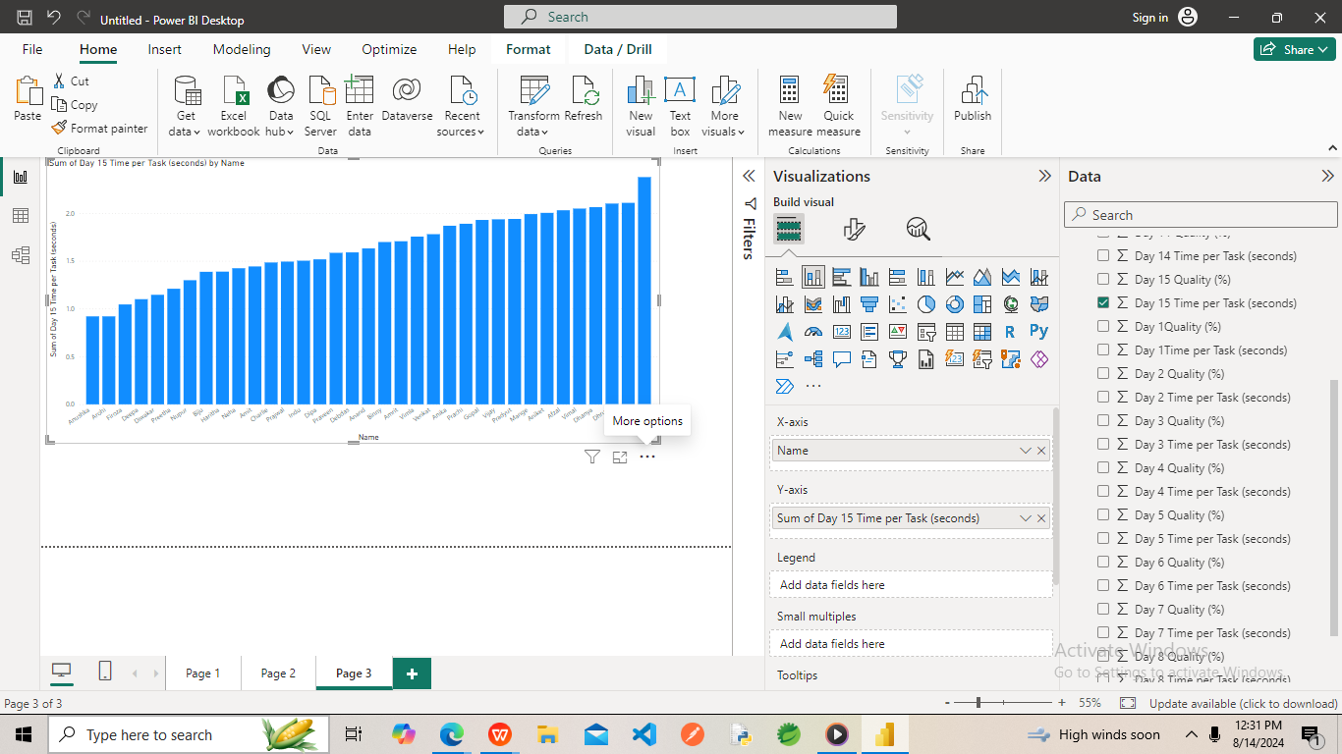
Q4A. Who are the top 3 members with the lowest TPT on the 15th Day

Ans=>Anushka,Arohi,Firoza members with the lowest TPT on the 15th Day

Q4 B
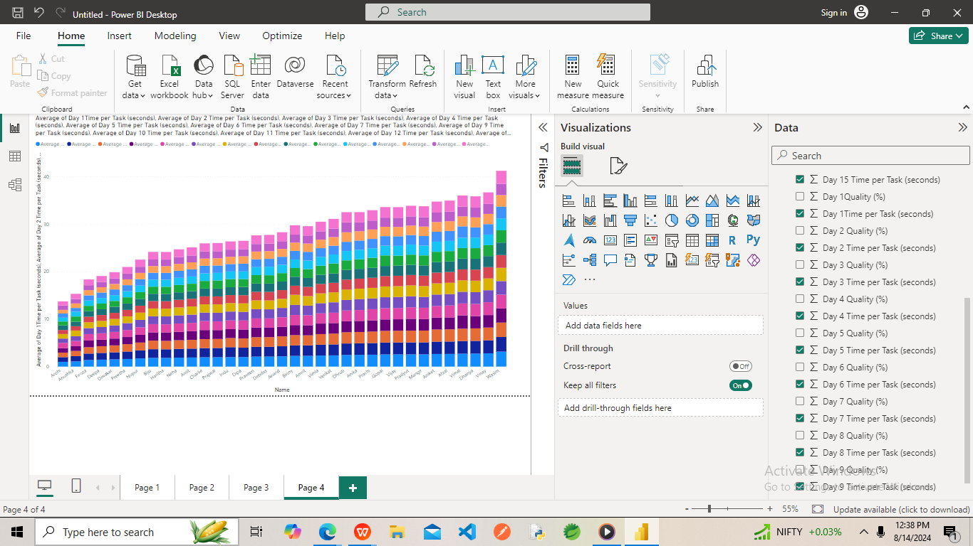
Q4B. Who are the top 3 members with the lowest average TPT against day 1 to day 15? Are they the same person?

Ans=>Anushka,Arohi,Firoza members with the lowest TPT against day 1 to Day 15

Q6
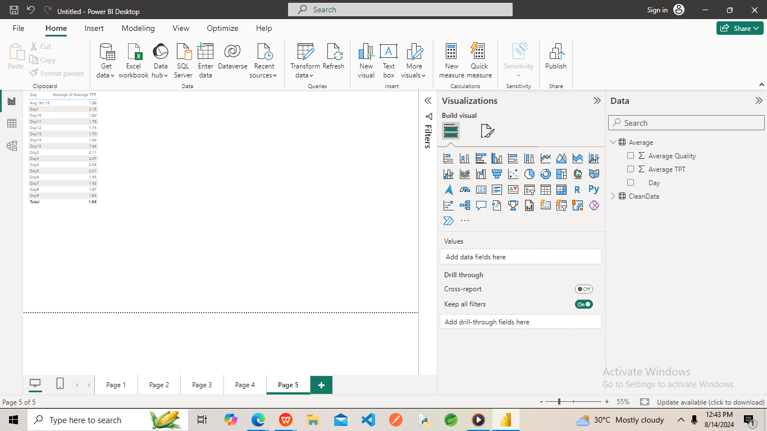
Q6. What is the average of TPT against each day?

