Pareto Chart
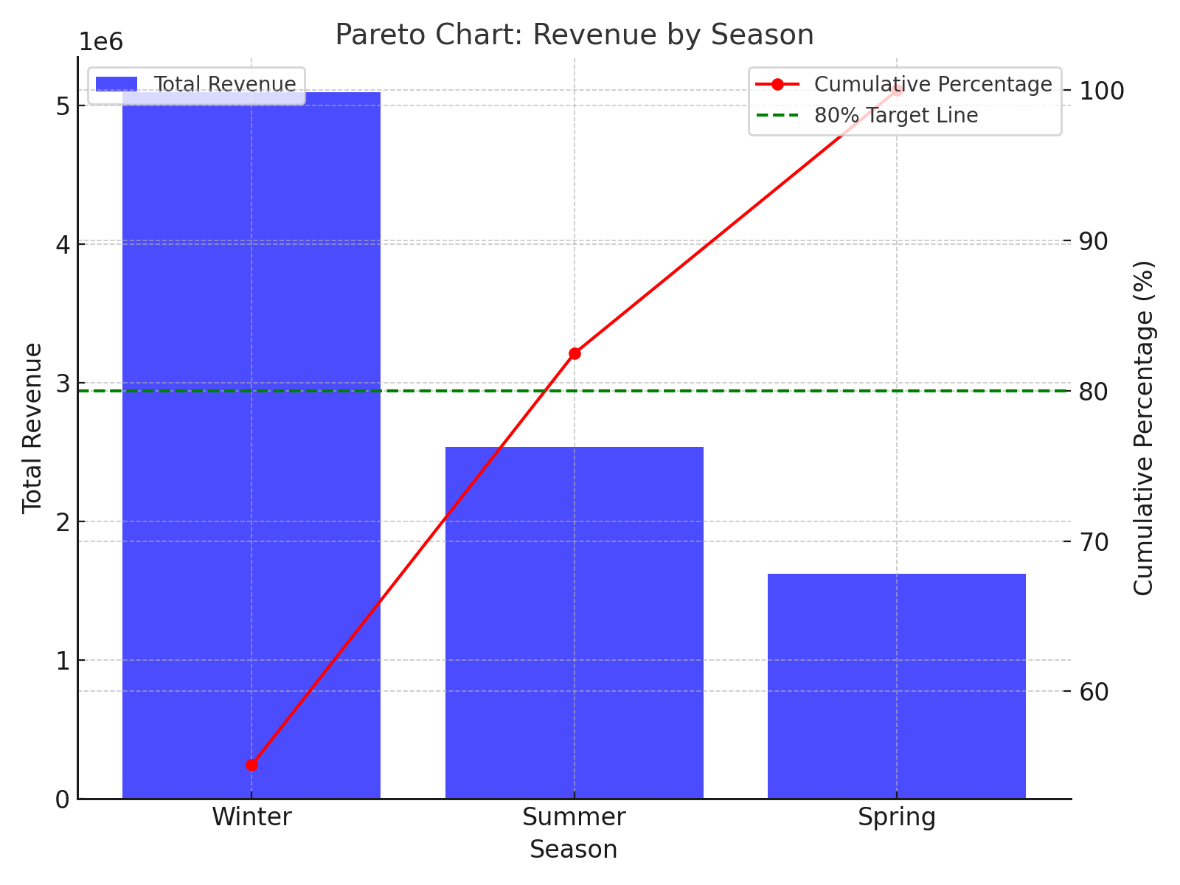
Season | Total Revenue | Cumulative Percentage
Winter | 5099000 | 55.088591184
Summer | 2536000 | 82.487035436
Spring | 1621000 | 100

Scatter Plot
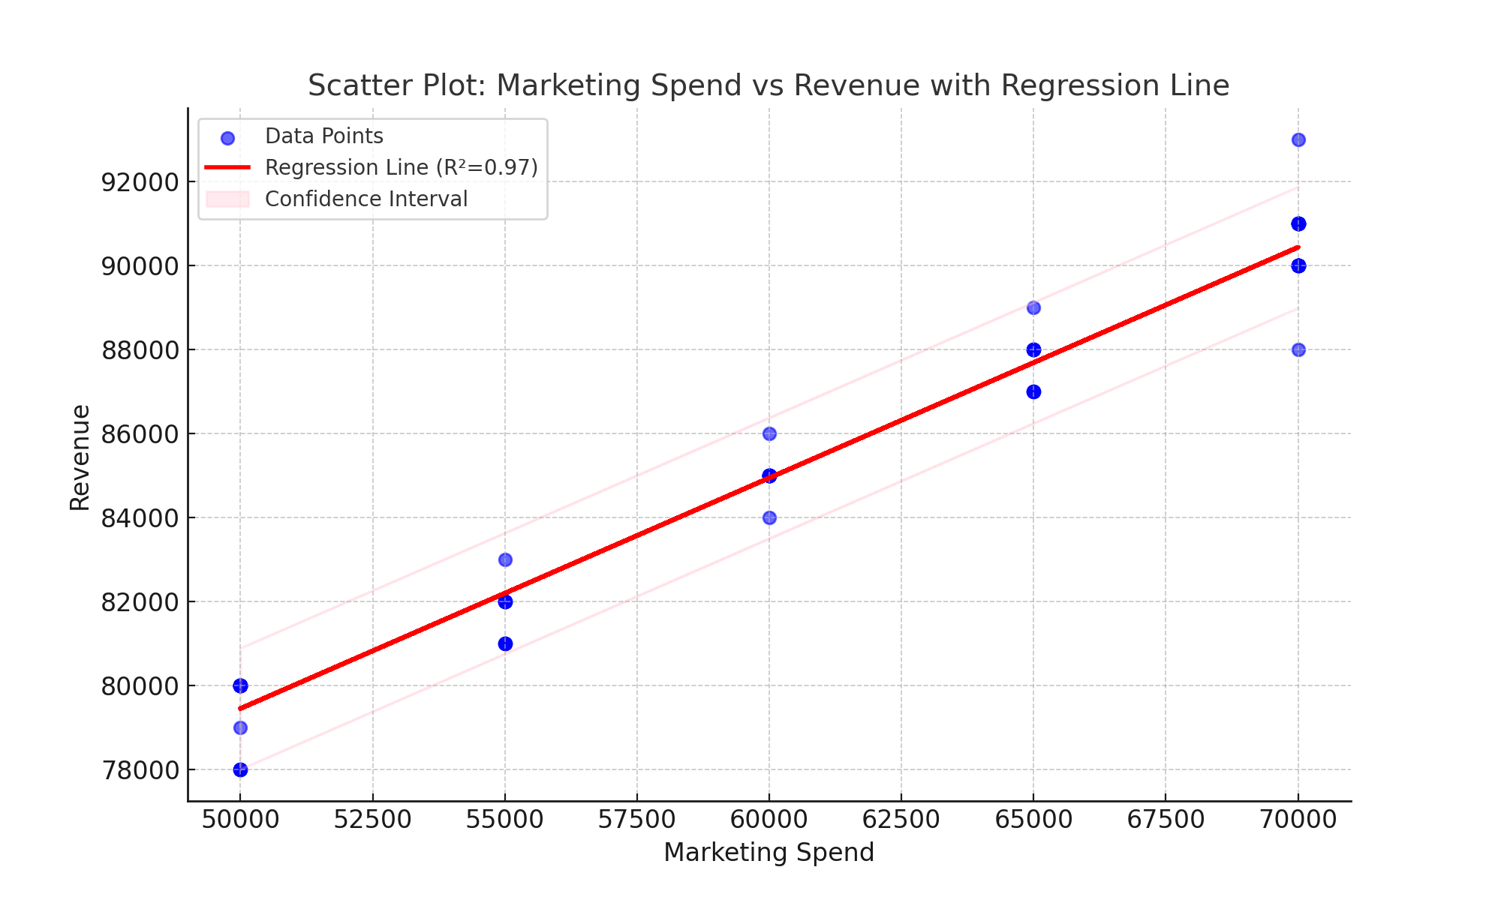
Scatter Plot: Marketing Spend vs Revenue with Regression Line (Circular Markers)

Boxplot
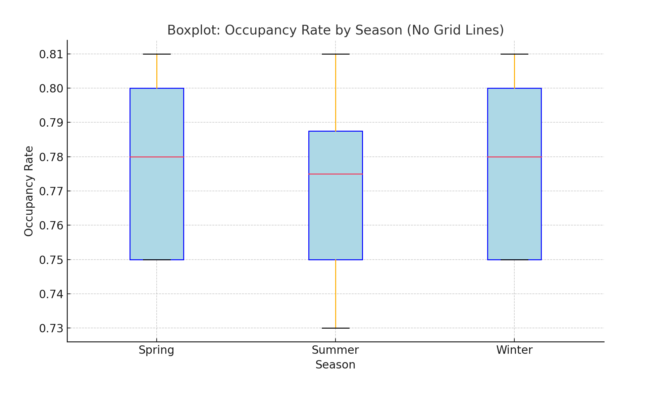
Boxplot: Occupancy Rate by Season (No Grid Lines)

Line Chart
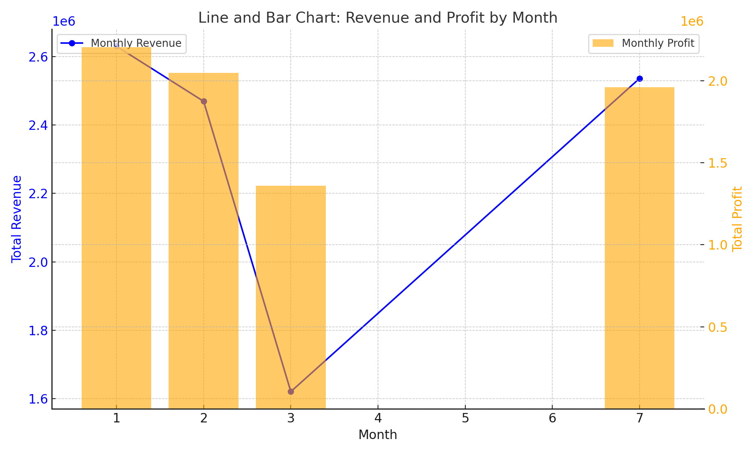
Line Chart: Monthly Revenue Trend

Histogram
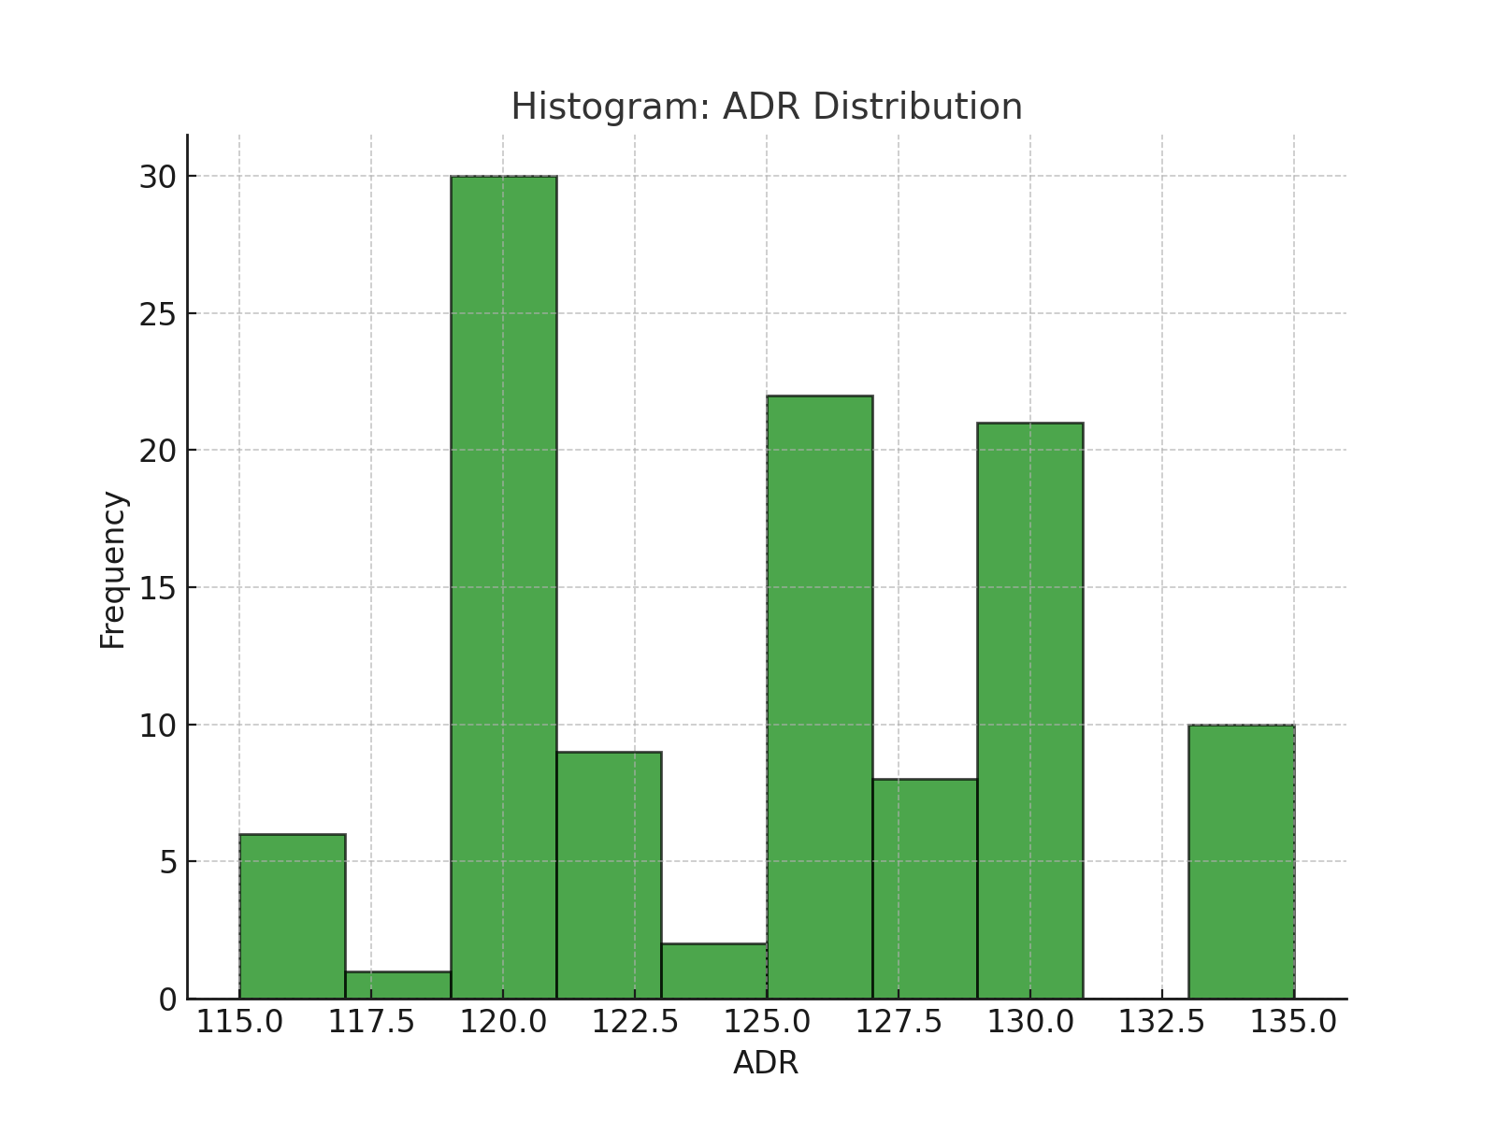
Histogram: ADR Distribution
Visualization saved as 'histogram.png'

