Top Cryptocurrencies
 | Currency | Current Value | Percent Change
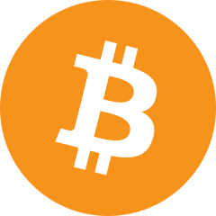 | Bitcoin | $29,725.41 | 2.75%
 | Ethereum | $2,005.38 | 6.66%
 | Binance Coin | $330.13 | 1.58%
 | XRP | $0.47035012 | 1.71%
 | Cardano | $0.39601200 | 1.77%

 | Dogecoin | $0.08049030 | 2.67%

 | Polygon | $1.01 | 2.16%

 | Solana | $23.24 | 6.62%

 | Polkadot | $5.91 | 3.50%

 | Litecoin | $89.02 | 0.41%

