Pictures
No Picture | No Picture Available | No Picture | No Picture Available | No Picture | No Picture Available
None Selected | Select Door Style | None Selected | Select Panel Detail | None Selected | Select Edge Profile
Strata 2 |  | Flat |  | Square
Jefferson |  | Cove |  | Eased
Shaker |  | Vienna |  | Classic Edge
Jefferson2 |  | Venus |  | Colonial Edge
Chamfer - OLD |  | Roman | No Picture Available | Beaded
Slab |  | Circle | No Picture Available | Groove Edge
Strata 3 |  |  |  | Cove Edge | 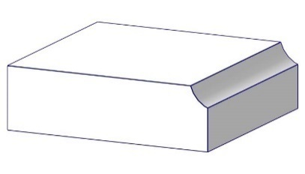
Jupiter |  |  |  | Chamfer Edge
Ascent
Venus
Salzburg
Manitou
Classic
Colonial
Step Radius - Small
Moraine

