Order Sheet
 |  | Global Drawer Specs |  |  |  | Order Details |  |  |  |  |  |  |  |  |  |  | Contact Information
 |  | Material | Solid Birch |  |  | Date | 2021-12-16 |  |  |  |  |  |  |  |  |  | Contact | Bob Smith
 |  | Bottoms | 1/4" Plywood |  |  | Company | Company ABC |  |  |  |  |  |  |  |  |  | Company | Company ABC
 |  | Asssmbly | Assembled |  |  | Order Contact | Bob Smith |  |  |  |  |  |  |  |  |  | Account # | 12345
 |  | Notch for Slides | Notch for U/M Slide Wide |  |  | Account # | 12345 |  |  |  |  |  | Dovetail Drawer Box Configurator 3.0.0 |  |  |  | Address 1 | 123 Address Street
 |  | Logos on All | Yes - With Setup |  |  | Purchase Order | ABC123 |  |  |  | Material # 403.36.703 |  |  |  |  |  | Address 2
 |  | Clips | Grass |  |  | Job Name | DEF456 |  |  |  |  |  |  |  |  |  | City | Bound Brook
 |  | Post Finish | Yes |  |  | Production Time | Standard - 1 Week |  |  | Forward orders to: | projects@hafele.us |  |  |  |  |  | State | NJ
 |  | Mounting Holes | Yes |  |  |  |  |  |  |  |  |  |  |  |  |  | Zip | 08876
 |  |  |  |  |  | Hafele PO # | 123456 |  |  | Order Comments |  |  |  |  |  |  | Phone | 908 999 9999
 |  | # Scoop Fronts | 0 |  |  | Hafele Order # |  |  |  |  |  |  |  |  |  |  | Email | abc@gmail.com
 |  | Total Count | 2 |  |  |  |  |  |  |  |  |  |  |  |  |  | Delivery | Not applicable
 |  | Delivered Price | $235.65 |  |  | Unit Format | Metric
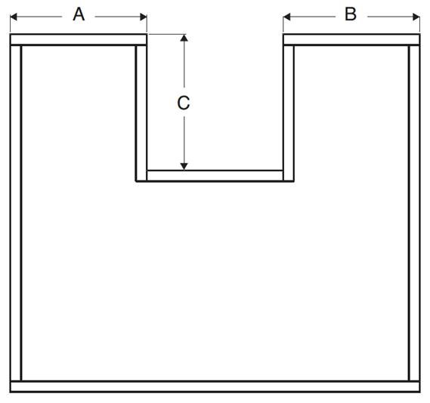
 |  |  |  |  |  |  |  |  |  |  |  |  |  |  |  |  |  | U-Box Dimensions
Line | QTY | Height | Width | Depth | Pull-Out | Bottom Material | Notch | Logo | Clips | Accessory | Job Name | Unit $ | Ext. $ |  | Note for Label |  | A | B | C
1 | 1 | 137 | 533.4 | 533.4 |  | 1/4" Plywood | Notch for U/M Slide Wide | Yes | Grass |  | DEF456 | 72.32 | 72.32
2 | 1 | 105 | 533.4 | 533.4 |  | 1/4" Plywood | Notch for U/M Slide Wide | Yes | Grass |  | DEF456 | 63.33 | 63.33
3
4
5
6
7
8
9
10
11
12
13
14
15
16
17
18
19
20
21
22
23
24
25
26
27
28
29
30
31
32
33
34
35
36
37
38
39
40
41
42
43
44
45
46
47
48
49
50
51
52
53
54
55
56
57
58
59
60
61
62
63
64
65
66
67
68
69
70
71
72
73
74
75
76
77
78
79
80
81
82
83
84
85
86
87
88
89
90
91
92
93
94
95
96
97
98
99
100
101
- | End | of Data | Input | - | - | - | - | - | - | - | - | - | - | - | - | - | - | - | - | - | - | -

Cut & Paste
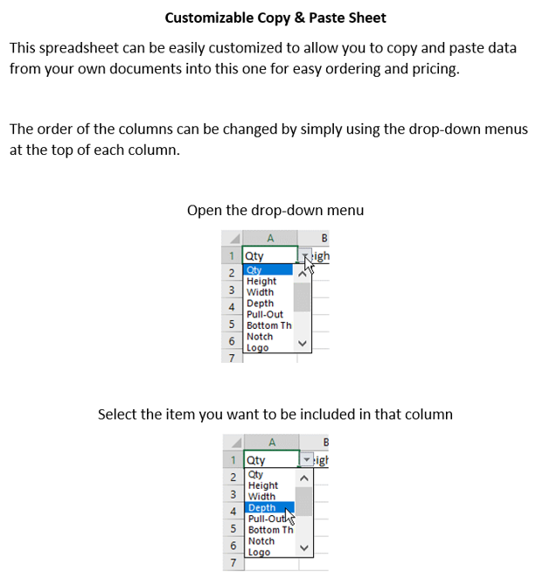
 |  | Customizable Cut & Paste Section |  |  |  |  | Tracking # | 00015435
QTY | Depth | Height | Width | Job Name | Note for Label | Pull-Out

 |  |  |  |  |  |  |  | Options
 |  |  |  |  |  |  |  | QTY
 |  |  |  |  |  |  |  | Height
 |  |  |  |  |  |  |  | Width
 |  |  |  |  |  |  |  | Depth
 |  |  |  |  |  |  |  | Pull-Out
 |  |  |  |  |  |  |  | Job Name
 |  |  |  |  |  |  |  | Note for Label

