Order Sheet
 |  |  |  | Global Drawer Specs |  |  |  | Order Details |  |  |  |  |  |  |  |  |  |  | Contact Information
 |  |  |  | Material | Economy Birch |  |  | Date | 2021-12-01 |  |  |  |  |  |  |  |  |  | Contact | Mark
 |  |  |  | Bottoms | 1/4" Plywood |  |  | Company | Closet Innovations |  |  |  |  |  |  |  |  |  | Company | Closet Innovations
 |  |  |  | Notch for Slides | No Notch |  |  | Account # | US0080774 |  |  |  |  |  | Dovetail Drawer Box Configurator 2.1.9 |  |  |  | Address 1 | 1301 Tech Court
 |  |  |  | Logos on All |  |  |  | Purchase Order | Robinson Lieber |  |  |  | Material # 403.36.703 |  |  |  |  |  | Address 2
 |  |  |  | Clips |  |  |  | Job Name |  |  |  |  |  |  |  |  |  |  | City | Westminster
 |  |  |  | Post Finish |  |  |  | Production Time | Standard - 1 Week |  |  | Forward orders to: | projects@hafele.us |  |  |  |  |  | State | Maryland
 |  |  |  | Mounting Holes |  |  |  |  |  |  |  |  |  |  |  |  |  |  | Zip | 21157
 |  |  |  |  |  |  |  | Hafele PO # | 23700304 |  |  | Order Comments |  |  |  |  |  |  | Phone | 410-857-0380
 |  |  |  | # Scoop Fronts | 0 |  |  | Hafele Order # | 709065238 |  |  |  |  |  |  |  |  |  | email | mark@closetinnovationsmd.com
 |  |  |  | Total Count | 11
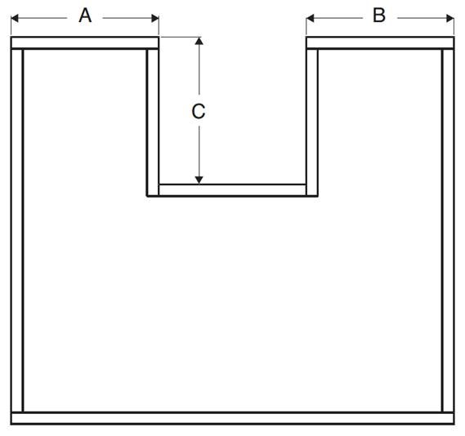
 |  |  |  | Delivered Price | $473.90 |  |  | Unit Format | Fraction
 |  | Opening Size - 1/2" |  |  |  |  |  |  |  |  |  |  |  |  |  |  |  |  |  | U-Box Dimensions
Line | QTY | Height | Width | Height | Width | Depth | Pull-Out | Bottom Material | Notch | Logo | Clips | Accessory | Job Name | Unit $ | Ext. $ |  | Note for Label |  | A | B | C
1 | 1 |  |  | 4.125 | 29 | 13.75 |  | 1/4" Plywood |  |  |  |  | Robinson | 32.63 | 32.63
2 | 2 |  |  | 6.25 | 29 | 13.75 |  | 1/4" Plywood |  |  |  |  | Robinson | 40.05 | 80.10
3 | 2 |  |  | 7.125 | 29 | 13.75 |  | 1/4" Plywood |  |  |  |  | Robinson | 55.97 | 111.94
4 | 3 |  |  | 6.25 | 23 | 13.75 |  | 1/4" Plywood |  |  |  |  | Lieber | 35.89 | 107.67
5 | 3 |  |  | 2.5 | 25 | 12 |  | 1/4" Plywood |  |  |  |  | Van | 30.52 | 91.56
6
7
8
9
10
11
12
13
14
15
16
17
18
19
20
21
22
23
24
25
26
27
28
29
30
31
32
33
34
35
36
37
38
39
40
41
42
43
44
45
46
47
48
49
50
51
52
53
54
55
56
57
58
59
60
61
62
63
64
65
66
67
68
69
70
71
72
73
74
75
76
77
78
79
80
81
82
83
84
85
86
87
88
89
90
91
92
93
94
95
96
97
98
99
100
101
- | End | - | - | of Data | Input | - | - | - | - | - | - | - | - | - | - | - | - | - | - | - | - | -

Cut & Paste
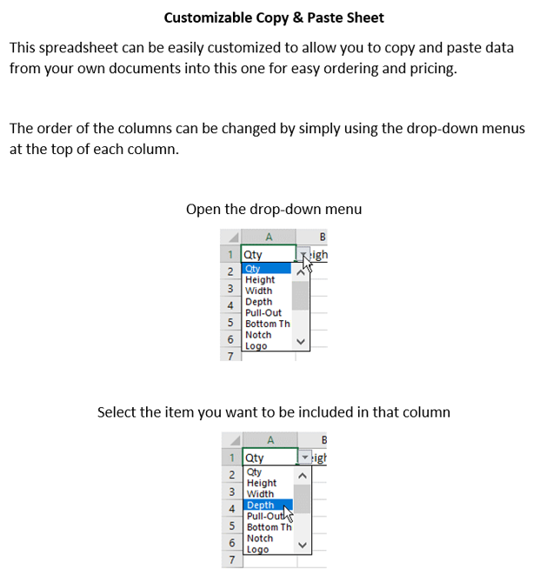
 |  | Customizable Cut & Paste Section |  |  |  |  | Tracking # | 00032608
QTY | Depth | Height | Width | Job Name | Note for Label | Pull-Out

 |  |  |  |  |  |  |  | Options
 |  |  |  |  |  |  |  | QTY
 |  |  |  |  |  |  |  | Height
 |  |  |  |  |  |  |  | Width
 |  |  |  |  |  |  |  | Depth
 |  |  |  |  |  |  |  | Pull-Out
 |  |  |  |  |  |  |  | Job Name
 |  |  |  |  |  |  |  | Note for Label

