Order Sheet
 |  |  |  | Global Drawer Specs |  |  |  | Order Details |  |  |  |  |  |  |  |  |  |  | Contact Information
 |  |  |  | Material | Economy Birch |  |  | Date | 2021-11-30 |  |  |  |  |  |  |  |  |  | Contact | Mark Swan
 |  |  |  | Bottoms | 1/4" Plywood |  |  | Company | Expert Closets Inc |  |  |  |  |  |  |  |  |  | Company | Expert Closets
 |  |  |  | Notch for Slides | No Notch |  |  | Account # | US0019714 |  |  |  |  |  | Dovetail Drawer Box Configurator 2.1.8 |  |  |  | Address 1 | 11 Atlantic Avenue
 |  |  |  | Logos on All | No |  |  | Purchase Order | Desimone 11/30 MES |  |  |  | Material # 403.36.703 |  |  |  |  |  | Address 2
 |  |  |  | Clips | None |  |  | Job Name | Desimone |  |  |  |  |  |  |  |  |  | City | S. Yarmouth
 |  |  |  | Post Finish | No |  |  | Production Time | Standard - 1 Week |  |  | Forward orders to: | projects@hafele.us |  |  |  |  |  | State | MA
 |  |  |  | Mounting Holes | No |  |  |  |  |  |  |  |  |  |  |  |  |  | Zip | 02664
 |  |  |  |  |  |  |  | Hafele PO # | 23698874 |  |  | Order Comments |  |  |  |  |  |  | Phone | (5088616439
 |  |  |  | # Scoop Fronts | 0 |  |  | Hafele Order # | 709053247 |  |  |  |  |  |  |  |  |  | email | shipping@expertclosets.com
 |  |  |  | Total Count | 12
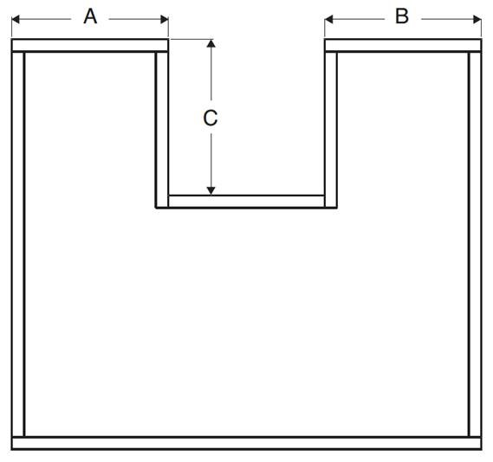
 |  |  |  | Delivered Price | $621.45 |  |  | Unit Format | Fraction
 |  | Opening Size - 3/8" |  |  |  |  |  |  |  |  |  |  |  |  |  |  |  |  |  | U-Box Dimensions
Line | QTY | Height | Width | Height | Width | Depth | Pull-Out | Bottom Material | Notch | Logo | Clips | Accessory | Job Name | Unit $ | Ext. $ |  | Note for Label |  | A | B | C
1 | 3 |  |  | 7.125 | 22.9375 | 19 |  | 1/4" Plywood | No Notch | No | None |  | Desimone | 55.11 | 165.33
2 | 1 |  |  | 12 | 22.9375 | 19 |  | 1/4" Plywood | No Notch | No | None |  | Desimone | 84.80 | 84.80
3 | 4 |  |  | 10.25 | 18.9375 | 15.75 |  | 1/4" Plywood | No Notch | No | None |  | Desimone | 51.89 | 207.56
4 | 4 |  |  | 4.125 | 18.9375 | 15.75 |  | 1/4" Plywood | No Notch | No | None |  | Desimone | 28.44 | 113.76
5
6
7
8
9
10
11
12
13
14
15
16
17
18
19
20
21
22
23
24
25
26
27
28
29
30
31
32
33
34
35
36
37
38
39
40
41
42
43
44
45
46
47
48
49
50
51
52
53
54
55
56
57
58
59
60
61
62
63
64
65
66
67
68
69
70
71
72
73
74
75
76
77
78
79
80
81
82
83
84
85
86
87
88
89
90
91
92
93
94
95
96
97
98
99
100
101
- | End | - | - | of Data | Input | - | - | - | - | - | - | - | - | - | - | - | - | - | - | - | - | -

Cut & Paste
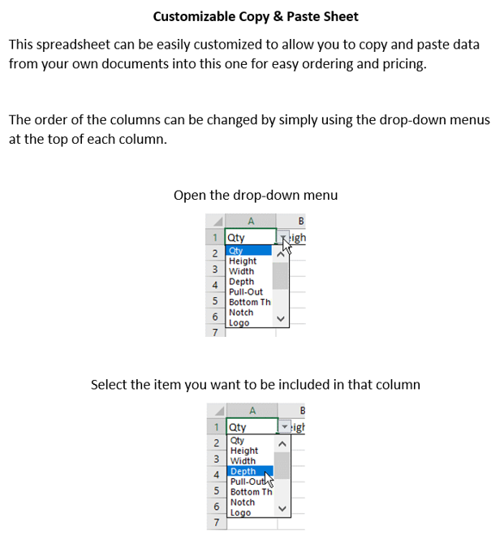
 |  | Customizable Cut & Paste Section |  |  |  |  | Tracking # | 00043958
QTY | Depth | Height | Width | Job Name | Note for Label | Pull-Out

 |  |  |  |  |  |  |  | Options
 |  |  |  |  |  |  |  | QTY
 |  |  |  |  |  |  |  | Height
 |  |  |  |  |  |  |  | Width
 |  |  |  |  |  |  |  | Depth
 |  |  |  |  |  |  |  | Pull-Out
 |  |  |  |  |  |  |  | Job Name
 |  |  |  |  |  |  |  | Note for Label

