Order Sheet
 |  | Global Drawer Specs |  |  |  | Order Details |  |  |  |  |  |  |  |  |  |  | Contact Information
 |  | Material | Solid Birch |  |  | Date | 2021-11-30 |  |  |  |  |  |  |  |  |  | Contact | Rocco Lettieri
 |  | Bottoms | 1/2" Plywood |  |  | Company | Home Front Organization |  |  |  |  |  |  |  |  |  | Company | Home Front Organization
 |  | Notch for Slides | Notch for U/M Slide |  |  | Account # | US0412380 |  |  |  |  |  | Dovetail Drawer Box Configurator 2.1.5 |  |  |  | Address 1 | 3 Woodland Avenue
 |  | Logos on All | No |  |  | Purchase Order | 10 Fanning Add ons |  |  |  | Material # 403.36.703 |  |  |  |  |  | Address 2
 |  | Clips | None |  |  | Job Name | 10 Fanning Add ons |  |  |  |  |  |  |  |  |  | City | Westhampton Beach
 |  | Post Finish | Yes |  |  | Production Time | Standard - 1 Week |  |  | Forward orders to: | projects@hafele.us |  |  |  |  |  | State | NY
 |  | Mounting Holes | No |  |  |  |  |  |  |  |  |  |  |  |  |  | Zip | 11978
 |  |  |  |  |  | Hafele PO # | 23670019 |  |  | Order Comments |  |  |  |  |  |  | Phone | 631-288-4636
 |  | # Scoop Fronts | 0 |  |  | Hafele Order # | 709053994 |  |  |  |  |  |  |  |  |  | email | info@roccolettieri.com
 |  | Total Count | 6
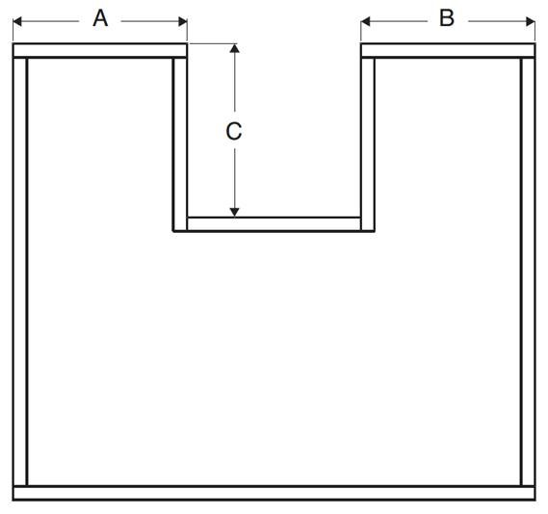
 |  | Delivered Price | $689.98 |  |  | Unit Format | Fraction
 |  |  |  |  |  |  |  |  |  |  |  |  |  |  |  |  |  | U-Box Dimensions
Line | QTY | Height | Width | Depth | Pull-Out | Bottom Material | Notch | Logo | Clips | Accessory | Job Name | Unit $ | Ext. $ |  | Note for Label |  | A | B | C
1 | 1 | 5.375 | 19.375 | 21 |  | 1/2" Plywood | Notch for U/M Slide |  |  |  | 10 Fanning Add ons | 62.50 | 62.50 |  | Master Closet
2 | 1 | 8.25 | 19.375 | 21 |  | 1/2" Plywood | Notch for U/M Slide |  |  |  | 10 Fanning Add ons | 76.17 | 76.17 |  | Master Closet
3 | 1 | 8.25 | 19.375 | 21 |  | 1/2" Plywood | Notch for U/M Slide |  |  |  | 10 Fanning Add ons | 76.17 | 76.17 |  | Master Closet
4 | 1 | 12 | 41.5 | 21 |  | 1/2" Plywood | Notch for U/M Slide |  |  | U-Box | 10 Fanning Add ons | 184.35 | 184.35 |  | Master Bath |  | 10 | 10 | 14
5 | 1 | 12 | 41.25 | 21 |  | 1/2" Plywood | Notch for U/M Slide |  |  | U-Box | 10 Fanning Add ons | 183.87 | 183.87 |  | Master Bath |  | 10 | 10 | 14
6 | 1 | 4.125 | 23.3125 | 21 |  | 1/2" Plywood | Notch for U/M Slide |  |  |  | 10 Fanning Add ons | 56.92 | 56.92 |  | Master Bath
7
8
9
10
11
12
13
14
15
16
17
18
19
20
21
22
23
24
25
26
27
28
29
30
31
32
33
34
35
36
37
38
39
40
41
42
43
44
45
46
47
48
49
50
51
52
53
54
55
56
57
58
59
60
61
62
63
64
65
66
67
68
69
70
71
72
73
74
75
76
77
78
79
80
81
82
83
84
85
86
87
88
89
90
91
92
93
94
95
96
97
98
99
100
101
- | End | of Data | Input | - | - | - | - | - | - | - | - | - | - | - | - | - | - | - | - | -

Cut & Paste
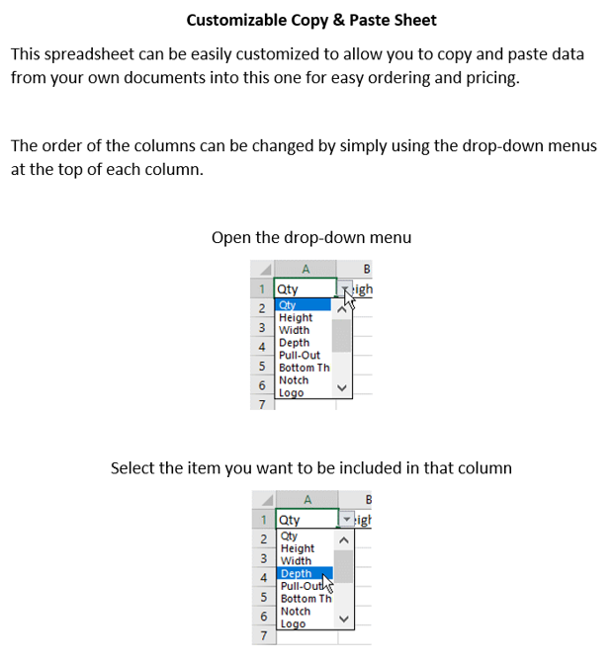
 |  | Customizable Cut & Paste Section |  |  |  |  | Tracking # | 00049229
QTY | Depth | Height | Width | Job Name | Note for Label | Pull-Out

 |  |  |  |  |  |  |  | Options
 |  |  |  |  |  |  |  | QTY
 |  |  |  |  |  |  |  | Height
 |  |  |  |  |  |  |  | Width
 |  |  |  |  |  |  |  | Depth
 |  |  |  |  |  |  |  | Pull-Out
 |  |  |  |  |  |  |  | Job Name
 |  |  |  |  |  |  |  | Note for Label

