20230128
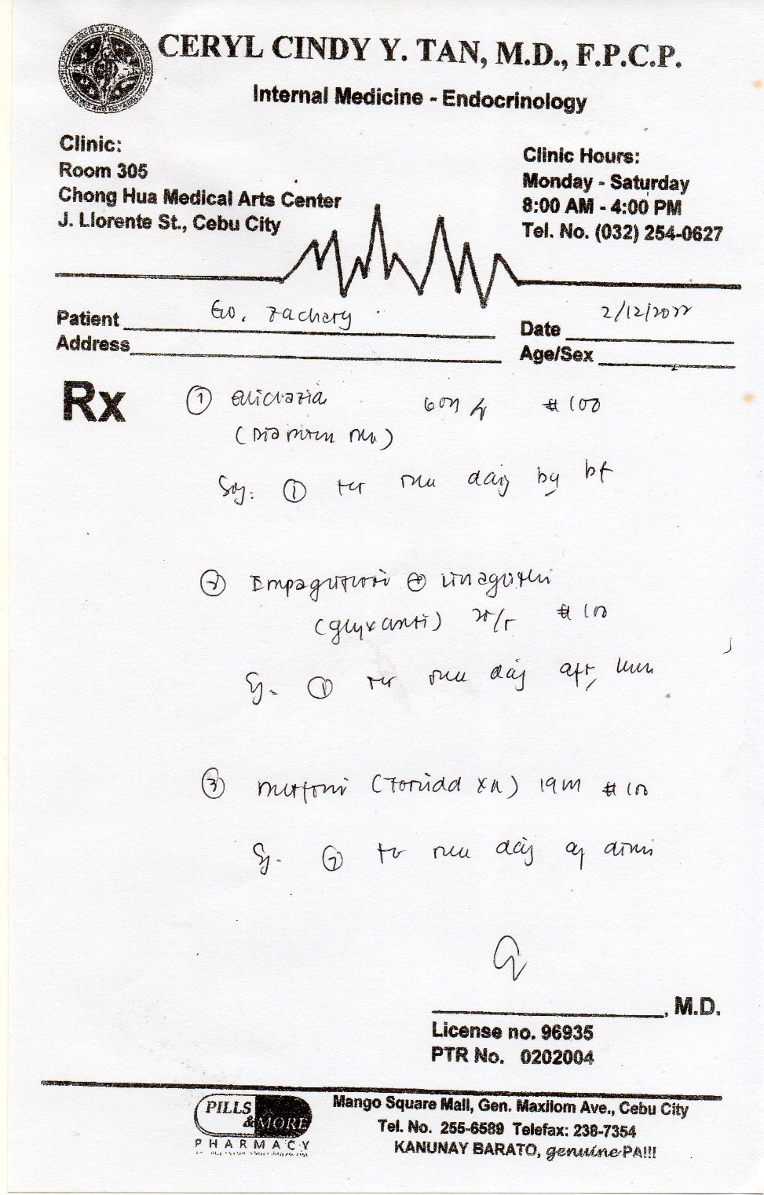
Item | Qty Available | Qty Needed
Gliclazide MR 60mg (D) (Zeltine MR/Melandy-MR) | 0 | 29
Carvedilol (H) 25mg/tab (BetaCard, Cardipres) | 4 | 25
Subutril-Valsartan(V) 200mg Vymada |  | 15
Empagliflozin Linagliptin 25mg/10mg(D)(25mg/5mg(D)) | 2 | 27
Metformin Hydrochloride 1000mg (Fornidd XR) | 8 | 50
Aspirin 80mg | 2 | 27
Rosuvastatin (Rovista/Rosewin) 5mg (MWF) | 1 | 11
Spironolactone ½ 50mg (W) | 4 | 11

Date Purchase: | 2023-01-28
Up to Date | 2023-02-26
Number of Days | 29

Next Cut-off | 2023-02-23
26.00
5 | 30.00 |  | 2022-06-26
 | 29 |  | 2022-07-26

