Data diary
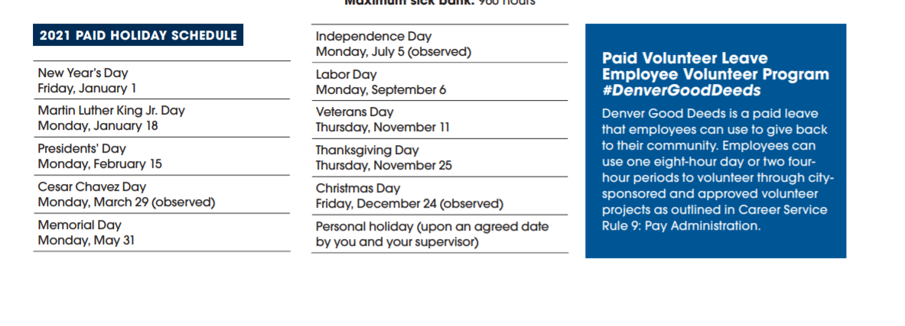
Was sent this CSV version of Chief Pazen's swipes. The format of the data does not put a date for each time he swipes in, just a redacted time. So it will be very tedious and difficult to pull out the number of times per day that Pzaen swiped in.
 | So, I will concentrate on getting the number of days in that time span and go from there. Th ereal story is how many days in a week these officers are at the office.

Denver has one more paid holiday than Aurora does. Cesar Chavez Day on March 29.
 | https://www.denvergov.org/content/dam/denvergov/Portals/671/documents/Benefits/BenefitsGuide_2021.pdf

