data diary
 | Got into underlying data from the "Table LookUp" here
 |  | https://coloradocrimestats.state.co.us/tops/report/mvt/colorado/2019

 | Select the lowest tier and drag geography into the incident side
 |  |  | https://coloradocrimestats.state.co.us/public/View/dispview.aspx

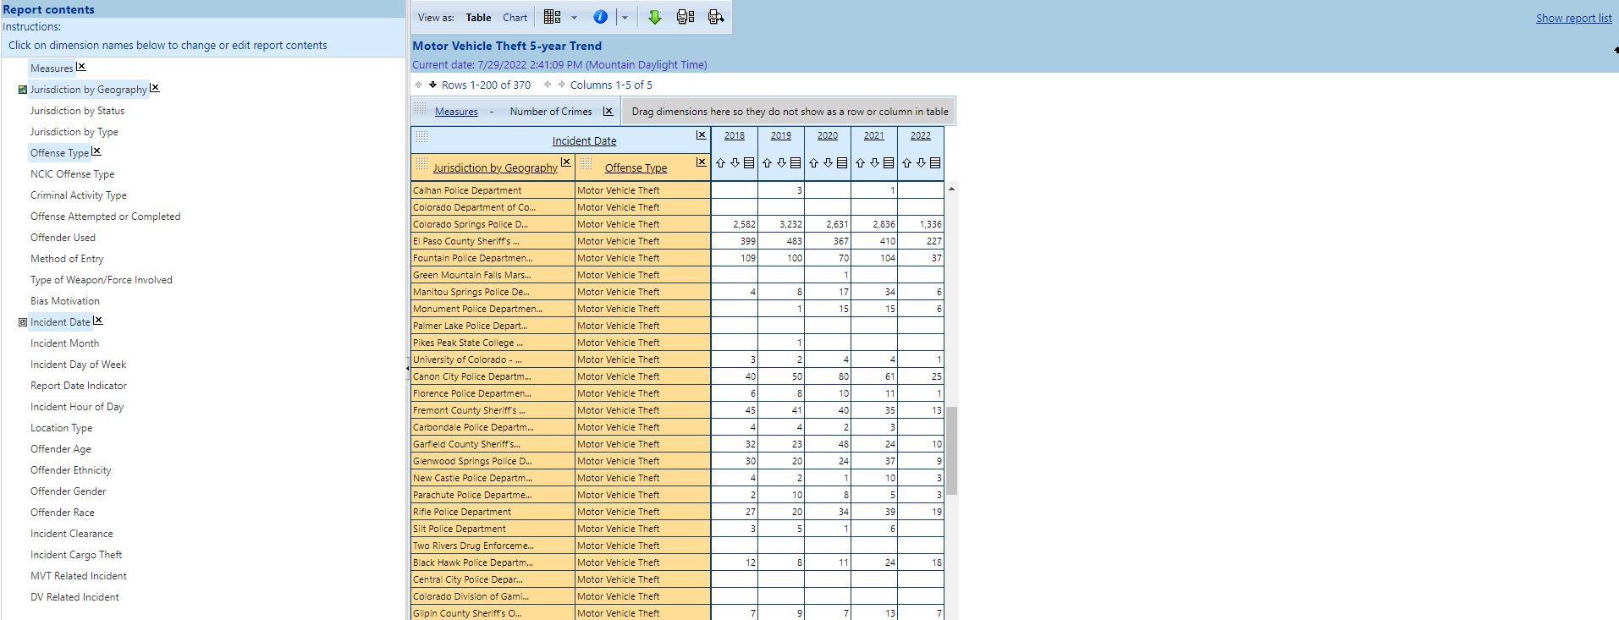

 |  | Then I do clearance by arrest only
 |  |  |  | https://coloradocrimestats.state.co.us/public/View/dispview.aspx
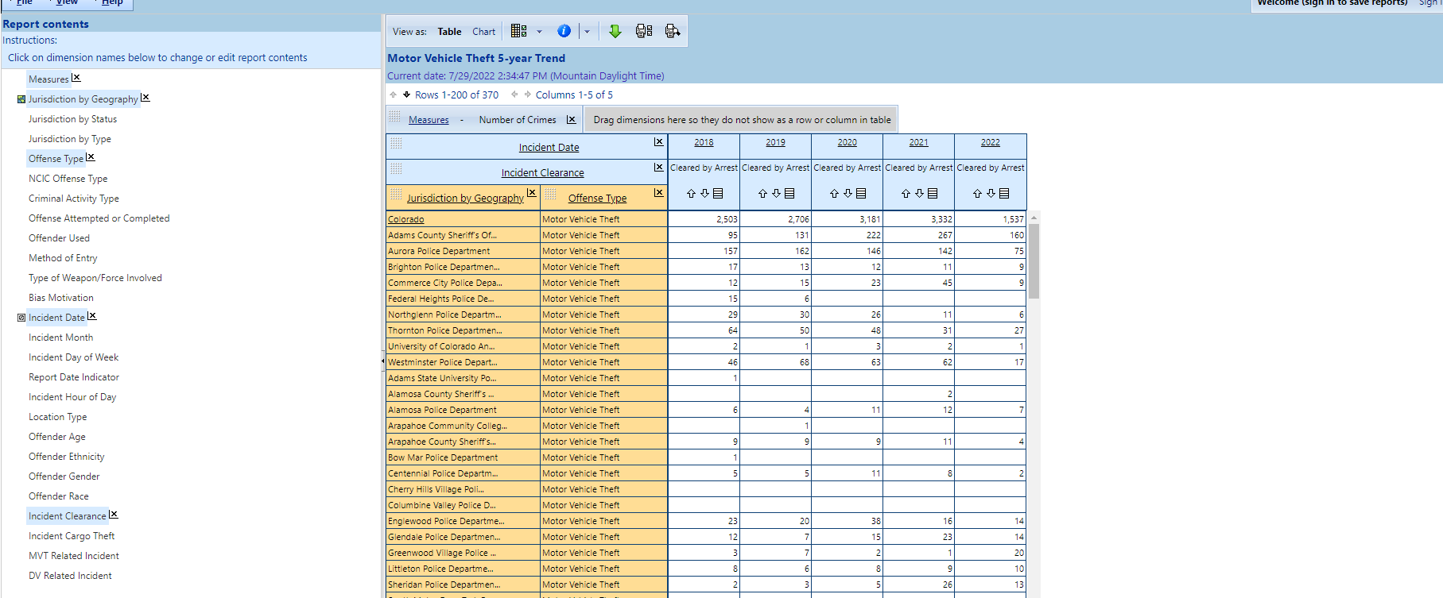

 |  | For stolen/recovered cars

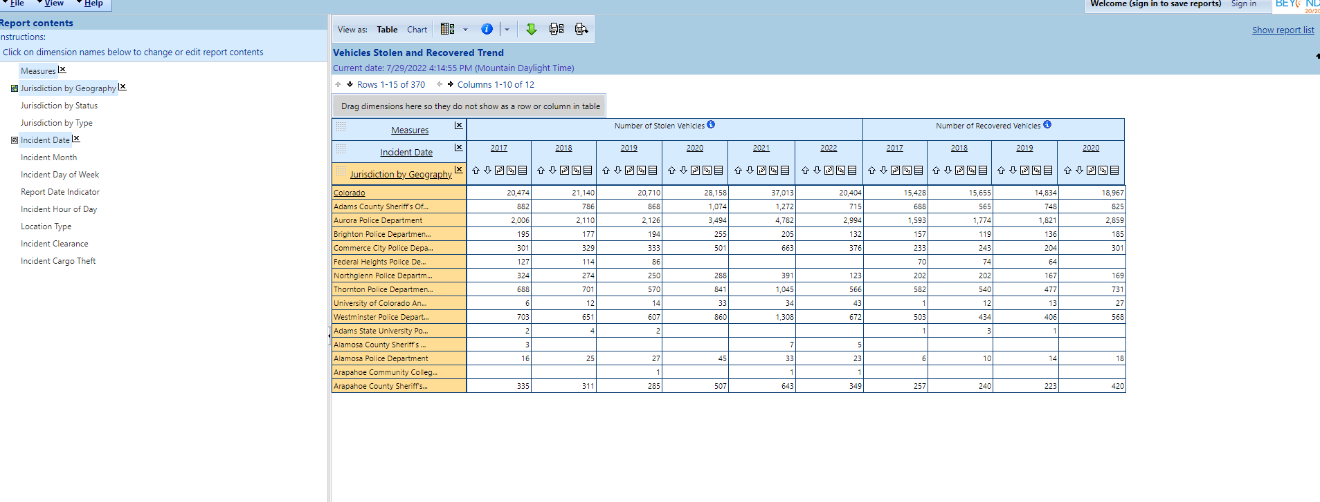

Will join the arrest and recovered data into one for the graphic with a left join in R. Need to clean up and combine agencies to make that easier to deal with
 | Combined CSP all into one in arrest - for gfx tab:
 |  | Colorado State Patrol | 80 | 4 | 5
 |  | Colorado State Patrol - 2A | 100 | 2 | 2
 |  | Colorado State Patrol - Craig Communications | 100 | 15 | 15
 |  | Colorado State Patrol - Executive Security Unit | 0 | 0 | 0
 |  | Colorado State Patrol - Montrose Regional Communications | 0 | 0 | 0
 |  | Colorado State Patrol Executive Security | 0 | 0 | 7
 |  | Colorado State Patrol Troop 2A-Retired | 0 | 0 | 0
 |  | Colorado State Patrol Troop 2C - Retired | 0 | 0 | 0
 |  | Colorado State Patrol Troop 2D-Retired | 0 | 0 | 0
 |  | Colorado State Patrol-Staff Services-Retired | 0 | 0 | 0
 |  | Colorado State Patrol | 72.413793103 | 21 | 29
 |  | Colorado State Patrol | 72.413793103 | 21 | 29

 |  | And again:
 |  |  | CSP - STIS (Smuggling And Trafficking Interdiction) | 0 | 0 | 0
 |  |  | CSP - Troop 1C | 50 | 1 | 2
 |  |  | CSP (Troop 1B) Adams County (E470) - Retired | 0 | 0 | 0
 |  |  | CSP Craig Moffat County 4B - Retired | 0 | 0 | 0
 |  |  | CSP Craig Rio Blanco County 4B - Retired | 0 | 0 | 0
 |  |  | CSP Craig Routt County 4B - Retired | 0 | 0 | 0
 |  |  | CSP District 4 | 0 | 0 | 0
 |  |  | CSP District 5 Alamosa Conejos County 5B - Retired | 0 | 0 | 0
 |  |  | CSP District 5 Alamosa Costilla County 5B - Retired | 0 | 0 | 0
 |  |  | CSP District 5 Alamosa County 5B - Retired | 0 | 0 | 0
 |  |  | CSP District 5 Alamosa Mineral County 5B - Retired | 0 | 0 | 0
 |  |  | CSP District 5 Alamosa Rio Grande County 5B-retired | 0 | 0 | 0
 |  |  | CSP District 5 Alamosa Saguache County 5B-retired | 0 | 0 | 0
 |  |  | CSP District 5 Alamosa Troop 5B Comm Center | 0 | 0 | 0
 |  |  | CSP District 5A Durango | 100 | 4 | 4
 |  |  | CSP District 5B Alamosa | 100 | 1 | 1
 |  |  | CSP District 5C Montrose | 100 | 4 | 4
 |  |  | CSP District 6 Broomfield Boulder County 6C-retired | 0 | 0 | 0
 |  |  | CSP District 6 Frisco Clear Creek County 6B-retired | 0 | 0 | 0
 |  |  | CSP District 6 Frisco Grand County 6B-retired | 0 | 0 | 0
 |  |  | CSP District 6 Frisco Jackson County 6B-retired | 0 | 0 | 0
 |  |  | CSP District 6 Frisco Park County 6B-retired | 0 | 0 | 0
 |  |  | CSP District 6 Frisco Summit County 6B-retired | 0 | 0 | 0
 |  |  | CSP District Five Archuleta County 5A - Retired | 0 | 0 | 0
 |  |  | CSP District Five Dolores County 5A - Retired | 0 | 0 | 0
 |  |  | CSP District Five La Plata County 5A - Retired | 0 | 0 | 0
 |  |  | CSP District Five Montezuma County 5A - Retired | 0 | 0 | 0
 |  |  | CSP District Five Montrose - Delta County 5C-retired | 0 | 0 | 0
 |  |  | CSP District Five Montrose - Gunnison County 5C-retired | 0 | 0 | 0
 |  |  | CSP District Five Montrose - Montrose County 5C-retired | 0 | 0 | 0
 |  |  | CSP District Five Montrose - Ouray County 5C-retired | 0 | 0 | 0
 |  |  | CSP District Five Montrose - Saguache County 5C-retired | 0 | 0 | 0
 |  |  | CSP District Five Montrose - San Miguel County 5C-retired | 0 | 0 | 0
 |  |  | CSP District Five San Juan County 5A - Retired | 0 | 0 | 0
 |  |  | CSP District Five Troop 5A Durango | 0 | 0 | 0
 |  |  | CSP District Six Golden - Gilpin County 6A-retired | 0 | 0 | 0
 |  |  | CSP District Six Golden - Jefferson County 6A-retired | 0 | 0 | 0
 |  |  | CSP Investigative Services | 0 | 0 | 0
 |  |  | CSP Metro District | 97.5 | 39 | 40
 |  |  | CSP Pueblo Regional Communication Center | 0 | 0 | 0
 |  |  | CSP Troop 1A Adams County - Retired | 0 | 0 | 0
 |  |  | CSP Troop 1A Arapahoe County - Retired | 0 | 0 | 0
 |  |  | CSP Troop 1A Elbert County - Retired | 0 | 0 | 0
 |  |  | CSP Troop 1A Kit Carson County - Retired | 0 | 0 | 0
 |  |  | CSP Troop 1a Lincoln County - Retired | 0 | 0 | 0
 |  |  | CSP Troop 1C Arapahoe County - Retired | 0 | 0 | 0
 |  |  | CSP Troop 1C Douglas County - Retired | 0 | 0 | 0
 |  |  | CSP Troop 1C Elbert County - Retired | 0 | 0 | 0
 |  |  | CSP Troop 1D Adams County - Retired | 0 | 0 | 0
 |  |  | CSP Troop 1D Commerce City | 100 | 5 | 5
 |  |  | CSP Troop 2A Pueblo County - Retired | 0 | 0 | 0
 |  |  | CSP Troop 2B Colorado Springs | 100 | 6 | 6
 |  |  | CSP Troop 2B El Paso County - Retired | 0 | 0 | 0
 |  |  | CSP Troop 2B Teller County - Retired | 0 | 0 | 0
 |  |  | CSP Troop 2C Crowley County - Retired | 0 | 0 | 0
 |  |  | CSP Troop 2C Lamar | 0 | 0 | 0
 |  |  | CSP Troop 2C Otero County - Retired | 0 | 0 | 0
 |  |  | CSP Troop 2C Prowers County - Retired | 0 | 0 | 0
 |  |  | CSP Troop 2D Las Animas County - Retired | 0 | 0 | 0
 |  |  | CSP Troop 2D Trinidad | 100 | 6 | 6
 |  |  | CSP Troop 3A Greeley | 100 | 1 | 1
 |  |  | CSP Troop 3A Weld County - Retired | 0 | 0 | 0
 |  |  | CSP Troop 3B Logan County - Retired | 0 | 0 | 0
 |  |  | CSP Troop 3B Morgan County - Retired | 0 | 0 | 0
 |  |  | CSP Troop 3B Phillips County - Retired | 0 | 0 | 0
 |  |  | CSP Troop 3B Sedgwick County - Retired | 0 | 0 | 0
 |  |  | CSP Troop 3B Sterling | 100 | 1 | 1
 |  |  | CSP Troop 3B Washington County - Retired | 0 | 0 | 0
 |  |  | CSP Troop 3B Weld County - Retired | 0 | 0 | 0
 |  |  | CSP Troop 3B Yuma County - Retired | 0 | 0 | 0
 |  |  | CSP Troop 3C Fort Collins | 0 | 0 | 0
 |  |  | CSP Troop 3C Larimer County - Retired | 0 | 0 | 0
 |  |  | CSP Troop 4A Mesa County - Retired | 0 | 0 | 0
 |  |  | CSP Troop 4C Eagle County - Retired | 0 | 0 | 0
 |  |  | CSP Troop 4C Garfield County - Retired | 0 | 0 | 0
 |  |  | CSP Troop 4C Glenwood Springs - Retired | 0 | 0 | 0
 |  |  | CSP Troop 4C Pitkin County - Retired | 0 | 0 | 0

 |  | Did the same in the recovered tab
 |  |  | Colorado State Patrol | 75 | 3 | 4
 |  |  | Colorado State Patrol | 100 | 1 | 1
 |  |  | Colorado State Patrol | 0 | 0 | 0
 |  |  | Colorado State Patrol - 2A | 100 | 2 | 2
 |  |  | Colorado State Patrol - Craig Communications | 38.461538462 | 5 | 13
 |  |  | Colorado State Patrol - Craig Communications | 0 | 0 | 0
 |  |  | Colorado State Patrol - Executive Security Unit | 0 | 0 | 0
 |  |  | Colorado State Patrol - Montrose Regional Communications | 0 | 0 | 0
 |  |  | Colorado State Patrol Executive Security | 0 | 0 | 7
 |  |  | Colorado State Patrol Troop 2A-Retired | 0 | 0 | 0
 |  |  | Colorado State Patrol Troop 2A-Retired | 0 | 0 | 0
 |  |  | Colorado State Patrol Troop 2A-Retired | 0 | 0 | 0
 |  |  | Colorado State Patrol Troop 2A-Retired | 0 | 0 | 0
 |  |  | Colorado State Patrol Troop 2C - Retired | 0 | 0 | 0
 |  |  | Colorado State Patrol Troop 2C-Retired | 0 | 0 | 0
 |  |  | Colorado State Patrol Troop 2C-Retired | 0 | 0 | 0
 |  |  | Colorado State Patrol Troop 2C-Retired | 0 | 0 | 0
 |  |  | Colorado State Patrol Troop 2D-Retired | 0 | 0 | 0
 |  |  | Colorado State Patrol-Staff Services-Retired | 0 | 0 | 0

 |  | And again:
 |  |  | CSP - STIS (Smuggling And Trafficking Interdiction) | 0 | 0 | 0
 |  |  | CSP - Troop 1C | 0 | 0 | 2
 |  |  | CSP (Troop 1B) Adams County (E470) - Retired | 0 | 0 | 0
 |  |  | CSP Craig Moffat County 4B - Retired | 0 | 0 | 0
 |  |  | CSP Craig Rio Blanco County 4B - Retired | 0 | 0 | 0
 |  |  | CSP Craig Routt County 4B - Retired | 0 | 0 | 0
 |  |  | CSP District 4 | 0 | 0 | 0
 |  |  | CSP District 5 Alamosa Conejos County 5B - Retired | 0 | 0 | 0
 |  |  | CSP District 5 Alamosa Costilla County 5B - Retired | 0 | 0 | 0
 |  |  | CSP District 5 Alamosa County 5B - Retired | 0 | 0 | 0
 |  |  | CSP District 5 Alamosa Mineral County 5B - Retired | 0 | 0 | 0
 |  |  | CSP District 5 Alamosa Rio Grande County 5B-retired | 0 | 0 | 0
 |  |  | CSP District 5 Alamosa Saguache County 5B-retired | 0 | 0 | 0
 |  |  | CSP District 5 Alamosa Troop 5B Comm Center | 0 | 0 | 0
 |  |  | CSP District 5A Durango | 75 | 3 | 4
 |  |  | CSP District 5B Alamosa | 100 | 1 | 1
 |  |  | CSP District 5C Montrose | 50 | 2 | 4
 |  |  | CSP District 6 Broomfield Boulder County 6C-retired | 0 | 0 | 0
 |  |  | CSP District 6 Frisco Clear Creek County 6B-retired | 0 | 0 | 0
 |  |  | CSP District 6 Frisco Grand County 6B-retired | 0 | 0 | 0
 |  |  | CSP District 6 Frisco Jackson County 6B-retired | 0 | 0 | 0
 |  |  | CSP District 6 Frisco Park County 6B-retired | 0 | 0 | 0
 |  |  | CSP District 6 Frisco Summit County 6B-retired | 0 | 0 | 0
 |  |  | CSP District Five Archuleta County 5A - Retired | 0 | 0 | 0
 |  |  | CSP District Five Dolores County 5A - Retired | 0 | 0 | 0
 |  |  | CSP District Five La Plata County 5A - Retired | 0 | 0 | 0
 |  |  | CSP District Five Montezuma County 5A - Retired | 0 | 0 | 0
 |  |  | CSP District Five Montrose - Delta County 5C-retired | 0 | 0 | 0
 |  |  | CSP District Five Montrose - Gunnison County 5C-retired | 0 | 0 | 0
 |  |  | CSP District Five Montrose - Montrose County 5C-retired | 0 | 0 | 0
 |  |  | CSP District Five Montrose - Ouray County 5C-retired | 0 | 0 | 0
 |  |  | CSP District Five Montrose - Saguache County 5C-retired | 0 | 0 | 0
 |  |  | CSP District Five Montrose - San Miguel County 5C-retired | 0 | 0 | 0
 |  |  | CSP District Five San Juan County 5A - Retired | 0 | 0 | 0
 |  |  | CSP District Five Troop 5A Durango | 0 | 0 | 0
 |  |  | CSP District Six Golden - Gilpin County 6A-retired | 0 | 0 | 0
 |  |  | CSP District Six Golden - Jefferson County 6A-retired | 0 | 0 | 0
 |  |  | Csp Investigative Services | 0 | 0 | 0
 |  |  | CSP Metro District | 84.210526316 | 32 | 38
 |  |  | CSP Metro District | 0 | 0 | 0
 |  |  | CSP Metro District | 0 | 0 | 0
 |  |  | CSP Pueblo Regional Communication Center | 0 | 0 | 0
 |  |  | CSP Troop 1A Adams County - Retired | 0 | 0 | 0
 |  |  | CSP Troop 1A Arapahoe County - Retired | 0 | 0 | 0
 |  |  | CSP Troop 1A Elbert County - Retired | 0 | 0 | 0
 |  |  | CSP Troop 1A Kit Carson County - Retired | 0 | 0 | 0
 |  |  | CSP Troop 1a Lincoln County - Retired | 0 | 0 | 0
 |  |  | CSP Troop 1C Arapahoe County - Retired | 0 | 0 | 0
 |  |  | CSP Troop 1C Douglas County - Retired | 0 | 0 | 0
 |  |  | CSP Troop 1C Elbert County - Retired | 0 | 0 | 0
 |  |  | CSP Troop 1D Adams County - Retired | 0 | 0 | 0
 |  |  | CSP Troop 1D Commerce City | 100 | 2 | 2
 |  |  | CSP Troop 2A Pueblo County - Retired | 0 | 0 | 0
 |  |  | CSP Troop 2B Colorado Springs | 60 | 3 | 5
 |  |  | CSP Troop 2B El Paso County - Retired | 0 | 0 | 0
 |  |  | CSP Troop 2B Teller County - Retired | 0 | 0 | 0
 |  |  | CSP Troop 2C Crowley County - Retired | 0 | 0 | 0
 |  |  | CSP Troop 2C Lamar | 0 | 0 | 0
 |  |  | CSP Troop 2C Otero County - Retired | 0 | 0 | 0
 |  |  | CSP Troop 2C Prowers County - Retired | 0 | 0 | 0
 |  |  | CSP Troop 2D Las Animas County - Retired | 0 | 0 | 0
 |  |  | CSP Troop 2D Trinidad | 0 | 0 | 2
 |  |  | CSP Troop 3A Greeley | 100 | 1 | 1
 |  |  | CSP Troop 3A Weld County - Retired | 0 | 0 | 0
 |  |  | CSP Troop 3B Logan County - Retired | 0 | 0 | 0
 |  |  | CSP Troop 3B Morgan County - Retired | 0 | 0 | 0
 |  |  | CSP Troop 3B Phillips County - Retired | 0 | 0 | 0
 |  |  | CSP Troop 3B Sedgwick County - Retired | 0 | 0 | 0
 |  |  | CSP Troop 3B Sterling | 100 | 1 | 1
 |  |  | CSP Troop 3B Washington County - Retired | 0 | 0 | 0
 |  |  | CSP Troop 3B Weld County - Retired | 0 | 0 | 0
 |  |  | CSP Troop 3B Yuma County - Retired | 0 | 0 | 0
 |  |  | CSP Troop 3C Fort Collins | 0 | 0 | 0
 |  |  | CSP Troop 3C Larimer County - Retired | 0 | 0 | 0
 |  |  | CSP Troop 4A Mesa County - Retired | 0 | 0 | 0
 |  |  | CSP Troop 4C Eagle County - Retired | 0 | 0 | 0
 |  |  | CSP Troop 4C Garfield County - Retired | 0 | 0 | 0
 |  |  | CSP Troop 4C Glenwood Springs - Retired | 0 | 0 | 0
 |  |  | CSP Troop 4C Pitkin County - Retired | 0 | 0 | 0

Did LEFT JOIN in R and SQL to combine arrest and recovered data

Found others after the merge

 | agency | recovered_cars_perc | recovered_cars_total | recovered_total_stolen_cars | arrest_pct | arrest_total | arrest_total_car_thefts
 | Colorado Division of Gaming Crim Enf Inv Section Central City | 0.0 | 0 | 0 | 0.0 | 0 | 0
 | Colorado Division of Gaming Crim Enf Inv Section Cripple Creek | 0.0 | 0 | 0 | 100.0 | 1 | 1
 | Colorado Division of Gaming Crim Enf Inv Section Golden | 0.0 | 0 | 0 | 0.0 | 0 | 0

 | Colorado Bureau Of Investigation | 0.0 | 0 | 1 | 100.0 | 1 | 1
 | Colorado Bureau Of Investigation (Testing Ori) | 0.0 | 0 | 0 | 0.0 | 0 | 0

