data diary
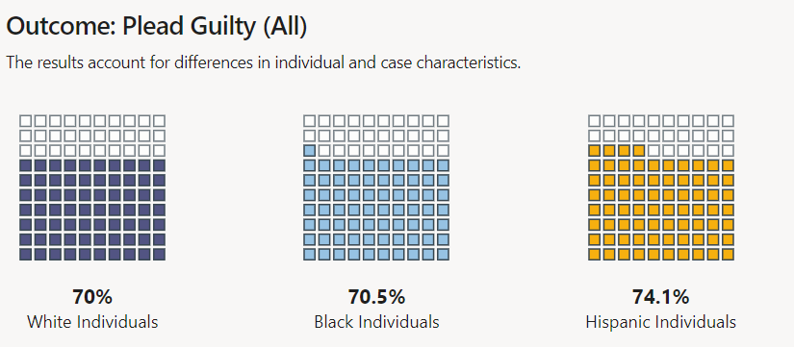
Data pulled from disparity analysis dashboards published here:
 | https://data.dacolorado.org/

black_gap
 | Refers to the difference between charges brought/reductions compared to the population. Positive number means a disparity (aka an over-prevalance) and negative indicates an under-representation.

guilty plea aka plead guilty

