Data diary
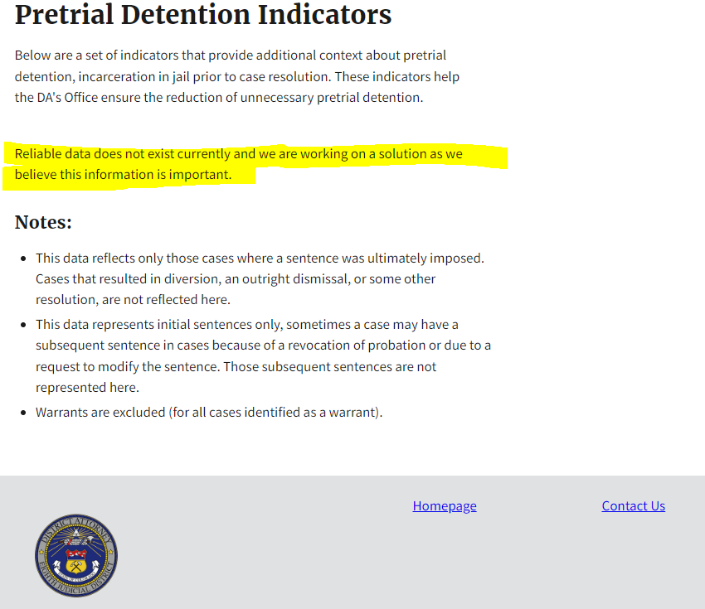
Data comes from here: |  |  | https://drive.google.com/drive/folders/1flhAFpnjQGAE3esh9E2-4eAHEwi8Dpf9

Didn't have Black pretrial defendants
 | JD_6
 |  | https://docs.google.com/spreadsheets/d/181cyT5rh1vCB_-nYsyndkrzeateC-nhnkFywUPo2qqQ/edit#gid=0
 | JD_5
 |  | No pretrial, only felony incarceration
 | JD_8
 |  | No pretrial, only felony incarceration
 |  |  | https://data.dacolorado.org/8th/sentencing

