data diary
Grew from a baseline of $100
 | https://www.bls.gov/regions/mountain-plains/news-release/consumerpriceindex_denver.htm
 | The index measures price changes from a designated reference date. For most of the CPI-U the reference base is 1982-84 equals 100. An increase of 7 percent from the reference base, for example, is shown as 107.000. Alternatively, that relationship can also be expressed as the price of a base period market basket of goods and services rising from $100 to $107. For further details see the CPI home page on the internet at www.bls.gov/cpi and the CPI section of the BLS Handbook of Methods available on the internet at www.bls.gov/opub/hom/cpi/.

Was pulling data from the CPI section of this CDLE website but no data was available before 2017.
 | https://www.colmigateway.com/vosnet/lmi/default.aspx?plang=E

So pulled it from here on BLS website
 | https://data.bls.gov/pdq/SurveyOutputServlet?data_tool=dropmap&series_id=CUURS48BSA0,CUUSS48BSA0
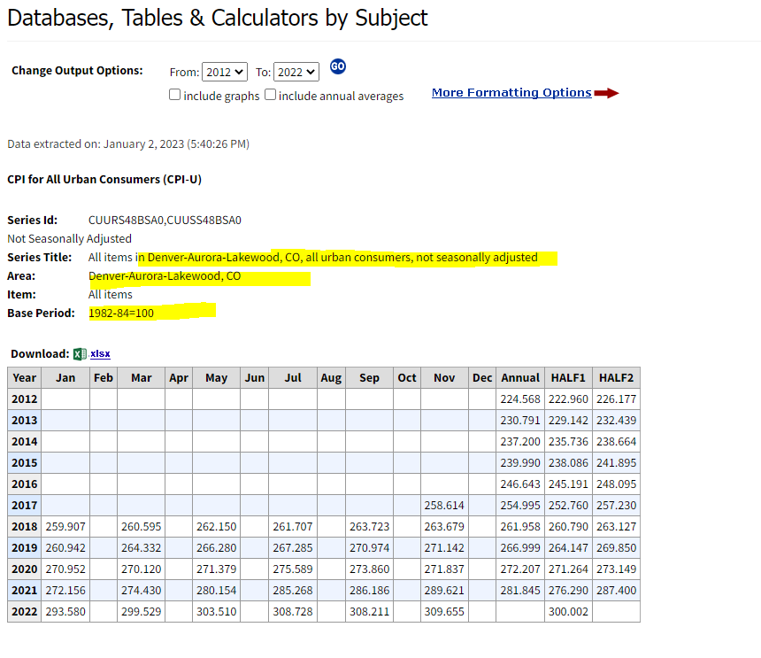

Denver used front-half CPI to calculate increase year to year
 | https://www.denvergov.org/Government/Agencies-Departments-Offices/Agencies-Departments-Offices-Directory/Department-of-Finance/News/2022/Denver-Local-Minimum-Wage-to-Increase-to-17.29-for-2023

MIT's Living Wage Calculation estimates that a living wage for one adult requires an hourly rate of $19.62. If someone has children, the wage requirement goes up.
 | https://livingwage.mit.edu/metros/19740

 | The living wage takes into account how much one needs to make in order to meet "basic needs while also maintaining self-sufficiency."
 |  | "The living wage model is an alternative measure of basic needs. It is a market-based approach that draws upon geographically specific expenditure data related to a family’s likely minimum food, childcare, health insurance, housing, transportation, and other basic necessities (e.g. clothing, personal care items, etc.) costs. The living wage draws on these cost elements and the rough effects of income and payroll taxes to determine the minimum employment earnings necessary to meet a family’s basic needs while also maintaining self-sufficiency."
 |  |  | https://livingwage.mit.edu/pages/about
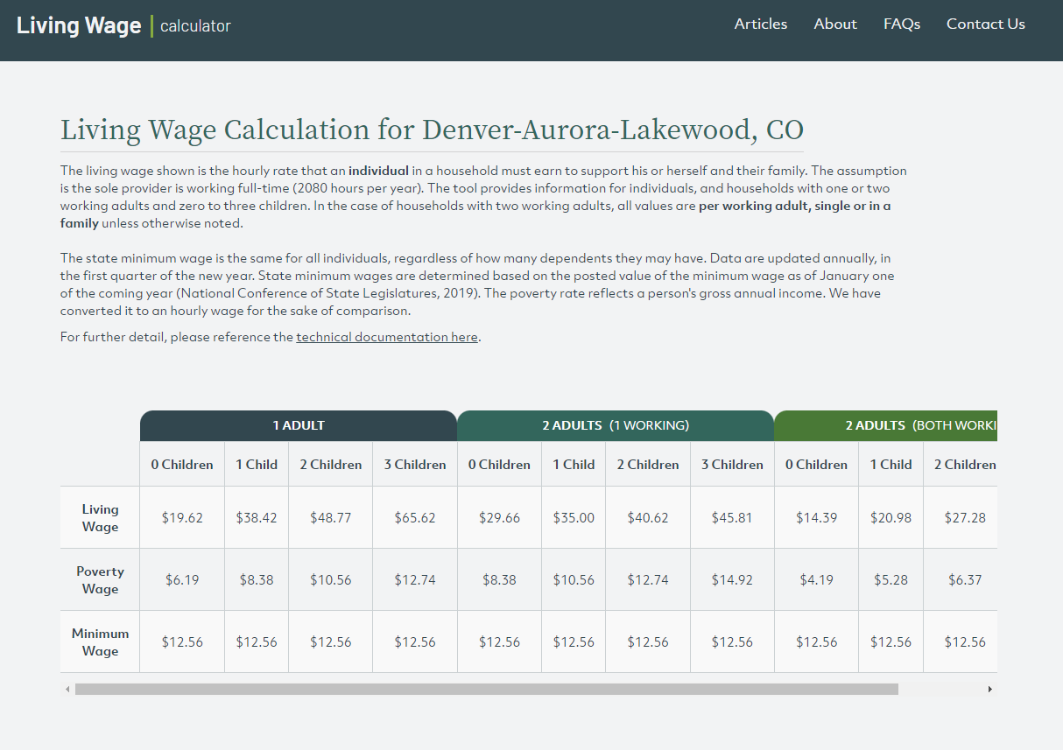

Denver minimum wage:

 | From: Overschmidt, Tayler - AO AA3237 Executive Director <Tayler.Overschmidt@denvergov.org>
 | Sent: Tuesday, January 3, 2023 11:07 AM
 | To: Newman, Zack <zack.newman@9news.com>
 | Subject: RE: 9News: Data on minimum wage from 2012 - 2023?

 | Hi Zach,

 | Thanks for bumping that back up, I was still working to get through all the emails from when I was away.

 | To answer your question, the citywide minimum wage didn’t exist in Denver until it took effect on January 1, 2020. Here are the wage rates for the city during that time period:

 | 2020 Citywide Minimum Wage: $12.85/hour
 | 2021 Citywide Minimum Wage: $14.77/hour
 | 2022 Citywide Minimum wage: $15.87/hour
 | 2023 Citywide Minimum Wage: $17.29/hour
 | **Each year, employers in the food and beverage industry may reduce their minimum wage obligation by up to $3.02 per hour, provided they can provide documentation that their employees received at least that amount in actual tips.

 | Before the citywide minimum wage took effect, the most broad wage rate that applied to all workers in the city was the state minimum wage. Here’s a nice chart from CDLE showing what the minimum wage rates looked like going back to 1998:

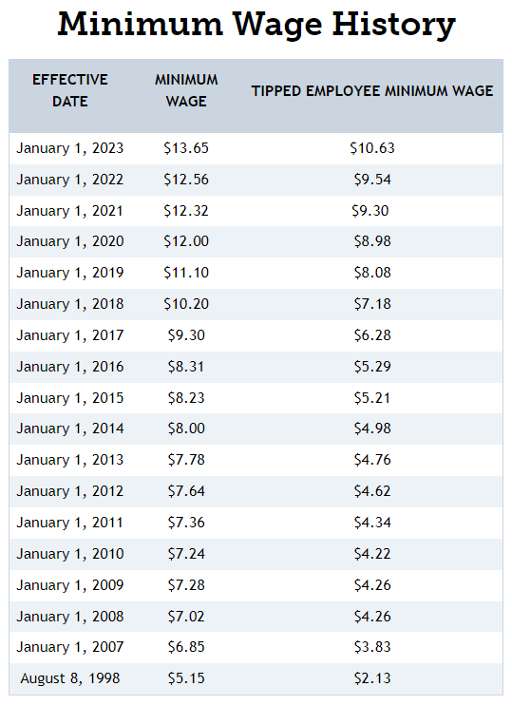

 | Additionally, the city passed a contractor minimum wage rate that first took effect in 2019. That wage rate only applied to contractors working on city projects (when not covered by the prevailing wage). That wage rate still exists in the city today but is not enforced because it is lower than the citywide minimum wage rate. Here’s what the contractor minimum wage rate has looked like historically:
 | Contractor Minimum Wage July 2019 through June 2020: $13/hour
 | Contractor Minimum Wage July 2020 through June 2021: $14/hour
 | Contractor Minimum Wage July 2021 through June 2022: $15/hour

 | Other wages we have information on would be:
 | 1. The living wage, which was repealed by City Council in 2022 and hasn’t been actively enforced in a long time because it was lower than all other rates and we always enforce the highest applicable rate.
 | 2. Prevailing wage, which is applied to construction, improvement, repair, maintenance, demolition, or janitorial work at city buildings or city-funded projects. Those rates vary based on type of work. They are still enforced because most prevailing wage rates are higher than the minimum wage. You can find an archive of all the different prevailing wage determinations here.

 | I hope this answers your question. Let me know if you need anything else.

 | Best,
 | Tayler

 |  | Tayler Overschmidt | Director of Communications
 |  | Denver Auditor’s Office | City and County of Denver
 |  | denverauditor.org | Phone: 720-913-5033
 |  | CLICK HERE to sign up for our newsletter
 |  | Connect with the Auditor: | Connect with Denver Labor:
 |  | Facebook | Twitter | Facebook | Twitter

denver minimum wage
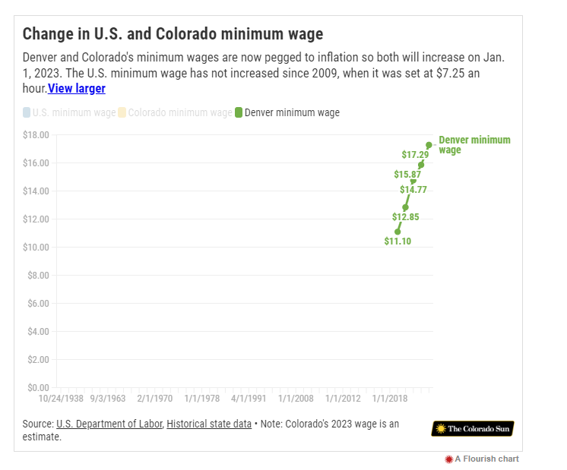
year | denver_minimum_wage | source
2012 | $7.64 | Denver auditor, see email in data diary
2013 | $7.78 | Denver auditor, see email in data diary
2014 | $8.00 | Denver auditor, see email in data diary
2015 | $8.23 | Denver auditor, see email in data diary
2016 | $8.31 | Denver auditor, see email in data diary
2017 | $9.30 | Denver auditor, see email in data diary
2018 | $10.20 | Denver auditor, see email in data diary
2019 | $11.10 | Denver auditor, see email in data diary
2020 | $12.85 | Denver auditor, see email in data diary
2021 | $14.77 | Denver auditor, see email in data diary
2022 | $15.87 | https://denvergov.org/Government/Agencies-Departments-Offices/Agencies-Departments-Offices-Directory/Auditors-Office/Denver-Labor/Citywide-Minimum-Wage/Minimum-Wage-2022/
2023 | $17.29 | https://denvergov.org/Government/Agencies-Departments-Offices/Agencies-Departments-Offices-Directory/Auditors-Office/Denver-Labor/Citywide-Minimum-Wage/Minimum-Wage-2022/

first half 1-year-growth (2022 - 2023): |  | 8.947700063
first half 3-year-growth (2020 - 2023): |  | 34.552529183
first half 5-year-growth (2018 - 2023): |  | 69.509803922
first half 10-year-growth (2013 - 2023): |  | 122.23650386

Colorado Sun has some data out there:
 | https://coloradosun.com/2022/12/31/new-labor-laws-employment-colorado/?utm_source=The%20Colorado%20Sun%20Newsletters&utm_campaign=SUNRISER_20230102&utm_medium=email

