data diary
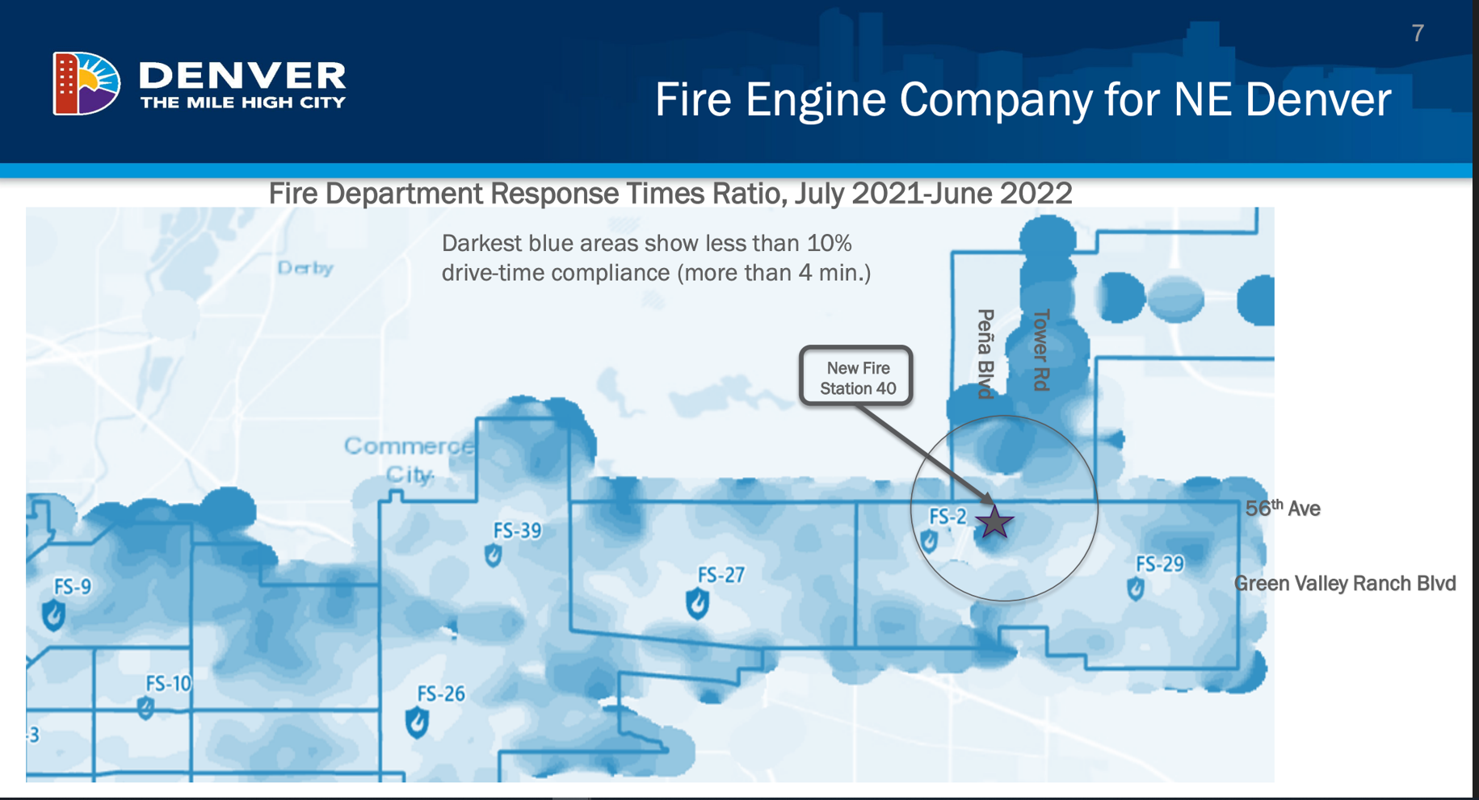
Data downloaded from here: |  | https://data.census.gov/cedsci/map?text=population%20change%20denver%20co&g=1400000US08031004109%241000000,08031004111%241000000,08031008304%241000000,08031008305%241000000,08031008306%241000000,08031008312%241000000,08031008386%241000000,08031008387%241000000,08031008388%241000000,08031008389%241000000,08031015800%241000000,08031980001%241000000,08031980100%241000000&d=DEC%20Redistricting%20Data%20%28PL%2094-171%29&layer=VT_2020_100_00_PY_D1&mode=thematic&loc=39.7883,-104.6406,z10.3772
 | Followed this tutorial | https://www.census.gov/data/academy/data-gems/2021/how-to-access-data-for-my-neighborhood-from-the-2020-census-redistricting-files.html

Not sure what the r number means here, but I think it's some kind of label
 | Geographic Area Name | Total
 | Block 3008, Block Group 3, Census Tract 83.89, Denver County, Colorado | 154(r39544)
 | Block 3009, Block Group 3, Census Tract 83.89, Denver County, Colorado | 16(r39545)
 | Block 3008:
 | https://data.census.gov/cedsci/profile/Block_3008,_Census_Tract_83.89,_Denver_County,_Colorado?g=1000000US080310083893008
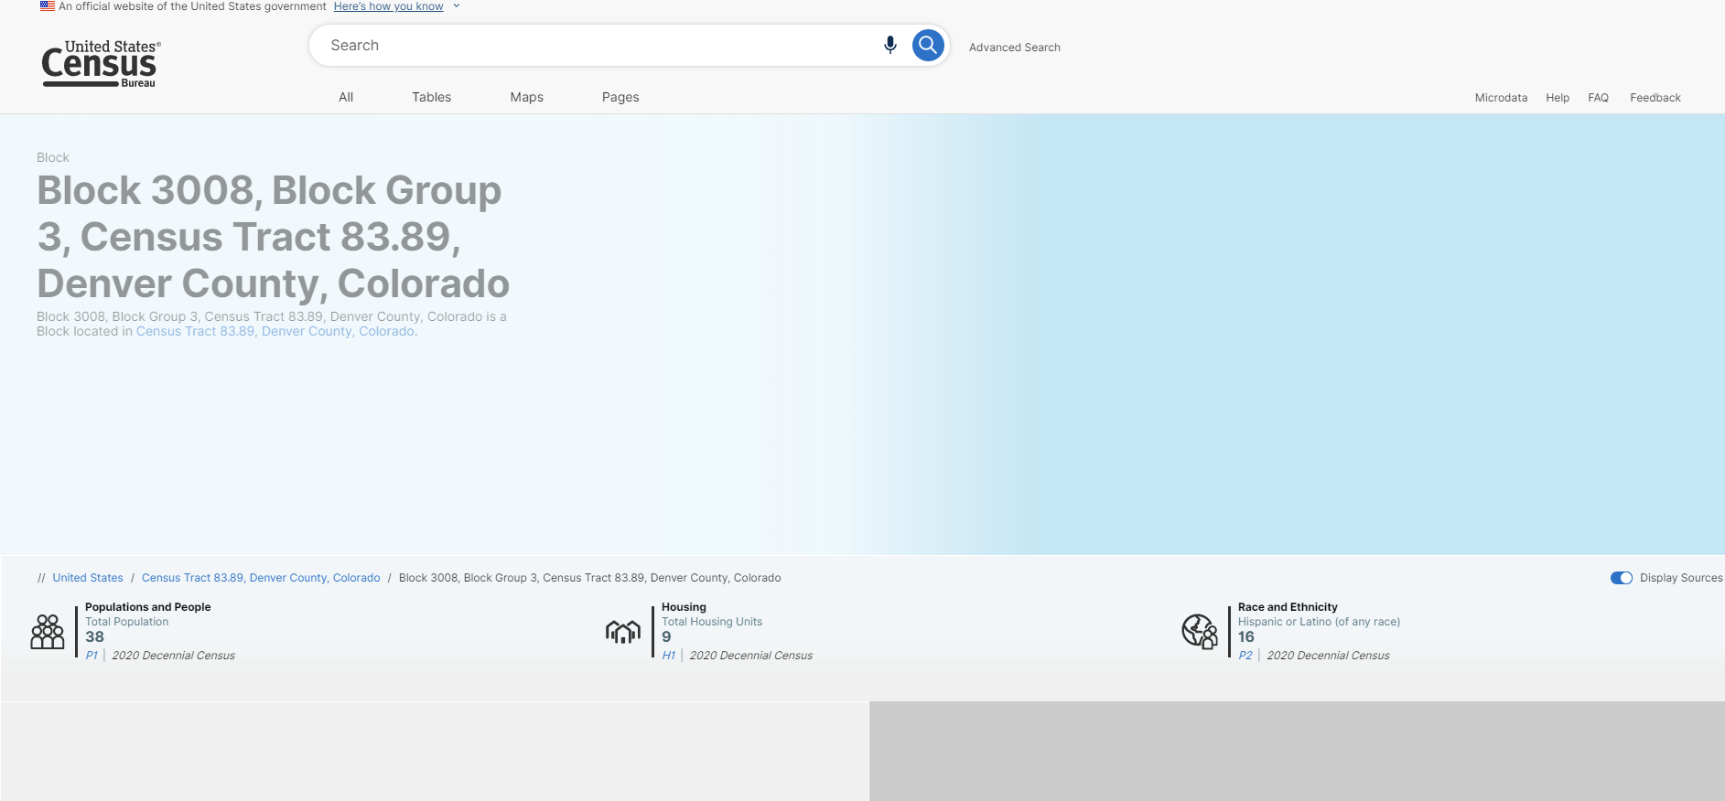

 | Block 3009:
 | https://data.census.gov/cedsci/profile/Block_3009,_Census_Tract_83.89,_Denver_County,_Colorado?g=1000000US080310083893009
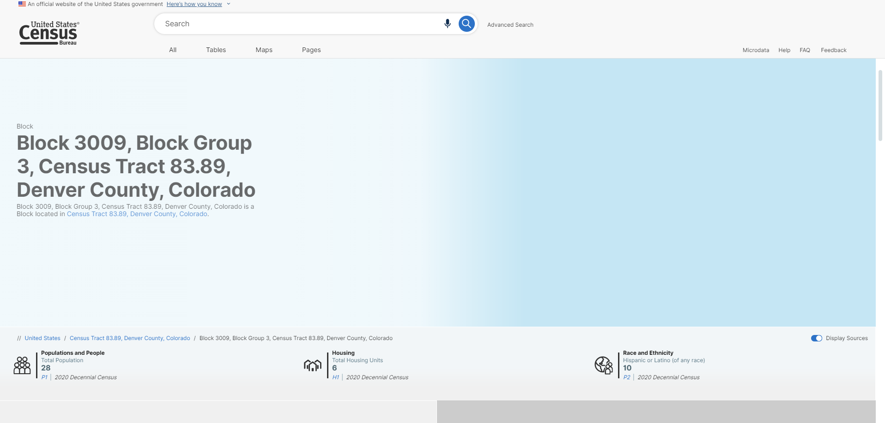

 | That 2020 number downloaded too, so I think I am good to delete that r number
 |  | Geographic Area Name | Total:
 |  | Block 3009, Block Group 3, Census Tract 83.89, Denver County, Colorado | 28

Census tracts designed to mirror this map:

