data diary
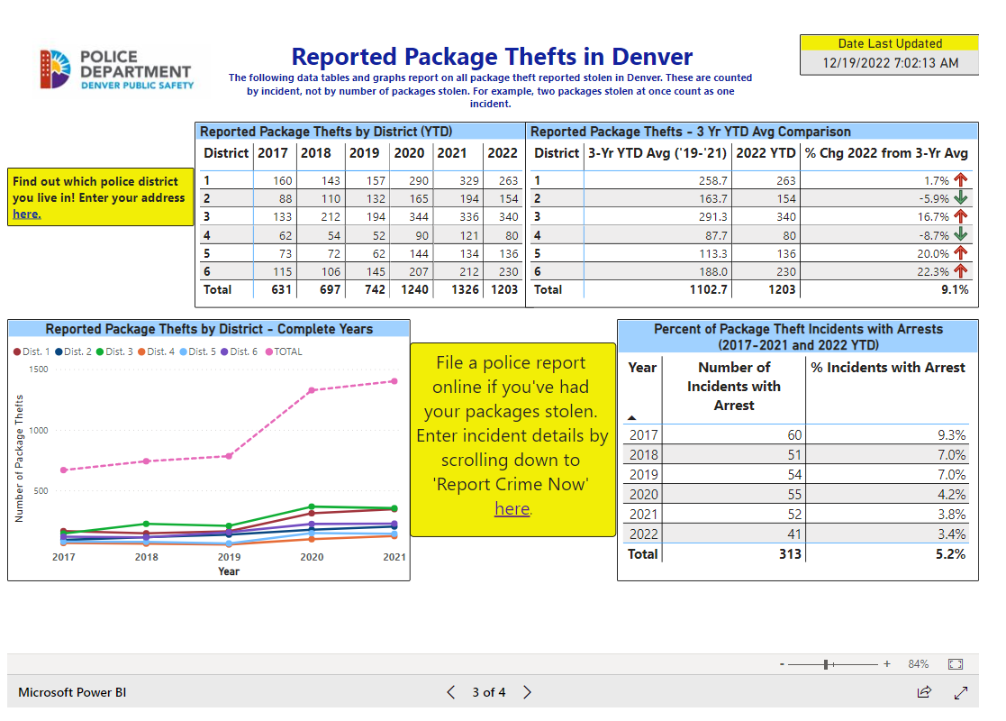
Data pulled from 3rd dashboard here:
 | https://www.denvergov.org/Government/Agencies-Departments-Offices/Agencies-Departments-Offices-Directory/Police-Department/Crime-Information/Additional-Crime-Dashboards

