data diary
All of deaths by county come from here:
 | https://www.codot.gov/safety/traffic-safety/data-analysis/fatal-crash-data

In 2013 and 2014 it switches to "Number of People Killed in an Alcohol Related Accident" -- I need to make sure the categories are comparable

Pulled archived reports from WayBack machine. Data put into Microsoft BI dashboard since I last did this and killed previous PDF's off of site

Data now lives here:
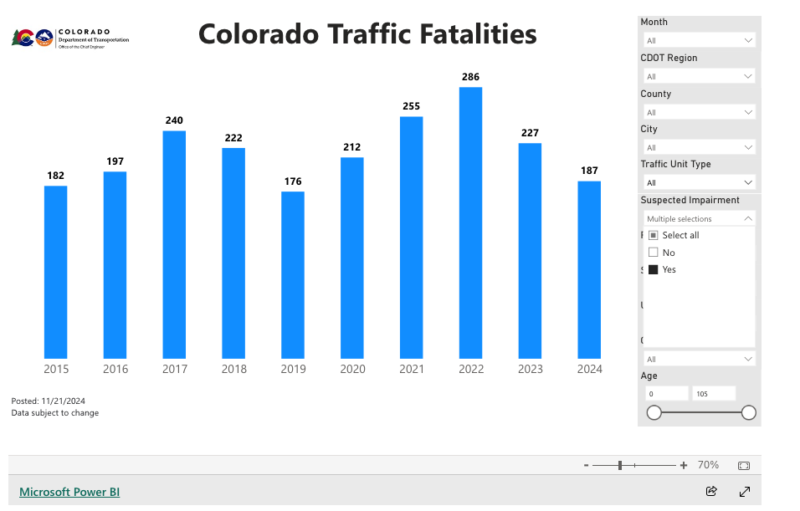

 | https://www.codot.gov/safety/traffic-safety/data-analysis/fatal-crash-data

