data diary
2022 data available as of 11/29/22
 | https://coloradocrimestats.state.co.us/tops/report/hate-crime/colorado/2022

I am going to pull hate crimes against those because of their gender identity and sexual orientation because that seems like a more comprehensive look at anti-LGTBQ+ crime.
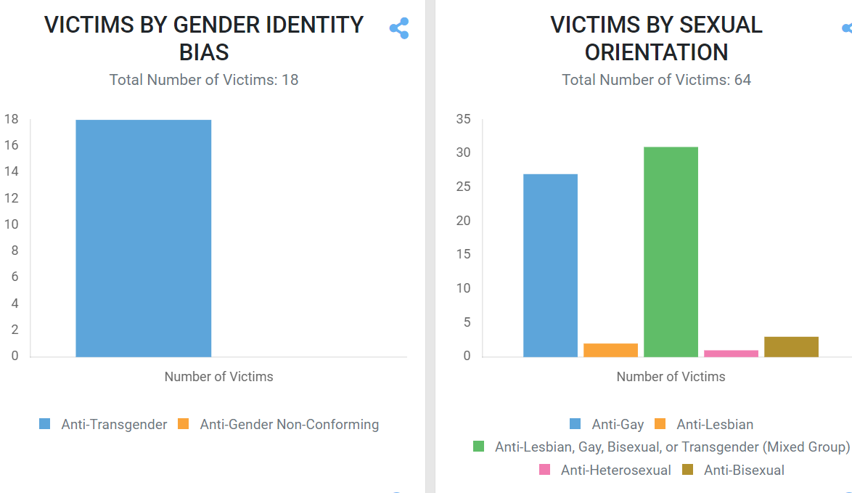

 | Whereas gender bias does not fit within that category because it includes anti-male and anti-female crimes, which is different from anti-LGTBQ+ crimes.
 |  | From 2021 CBI hate crime data:
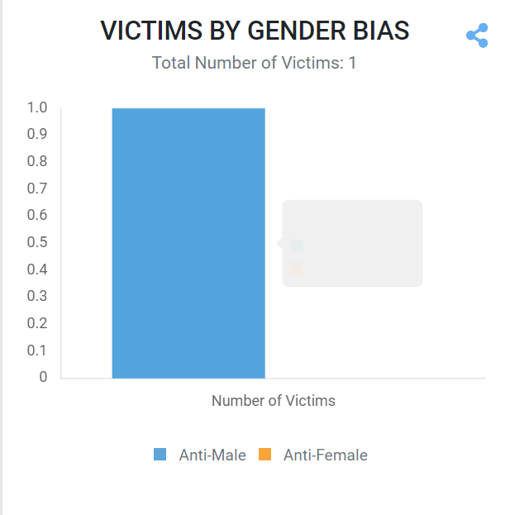

 |  |  | https://coloradocrimestats.state.co.us/tops/report/hate-crime/colorado/2021

