CDE paid while HSD

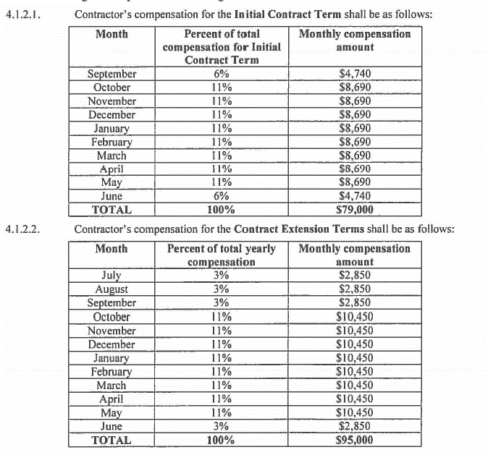
Time period: 04/01/2020 - 07/2021

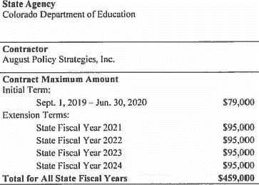

 | 2020-04-01 | 8690
 | May-20 | 8690
 | Jun-20 | 4740
 | Jul-20 | 2850
 | Aug-20 | 2850
 | Sep-20 | 2850
 | Oct-20 | 10450
 | Nov-20 | 10450
 | Dec-20 | 10450
 | Jan-21 | 10450
 | Feb-21 | 10450
 | Mar-21 | 10450
 | Apr-21 | 10450
 | May-21 | 10450
 | Jun-21 | 2850

 |  | $117,120.00

