data diary
Bills pulled from:
HB1570
 | https://www.arkleg.state.ar.us/Bills/Detail?id=HB1570&ddBienniumSession=2021%2F2021R
sb354
 | https://www.arkleg.state.ar.us/Bills/Detail?id=SB354&ddBienniumSession=2021%2F2021R

SQL query:
 | SELECT * FROM candidate_walmart_con_18_22 WHERE candidate_name LIKE "%Lundstrum" OR candidate_name LIKE "%Clark" OR candidate_name LIKE "%Barker" OR candidate_name LIKE "%Bentley" OR candidate_name LIKE "%Brown" OR candidate_name LIKE "%Bryant" OR candidate_name LIKE "%Cavenaugh" OR candidate_name LIKE "%Cloud" OR candidate_name LIKE "%Coleman" OR candidate_name LIKE "%Cooper" OR candidate_name LIKE "%Cozart" OR candidate_name LIKE "%Crawford" OR candidate_name LIKE "%Dalby" OR candidate_name LIKE "%Dotson" OR candidate_name LIKE "%Fite" OR candidate_name LIKE "%Furman" OR candidate_name LIKE "%Gazaway" OR candidate_name LIKE "%Gonzales" OR candidate_name LIKE "%Gray" OR candidate_name LIKE "%Haak" OR candidate_name LIKE "%Hollowell" OR candidate_name LIKE "%Ladyman" OR candidate_name LIKE "%Lowery" OR candidate_name LIKE "%Lynch" OR candidate_name LIKE "%Mayberry" OR candidate_name LIKE "%McGrew" OR candidate_name LIKE "%McNair" OR candidate_name LIKE "%Meeks" OR candidate_name LIKE "%Miller" OR candidate_name LIKE "%Payton" OR candidate_name LIKE "%Penzo" OR candidate_name LIKE "%Pilkington" OR candidate_name LIKE "%Ray" OR candidate_name LIKE "%Richmond" OR candidate_name LIKE "%Slape" OR candidate_name LIKE "%Smith" OR candidate_name LIKE "%Speaks" OR candidate_name LIKE "%Tollett" OR candidate_name LIKE "%Tosh" OR candidate_name LIKE "%Underwood" OR candidate_name LIKE "%Vaught" OR candidate_name LIKE "%Warren" OR candidate_name LIKE "%Watson" OR candidate_name LIKE "%Wing" OR candidate_name LIKE "%Bragg" OR candidate_name LIKE "%Hillman" OR candidate_name LIKE "%Wooten" OR candidate_name LIKE "%Ballinger" OR candidate_name LIKE "%Beckham" OR candidate_name LIKE "%Bledsoe" OR candidate_name LIKE "%Davis" OR candidate_name LIKE "%English" OR candidate_name LIKE "%Gilmore" OR candidate_name LIKE "%Hammer" OR candidate_name LIKE "%Hill" OR candidate_name

Need to delete Lee Johnson

# Hits for Hiram Richelieu Hill but idk if same guy as Ricky Hill
# I think it is. Both ran in Senate District 29 with a Cabot, Arkansaw address

Watson goes by Danny Watson but files as John "Danny" Daniel
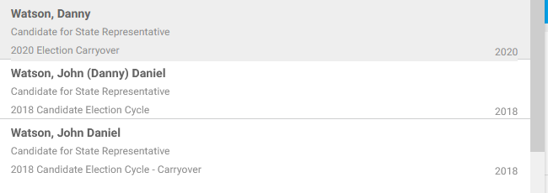

 | candidate_name | contribution_count | total_contribution
 | john daniel watson | 1 | 1500
 | John Daniel Watson | 1 | 1000

Eliminate Berry. Sponsor was Stan Berry, not Mark Hamilton Berry
 | Mark H Berry | 1 | 1000
 | Mark Hamilton Berry | 2 | 3000

Elim Andy Davis. Sponsor was Breanne Davis
 | Andy Davis | 1 | 500

Elim cooper
 | https://www.arkleg.state.ar.us/Legislators/Detail?member=C.+Cooper&ddBienniumSession=2021%2F2021R
 | Sponsor was Cameron Cooper, not John
 |  | John Robert Cooper | 1 | 2700

Eliminate Lanny Fite. Charlene Fite was the sponsor
 | Lanny Fite | 1 | 1500

Eliminate Michael John Gray. Michelle Gray, a sponsor, reps district 62
 | Michael John Gray | 1 | 500

