Visuals
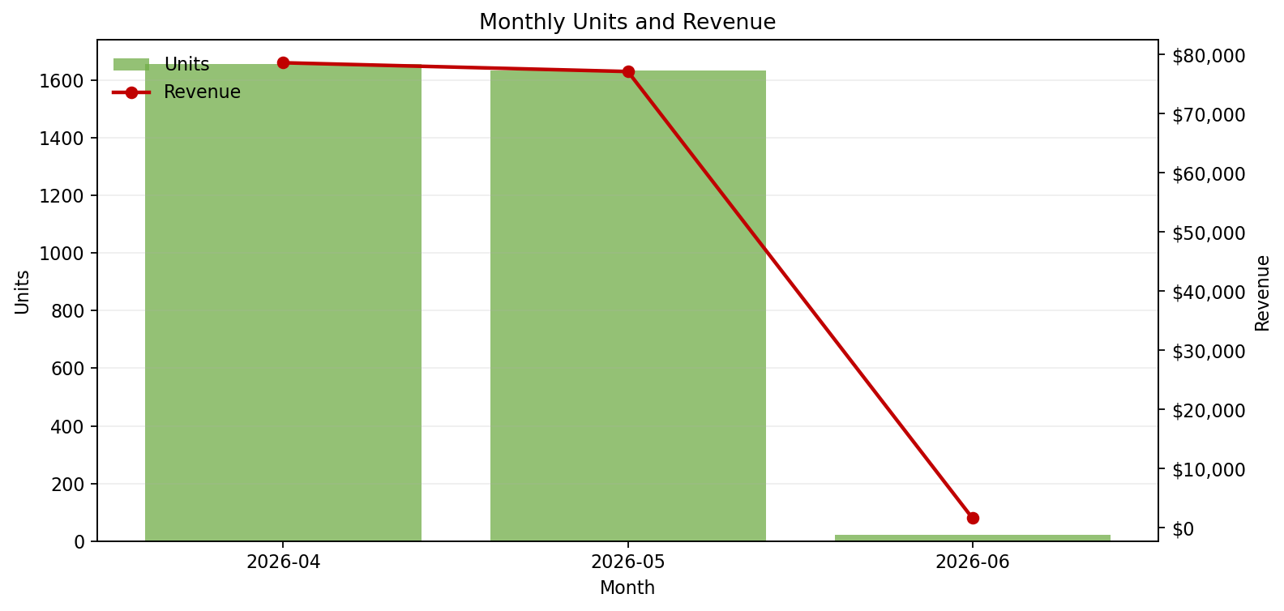
Executive Dashboard
Concise KPI summary and aligned visuals

Rows Loaded | New Rows |  | Total Revenue
62 | 0 |  | $157,308.00

Total Units | Avg Daily Revenue |  | Avg Unit Price
3,315 | $2,537.23 |  | $51.92

Daily Revenue Trend |  | Revenue by Source Sheet
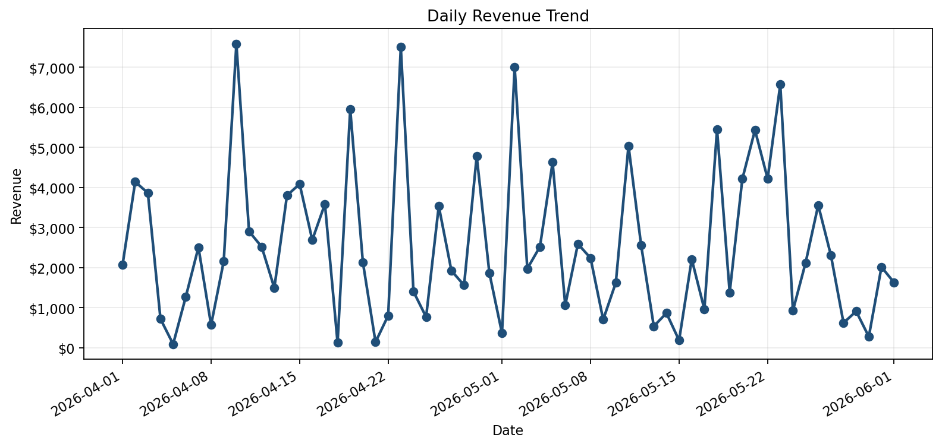
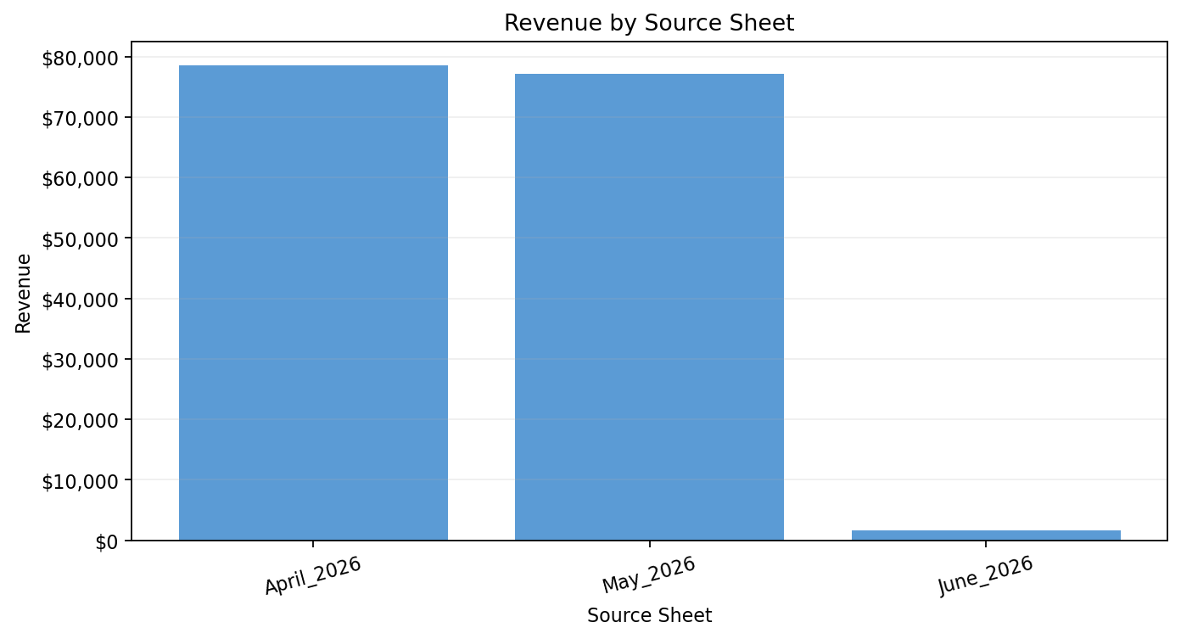

Monthly Units & Revenue

