1. Title Page
[Instacart Evaluation and Recommendations]

Project Name: Instacart Evaluation and Recommendations
Date: Jan 2023
Analyst Name: Anna Zadorina

Contents:
Population Flow
Consistency checks
Wrangling steps
Column derivations
Visualizations
Recommendations

2. Population Flow
Title page

Population flow
Population flow

Exclusion flag
Condition: max_order <
Obervations to be removed:
Final total count of order_products_all:
Exclusion flag
Condition: max_order < 5
Obervations to be removed: 1,440,295
Final total count of order_products_all: 30,964,564

Orders_products_combined
Orders_products_merged
Orders_products_all

Total: 32,404,859
Total: 32,404,859
Total: 32,434,489

1.) The grey boxes in the first row of the population flow represent the original data sets as they were when you downloaded them. In the Total fields you need to add the count of the rows when you imported the data set into Jupyter.
2.) The second row of boxes (coloured) represents the data sets after you manipulated them, e.g., removed missing values and duplicates. In the Total fields you need to add the count of the rows after conducting these operations. This offers a visual oveview of how the data flows throughout the data consistency checks.
3.) The third row, where also the arrows are coloured, represents the merges you performed between the datasets. In the Total fields you need to add the count of the rows in the merged datasets, so that you end up with the final dataset (in the red box). Keep in mind the final dataset should be without exclusions (based on the exclusion flag).
1.) The grey boxes in the first row of the population flow represent the original data sets as they were when you downloaded them. In the Total fields you need to add the count of the rows when you imported the data set into Jupyter.
2.) The second row of boxes (coloured) represents the data sets after you manipulated them, e.g., removed missing values and duplicates. In the Total fields you need to add the count of the rows after conducting these operations. This offers a visual oveview of how the data flows throughout the data consistency checks.
3.) The third row, where also the arrows are coloured, represents the merges you performed between the datasets. In the Total fields you need to add the count of the rows in the merged datasets, so that you end up with the final dataset (in the red box). Keep in mind the final dataset should be without exclusions (based on the exclusion flag).

3. Consistency checks
 |  |  |  | Title page
Consistency checks

Dataset | Missing values | Missing values treatment | Duplicates
orders | 206209 in column days_since_prior_order | A new column was created where all the values where flagged as True for new customers and false for existing customers | No duplicates were found
products | 16 in column Product_name | Missing values were moved in a subset | 5 duplicates were found
orders_products_prior | No missing values | No missing values | No duplicates were found
customers | 11259 NaN in column first_name | They were ignored as we had all the other necessary information. On top, these missing values were just 5% of the whole column | No duplicates were found

4. Wrangling steps
 |  |  |  |  | Title page
Wrangling steps

Data Frame | Columns dropped | Columns renamed | Columns' type changed | Comment/Reason
orders | eval_set |  |  | Irrelevant data points for analysis purposes.
 |  | user_id |  | Renamed to customer_id for clarity.
 |  |  | order_id | Convert data type from integer to string.
 |  |  | order_hour_of_day | Convert data type from float64 to int64. Maintained whole numerical value to differentiate the total count of orders per hour.
customer |  | First Name |  | Renamed to first_name for consistency.
 |  | Surnam |  | Renamed to surname for consistency.
 |  | STATE |  | Renamed to state for consistency.
 |  | fam_status |  | Renamed to marital_status for clarity.

5. Column derivations
 |  |  |  | Title page

Column derivations and aggregations
Column derivations and aggregations

In this tab you should add tables below that the frequences of flags/label variables that you produced after deriving them. NB: don't do this for continuous variables, only for flags.
In this tab you should add tables below that the frequences of flags/label variables that you produced after deriving them. NB: don't do this for continuous variables, only for flags.
Dataset | New column | Column/s it was derived from | Conditions
df_ords_prods_merged | busiest_period_of_day | orders_time_stamp' | Most orders' = 2 busiest hours, 'Least orders' = the 2 least busiest hours, the rest were labeled 'Average orders'.
df_ords_prods_merged | busiest_day | orders_dow' | Top busiest 2 days were labeled 'busiest' and the 2 slowest days were labeled 'slowest' and the rest were labeled 'regular days'.

df_ords_prods_merged | loyalty_flag | max_order' | Loyal customer' have >40, 'New customer' have <=10 max orders, and the are labeled 'Regular customer'.
df_ords_prods_merged | spender_flag | mean_price' | < 10 for 'Low spender' and >= 10 for 'High spender'.
df_ords_prods_merged | frequency_flag | days_since_prior_order' | <= 10 for 'Frequent customer', between 10 and 20 for 'Regular customer', and >20 for 'Non-frequent customer'.
high_activity_custs | Age_Category | age' | 18 - 29 y.o -Student 30 - 39 y.o.- Young Adult 40 - 49 y.o. - Middle Age 50 - 59 y.o. - Senior Middle Age > 60 y.o. - Senior
high_activity_custs | Income_Category | income' | LOW INCOME 0 - 100,000 USD MIDDLE INCOME 100,0001 - 200,000 USD UPPER MIDDLE INCOME 200,0001 - 400,000 USD HIGH INCOME 400,0001 USD - above

6. Visualizations
 |  |  |  | Title page

Visualisations

In this tab you should include all the visualtions from Exercises 4.9 and 4.10, alongside the questions from the project brief that they answer. Include any commentary on the relationship between different variables.

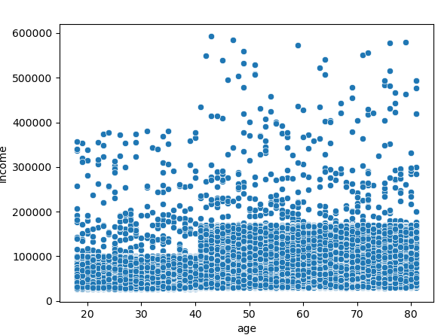
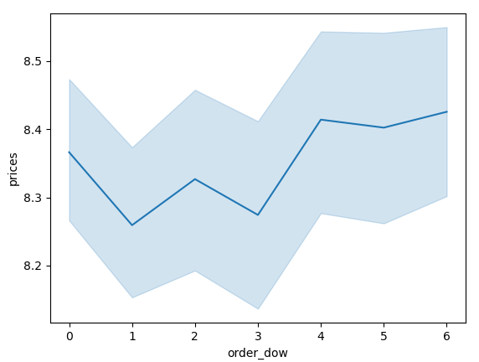
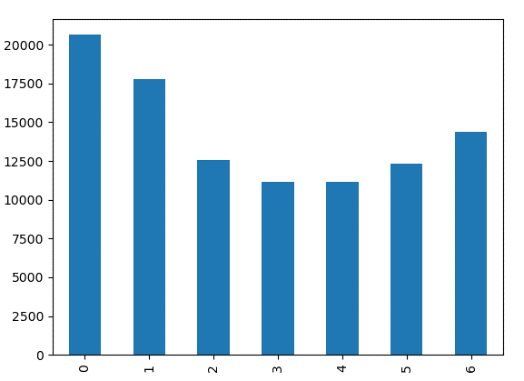

 | Graph 6.1 shows the Orders per week distribution and Prices | Graph 6.2 shows the Orders per week distribution |  |  | Graph 6.3 shows the carrelation between income and age
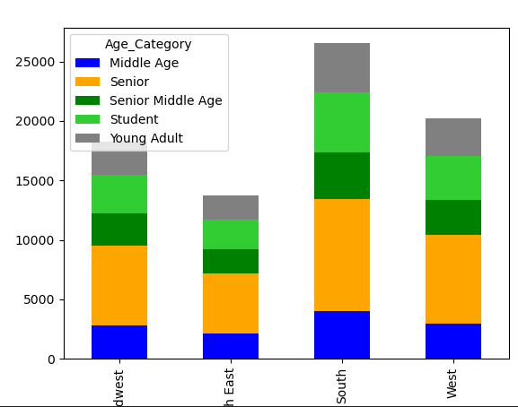
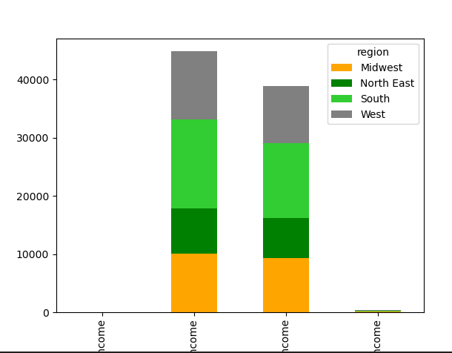
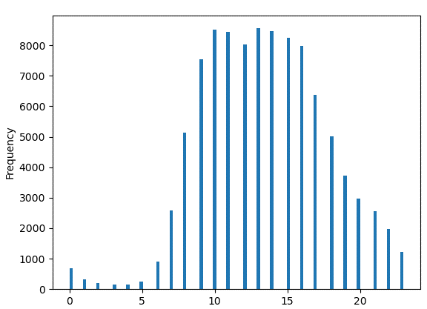

 | The Graph 6.4 presented the carrelation of the order frequency day hours |  | The Graph 6.5 shows age distribution in 4 USA reagions |  | The Graph 6.6 shows income class distribution in the USA

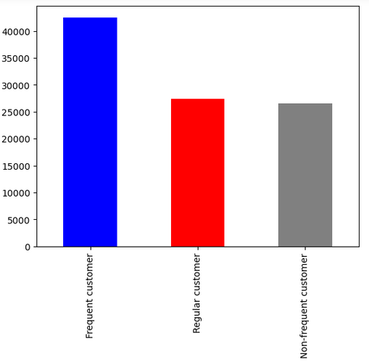

The Graph 6.7 presented the loyalty groups

7. Recommendations
 |  | Title page

Recommendations

In this tab you should include any recommendations you would made to Instcart in terms of their marketing strategy based on the questions posed in the brief. Every key question has been covered in the Tasks of the Exercises - here you need to add an item - a visualisation or table/crosstable that is showing the answer in the data, accompanied by a comment from you. Please, list the questions below and add the answer underneath.

Question | Answer
The sales team needs to know what the busiest days of the week and hours of the day are (i.e., the days and times with the most orders) in order to schedule ads at times when there are fewer orders. | The busiest days of the week are the weekends, therefore most clients place their purchases at the end of the workweek or on a day off. The days with the most transactions are Saturday, Sunday, and Friday. Hence, it is suggested to plan ads and promo campagnas around and during peak times, such as Saturday at 2 p.m., Sunday at 10 a.m., and Friday at 2 p.m. Customers that stop by around these times are probably going to notice product options for their possible wishes in the future. Please refer to Visualization Tab Graph 6.1

Are there particular times of the day when people spend the most money, as this might inform the type of products they advertise at these times. | The number of orders placed varies hourly, however the items bought do not change significantly. The product requirements for expensive orders placed at off-peak times (2–3 a.m., 5 a.m., and 4 p.m.) are equivalent to those of peak times (9 am - 3 pm). Hence, targeted add at this time would be appreciated. Please refer to Visualization Tab Graph 6.4

Instacart has a lot of products with different price tags. Marketing and sales want to use simpler price range groupings to help direct their efforts. | The products could be divided on 4 groups according to customers income. During this research 3 category was formed according to the income information. LOW INCOME 0 - 100,000 USD MIDDLE INCOME 100,0001 - 200,000 USD UPPER MIDDLE INCOME 200,0001 - 400,000 USD HIGH INCOME 400,0001 USD - above. The majority of customers belong to Low Income : 44867 people, Middle Income :38874 people, hence, it is recommended to concentrate on these segments by providing the products according to their purchasing power. Please refer to Visualization Tab Graph 6.6 and 6.3

Are there certain types of products that are more popular than others? The marketing and sales teams want to know which departments have the highest frequency of product orders. | 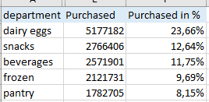 Most popular departments: dairy eggs, snacks, beverages, frozen, pantry
What’s the distribution among users in regards to their brand loyalty (i.e., how often do they return to Instacart)? | 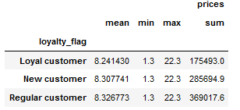 During the reach several trends were observed and relationships between some variables were detected. Hence, it would be a question for further exploration, which marketing department might perform in order to find innovative strategies to reach out more customers. For example, it was detected that the South is the most inhabitant area among of customers, therefore, could be investigated why is this occurring, and how can sales in other regions be increased e.g. North East. Furthermore, the amount of money spent on items by loyal customers is often the lowest, while the amount spent by new consumers is the highest. Please refer to Visualization Tab Graph 6.7

Are there differences in ordering habits based on a customer’s loyalty status? | The spending patterns of all loyalty statuses are the same, and there are no notable distinctions between them. Nevertheless, the income fare shall be consider, as there are many customers with Low and Mid income, hence, the product range shall be formed accordingly for the majority of buyers. Please refer to Visualization Tab Graph 6.7

Are there differences in ordering habits based on a customer’s region? | Every shop national wide has the same well-known brands, and every region has the same ordering practices that don't significantly differ from one another. Some product categories, such dry products, have a modest demand in all states. Though, pasta, household goods, breakfast, and infants are the least purchased items. To sum it up, there is no significant shift it demands from region to region identified.

