CiQ3NTkzOTc0ZC1iZTM0LTQwZDUtOGN
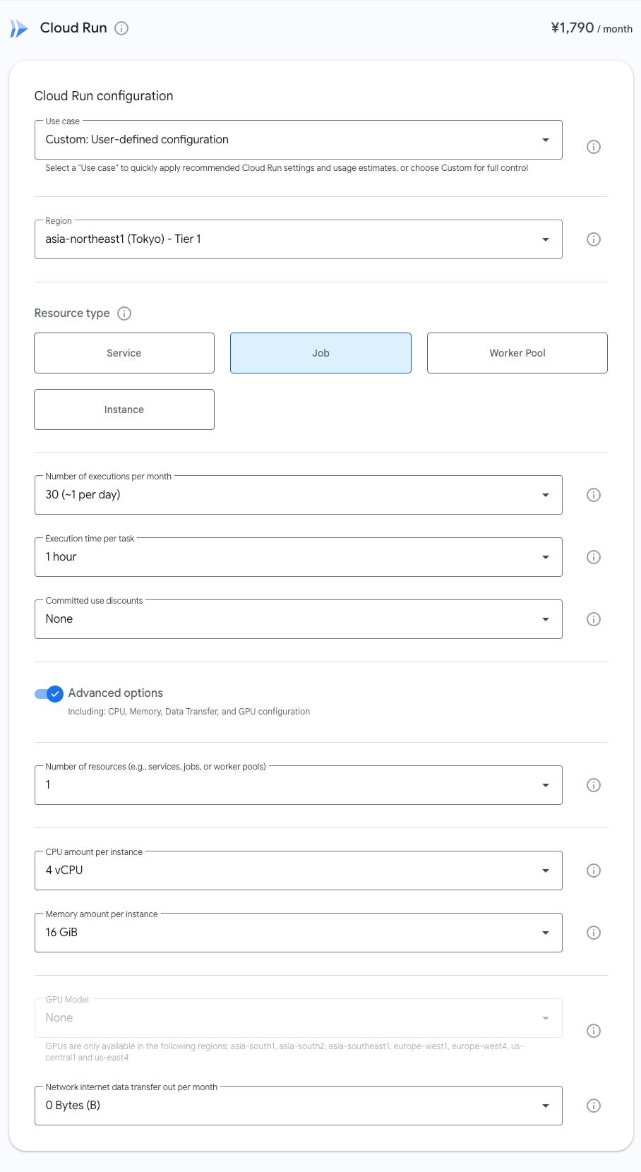
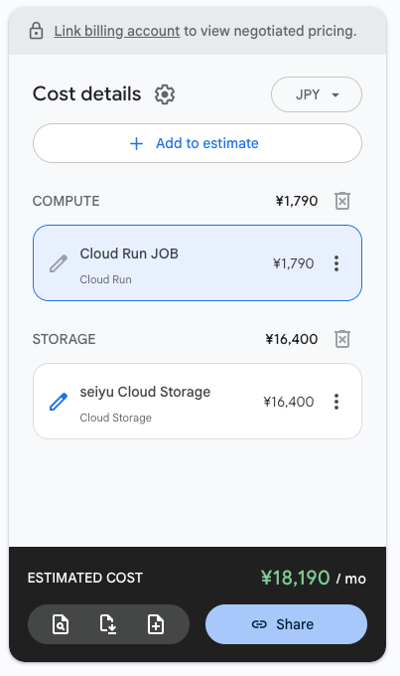
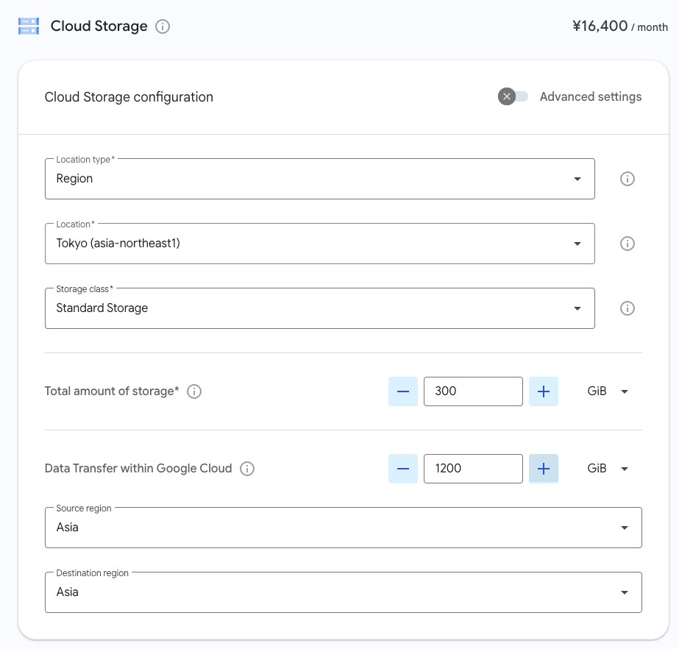
service_display_name | name | quantity | region | service_id | sku | total_price, JPY | notes
Cloud Run JOB (Cloud Run) | Jobs CPU in asia-northeast1 | 7200 | asia-northeast1 | 152E-C115-5142 | D616-27D3-51E1 | 1239.3
Cloud Run JOB (Cloud Run) | Jobs Memory in asia-northeast1 | 28800 | asia-northeast1 | 152E-C115-5142 | 2741-EAB8-87B8 | 550.8
seiyu Cloud Storage (Cloud Storage) | Network Data Transfer GCP Inter Region within Asia | 1200 |  | 95FF-2EF5-5EA1 | A115-9CB2-F553 | 15300
seiyu Cloud Storage (Cloud Storage) | Standard Storage Tokyo | 300 | asia-northeast1 | 95FF-2EF5-5EA1 | 1845-1496-2891 | 1099.6875

 |  |  |  |  | Total Price: | 18189.7875

Prices are in JPY, effective date is 2026-09-22T08:15:09.554Z

The estimated fees provided by Google Cloud Pricing Calculator are for discussion purposes only and are not binding on either you or Google. Your actual fees may be higher or lower than the estimate.

Url to the estimate: | https://cloud.google.com/calculator?dl=CjhDaVJoWlRBell6UmxOQzFrTldaa0xUUmlZMkV0WW1OaFlpMWtZamRsWlRRMlpEWTJOV1lRQVE9PRokQjRGNDM0RjMtNTgzOS00NTU1LTgwNzMtN0Y3ODVGQjQ4NUYy

