Screenshots
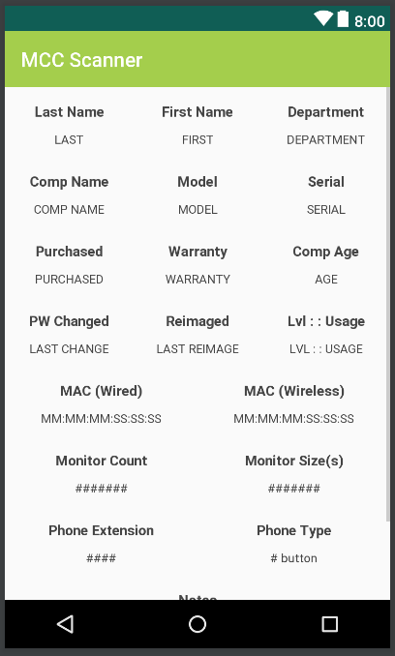
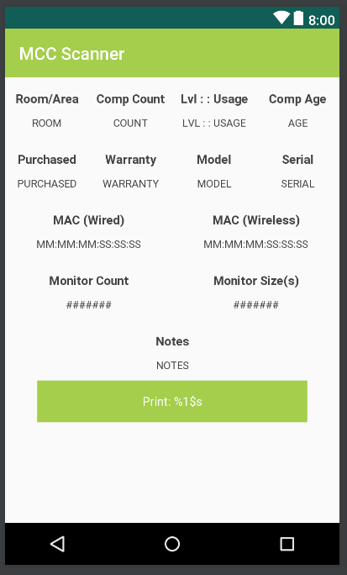
(ignore the MCC Scanner title text; in-app it displays same as before (with Results: Admin/Acad))
Admin side requires scrolling down to see everything (notes & print button)

