notes
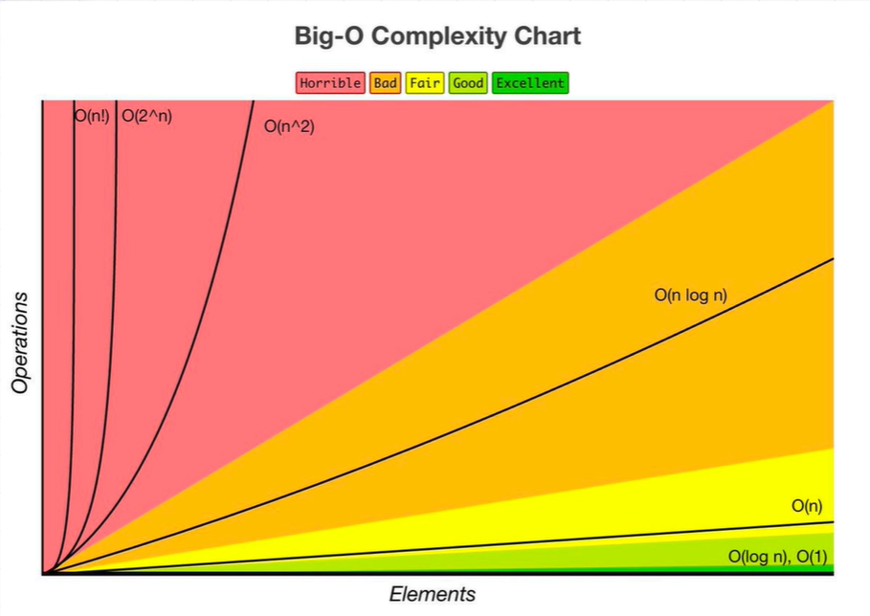

inheritance
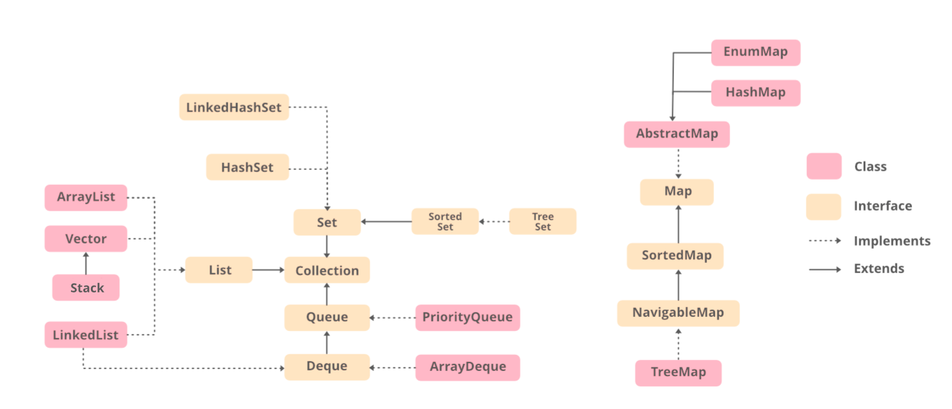
 |  |  |  |  |  |  |  |  |  |  |  |  |  |  | Iterator (interface, java.util) | Iterable (interface, java.lang) | Cloneable (interface, java.lang) | Serializable (interface, java.io) | Comparable (interface, java.lang)
 |  |  |  |  |  |  |  |  |  |  |  |  | Collections (class, java.util) | Collection (interface, java.util) |  | extends
 |  |  |  |  |  |  |  |  |  |  |  | AbstractCollection (abstract class, java.util) |  | implements
 |  |  |  |  |  |  |  |  |  |  | Queue (interface, java.util) |  |  | extends
 |  |  |  |  |  |  |  |  |  | Deque (interface, java.util) | extends
 |  |  |  |  |  |  |  |  | List (interface, java.util) |  |  |  |  | extends
 |  |  |  |  |  |  |  | AbstractList (abstract class, java.util) | implements |  |  | extends
 |  |  |  |  |  |  | ArrayList (class, java.util) | extends | implements |  |  |  |  |  |  |  | implements | implements
 |  |  |  |  |  | AbstractSequentialList (abstract class, java.util) |  | extends
 |  |  |  |  | LinkedList (class, java.util) | extends |  |  | implements | implements |  |  |  |  |  |  | implements | implements
 |  |  |  | ArrayDeque (class, java.util) |  |  |  |  |  | implements |  | extends |  |  |  |  | implements | implements
 |  |  | AbstractQueue (abstract class, java.util) |  |  |  |  |  |  |  | implements | extends
 |  | PriorityQueue (class, java.util) | extends |  |  |  |  |  |  |  |  |  |  |  |  |  |  | implements
 | Vector (class, java.util) |  |  |  |  |  |  | extends | implements |  |  |  |  |  |  |  | implements | implements
Stack (class, java.util) | extends

 |  |  |  |  |  |  |  |  |  |  |  |  | Map (interface, java.util)
 |  |  |  |  |  |  |  |  |  |  |  | SortMap (interface, java.util) | extends
 |  |  |  |  |  |  |  |  |  |  | NavigableMap (interface, java.util) | extends
 |  |  |  |  |  |  |  |  |  | AbstractMap (abstract class, java.util) |  |  | implements
 |  |  |  |  |  |  |  |  | HashMap (class, java.util) | extends |  |  | implements |  |  |  | implements | implements
 |  |  |  |  |  |  |  | TreeMap (class, java.util) |  | extends | implements |  |  |  |  |  | implements | implements

 |  |  |  |  |  |  |  |  |  |  |  |  | Set (interface, java.util) | extends
 |  |  |  |  |  |  |  |  |  |  |  | SortSet (interface, java.util) | extends | extends
 |  |  |  |  |  |  |  |  |  |  | NavigableSet (interface, java.util) | extends
 |  |  |  |  |  |  |  |  |  | AbstractSet (abstract class, java.util) |  |  | implements
 |  |  |  |  |  |  |  |  | HashSet (class, java.util) | extends |  |  | implements |  |  |  | implements | implements
 |  |  |  |  |  |  |  | TreeSet (class, java.util) |  | extends | implements |  |  |  |  |  | implements | implements

 |  |  |  |  |  |  |  | Array (class, java.util) |  |  |  |  |  |  |  |  |  | implements
 |  |  |  |  |  |  |  | LocalDate (class, java.time) |  |  |  |  |  |  |  |  |  | implements | implements
 |  |  |  |  |  |  |  | LocalTime (class, java.time) |  |  |  |  |  |  |  |  |  | implements
 |  |  |  |  |  |  |  | LocalDateTime (class, java.time)
 |  |  |  |  |  |  |  | DateTimeFormatter (class, java.time.format)
 |  |  |  |  |  |  |  | Date (class, java.util) |  |  |  |  |  |  |  |  |  | implements
 |  |  |  |  |  |  |  | Random (class, java.util)

