Tabelle1
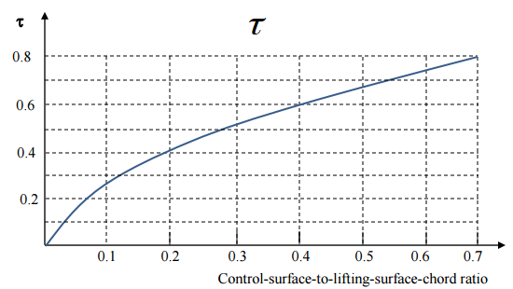
Rolling requirement for reconnaissance vehicle Class II | 45 deg in 1.4 sec | 0.56099868814 | roll requirement at approach | 0.29088820867
Rear spar location | 0.65

Airfoil lift curve slope cruise 1/deg | 0.112 | 6.4171273055
Aileron chord ratio | 1
Aileron effetiveness | 0.52
Span | 31.4
Speed cruise m/s | 200.668 |  | speed approach m/s | 40.27777778
Aileron start
Aileron end
Maximum deflection | 0.3490658504 | ??
free space start (over b/2) | 0.1
Free space end (over b/2) | 0.75
airfoil cd0 cruise | 0.0052
wing area | 92.9
root chord | 5.015
tip chord | 0.9027 | integrand | c(y)*y=cr*y-cr*(1-tr)*y^2/(b/2) |  | c(y)*y^2=cr*y^2-cr*(1-tr)*y^3/(b/2)
taper ratio | 0.18 | integral | 0,5*cr*y^2-cr*(1-tr)*y^3/(1,5*b) |  | cr*y^3/3-cr*(1-tr)*y^4/(2*b)

roll damping integral | 2490.6308857
roll damping coefficient | -0.69853277126

Reference aircraft | max deflec
U-2 | 10 deg
MiG-25 | 25 deg

b1 | b2 | integral | aileron control deriv | steady roll rate cruise | steady roll rate approach
0.55 | 0.75 | 74.370745067 | 0.17014953428 | 1.0867504086 | 0.2181309001
0.45 | 0.75 | 110.75262182 | 0.25338601901 | 1.6183844456 | 0.32483968077
0.55 | 0.85 | 108.30505007 | 0.24778632798 | 1.5826190434 | 0.31766090329
0.35 | 0.75 | 143.89579252 | 0.32921281157 | 2.1026925464 | 0.42204927105
0.1 | 0.3 | 40.661006833 | 0.093026516939 | 0.59416327953 | 0.11925955577
0.1 | 0.75 | 199.28034442 | 0.45592467525 | 2.9120051914 | 0.5844932824
0.65 | 0.75 | 36.777443908 | 0.0841414853 | 0.53741430395 | 0.10786898714
0.1 | 0.4 | 71.424593883 | 0.16340916545 | 1.0436994616 | 0.20948977906
0.75 | 1 | 75.070198443 | 0.17174978268 | 1.0969712453 | 0.220182411

