Tabelle1
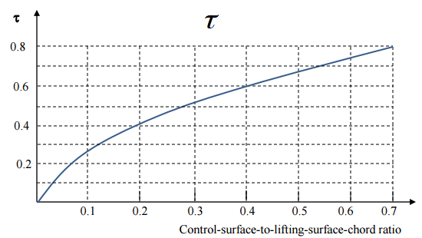
Rolling requirement for reconnaissance vehicle Class II | 45 deg in 1.4 sec
Rear spar location | 0.65

Airfoil lift curve slope cruise 1/deg | 0.1624 | 9.3048345929
Aileron chord ratio | 1
Aileron effetiveness | 0.56
Span | 31.4
Speed cruise m/s | 200.668
Aileron start
Aileron end
Maximum deflection
free space start (over b/2) | 0.1
Free space end (over b/2) | 0.75
aileron cd0 cruise
wing area | 92.9
root chord | 5.015
tip chord | 0.9027 | integrand | c(y)*y=cr-cr*(1-tr)*(b/2)*y^2
taper ratio | 0.18 | integral | cr*y-cr*(1-tr)*b/6*y^3

Reference aircraft | max deflec
U-2 | 10 deg
MiG-25 | 25 deg

b1 | b2 | integral | aileron control deriv
0.55 | 0.75 | 1.003 | 0.0035832924206
0.45 | 0.75 | 1.5045 | 0.0053749386308
0.55 | 0.85 | 1.5045 | 0.0053749386308
0.35 | 0.75 | 2.006 | 0.0071665848411

