Deposit Accounts & Emails
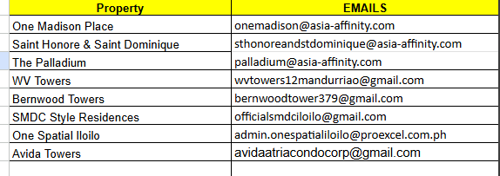
Property | Bank | Account Name | Account Number | Email | Due Date
One Madison Place | Union Bank of the Philippines | One Madison Place Condominium Association | 0012-4003-6593 | onemadisonplace.ao2@fopm.com.ph | Every 15th
Saint Honore & Saint Dominique | Union Bank of the Philippines | SHSD Condominium Association Inc. | 0027-7001-9813 | billing.sthonorestdominique@asia-affinity.com | Every 20th
The Palladium | Union Bank of the Philippines | The Palladium Condominium Association Inc. | 0027-7001-7336 | billing.palladium@asia-affinity.com | Every 20th
WV Towers | BDO Unibank Inc | Westernland Property Development Inc. | 0028-1801-3409 | wvtowers1.2@gmail.com | Every 30th
BA Technology (WiFi) | Gcash | BA Technology | (+63) 994 205 0180 | state unit number in notes | Every 15th
SMDC Style Residences | BDO Unibank Inc | Style Residences Condominium Corporation | 0103-6801-0791 | style.billing@greenmist.ph | Every 30th
One Spatial Iloilo | Eastwest Bank | One Spatial Iloilo Condominium Corp | 2000-3028-7807 | upload to pocket floor app | Every 15th

