Enable Macros
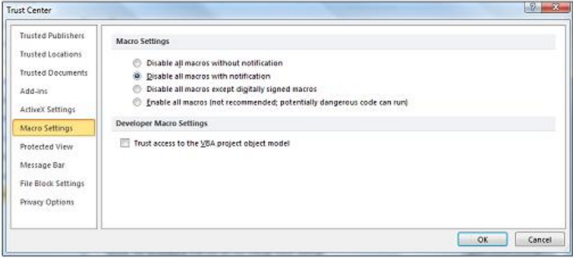
CalcWorkbook.xlsm

Author: Zachary C.W.

Rev. Date: 11/3/2017

This workbook was created to automate and organize caclulations for voltage drop on conductors and transformer current according to NEC 2017 standards.

Workbook Sheets:
- | Enable Macros
- | Voltage Drop Calculator
- | XFMR Calculator
- | NEC 2017 Table9
- | NEC 2017 Tabe 240.6(A)
- | NEC 2017 Table 310.15(B)(16)/(17)

How To Enable Macros:
 | Enable macros when the Message Bar appears
 |  | - On the Message Bar, click Enable Content. *The file opens and is a trusted document.

 | Enable macros when in the Backstage view
 |  | 1. Click the FILE tab when the Message Bar appears 2. In the Security Warning area, click Enable Content 3. Under b, click Always enable this document's active content. *The file opens and is a trusted document.

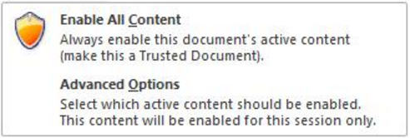

 | Enable macros when in the Backstage view
 |  | 1. Click the File tab. 2. In the Security Warning area, click Enable Content. 3. Select Advanced Options. 4. In the Microsoft Office Security Options dialog box, click Enable Content for this session for each macro. 5. Click OK.

