Column Description
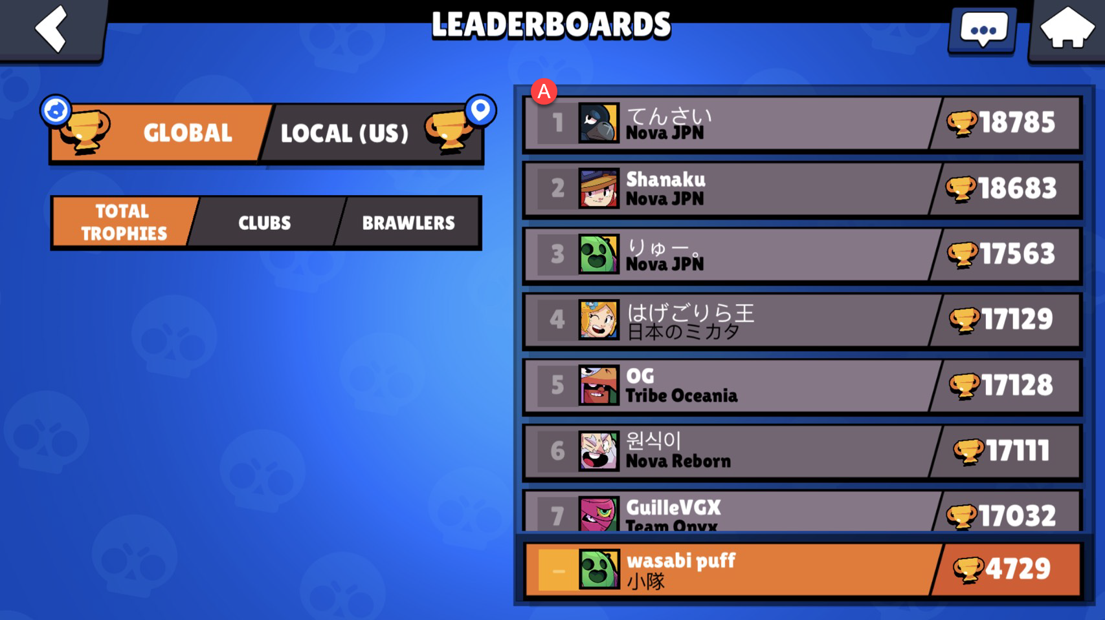
Serial | Column Name | Description
A | Rank | Ranking of player | This data is exactly same as the Global Leaderboards-Total Trophies
B | Name | Name of player
C | Tag | Tag of player
D | Exp | Experience level of player
E | Trophies | Trophies of player
F | 3v3_Victories | 3 vs 3 victories of player
G | Solo_Showdown_V | solo victories of player
H | Duo_Showdown_V | duo victories of player
I | Club_Name | player's club name
J | R1_Name | Top three brawlers(sort by trophies of each brawler)
J | R1_Trophies
L | R2_Name
M | R2_Trophies
N | R3_Name
O | R3_Trophies

For example, the golbal rank 1 player, his data will be
 | Column Name | Value
 | Rank | 1
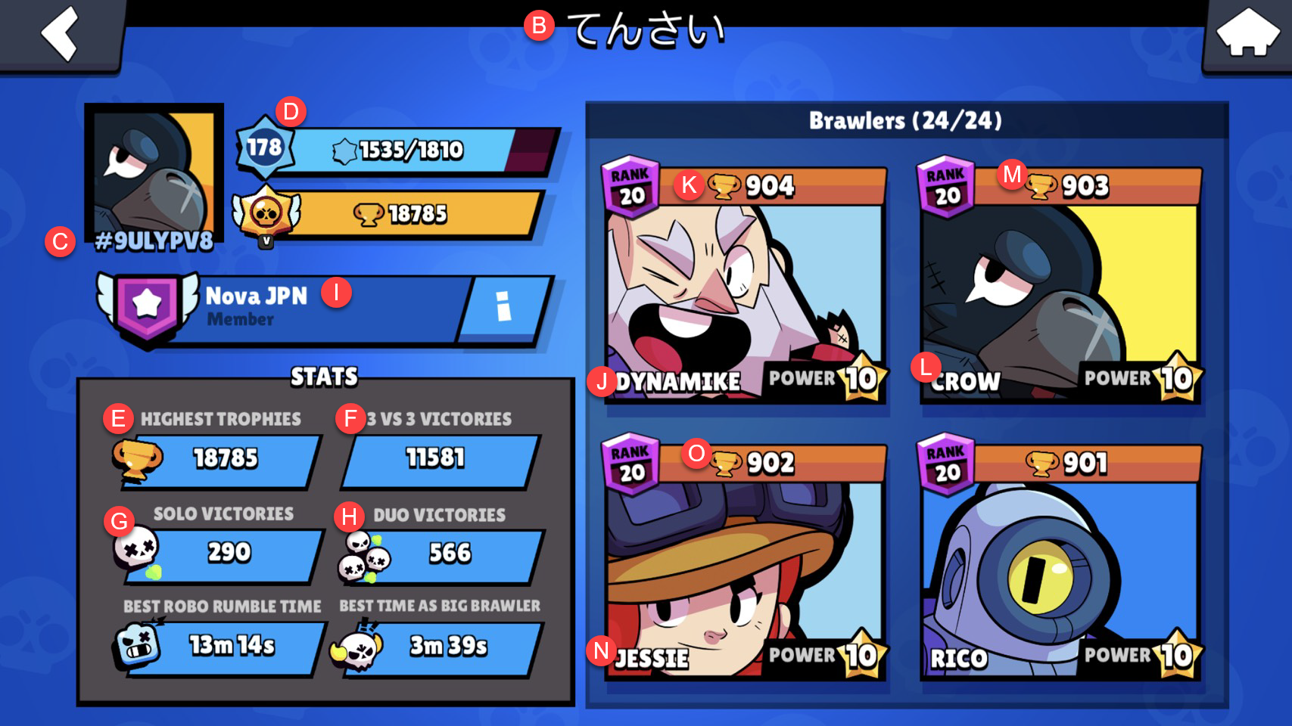
 | Name | てんさい
 | Tag | 9ULYPV8
 | Exp | 178
 | Trophies | 18785
 | 3v3_Victories | 11581
 | Solo_Showdown_V | 290
 | Duo_Showdown_V | 566
 | Club_Name | Nova JPN
 | R1_Name | Dynamike
 | R1_Trophies | 904
 | R2_Name | Crow
 | R2_Trophies | 903
 | R3_Name | Jessie
 | R3_Trophies | 902

