Overview


ZOLA HUNA
Data, Systems & Operations Analyst · E-commerce · Logistics & Aviation · Supply Chain · Retail · IT & Cybersecurity
Johannesburg, South Africa (GMT+2) · zolahuna.zo@gmail.com · +27 65 948 9509 · linkedin.com/in/zola-huna-aa7b51241 · Portfolio: zeehuna.github.io · GitHub: github.com/ZeeHuna

Recruiters: every project below has runnable code, data and charts on GitHub. This workbook shows the Excel side: live formulas, pivot tables, dashboards and a financial model.

# | Project | Certificate / experience applied | Excel skills shown | Tabs
1 | Air Express Delivery Performance | Google Data Analytics | AVERAGEIFS / COUNTIFS dashboard, charts, pivot (hub × month) | P1 Shipments · P1 Dashboard · Pivot Delivery |  | Scan: zeehuna.github.io
2 | E-commerce KPI Model (Power BI) | Microsoft Power BI Advanced | KPI trend table, YoY variance formulas, combo charts | P2 Ecom KPIs
3 | Security Log Analysis & IR | Google Cybersecurity | Risk scoring formulas, colour-scale heat map, alert log | P3 Security

4 | SME Network Hardening | Secure Infrastructure Technician | Asset inventory, compliance deltas, pivot (asset type × patch) | P4 Network · Pivot Assets
5 | Shipment Exception Bot | Python Automation (Angela Yu) | Bot output action list + pivot (exception × severity) | P5 Exceptions · Pivot Exceptions
6 | IT Service Desk Analytics | IT service management (ITIL 4 practices) | SLA formulas, COUNTIFS Pareto, pivot (category × priority) | P7 Service Desk · P7 Desk Dashboard · Pivot Tickets
7 | Open Scene Financial Model | My own venture | Live 36-month driver model with scenario selector (INDEX/MATCH, data validation) | P8 Open Scene Model
8 | Retail Inventory Optimisation | E-commerce retail (50k+ SKUs) | Safety stock & ROP formulas (SQRT, IF), status logic, pivot (ABC × XYZ) | P9 Inventory · Pivot Inventory

Certification / Education | Provider | Year
Google Data Analytics Professional Certificate | Google / Coursera | 2023
Google Cybersecurity Professional Certificate | Google / Coursera | 2025
Secure Infrastructure Technician | Boston City Campus (DHL bursary) | 2025
Microsoft Power BI Advanced | Professional training | 2026
100 Days of Code: Python | Udemy · Dr Angela Yu | 2026 |  |  | On the job at DHL Express, O.R. Tambo
Full-Stack Web Development Bootcamp | Udemy · Dr Angela Yu | 2026

All project data is synthetic (seeded scripts) and modelled on real-world patterns; no employer or customer data is used.

Project Gallery
Project Gallery · charts, dashboards and screenshots from the GitHub projects
Every image below is generated by the project code at github.com/ZeeHuna (zeehuna.github.io)

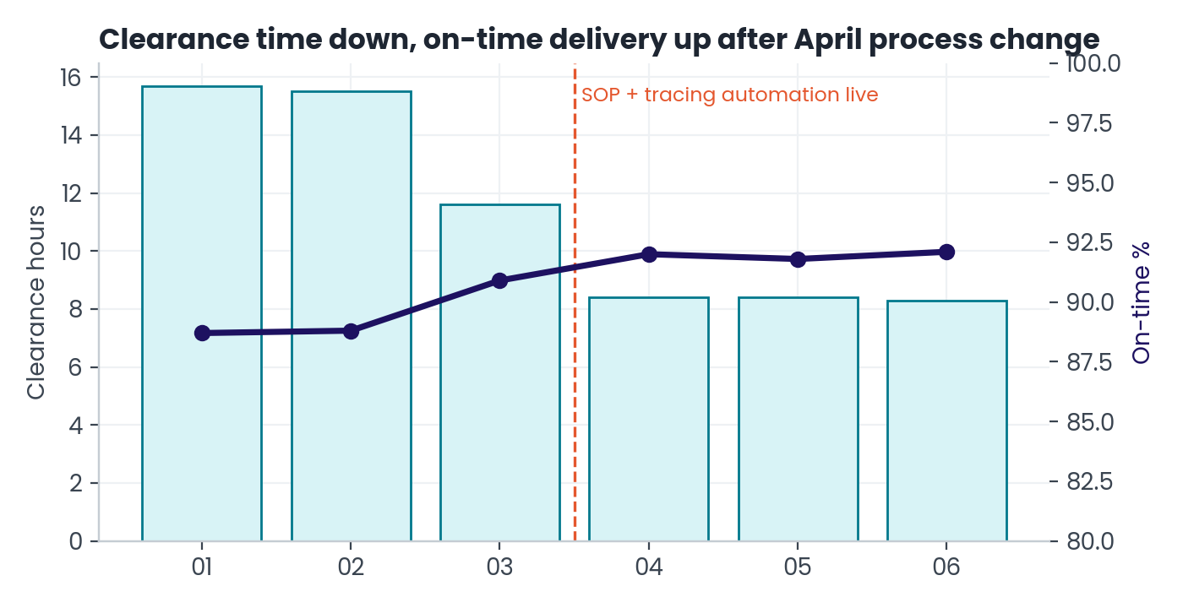
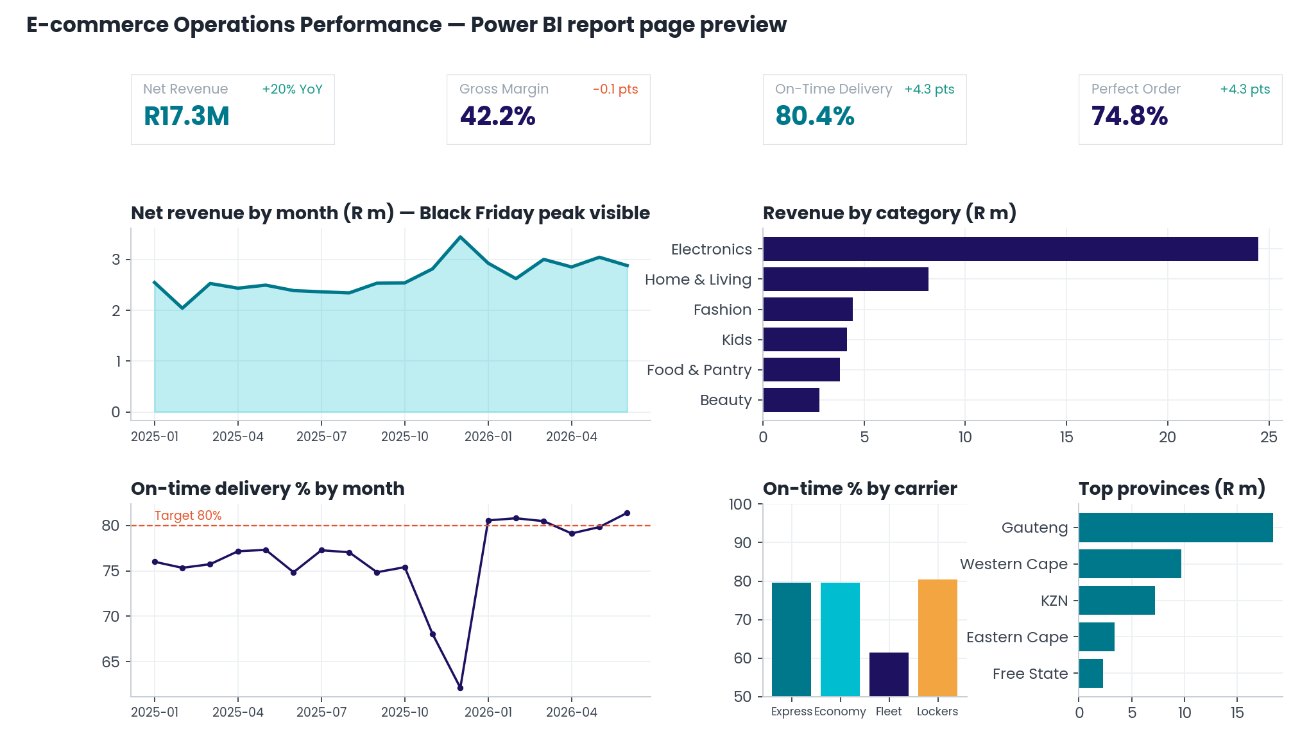
01 Air express delivery analytics | 02 Power BI KPI model

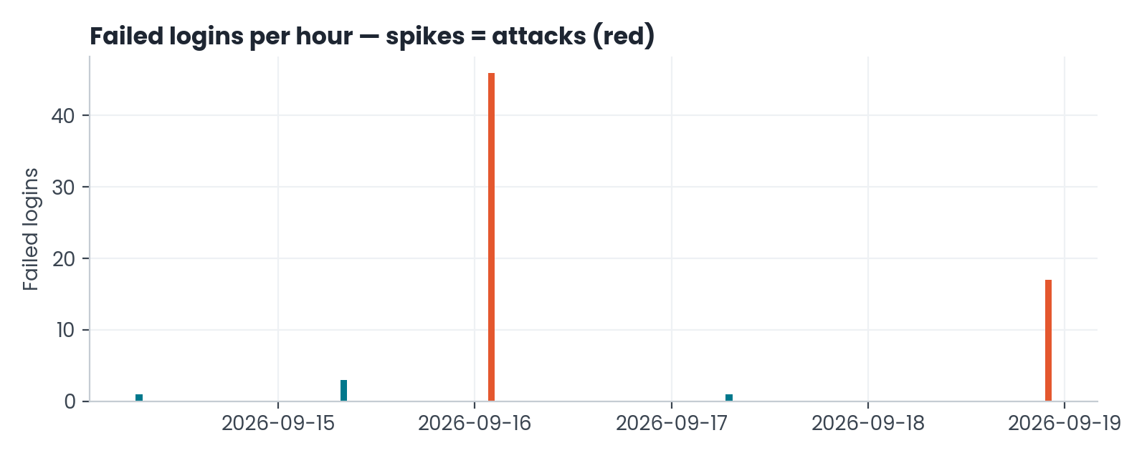
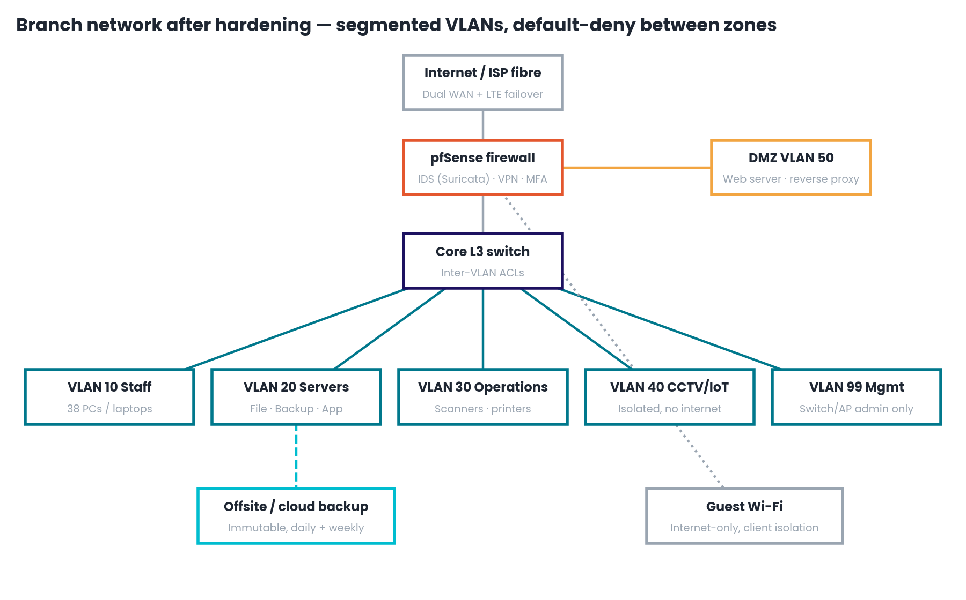
03 Security log analysis | 04 Network hardening

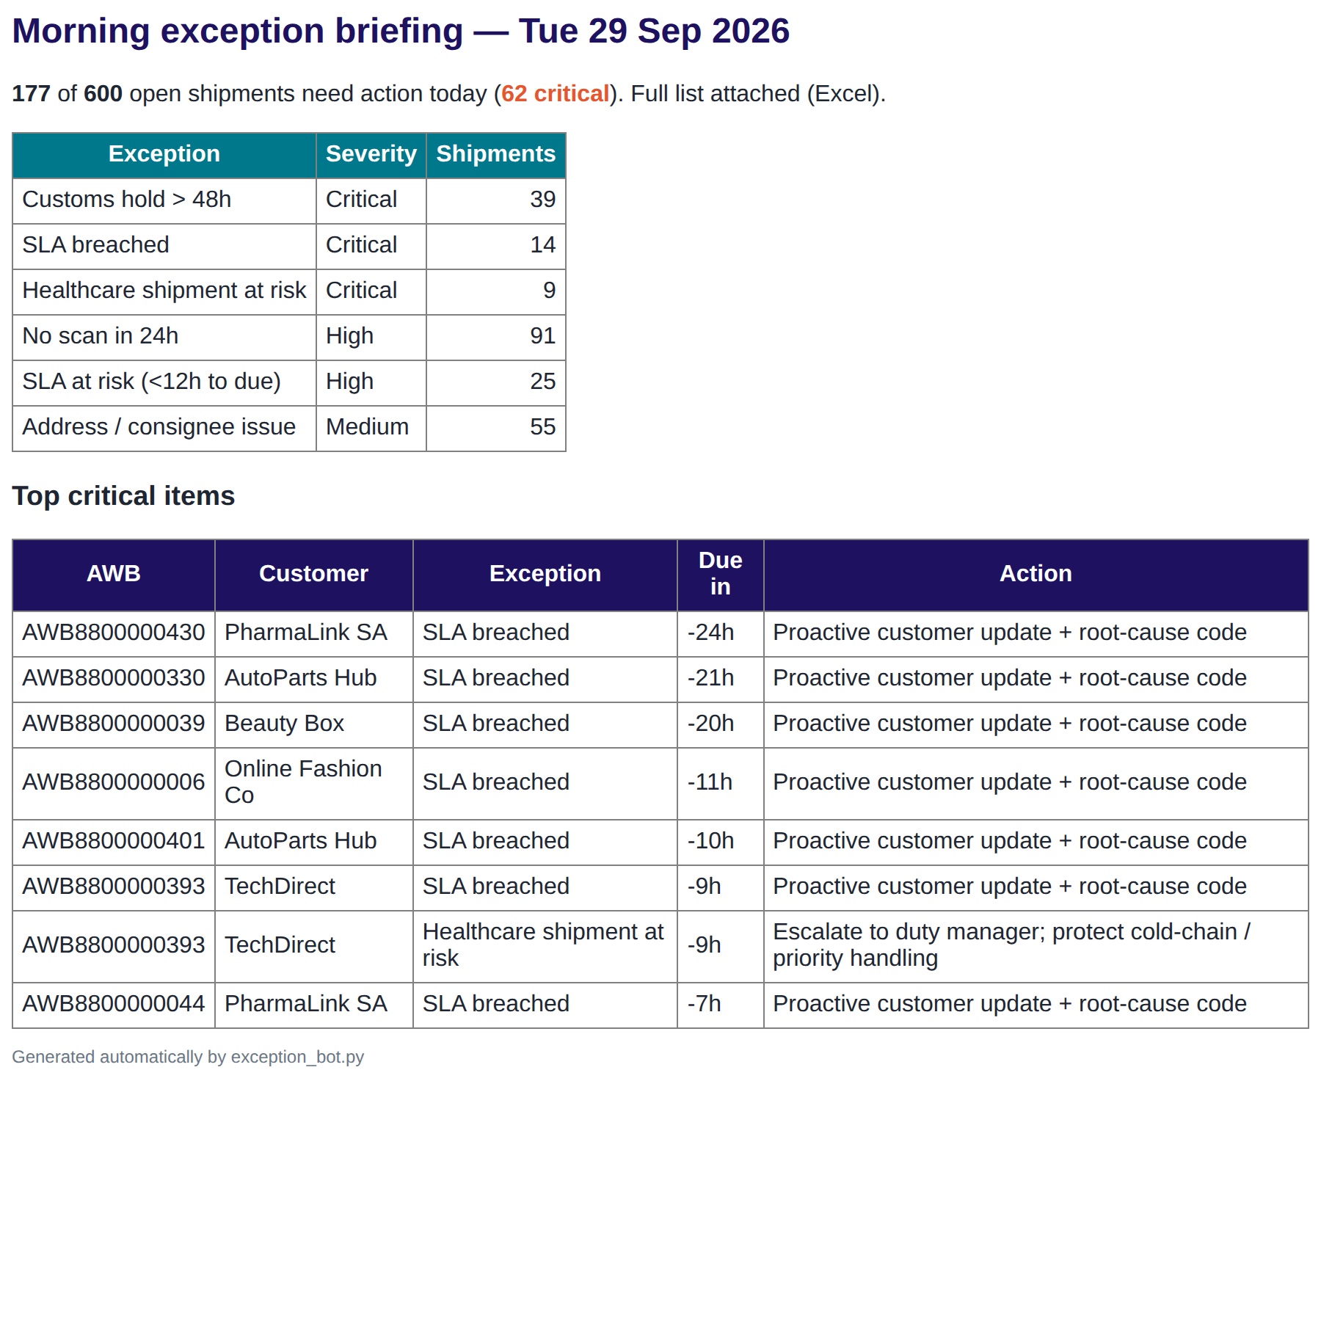
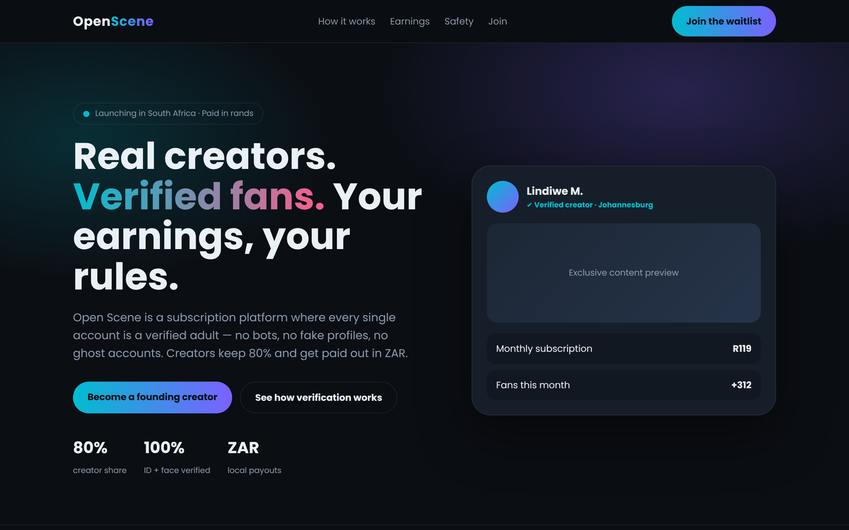
05 Shipment exception bot | 06 Open Scene web prototype

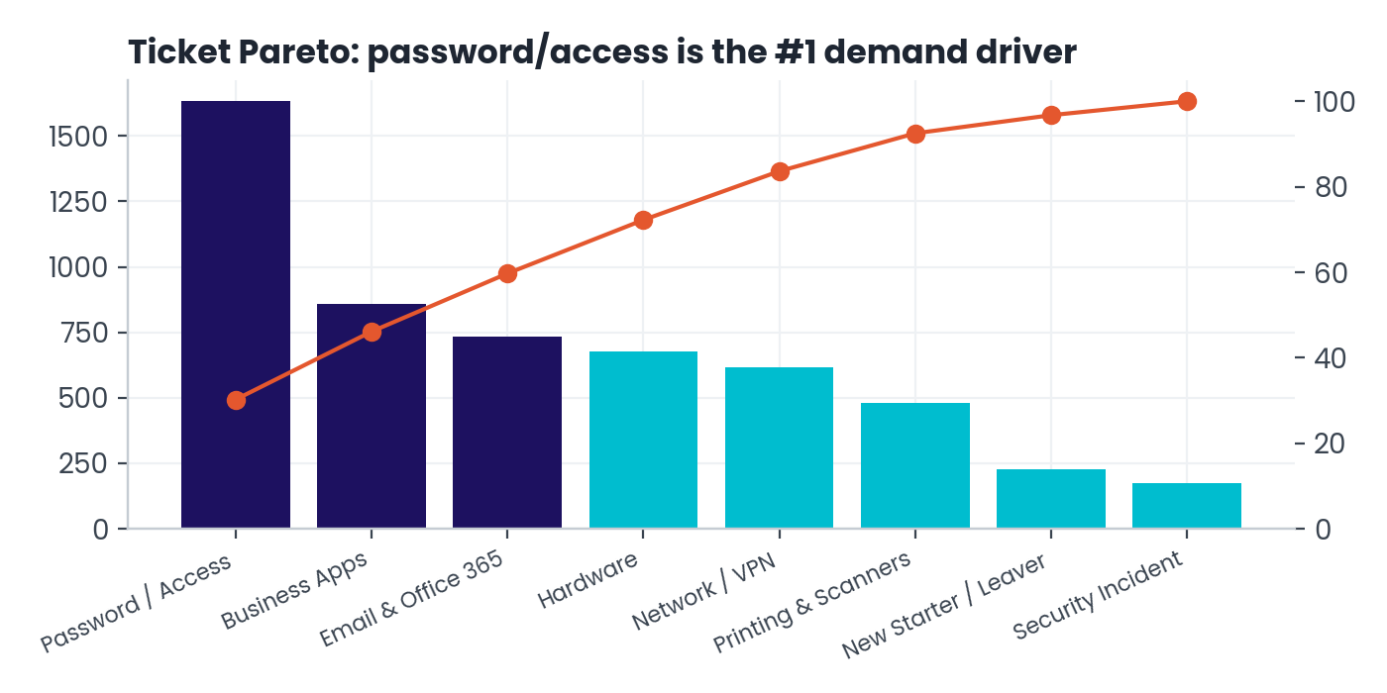
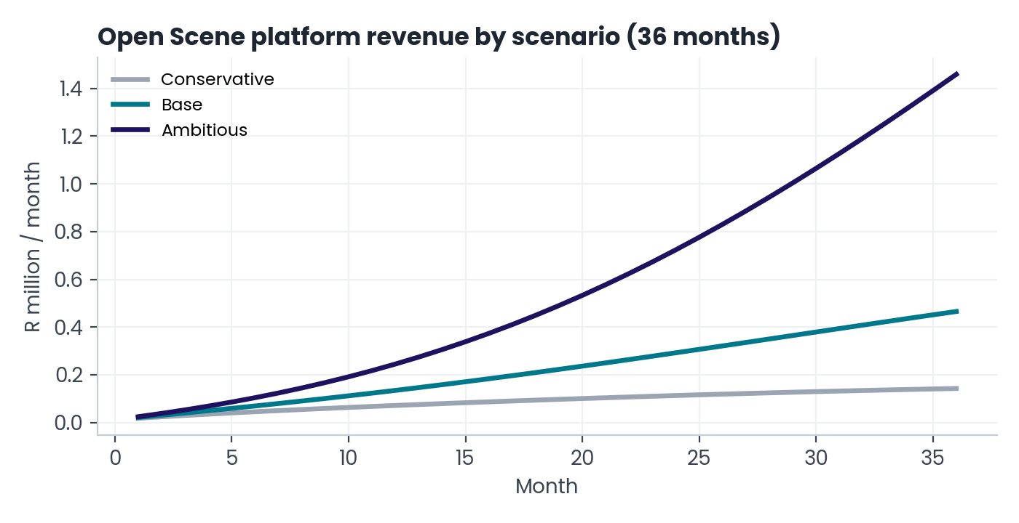
07 IT service desk analytics | 08 Open Scene financial model

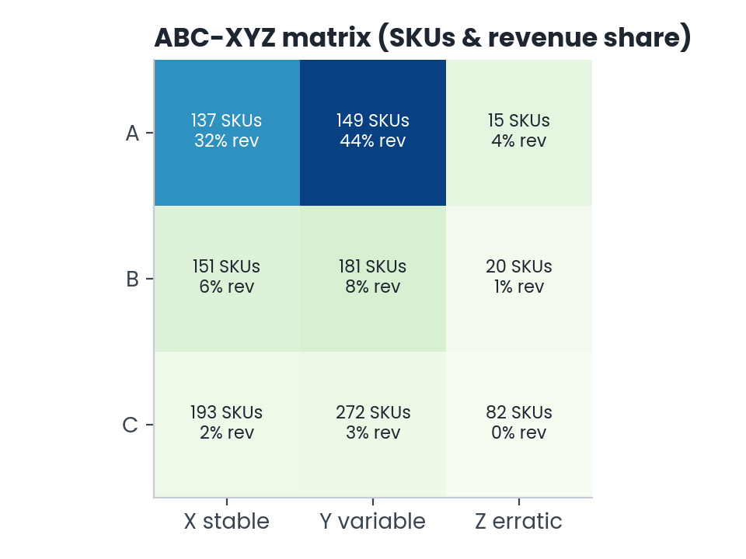
09 Retail inventory optimisation

P1 Dashboard
Project 1 · Delivery Performance Dashboard
Every number below is a live formula on 'P1 Shipments'
Clearance hours (bars) vs on-time % (line)
Shipments | On-Time % | Avg Clearance (h) | Avg CSAT | Revenue (R)
3,000 | 90.3% | 11.3 | 4.36 | 1,371,026

Month | Shipments | On-Time % | Avg Clearance (h)
2026-01 | 496 | 88.9% | 15.8
2026-02 | 459 | 87.4% | 14.9
2026-03 | 541 | 90.9% | 11.7
2026-04 | 461 | 91.8% | 8.7
2026-05 | 507 | 91.5% | 8.4
2026-06 | 536 | 91.2% | 8.4

Delay Reason | Late Shipments | % of Delays | Cumulative %
Customs documentation | 88 | 30.3% | 30.3%
Consignee unavailable | 48 | 16.6% | 46.9%
Flight capacity | 42 | 14.5% | 61.4%
Delay Pareto (late shipments by cause)
Hub sort backlog | 38 | 13.1% | 74.5%
Incorrect address | 37 | 12.8% | 87.2%
Duties unpaid | 27 | 9.3% | 96.6%
Weather | 10 | 3.4% | 100.0%

P2 Ecom KPIs
Project 2 · E-commerce KPI Model (Power BI measures validated in Excel)
Monthly measure values exported from the star schema · YoY and target variance are formulas
Net revenue by month (R)
YearMonth | Net Revenue (R) | Orders | Avg Order Value (R) | Gross Margin % | On-Time Delivery % | Return Rate % | Perfect Order % | Revenue YoY % | On-Time vs 80% target (pts)
2025-01 | 2,548,864 | 1,805 | 1,412.11 | 42.6% | 76.0% | 7.9% | 70.7% |  | -4.0
2025-02 | 2,041,818 | 1,521 | 1,342.42 | 42.3% | 75.3% | 8.9% | 69.6% |  | -4.7
2025-03 | 2,529,255 | 1,781 | 1,420.13 | 42.4% | 75.7% | 8.5% | 70.5% |  | -4.3
2025-04 | 2,436,635 | 1,761 | 1,383.67 | 42.1% | 77.2% | 8.3% | 72.0% |  | -2.8
2025-05 | 2,496,410 | 1,839 | 1,357.48 | 41.9% | 77.3% | 8.2% | 71.8% |  | -2.7
2025-06 | 2,389,128 | 1,742 | 1,371.49 | 42.3% | 74.9% | 9.3% | 68.6% |  | -5.1
2025-07 | 2,365,282 | 1,787 | 1,323.60 | 42.1% | 77.3% | 9.0% | 71.8% |  | -2.7
2025-08 | 2,343,373 | 1,831 | 1,279.83 | 42.0% | 77.1% | 7.9% | 71.9% |  | -2.9
2025-09 | 2,535,016 | 1,774 | 1,428.98 | 42.8% | 74.9% | 8.6% | 69.8% |  | -5.1
2025-10 | 2,541,411 | 1,851 | 1,372.99 | 42.2% | 75.4% | 7.8% | 70.3% |  | -4.6
2025-11 | 2,817,656 | 2,382 | 1,182.90 | 34.5% | 68.1% | 8.7% | 63.3% |  | -11.9
2025-12 | 3,446,815 | 2,553 | 1,350.10 | 42.3% | 62.1% | 8.8% | 57.9% |  | -17.9
2026-01 | 2,929,572 | 2,167 | 1,351.90 | 42.0% | 80.6% | 7.8% | 75.1% | 14.9% | +0.6
2026-02 | 2,623,939 | 1,975 | 1,328.58 | 42.6% | 80.8% | 8.5% | 75.3% | 28.5% | +0.8
2026-03 | 3,004,109 | 2,173 | 1,382.47 | 42.1% | 80.5% | 8.3% | 75.0% | 18.8% | +0.5
On-time delivery % vs perfect order %
2026-04 | 2,854,310 | 1,989 | 1,435.05 | 42.2% | 79.1% | 8.7% | 73.0% | 17.1% | -0.9
2026-05 | 3,046,003 | 2,227 | 1,367.76 | 42.2% | 79.8% | 7.3% | 74.7% | 22.0% | -0.2
2026-06 | 2,882,131 | 2,065 | 1,395.71 | 42.2% | 81.4% | 7.9% | 75.9% | 20.6% | +1.4

P3 Security
Project 3 · Security Alerts & NIST CSF Risk Register
Google Cybersecurity · Risk Score = Likelihood × Impact · Rating is a formula

time | rule | severity | source_ip | detail
2026-09-16 02:10:00 | R1 Brute force | High | 185.220.101.47 | 46 failures in 5 min on srv-web01 (users: admin, root)
2026-09-16 02:14:30 | R2 Likely compromise | Critical | 185.220.101.47 | SUCCESS as 'admin' on srv-web01 after brute force
2026-09-16 02:14:30 | R4 Off-hours admin login | Medium | 185.220.101.47 | 'admin' logged in at 02:14 on srv-web01
2026-09-18 22:40:00 | R3 Password spray | High | 45.95.147.221 | 17 usernames tried on vpn-gw01
2026-09-19 03:00:00 | R5 Port scan | Medium | 92.118.39.12 | 20 ports x 3 hosts in 10 min (54 denied)

Risk register
risk_id | asset | threat | vulnerability | nist_function | likelihood | impact | control | owner | status | Risk Score | Rating
R01 | Web server (srv-web01) | Credential brute force | Password-only SSH exposed to internet | Protect | 5 | 5 | Key-only SSH + fail2ban + MFA | IT Lead | Open | 25 | Critical
R02 | VPN gateway | Password spraying | No MFA on VPN accounts | Protect | 4 | 5 | Enforce MFA + lockout policy | IT Lead | In progress | 20 | Critical
R03 | File server | Ransomware | Unpatched SMB + flat network | Protect | 3 | 5 | Patch cadence + VLAN segmentation + EDR | IT Lead | In progress | 15 | Critical
R04 | Backups | Backup deletion | Backups on same domain | Recover | 2 | 5 | 3-2-1 with immutable offsite copy | IT Lead | Planned | 10 | High
R05 | Email | Phishing | Low staff awareness | Protect | 4 | 4 | Quarterly phishing simulation + training | HR / IT | Open | 16 | Critical
R06 | Customer data (PII) | POPIA breach | Spreadsheets shared by email | Identify | 3 | 4 | Data classification + DLP rules | Ops Manager | Open | 12 | High
R07 | Firewall | Port scanning / recon | Unused ports open in DMZ | Detect | 4 | 2 | Close unused ports + scan alerts | IT Lead | Closed | 8 | Medium
R08 | Laptops | Device theft | No full-disk encryption | Protect | 2 | 4 | BitLocker + remote wipe | IT Lead | Planned | 8 | Medium
R09 | Admin accounts | Privilege misuse | Shared admin password | Protect | 3 | 4 | Named admin accounts + PAM vault | IT Lead | Open | 12 | High
R10 | Logging | Undetected intrusion | Logs kept 7 days only | Detect | 3 | 3 | Central SIEM with 90-day retention | IT Lead | Planned | 9 | Medium

Risk score by risk ID

P4 Network
Project 4 · Asset Inventory & CIS Controls Scorecard
Secure Infrastructure Technician · improvement = after − before (formula)
CIS maturity before vs after
Control | CIS Ref | Before % | After % | Improvement (pts)
Inventory of hardware assets | CIS 1 | 40% | 100% | 60
Inventory of software | CIS 2 | 25% | 90% | 65
Data protection / encryption | CIS 3 | 35% | 88% | 53
Secure configuration baselines | CIS 4 | 30% | 85% | 55
Account management | CIS 5 | 45% | 95% | 50
Access control & MFA | CIS 6 | 20% | 90% | 70
Vulnerability management / patching | CIS 7 | 52% | 94% | 42
Audit log management | CIS 8 | 25% | 80% | 55
Email & browser protections | CIS 9 | 50% | 85% | 35
Malware defences | CIS 10 | 70% | 95% | 25
Data recovery (3-2-1 backups) | CIS 11 | 40% | 100% | 60
Network infrastructure mgmt | CIS 12 | 35% | 90% | 55
Security awareness training | CIS 14 | 15% | 75% | 60
Average maturity |  | 37% | 90%

Asset inventory
asset_id | type | os_firmware | vlan | owner | criticality | patched_before | patched_after | disk_encrypted
LAP-01 | Laptop | Windows 11 | 10 | Operations | Medium | No | Yes | No
LAP-02 | Laptop | Windows 11 | 10 | Operations | Medium | Yes | Yes | Yes
LAP-03 | Laptop | Windows 11 | 10 | Operations | Medium | Yes | Yes | Yes
LAP-04 | Laptop | Windows 11 | 10 | Operations | Medium | Yes | Yes | Yes
LAP-05 | Laptop | Windows 11 | 10 | Operations | Medium | Yes | Yes | Yes
LAP-06 | Laptop | Windows 11 | 10 | Operations | Medium | Yes | Yes | Yes
LAP-07 | Laptop | Windows 11 | 10 | Operations | Medium | No | No | Yes
LAP-08 | Laptop | Windows 11 | 10 | Operations | Medium | No | Yes | Yes
LAP-09 | Laptop | Windows 11 | 10 | Operations | Medium | Yes | Yes | Yes
LAP-10 | Laptop | Windows 11 | 10 | Operations | Medium | No | Yes | Yes
LAP-11 | Laptop | Windows 11 | 10 | Operations | Medium | Yes | Yes | Yes
LAP-12 | Laptop | Windows 11 | 10 | Operations | Medium | Yes | Yes | No
LAP-13 | Laptop | Windows 11 | 10 | Operations | Medium | Yes | Yes | Yes
LAP-14 | Laptop | Windows 11 | 10 | Operations | Medium | Yes | Yes | Yes
LAP-15 | Laptop | Windows 11 | 10 | Operations | Medium | No | Yes | Yes
LAP-16 | Laptop | Windows 11 | 10 | Operations | Medium | No | Yes | Yes
LAP-17 | Laptop | Windows 11 | 10 | Operations | Medium | Yes | Yes | Yes
LAP-18 | Laptop | Windows 11 | 10 | Operations | Medium | Yes | Yes | Yes
LAP-19 | Laptop | Windows 11 | 10 | Operations | Medium | Yes | Yes | Yes
LAP-20 | Laptop | Windows 11 | 10 | Operations | Medium | Yes | Yes | Yes
LAP-21 | Laptop | Windows 11 | 10 | Operations | Medium | Yes | Yes | No
LAP-22 | Laptop | Windows 11 | 10 | Operations | Medium | No | Yes | Yes
LAP-23 | Laptop | Windows 11 | 10 | Operations | Medium | Yes | Yes | Yes
LAP-24 | Laptop | Windows 11 | 10 | Operations | Medium | Yes | Yes | Yes
LAP-25 | Laptop | Windows 11 | 10 | Operations | Medium | Yes | Yes | Yes
LAP-26 | Laptop | Windows 11 | 10 | Operations | Medium | Yes | Yes | No
LAP-27 | Laptop | Windows 11 | 10 | Operations | Medium | Yes | Yes | Yes
LAP-28 | Laptop | Windows 11 | 10 | Operations | Medium | No | Yes | Yes
LAP-29 | Laptop | Windows 11 | 10 | Operations | Medium | Yes | Yes | Yes
LAP-30 | Laptop | Windows 11 | 10 | Operations | Medium | Yes | Yes | Yes
DES-01 | Desktop | Windows 10 | 10 | Operations | Low | No | Yes | No
DES-02 | Desktop | Windows 10 | 10 | Operations | Low | Yes | Yes | No
DES-03 | Desktop | Windows 10 | 10 | Operations | Low | Yes | Yes | No
DES-04 | Desktop | Windows 10 | 10 | Operations | Low | No | Yes | No
DES-05 | Desktop | Windows 10 | 10 | Operations | Low | Yes | Yes | No
DES-06 | Desktop | Windows 10 | 10 | Operations | Low | No | Yes | No
DES-07 | Desktop | Windows 10 | 10 | Operations | Low | No | Yes | No
DES-08 | Desktop | Windows 10 | 10 | Operations | Low | No | Yes | No
SER-01 | Server | Ubuntu 22.04 | 20 | IT | High | No | Yes
SER-02 | Server | Ubuntu 22.04 | 20 | IT | High | No | Yes
SER-03 | Server | Ubuntu 22.04 | 20 | IT | High | No | Yes
SWI-01 | Switch | Cisco IOS | 99 | IT | High | Yes | Yes
SWI-02 | Switch | Cisco IOS | 99 | IT | High | Yes | Yes
SWI-03 | Switch | Cisco IOS | 99 | IT | High | Yes | Yes
FIR-01 | Firewall | pfSense | 99 | IT | High | Yes | Yes
WIR-01 | Wireless AP | UniFi | 99 | IT | Low | Yes | Yes
WIR-02 | Wireless AP | UniFi | 99 | IT | Low | Yes | Yes
WIR-03 | Wireless AP | UniFi | 99 | IT | Low | Yes | Yes
WIR-04 | Wireless AP | UniFi | 99 | IT | Low | Yes | Yes
PRI-01 | Printer | Vendor FW | 30 | Operations | Low | No | Yes
PRI-02 | Printer | Vendor FW | 30 | Operations | Low | No | No
PRI-03 | Printer | Vendor FW | 30 | Operations | Low | No | Yes
CCT-01 | CCTV NVR | Vendor FW | 40 | Operations | Medium | No | Yes
HAN-01 | Handheld scanner | Android 11 | 30 | Operations | Medium | Yes | Yes
HAN-02 | Handheld scanner | Android 11 | 30 | Operations | Medium | No | Yes
HAN-03 | Handheld scanner | Android 11 | 30 | Operations | Medium | Yes | Yes
HAN-04 | Handheld scanner | Android 11 | 30 | Operations | Medium | No | Yes
HAN-05 | Handheld scanner | Android 11 | 30 | Operations | Medium | Yes | Yes
HAN-06 | Handheld scanner | Android 11 | 30 | Operations | Medium | Yes | Yes
HAN-07 | Handheld scanner | Android 11 | 30 | Operations | Medium | Yes | Yes
HAN-08 | Handheld scanner | Android 11 | 30 | Operations | Medium | No | Yes
HAN-09 | Handheld scanner | Android 11 | 30 | Operations | Medium | No | Yes
HAN-10 | Handheld scanner | Android 11 | 30 | Operations | Medium | Yes | Yes
HAN-11 | Handheld scanner | Android 11 | 30 | Operations | Medium | Yes | Yes
HAN-12 | Handheld scanner | Android 11 | 30 | Operations | Medium | Yes | Yes

P7 Desk Dashboard
Project 6 · Service Desk Dashboard
Live COUNTIFS / AVERAGEIFS on 'P7 Service Desk'
Tickets by category (Pareto)
Tickets | SLA Met % | FCR % | Median Resolution (h) | Avg CSAT
2,500 | 92.7% | 50.7% | 2.7 | 4.33

Category | Tickets | % of Total | Cumulative % | SLA Met %
Password / Access | 738 | 29.5% | 29.5% | 100.0%
Business Apps (ERP/WMS) | 405 | 16.2% | 45.7% | 92.6%
Email & Office 365 | 343 | 13.7% | 59.4% | 99.7%
Hardware | 306 | 12.2% | 71.7% | 71.6%
Network / VPN | 278 | 11.1% | 82.8% | 97.1%
Printing & Scanners | 228 | 9.1% | 91.9% | 99.1%
New Starter / Leaver | 121 | 4.8% | 96.8% | 58.7%
Security Incident | 81 | 3.2% | 100.0% | 93.8%

SLA met % by priority (target 90%)
Priority | Target (h) | Tickets | SLA Met %
P1 | 4 | 115 | 80.0%
P2 | 8 | 389 | 85.6%
P3 | 24 | 1387 | 93.2%
P4 | 72 | 609 | 98.4%

P8 Open Scene Model
Project 7 · Open Scene 36-Month Financial Model (live)
Change the blue inputs or pick a scenario in B5; every month recalculates. ZAR.
Platform revenue vs opex per month (R)
Scenario (pick): | Base

Input | Value | Unit | Note
start_creators | 60 | creators | Verified founding creators at launch
start_subscribers | 400 | fans | Paying fans in month 1
new_fans_per_creator | 6 | fans / creator / month | New paying fans each creator brings (decays slowly)
arpu_zar | 119 | ZAR / month | Average subscription price paid per fan
tip_rate | 0.35 | share of fans | Share of paying fans who tip in a month
avg_tip_zar | 80 | ZAR | Average tip / pay-per-view purchase
take_rate | 0.2 | share of GMV | Platform commission (creators keep 80% before fees)
payment_fee_rate | 0.035 | share of GMV | Card / instant-EFT processing
kyc_cost_per_user | 14 | ZAR | ID document + liveness face-match check per new verified user
hosting_base | 18000 | ZAR / month | Cloud hosting and CDN base
hosting_per_user | 3.5 | ZAR / fan / month | Streaming and storage per active fan
moderator_cost | 22000 | ZAR / month | One trust & safety moderator
creators_per_moderator | 400 | creators | Moderation coverage ratio
Cumulative cash position (R)
fixed_opex | 95000 | ZAR / month | Team, legal / compliance, marketing baseline
launch_capex | 650000 | ZAR | Build, legal set-up and launch marketing
creator_growth_low | 0.07 | monthly | Conservative creator growth
creator_growth_base | 0.11 | monthly | Base creator growth
creator_growth_high | 0.15 | monthly | Ambitious creator growth
churn_low | 0.06 | monthly | Fan churn (ambitious)
churn_base | 0.09 | monthly | Fan churn (base)
churn_high | 0.12 | monthly | Fan churn (conservative)

Scenario | Creator growth | Fan growth multiplier | Monthly churn
Conservative | 7% | 0.75 | 12%
Base | 11% | 1 | 9%
Ambitious | 15% | 1.3 | 6%

Active growth | 11%
Active fan multiplier | 1
Active churn | 9%

Creators (m36) | Paying fans (m36) | Year-3 platform revenue | Break-even month | Cash trough
534 | 15,823 | R 4,634,813 | 15 | -R 1,585,864

Month | Creators | New Fans | Paying Fans | GMV | Platform Revenue | Creator Payouts | KYC | Hosting | Moderation | Opex | EBITDA | Cumulative Cash
1 | 60 | 355 | 719 | 105,634 | 21,127 | 80,810 | 5,057 | 20,515 | 22,000 | 142,572 | -121,445 | -771,445
2 | 66 | 385 | 1,039 | 152,786 | 30,557 | 116,881 | 5,498 | 21,638 | 22,000 | 144,136 | -113,579 | -885,024
3 | 73 | 418 | 1,364 | 200,446 | 40,089 | 153,341 | 5,961 | 22,773 | 22,000 | 145,733 | -105,644 | -990,668
4 | 80 | 452 | 1,692 | 248,787 | 49,757 | 190,322 | 6,445 | 23,923 | 22,000 | 147,369 | -97,611 | -1,088,279
5 | 88 | 487 | 2,027 | 297,958 | 59,592 | 227,938 | 6,950 | 25,094 | 22,000 | 149,044 | -89,453 | -1,177,732
6 | 96 | 523 | 2,368 | 348,088 | 69,618 | 266,287 | 7,475 | 26,288 | 22,000 | 150,763 | -81,146 | -1,258,878
7 | 104 | 561 | 2,716 | 399,289 | 79,858 | 305,456 | 8,020 | 27,507 | 22,000 | 152,527 | -72,669 | -1,331,547
8 | 113 | 601 | 3,072 | 451,652 | 90,330 | 345,514 | 8,583 | 28,754 | 22,000 | 154,337 | -64,007 | -1,395,553
9 | 122 | 641 | 3,437 | 505,251 | 101,050 | 386,517 | 9,165 | 30,030 | 22,000 | 156,194 | -55,144 | -1,450,697
10 | 132 | 683 | 3,810 | 560,143 | 112,029 | 428,509 | 9,762 | 31,337 | 22,000 | 158,099 | -46,071 | -1,496,768
11 | 143 | 725 | 4,193 | 616,368 | 123,274 | 471,521 | 10,376 | 32,675 | 22,000 | 160,051 | -36,778 | -1,533,546
12 | 154 | 769 | 4,585 | 673,949 | 134,790 | 515,571 | 11,004 | 34,046 | 22,000 | 162,050 | -27,260 | -1,560,806
13 | 165 | 814 | 4,986 | 732,897 | 146,579 | 560,666 | 11,645 | 35,450 | 22,000 | 164,095 | -17,515 | -1,578,321
14 | 177 | 859 | 5,396 | 793,206 | 158,641 | 606,802 | 12,298 | 36,886 | 22,000 | 166,184 | -7,543 | -1,585,864
15 | 189 | 905 | 5,815 | 854,856 | 170,971 | 653,965 | 12,962 | 38,354 | 22,000 | 168,315 | 2,656 | -1,583,209
16 | 202 | 952 | 6,244 | 917,817 | 183,563 | 702,130 | 13,635 | 39,853 | 22,000 | 170,487 | 13,076 | -1,570,133
17 | 215 | 999 | 6,681 | 982,044 | 196,409 | 751,264 | 14,315 | 41,382 | 22,000 | 172,697 | 23,711 | -1,546,421
18 | 229 | 1,046 | 7,126 | 1,047,483 | 209,497 | 801,324 | 15,002 | 42,940 | 22,000 | 174,942 | 34,554 | -1,511,867
19 | 243 | 1,094 | 7,579 | 1,114,069 | 222,814 | 852,262 | 15,694 | 44,525 | 22,000 | 177,220 | 45,594 | -1,466,273
20 | 258 | 1,142 | 8,039 | 1,181,726 | 236,345 | 904,021 | 16,389 | 46,136 | 22,000 | 179,526 | 56,819 | -1,409,454
21 | 273 | 1,190 | 8,506 | 1,250,374 | 250,075 | 956,536 | 17,087 | 47,771 | 22,000 | 181,857 | 68,217 | -1,341,236
22 | 288 | 1,239 | 8,979 | 1,319,919 | 263,984 | 1,009,738 | 17,784 | 49,427 | 22,000 | 184,211 | 79,773 | -1,261,463
23 | 304 | 1,287 | 9,458 | 1,390,266 | 278,053 | 1,063,553 | 18,481 | 51,102 | 22,000 | 186,582 | 91,471 | -1,169,992
24 | 320 | 1,334 | 9,941 | 1,461,310 | 292,262 | 1,117,902 | 19,175 | 52,793 | 22,000 | 188,968 | 103,294 | -1,066,698
25 | 336 | 1,382 | 10,428 | 1,532,943 | 306,589 | 1,172,701 | 19,865 | 54,499 | 22,000 | 191,364 | 115,225 | -951,474
26 | 353 | 1,429 | 10,919 | 1,605,052 | 321,010 | 1,227,865 | 20,550 | 56,216 | 22,000 | 193,766 | 127,245 | -824,229
27 | 370 | 1,476 | 11,412 | 1,677,521 | 335,504 | 1,283,304 | 21,229 | 57,941 | 22,000 | 196,170 | 139,334 | -684,895
28 | 387 | 1,522 | 11,906 | 1,750,232 | 350,046 | 1,338,927 | 21,900 | 59,672 | 22,000 | 198,572 | 151,474 | -533,421
29 | 405 | 1,567 | 12,402 | 1,823,062 | 364,612 | 1,394,643 | 22,562 | 61,406 | 44,000 | 222,968 | 141,645 | -391,776
30 | 423 | 1,612 | 12,897 | 1,895,892 | 379,178 | 1,450,357 | 23,213 | 63,140 | 44,000 | 225,354 | 153,825 | -237,951
31 | 441 | 1,655 | 13,392 | 1,968,597 | 393,719 | 1,505,977 | 23,854 | 64,871 | 44,000 | 227,725 | 165,994 | -71,957
32 | 459 | 1,698 | 13,885 | 2,041,057 | 408,211 | 1,561,408 | 24,482 | 66,597 | 44,000 | 230,078 | 178,133 | 106,176
33 | 478 | 1,740 | 14,375 | 2,113,150 | 422,630 | 1,616,560 | 25,096 | 68,313 | 44,000 | 232,409 | 190,221 | 296,397
34 | 496 | 1,781 | 14,862 | 2,184,757 | 436,951 | 1,671,339 | 25,697 | 70,018 | 44,000 | 234,715 | 202,237 | 498,634
35 | 515 | 1,821 | 15,345 | 2,255,760 | 451,152 | 1,725,656 | 26,282 | 71,709 | 44,000 | 236,990 | 214,162 | 712,795
36 | 534 | 1,859 | 15,823 | 2,326,044 | 465,209 | 1,779,424 | 26,851 | 73,382 | 44,000 | 239,233 | 225,976 | 938,771

P9 Inventory
Project 8 · Retail Inventory Policy (1,200 SKUs)
Safety stock = z × σ × √LT (z by ABC class) · ROP = demand × LT + SS · status logic are live formulas

SKU | Category | Unit Cost | Unit Price | Annual Units | Avg Weekly | CV | ABC | XYZ | Lead Time (wks) | On Hand | Annual Revenue | Service z | Safety Stock | Reorder Point | Weeks Cover | Status | Stock Value | Status | SKUs | Stock Value (R)
SKU10650 | Kids | 118.84 | 227.63 | 57393 | 1103.7 | 0.84 | A | Y | 3 | 12369 | 13,064,369 | 1.65 | 2637 | 5949 | 11.2 | Healthy | 1,469,932 | Stock-out risk | 2 | 19,372
SKU11072 | Kids | 103.92 | 267.73 | 17956 | 345.3 | 0.49 | A | X | 2 | 1728 | 4,807,360 | 1.65 | 393 | 1084 | 5.0 | Healthy | 179,574 | Reorder now | 214 | 1,921,448
SKU10503 | Home | 157.02 | 378.40 | 11131 | 214.1 | 0.83 | A | Y | 2 | 1413 | 4,211,970 | 1.65 | 414 | 843 | 6.6 | Healthy | 221,869 | Healthy | 860 | 18,373,167
SKU10696 | Home | 86.99 | 202.64 | 20679 | 397.7 | 1.07 | A | Z | 2 | 8722 | 4,190,393 | 1.65 | 992 | 1788 | 21.9 | Overstock | 758,727 | Overstock | 124 | 7,582,914
SKU10814 | Womenswear | 94.10 | 235.49 | 17344 | 333.5 | 0.33 | A | X | 2 | 2452 | 4,084,339 | 1.65 | 257 | 925 | 7.4 | Healthy | 230,733
Stock health (SKUs)
SKU10111 | Kids | 110.47 | 261.97 | 15455 | 297.2 | 0.52 | A | Y | 3 | 1094 | 4,048,746 | 1.65 | 444 | 1336 | 3.7 | Reorder now | 120,854
SKU11125 | Home | 144.79 | 272.51 | 14777 | 284.2 | 0.33 | A | X | 3 | 1514 | 4,026,880 | 1.65 | 268 | 1121 | 5.3 | Healthy | 219,212
SKU10357 | Menswear | 462.99 | 1,091.30 | 3634 | 69.9 | 0.61 | A | Y | 2 | 630 | 3,965,784 | 1.65 | 101 | 241 | 9.0 | Healthy | 291,684
SKU10215 | Womenswear | 83.15 | 157.08 | 25171 | 484.1 | 0.53 | A | Y | 2 | 1793 | 3,953,861 | 1.65 | 601 | 1570 | 3.7 | Healthy | 149,088
SKU10670 | Home | 230.31 | 530.07 | 6658 | 128.0 | 0.54 | A | Y | 4 | 1199 | 3,529,206 | 1.65 | 230 | 743 | 9.4 | Healthy | 276,142
SKU10733 | Kids | 122.90 | 286.92 | 11558 | 222.3 | 1.11 | A | Z | 4 | 4266 | 3,316,221 | 1.65 | 815 | 1705 | 19.2 | Overstock | 524,291
SKU10116 | Footwear | 132.10 | 251.73 | 13157 | 253.0 | 0.81 | A | Y | 3 | 1065 | 3,312,012 | 1.65 | 585 | 1345 | 4.2 | Reorder now | 140,687
SKU11087 | Footwear | 134.14 | 322.41 | 10192 | 196.0 | 0.92 | A | Y | 3 | 1443 | 3,286,003 | 1.65 | 514 | 1102 | 7.4 | Healthy | 193,564
SKU10874 | Home | 135.40 | 293.59 | 11186 | 215.1 | 0.53 | A | Y | 4 | 6345 | 3,284,098 | 1.65 | 377 | 1238 | 29.5 | Overstock | 859,113
SKU10352 | Menswear | 232.12 | 434.02 | 7527 | 144.8 | 0.92 | A | Y | 2 | 371 | 3,266,869 | 1.65 | 311 | 601 | 2.6 | Reorder now | 86,117
SKU10526 | Footwear | 181.10 | 422.83 | 7603 | 146.2 | 0.81 | A | Y | 4 | 803 | 3,214,776 | 1.65 | 391 | 976 | 5.5 | Reorder now | 145,423
SKU10774 | Kids | 205.81 | 396.38 | 7511 | 144.4 | 0.51 | A | Y | 3 | 932 | 2,977,210 | 1.65 | 210 | 644 | 6.5 | Healthy | 191,815
SKU10712 | Kids | 112.19 | 268.27 | 10377 | 199.6 | 0.55 | A | Y | 3 | 990 | 2,783,838 | 1.65 | 314 | 913 | 5.0 | Healthy | 111,068
SKU10226 | Beauty | 139.60 | 259.42 | 9205 | 177.0 | 0.49 | A | X | 4 | 1619 | 2,387,961 | 1.65 | 287 | 996 | 9.1 | Healthy | 226,012
SKU11119 | Menswear | 85.33 | 187.78 | 12689 | 244.0 | 0.32 | A | X | 3 | 1418 | 2,382,740 | 1.65 | 222 | 955 | 5.8 | Healthy | 120,998
SKU10678 | Menswear | 328.08 | 835.54 | 2680 | 51.5 | 0.50 | A | X | 4 | 303 | 2,239,247 | 1.65 | 86 | 293 | 5.9 | Healthy | 99,408
SKU10941 | Womenswear | 77.20 | 141.11 | 15485 | 297.8 | 0.35 | A | X | 4 | 2445 | 2,185,088 | 1.65 | 345 | 1537 | 8.2 | Healthy | 188,754
SKU10164 | Kids | 123.93 | 312.79 | 6795 | 130.7 | 0.46 | A | X | 4 | 340 | 2,125,408 | 1.65 | 200 | 723 | 2.6 | Reorder now | 42,136
SKU10399 | Footwear | 166.27 | 351.48 | 5925 | 113.9 | 0.83 | A | Y | 4 | 2642 | 2,082,519 | 1.65 | 311 | 767 | 23.2 | Overstock | 439,285
SKU10601 | Menswear | 235.38 | 428.84 | 4839 | 93.1 | 0.31 | A | X | 3 | 455 | 2,075,157 | 1.65 | 83 | 363 | 4.9 | Healthy | 107,098
SKU10083 | Beauty | 177.24 | 442.01 | 4676 | 89.9 | 0.47 | A | X | 3 | 513 | 2,066,839 | 1.65 | 122 | 392 | 5.7 | Healthy | 90,924
SKU10301 | Menswear | 205.37 | 387.82 | 5145 | 98.9 | 0.98 | A | Y | 3 | 578 | 1,995,334 | 1.65 | 277 | 574 | 5.8 | Healthy | 118,704
SKU10306 | Beauty | 433.29 | 918.34 | 2158 | 41.5 | 0.90 | A | Y | 3 | 233 | 1,981,778 | 1.65 | 107 | 232 | 5.6 | Healthy | 100,957
SKU10827 | Kids | 261.88 | 616.95 | 3107 | 59.8 | 0.71 | A | Y | 3 | 587 | 1,916,864 | 1.65 | 121 | 301 | 9.8 | Healthy | 153,724
SKU11032 | Menswear | 77.54 | 168.88 | 11251 | 216.4 | 0.81 | A | Y | 4 | 3073 | 1,900,069 | 1.65 | 577 | 1443 | 14.2 | Healthy | 238,280
SKU10046 | Menswear | 198.53 | 442.01 | 4085 | 78.6 | 1.04 | A | Z | 2 | 1110 | 1,805,611 | 1.65 | 191 | 349 | 14.1 | Healthy | 220,368
SKU10961 | Footwear | 158.95 | 392.09 | 4577 | 88.0 | 0.34 | A | X | 4 | 2105 | 1,794,596 | 1.65 | 98 | 451 | 23.9 | Overstock | 334,590
SKU10833 | Footwear | 165.11 | 328.28 | 5357 | 103.0 | 0.57 | A | Y | 3 | 857 | 1,758,596 | 1.65 | 167 | 477 | 8.3 | Healthy | 141,499
SKU10668 | Menswear | 131.82 | 340.57 | 5130 | 98.7 | 0.33 | A | X | 2 | 725 | 1,747,124 | 1.65 | 76 | 274 | 7.3 | Healthy | 95,570
SKU10079 | Kids | 290.44 | 730.62 | 2321 | 44.6 | 0.53 | A | Y | 4 | 864 | 1,695,769 | 1.65 | 79 | 258 | 19.4 | Overstock | 250,940
SKU10751 | Beauty | 177.91 | 328.64 | 5070 | 97.5 | 0.57 | A | Y | 4 | 876 | 1,666,205 | 1.65 | 185 | 575 | 9.0 | Healthy | 155,849
SKU10069 | Home | 164.94 | 428.57 | 3871 | 74.4 | 0.85 | A | Y | 4 | 1531 | 1,658,994 | 1.65 | 208 | 506 | 20.6 | Overstock | 252,523
SKU10311 | Womenswear | 142.86 | 271.74 | 5978 | 115.0 | 0.82 | A | Y | 2 | 663 | 1,624,462 | 1.65 | 219 | 449 | 5.8 | Healthy | 94,716
SKU10293 | Home | 224.84 | 463.39 | 3472 | 66.8 | 0.29 | A | X | 2 | 420 | 1,608,890 | 1.65 | 46 | 180 | 6.3 | Healthy | 94,433
SKU11128 | Kids | 229.54 | 524.61 | 3035 | 58.4 | 0.55 | A | Y | 4 | 265 | 1,592,191 | 1.65 | 106 | 340 | 4.5 | Reorder now | 60,828
SKU10426 | Footwear | 165.74 | 425.69 | 3709 | 71.3 | 0.52 | A | Y | 3 | 307 | 1,578,884 | 1.65 | 106 | 320 | 4.3 | Reorder now | 50,882
SKU11142 | Menswear | 177.52 | 417.67 | 3743 | 72.0 | 0.38 | A | X | 2 | 335 | 1,563,339 | 1.65 | 65 | 209 | 4.7 | Healthy | 59,469
SKU10446 | Menswear | 152.99 | 344.05 | 4421 | 85.0 | 0.54 | A | Y | 3 | 445 | 1,521,045 | 1.65 | 132 | 388 | 5.2 | Healthy | 68,081
SKU10568 | Menswear | 97.30 | 208.50 | 7219 | 138.8 | 0.91 | A | Y | 3 | 959 | 1,505,162 | 1.65 | 362 | 779 | 6.9 | Healthy | 93,311
SKU10587 | Kids | 100.93 | 204.30 | 7199 | 138.4 | 0.35 | A | X | 3 | 1006 | 1,470,756 | 1.65 | 138 | 554 | 7.3 | Healthy | 101,536
SKU10594 | Home | 205.72 | 447.28 | 3134 | 60.3 | 0.32 | A | X | 4 | 760 | 1,401,776 | 1.65 | 64 | 306 | 12.6 | Healthy | 156,347
SKU10027 | Womenswear | 73.65 | 156.15 | 8961 | 172.3 | 0.47 | A | X | 3 | 1321 | 1,399,260 | 1.65 | 231 | 748 | 7.7 | Healthy | 97,292
SKU10183 | Beauty | 66.07 | 141.51 | 9826 | 189.0 | 0.32 | A | X | 6 | 2948 | 1,390,477 | 1.65 | 242 | 1376 | 15.6 | Healthy | 194,774
SKU10225 | Footwear | 165.25 | 428.50 | 3194 | 61.4 | 0.52 | A | Y | 3 | 462 | 1,368,629 | 1.65 | 92 | 277 | 7.5 | Healthy | 76,346
SKU10232 | Menswear | 224.53 | 512.84 | 2629 | 50.6 | 0.36 | A | X | 2 | 115 | 1,348,256 | 1.65 | 43 | 145 | 2.3 | Reorder now | 25,821
SKU11139 | Footwear | 280.36 | 568.41 | 2366 | 45.5 | 0.83 | A | Y | 4 | 1139 | 1,344,858 | 1.65 | 124 | 306 | 25.0 | Overstock | 319,330
SKU10602 | Beauty | 40.47 | 104.88 | 12555 | 241.4 | 0.54 | A | Y | 3 | 1505 | 1,316,768 | 1.65 | 372 | 1097 | 6.2 | Healthy | 60,907
SKU10859 | Footwear | 172.65 | 440.86 | 2940 | 56.5 | 0.55 | A | Y | 3 | 381 | 1,296,128 | 1.65 | 89 | 259 | 6.7 | Healthy | 65,780
SKU10921 | Beauty | 277.52 | 516.00 | 2472 | 47.5 | 0.52 | A | Y | 4 | 681 | 1,275,552 | 1.65 | 82 | 273 | 14.3 | Healthy | 188,991
SKU11160 | Home | 54.23 | 103.61 | 12079 | 232.3 | 0.46 | A | X | 3 | 761 | 1,251,505 | 1.65 | 305 | 1002 | 3.3 | Reorder now | 41,269
SKU10009 | Menswear | 149.59 | 322.68 | 3872 | 74.5 | 0.53 | A | Y | 2 | 309 | 1,249,417 | 1.65 | 92 | 241 | 4.1 | Healthy | 46,223
SKU10636 | Menswear | 350.10 | 645.35 | 1903 | 36.6 | 0.89 | A | Y | 4 | 217 | 1,228,101 | 1.65 | 107 | 254 | 5.9 | Reorder now | 75,972
SKU11090 | Womenswear | 118.34 | 228.51 | 5296 | 101.8 | 0.27 | A | X | 4 | 549 | 1,210,189 | 1.65 | 91 | 499 | 5.4 | Healthy | 64,969
SKU11122 | Kids | 56.51 | 126.14 | 9425 | 181.3 | 0.32 | A | X | 4 | 1671 | 1,188,870 | 1.65 | 191 | 916 | 9.2 | Healthy | 94,428
SKU10549 | Womenswear | 182.41 | 423.47 | 2772 | 53.3 | 0.34 | A | X | 3 | 431 | 1,173,859 | 1.65 | 53 | 213 | 8.1 | Healthy | 78,619
SKU10846 | Menswear | 61.38 | 113.47 | 10322 | 198.5 | 0.49 | A | X | 3 | 1900 | 1,171,237 | 1.65 | 278 | 874 | 9.6 | Healthy | 116,622
SKU11117 | Home | 266.47 | 559.69 | 2078 | 40.0 | 0.33 | A | X | 3 | 608 | 1,163,036 | 1.65 | 38 | 158 | 15.2 | Healthy | 162,014
SKU10528 | Womenswear | 129.41 | 286.95 | 4007 | 77.1 | 0.49 | A | X | 3 | 188 | 1,149,809 | 1.65 | 109 | 341 | 2.4 | Reorder now | 24,329
SKU10892 | Kids | 229.11 | 476.88 | 2401 | 46.2 | 0.82 | A | Y | 4 | 526 | 1,144,989 | 1.65 | 125 | 310 | 11.4 | Healthy | 120,512
SKU10410 | Kids | 213.16 | 400.48 | 2853 | 54.9 | 0.84 | A | Y | 6 | 816 | 1,142,569 | 1.65 | 187 | 517 | 14.9 | Healthy | 173,939
SKU10927 | Home | 117.94 | 267.00 | 4234 | 81.4 | 0.86 | A | Y | 3 | 763 | 1,130,478 | 1.65 | 200 | 445 | 9.4 | Healthy | 89,988
SKU10295 | Womenswear | 60.47 | 136.04 | 8221 | 158.1 | 0.81 | A | Y | 4 | 1095 | 1,118,385 | 1.65 | 424 | 1057 | 6.9 | Healthy | 66,215
SKU10935 | Womenswear | 147.62 | 315.76 | 3468 | 66.7 | 0.64 | A | Y | 2 | 448 | 1,095,056 | 1.65 | 101 | 235 | 6.7 | Healthy | 66,134
SKU10351 | Home | 123.54 | 292.91 | 3710 | 71.3 | 0.92 | A | Y | 2 | 671 | 1,086,696 | 1.65 | 153 | 296 | 9.4 | Healthy | 82,895
SKU11041 | Womenswear | 114.84 | 292.49 | 3706 | 71.3 | 0.71 | A | Y | 4 | 141 | 1,083,968 | 1.65 | 168 | 454 | 2.0 | Stock-out risk | 16,192
SKU10182 | Kids | 192.63 | 426.07 | 2544 | 48.9 | 0.34 | A | X | 4 | 1229 | 1,083,922 | 1.65 | 56 | 252 | 25.1 | Overstock | 236,742
SKU10173 | Womenswear | 229.67 | 534.11 | 2020 | 38.8 | 0.68 | A | Y | 3 | 247 | 1,078,902 | 1.65 | 75 | 192 | 6.4 | Healthy | 56,728
SKU10115 | Beauty | 467.61 | 849.21 | 1241 | 23.9 | 0.61 | A | Y | 6 | 196 | 1,053,870 | 1.65 | 59 | 203 | 8.2 | Reorder now | 91,652
SKU10682 | Menswear | 272.47 | 559.72 | 1790 | 34.4 | 0.61 | A | Y | 4 | 512 | 1,001,899 | 1.65 | 70 | 208 | 14.9 | Healthy | 139,505
SKU10476 | Womenswear | 228.96 | 573.88 | 1744 | 33.5 | 0.56 | A | Y | 6 | 992 | 1,000,847 | 1.65 | 77 | 279 | 29.6 | Overstock | 227,128
SKU10085 | Womenswear | 129.75 | 277.39 | 3589 | 69.0 | 0.60 | A | Y | 4 | 464 | 995,553 | 1.65 | 137 | 414 | 6.7 | Healthy | 60,204
SKU10643 | Home | 34.43 | 65.36 | 15075 | 289.9 | 0.71 | A | Y | 3 | 2183 | 985,302 | 1.65 | 587 | 1457 | 7.5 | Healthy | 75,161
SKU10454 | Footwear | 406.23 | 799.44 | 1217 | 23.4 | 0.29 | A | X | 3 | 270 | 972,918 | 1.65 | 20 | 91 | 11.5 | Healthy | 109,682
SKU10300 | Footwear | 222.94 | 498.17 | 1942 | 37.3 | 0.35 | A | X | 4 | 276 | 967,446 | 1.65 | 43 | 193 | 7.4 | Healthy | 61,531
SKU10995 | Menswear | 289.28 | 683.79 | 1411 | 27.1 | 0.36 | A | X | 4 | 203 | 964,828 | 1.65 | 32 | 141 | 7.5 | Healthy | 58,724
SKU10796 | Footwear | 76.96 | 182.92 | 5245 | 100.9 | 0.51 | A | Y | 3 | 1039 | 959,415 | 1.65 | 148 | 451 | 10.3 | Healthy | 79,961
SKU10852 | Womenswear | 281.44 | 700.46 | 1367 | 26.3 | 0.28 | A | X | 6 | 382 | 957,529 | 1.65 | 30 | 188 | 14.5 | Healthy | 107,510
SKU10276 | Footwear | 245.25 | 583.19 | 1641 | 31.6 | 0.61 | A | Y | 6 | 515 | 957,015 | 1.65 | 79 | 269 | 16.3 | Overstock | 126,304
SKU10048 | Footwear | 133.46 | 323.37 | 2956 | 56.8 | 0.54 | A | Y | 3 | 504 | 955,882 | 1.65 | 88 | 259 | 8.9 | Healthy | 67,264
SKU10211 | Home | 113.67 | 236.00 | 4035 | 77.6 | 0.44 | A | X | 3 | 534 | 952,260 | 1.65 | 97 | 330 | 6.9 | Healthy | 60,700
SKU10582 | Footwear | 154.22 | 332.18 | 2846 | 54.7 | 0.98 | A | Y | 2 | 569 | 945,384 | 1.65 | 125 | 235 | 10.4 | Healthy | 87,751
SKU10908 | Kids | 284.67 | 681.49 | 1383 | 26.6 | 0.47 | A | X | 4 | 336 | 942,501 | 1.65 | 42 | 149 | 12.6 | Healthy | 95,649
SKU10850 | Menswear | 236.28 | 469.78 | 2004 | 38.5 | 0.34 | A | X | 3 | 296 | 941,439 | 1.65 | 38 | 154 | 7.7 | Healthy | 69,939
SKU10740 | Kids | 38.98 | 90.81 | 10356 | 199.2 | 0.42 | A | X | 6 | 2558 | 940,428 | 1.65 | 339 | 1534 | 12.8 | Healthy | 99,711
SKU10608 | Kids | 58.35 | 117.31 | 7987 | 153.6 | 0.33 | A | X | 4 | 984 | 936,955 | 1.65 | 165 | 780 | 6.4 | Healthy | 57,416
SKU11191 | Womenswear | 128.58 | 316.15 | 2948 | 56.7 | 0.35 | A | X | 4 | 643 | 932,010 | 1.65 | 65 | 292 | 11.3 | Healthy | 82,677
SKU10863 | Beauty | 128.32 | 263.48 | 3483 | 67.0 | 0.64 | A | Y | 3 | 872 | 917,701 | 1.65 | 122 | 323 | 13.0 | Healthy | 111,895
SKU10987 | Footwear | 61.77 | 141.83 | 6441 | 123.9 | 0.33 | A | X | 2 | 471 | 913,527 | 1.65 | 97 | 345 | 3.8 | Healthy | 29,094
SKU10002 | Home | 129.43 | 287.26 | 3178 | 61.1 | 0.46 | A | X | 3 | 536 | 912,912 | 1.65 | 80 | 264 | 8.8 | Healthy | 69,374
SKU10087 | Footwear | 70.22 | 157.44 | 5775 | 111.1 | 0.59 | A | Y | 2 | 766 | 909,216 | 1.65 | 154 | 377 | 6.9 | Healthy | 53,789
SKU10513 | Beauty | 113.65 | 256.32 | 3491 | 67.1 | 0.89 | A | Y | 3 | 206 | 894,813 | 1.65 | 171 | 373 | 3.1 | Reorder now | 23,412
SKU10757 | Kids | 186.19 | 419.42 | 2132 | 41.0 | 0.46 | A | X | 3 | 426 | 894,203 | 1.65 | 55 | 178 | 10.4 | Healthy | 79,317
SKU10406 | Footwear | 56.09 | 115.96 | 7686 | 147.8 | 0.61 | A | Y | 4 | 1147 | 891,269 | 1.65 | 298 | 890 | 7.8 | Healthy | 64,335
SKU10270 | Womenswear | 40.46 | 86.15 | 10313 | 198.3 | 0.31 | A | X | 3 | 1240 | 888,465 | 1.65 | 174 | 769 | 6.3 | Healthy | 50,170
SKU10197 | Womenswear | 159.70 | 369.10 | 2383 | 45.8 | 0.37 | A | X | 3 | 330 | 879,565 | 1.65 | 49 | 187 | 7.2 | Healthy | 52,701
SKU10033 | Footwear | 118.30 | 307.10 | 2828 | 54.4 | 0.29 | A | X | 2 | 135 | 868,479 | 1.65 | 38 | 147 | 2.5 | Reorder now | 15,971
SKU10174 | Beauty | 37.98 | 95.50 | 9074 | 174.5 | 0.57 | A | Y | 3 | 2719 | 866,567 | 1.65 | 284 | 808 | 15.6 | Healthy | 103,268
SKU10422 | Home | 62.81 | 155.60 | 5511 | 106.0 | 0.37 | A | X | 2 | 405 | 857,512 | 1.65 | 91 | 303 | 3.8 | Healthy | 25,438
SKU10214 | Beauty | 104.79 | 251.68 | 3330 | 64.0 | 0.32 | A | X | 6 | 1203 | 838,094 | 1.65 | 82 | 467 | 18.8 | Overstock | 126,062
SKU10884 | Beauty | 121.77 | 303.79 | 2727 | 52.4 | 0.82 | A | Y | 3 | 225 | 828,435 | 1.65 | 123 | 281 | 4.3 | Reorder now | 27,398
SKU10449 | Menswear | 101.11 | 184.87 | 4477 | 86.1 | 0.30 | A | X | 3 | 1107 | 827,663 | 1.65 | 74 | 333 | 12.9 | Healthy | 111,929
SKU10555 | Kids | 226.33 | 430.59 | 1909 | 36.7 | 0.30 | A | X | 4 | 592 | 821,996 | 1.65 | 37 | 184 | 16.1 | Overstock | 133,987
SKU10045 | Home | 274.53 | 597.71 | 1371 | 26.4 | 0.35 | A | X | 4 | 389 | 819,460 | 1.65 | 31 | 137 | 14.8 | Healthy | 106,792
SKU10284 | Beauty | 163.45 | 371.18 | 2198 | 42.3 | 0.89 | A | Y | 3 | 321 | 815,854 | 1.65 | 108 | 235 | 7.6 | Healthy | 52,467
SKU10481 | Kids | 48.50 | 106.27 | 7608 | 146.3 | 0.33 | A | X | 2 | 892 | 808,502 | 1.65 | 112 | 405 | 6.1 | Healthy | 43,262
SKU10312 | Kids | 139.95 | 302.11 | 2636 | 50.7 | 0.30 | A | X | 3 | 225 | 796,362 | 1.65 | 44 | 197 | 4.4 | Healthy | 31,489
SKU10596 | Beauty | 188.09 | 357.42 | 2205 | 42.4 | 0.48 | A | X | 4 | 412 | 788,111 | 1.65 | 67 | 237 | 9.7 | Healthy | 77,493
SKU10486 | Womenswear | 139.89 | 275.87 | 2809 | 54.0 | 0.58 | A | Y | 4 | 325 | 774,919 | 1.65 | 104 | 321 | 6.0 | Healthy | 45,464
SKU10540 | Menswear | 76.61 | 158.02 | 4899 | 94.2 | 0.93 | A | Y | 3 | 700 | 774,140 | 1.65 | 250 | 533 | 7.4 | Healthy | 53,627
SKU10577 | Beauty | 128.72 | 274.62 | 2817 | 54.2 | 0.35 | A | X | 4 | 249 | 773,605 | 1.65 | 63 | 280 | 4.6 | Reorder now | 32,051
SKU10375 | Footwear | 75.45 | 148.91 | 5139 | 98.8 | 0.31 | A | X | 2 | 609 | 765,248 | 1.65 | 73 | 271 | 6.2 | Healthy | 45,949
SKU11174 | Home | 141.38 | 354.89 | 2149 | 41.3 | 0.33 | A | X | 2 | 230 | 762,659 | 1.65 | 33 | 116 | 5.6 | Healthy | 32,517
SKU10524 | Footwear | 100.55 | 195.99 | 3889 | 74.8 | 0.98 | A | Y | 6 | 568 | 762,205 | 1.65 | 296 | 745 | 7.6 | Reorder now | 57,112
SKU11137 | Kids | 75.23 | 147.91 | 5146 | 99.0 | 1.03 | A | Z | 6 | 2080 | 761,145 | 1.65 | 411 | 1005 | 21.0 | Overstock | 156,478
SKU10488 | Beauty | 149.56 | 317.22 | 2387 | 45.9 | 0.62 | A | Y | 3 | 153 | 757,204 | 1.65 | 81 | 219 | 3.3 | Reorder now | 22,883
SKU11155 | Beauty | 391.43 | 958.87 | 777 | 14.9 | 0.32 | A | X | 2 | 76 | 745,042 | 1.65 | 12 | 42 | 5.1 | Healthy | 29,749
SKU10326 | Beauty | 143.22 | 355.29 | 2068 | 39.8 | 0.39 | A | X | 3 | 384 | 734,740 | 1.65 | 45 | 165 | 9.7 | Healthy | 54,996
SKU10805 | Menswear | 194.44 | 472.48 | 1551 | 29.8 | 0.49 | A | X | 3 | 188 | 732,816 | 1.65 | 42 | 132 | 6.3 | Healthy | 36,555
SKU10635 | Beauty | 111.43 | 205.50 | 3565 | 68.6 | 0.53 | A | Y | 2 | 341 | 732,608 | 1.65 | 85 | 223 | 5.0 | Healthy | 37,998
SKU11003 | Footwear | 93.41 | 230.60 | 3176 | 61.1 | 0.58 | A | Y | 4 | 528 | 732,386 | 1.65 | 118 | 363 | 8.6 | Healthy | 49,320
SKU10709 | Kids | 94.87 | 177.01 | 4010 | 77.1 | 0.30 | A | X | 4 | 771 | 709,810 | 1.65 | 77 | 386 | 10.0 | Healthy | 73,145
SKU10342 | Home | 167.27 | 367.21 | 1918 | 36.9 | 0.91 | A | Y | 3 | 420 | 704,309 | 1.65 | 96 | 207 | 11.4 | Healthy | 70,253
SKU10721 | Kids | 141.22 | 308.54 | 2280 | 43.8 | 0.48 | A | X | 4 | 589 | 703,471 | 1.65 | 70 | 246 | 13.4 | Healthy | 83,179
SKU10484 | Footwear | 193.91 | 501.47 | 1401 | 26.9 | 0.33 | A | X | 6 | 409 | 702,559 | 1.65 | 37 | 199 | 15.2 | Healthy | 79,309
SKU10600 | Home | 377.77 | 743.19 | 934 | 18.0 | 0.82 | A | Y | 6 | 434 | 694,139 | 1.65 | 60 | 168 | 24.2 | Overstock | 163,952
SKU11076 | Footwear | 169.34 | 434.58 | 1583 | 30.4 | 0.33 | A | X | 4 | 352 | 687,940 | 1.65 | 34 | 156 | 11.6 | Healthy | 59,608
SKU10345 | Menswear | 82.56 | 186.24 | 3670 | 70.6 | 0.36 | A | X | 4 | 142 | 683,501 | 1.65 | 83 | 366 | 2.0 | Reorder now | 11,724
SKU10082 | Womenswear | 25.35 | 46.79 | 14566 | 280.1 | 0.28 | A | X | 2 | 1420 | 681,543 | 1.65 | 185 | 746 | 5.1 | Healthy | 35,997
SKU10968 | Home | 287.37 | 613.56 | 1101 | 21.2 | 1.14 | A | Z | 3 | 150 | 675,530 | 1.65 | 70 | 134 | 7.1 | Healthy | 43,106
SKU10669 | Home | 111.24 | 267.40 | 2483 | 47.8 | 0.81 | A | Y | 2 | 468 | 663,954 | 1.65 | 90 | 186 | 9.8 | Healthy | 52,060
SKU10787 | Home | 117.04 | 293.49 | 2165 | 41.6 | 0.51 | A | Y | 4 | 336 | 635,406 | 1.65 | 70 | 237 | 8.1 | Healthy | 39,325
SKU10698 | Kids | 101.40 | 258.90 | 2446 | 47.0 | 0.39 | A | X | 6 | 846 | 633,269 | 1.65 | 74 | 357 | 18.0 | Overstock | 85,784
SKU10993 | Home | 139.84 | 332.74 | 1897 | 36.5 | 1.18 | A | Z | 4 | 580 | 631,208 | 1.65 | 143 | 289 | 15.9 | Healthy | 81,107
SKU10625 | Beauty | 131.81 | 323.94 | 1948 | 37.5 | 0.80 | A | Y | 4 | 321 | 631,035 | 1.65 | 100 | 250 | 8.6 | Healthy | 42,311
SKU10156 | Kids | 246.33 | 560.16 | 1104 | 21.2 | 0.91 | A | Y | 2 | 70 | 618,417 | 1.65 | 46 | 89 | 3.3 | Reorder now | 17,243
SKU10383 | Menswear | 261.67 | 666.24 | 921 | 17.7 | 0.65 | A | Y | 4 | 201 | 613,607 | 1.65 | 39 | 110 | 11.3 | Healthy | 52,596
SKU11075 | Beauty | 79.62 | 144.96 | 4207 | 80.9 | 0.60 | A | Y | 3 | 503 | 609,847 | 1.65 | 140 | 383 | 6.2 | Healthy | 40,049
SKU10950 | Womenswear | 171.56 | 428.23 | 1413 | 27.2 | 0.56 | A | Y | 4 | 148 | 605,089 | 1.65 | 51 | 160 | 5.4 | Reorder now | 25,391
SKU10776 | Home | 231.29 | 528.32 | 1145 | 22.0 | 0.34 | A | X | 2 | 65 | 604,926 | 1.65 | 18 | 63 | 3.0 | Healthy | 15,034
SKU10546 | Beauty | 274.19 | 612.55 | 980 | 18.8 | 0.32 | A | X | 2 | 109 | 600,299 | 1.65 | 15 | 53 | 5.8 | Healthy | 29,887
SKU11136 | Beauty | 82.83 | 186.97 | 3189 | 61.3 | 0.54 | A | Y | 4 | 1601 | 596,247 | 1.65 | 110 | 356 | 26.1 | Overstock | 132,611
SKU10769 | Home | 78.53 | 194.31 | 3060 | 58.8 | 0.60 | A | Y | 3 | 1208 | 594,589 | 1.65 | 102 | 279 | 20.5 | Overstock | 94,864
SKU10485 | Home | 139.54 | 251.62 | 2346 | 45.1 | 0.46 | A | X | 6 | 387 | 590,301 | 1.65 | 85 | 356 | 8.6 | Healthy | 54,002
SKU11017 | Womenswear | 55.58 | 112.96 | 5203 | 100.1 | 0.87 | A | Y | 4 | 3018 | 587,731 | 1.65 | 287 | 688 | 30.2 | Overstock | 167,740
SKU10209 | Menswear | 71.74 | 156.58 | 3752 | 72.2 | 0.63 | A | Y | 4 | 1331 | 587,488 | 1.65 | 150 | 439 | 18.4 | Overstock | 95,486
SKU10256 | Kids | 486.55 | 1,101.53 | 531 | 10.2 | 0.73 | A | Y | 2 | 66 | 584,912 | 1.65 | 18 | 39 | 6.5 | Healthy | 32,112
SKU10122 | Menswear | 67.13 | 126.61 | 4590 | 88.3 | 1.17 | A | Z | 2 | 374 | 581,140 | 1.65 | 241 | 418 | 4.2 | Reorder now | 25,107
SKU10121 | Beauty | 56.61 | 115.77 | 5001 | 96.2 | 0.36 | A | X | 6 | 964 | 578,966 | 1.65 | 140 | 718 | 10.0 | Healthy | 54,572
SKU11106 | Kids | 357.12 | 829.04 | 696 | 13.4 | 0.50 | A | X | 2 | 91 | 577,012 | 1.65 | 16 | 43 | 6.8 | Healthy | 32,498
SKU10593 | Home | 111.60 | 266.58 | 2144 | 41.2 | 0.29 | A | X | 6 | 825 | 571,548 | 1.65 | 48 | 296 | 20.0 | Overstock | 92,070
SKU10868 | Footwear | 101.76 | 260.80 | 2183 | 42.0 | 0.34 | A | X | 3 | 416 | 569,326 | 1.65 | 41 | 167 | 9.9 | Healthy | 42,332
SKU10614 | Womenswear | 142.13 | 271.94 | 2092 | 40.2 | 0.61 | A | Y | 2 | 169 | 568,898 | 1.65 | 57 | 138 | 4.2 | Healthy | 24,020
SKU10618 | Kids | 155.53 | 286.98 | 1954 | 37.6 | 0.33 | A | X | 2 | 207 | 560,759 | 1.65 | 30 | 106 | 5.5 | Healthy | 32,195
SKU11010 | Womenswear | 488.16 | 910.24 | 611 | 11.8 | 0.57 | A | Y | 2 | 48 | 556,157 | 1.65 | 16 | 40 | 4.1 | Healthy | 23,432
SKU10630 | Footwear | 101.02 | 213.03 | 2603 | 50.1 | 0.83 | A | Y | 6 | 621 | 554,517 | 1.65 | 167 | 468 | 12.4 | Healthy | 62,733
SKU10551 | Beauty | 109.15 | 216.47 | 2515 | 48.4 | 0.52 | A | Y | 6 | 508 | 544,422 | 1.65 | 102 | 393 | 10.5 | Healthy | 55,448
SKU10394 | Home | 176.04 | 439.18 | 1219 | 23.4 | 0.49 | A | X | 2 | 112 | 535,360 | 1.65 | 27 | 74 | 4.8 | Healthy | 19,716
SKU11030 | Beauty | 161.81 | 336.83 | 1587 | 30.5 | 0.55 | A | Y | 6 | 331 | 534,549 | 1.65 | 69 | 253 | 10.8 | Healthy | 53,559
SKU10001 | Home | 341.67 | 669.64 | 798 | 15.3 | 0.33 | A | X | 2 | 46 | 534,373 | 1.65 | 12 | 43 | 3.0 | Healthy | 15,717
SKU10896 | Home | 218.19 | 513.69 | 1032 | 19.8 | 0.29 | A | X | 2 | 107 | 530,128 | 1.65 | 14 | 54 | 5.4 | Healthy | 23,346
SKU10372 | Beauty | 52.96 | 124.78 | 4205 | 80.9 | 0.48 | A | X | 3 | 278 | 524,700 | 1.65 | 111 | 354 | 3.4 | Reorder now | 14,723
SKU10227 | Womenswear | 101.11 | 257.41 | 2008 | 38.6 | 0.80 | A | Y | 2 | 214 | 516,879 | 1.65 | 72 | 150 | 5.5 | Healthy | 21,638
SKU10869 | Beauty | 143.83 | 353.95 | 1441 | 27.7 | 1.12 | A | Z | 4 | 446 | 510,042 | 1.65 | 103 | 214 | 16.1 | Overstock | 64,148
SKU10179 | Kids | 232.54 | 463.45 | 1097 | 21.1 | 0.53 | A | Y | 4 | 167 | 508,405 | 1.65 | 38 | 123 | 7.9 | Healthy | 38,834
SKU10023 | Kids | 77.72 | 169.81 | 2989 | 57.5 | 0.62 | A | Y | 2 | 810 | 507,562 | 1.65 | 83 | 198 | 14.1 | Healthy | 62,953
SKU11011 | Home | 93.54 | 223.14 | 2270 | 43.7 | 0.49 | A | X | 3 | 632 | 506,528 | 1.65 | 62 | 193 | 14.5 | Healthy | 59,117
SKU10841 | Footwear | 127.20 | 273.33 | 1852 | 35.6 | 0.79 | A | Y | 3 | 758 | 506,207 | 1.65 | 81 | 188 | 21.3 | Overstock | 96,418
SKU10795 | Kids | 147.35 | 342.08 | 1471 | 28.3 | 0.54 | A | Y | 2 | 101 | 503,200 | 1.65 | 36 | 93 | 3.6 | Healthy | 14,882
SKU10963 | Womenswear | 70.91 | 179.07 | 2792 | 53.7 | 0.32 | A | X | 6 | 779 | 499,963 | 1.65 | 69 | 392 | 14.5 | Healthy | 55,239
SKU10567 | Womenswear | 190.53 | 347.52 | 1438 | 27.7 | 0.46 | A | X | 3 | 79 | 499,734 | 1.65 | 37 | 120 | 2.9 | Reorder now | 15,052
SKU10701 | Menswear | 106.84 | 265.23 | 1867 | 35.9 | 0.39 | A | X | 4 | 163 | 495,184 | 1.65 | 47 | 191 | 4.5 | Reorder now | 17,415
SKU10336 | Kids | 54.76 | 141.70 | 3491 | 67.1 | 0.52 | A | Y | 4 | 473 | 494,675 | 1.65 | 116 | 385 | 7.0 | Healthy | 25,901
SKU10387 | Footwear | 102.52 | 188.37 | 2608 | 50.2 | 0.39 | A | X | 4 | 661 | 491,269 | 1.65 | 65 | 266 | 13.2 | Healthy | 67,766
SKU10268 | Menswear | 225.58 | 562.00 | 873 | 16.8 | 0.33 | A | X | 4 | 243 | 490,626 | 1.65 | 19 | 87 | 14.5 | Healthy | 54,816
SKU10767 | Home | 57.74 | 118.75 | 4123 | 79.3 | 1.08 | A | Z | 3 | 595 | 489,606 | 1.65 | 244 | 482 | 7.5 | Healthy | 34,355
SKU10677 | Home | 93.57 | 212.98 | 2294 | 44.1 | 0.27 | A | X | 3 | 211 | 488,576 | 1.65 | 35 | 168 | 4.8 | Healthy | 19,743
SKU11131 | Menswear | 55.13 | 136.24 | 3582 | 68.9 | 0.34 | A | X | 4 | 1612 | 488,012 | 1.65 | 77 | 353 | 23.4 | Overstock | 88,870
SKU10561 | Footwear | 70.14 | 167.99 | 2900 | 55.8 | 0.61 | A | Y | 3 | 448 | 487,171 | 1.65 | 98 | 266 | 8.0 | Healthy | 31,423
SKU11154 | Womenswear | 116.05 | 250.88 | 1936 | 37.2 | 0.35 | A | X | 3 | 228 | 485,704 | 1.65 | 37 | 149 | 6.1 | Healthy | 26,459
SKU10088 | Beauty | 132.54 | 269.95 | 1783 | 34.3 | 0.38 | A | X | 3 | 333 | 481,321 | 1.65 | 37 | 140 | 9.7 | Healthy | 44,136
SKU10617 | Womenswear | 61.40 | 136.15 | 3512 | 67.5 | 0.31 | A | X | 2 | 426 | 478,159 | 1.65 | 50 | 186 | 6.3 | Healthy | 26,156
SKU10746 | Womenswear | 91.51 | 178.97 | 2654 | 51.0 | 0.60 | A | Y | 3 | 903 | 474,986 | 1.65 | 88 | 242 | 17.7 | Overstock | 82,634
SKU10231 | Footwear | 94.25 | 208.40 | 2271 | 43.7 | 0.51 | A | Y | 3 | 259 | 473,276 | 1.65 | 64 | 196 | 5.9 | Healthy | 24,411
SKU10604 | Womenswear | 192.51 | 348.76 | 1352 | 26.0 | 0.34 | A | X | 2 | 133 | 471,524 | 1.65 | 21 | 73 | 5.1 | Healthy | 25,604
SKU10096 | Menswear | 162.43 | 367.29 | 1283 | 24.7 | 0.83 | A | Y | 4 | 137 | 471,233 | 1.65 | 68 | 167 | 5.6 | Reorder now | 22,253
SKU10349 | Beauty | 72.47 | 157.69 | 2968 | 57.1 | 0.31 | A | X | 6 | 668 | 468,024 | 1.65 | 73 | 416 | 11.7 | Healthy | 48,410
SKU11149 | Menswear | 194.78 | 460.08 | 1015 | 19.5 | 0.31 | A | X | 2 | 139 | 466,981 | 1.65 | 15 | 55 | 7.1 | Healthy | 27,074
SKU11008 | Footwear | 139.37 | 308.46 | 1511 | 29.1 | 0.53 | A | Y | 4 | 359 | 466,083 | 1.65 | 51 | 168 | 12.4 | Healthy | 50,034
SKU10904 | Beauty | 89.22 | 212.07 | 2180 | 41.9 | 0.36 | A | X | 2 | 609 | 462,313 | 1.65 | 36 | 120 | 14.5 | Healthy | 54,335
SKU10095 | Kids | 348.27 | 835.02 | 547 | 10.5 | 0.35 | A | X | 3 | 63 | 456,756 | 1.65 | 11 | 43 | 6.0 | Healthy | 21,941
SKU10510 | Menswear | 156.67 | 350.34 | 1300 | 25.0 | 0.91 | A | Y | 4 | 223 | 455,442 | 1.65 | 75 | 175 | 8.9 | Healthy | 34,937
SKU10520 | Menswear | 143.61 | 340.22 | 1337 | 25.7 | 0.47 | A | X | 3 | 363 | 454,874 | 1.65 | 35 | 113 | 14.1 | Healthy | 52,130
SKU11156 | Beauty | 74.51 | 180.41 | 2511 | 48.3 | 0.91 | A | Y | 4 | 806 | 453,010 | 1.65 | 146 | 340 | 16.7 | Overstock | 60,055
SKU10794 | Footwear | 122.97 | 228.39 | 1931 | 37.1 | 0.32 | A | X | 4 | 223 | 441,021 | 1.65 | 39 | 188 | 6.0 | Healthy | 27,422
SKU10842 | Menswear | 68.18 | 155.25 | 2836 | 54.5 | 0.79 | A | Y | 4 | 410 | 440,289 | 1.65 | 143 | 362 | 7.5 | Healthy | 27,954
SKU10728 | Home | 38.43 | 81.10 | 5388 | 103.6 | 0.43 | A | X | 2 | 1410 | 436,967 | 1.65 | 105 | 313 | 13.6 | Healthy | 54,186
SKU10411 | Womenswear | 150.64 | 387.08 | 1121 | 21.6 | 0.31 | A | X | 4 | 134 | 433,917 | 1.65 | 22 | 109 | 6.2 | Healthy | 20,186
SKU11168 | Menswear | 80.27 | 162.03 | 2676 | 51.5 | 0.34 | A | X | 2 | 286 | 433,592 | 1.65 | 41 | 144 | 5.6 | Healthy | 22,957
SKU10058 | Womenswear | 170.14 | 359.67 | 1202 | 23.1 | 0.91 | A | Y | 4 | 119 | 432,323 | 1.65 | 70 | 163 | 5.1 | Reorder now | 20,247
SKU11042 | Menswear | 121.98 | 231.01 | 1869 | 35.9 | 0.52 | A | Y | 3 | 351 | 431,758 | 1.65 | 54 | 162 | 9.8 | Healthy | 42,815
SKU10690 | Beauty | 165.48 | 364.14 | 1177 | 22.6 | 0.35 | A | X | 2 | 97 | 428,593 | 1.65 | 19 | 65 | 4.3 | Healthy | 16,052
SKU10483 | Womenswear | 204.35 | 416.94 | 1027 | 19.8 | 0.79 | A | Y | 3 | 175 | 428,197 | 1.65 | 45 | 105 | 8.9 | Healthy | 35,761
SKU10119 | Menswear | 170.22 | 313.63 | 1338 | 25.7 | 0.32 | A | X | 3 | 140 | 419,637 | 1.65 | 24 | 102 | 5.4 | Healthy | 23,831
SKU10667 | Beauty | 233.36 | 512.78 | 810 | 15.6 | 0.28 | A | X | 4 | 124 | 415,352 | 1.65 | 15 | 78 | 8.0 | Healthy | 28,937
SKU10452 | Kids | 297.08 | 573.19 | 722 | 13.9 | 0.39 | A | X | 3 | 83 | 413,843 | 1.65 | 16 | 58 | 6.0 | Healthy | 24,658
SKU10622 | Menswear | 129.51 | 306.72 | 1343 | 25.8 | 0.64 | A | Y | 6 | 169 | 411,925 | 1.65 | 67 | 222 | 6.5 | Reorder now | 21,887
SKU10715 | Footwear | 132.79 | 277.18 | 1481 | 28.5 | 0.38 | A | X | 3 | 69 | 410,504 | 1.65 | 31 | 117 | 2.4 | Reorder now | 9,163
SKU11079 | Kids | 162.16 | 313.92 | 1307 | 25.1 | 0.51 | A | Y | 2 | 142 | 410,293 | 1.65 | 30 | 81 | 5.6 | Healthy | 23,027
SKU10262 | Beauty | 240.06 | 438.99 | 922 | 17.7 | 0.34 | A | X | 4 | 49 | 404,749 | 1.65 | 20 | 91 | 2.8 | Reorder now | 11,763
SKU10460 | Womenswear | 88.99 | 226.32 | 1770 | 34.0 | 0.30 | A | X | 6 | 193 | 400,586 | 1.65 | 42 | 247 | 5.7 | Reorder now | 17,175
SKU10599 | Womenswear | 214.84 | 476.42 | 840 | 16.2 | 0.88 | A | Y | 2 | 81 | 400,193 | 1.65 | 34 | 67 | 5.0 | Healthy | 17,402
SKU10739 | Menswear | 165.43 | 409.24 | 976 | 18.8 | 0.32 | A | X | 3 | 118 | 399,418 | 1.65 | 17 | 74 | 6.3 | Healthy | 19,521
SKU10858 | Home | 300.90 | 773.71 | 513 | 9.9 | 1.01 | A | Z | 2 | 48 | 396,913 | 1.65 | 24 | 44 | 4.9 | Healthy | 14,443
SKU10158 | Beauty | 199.84 | 434.09 | 913 | 17.6 | 1.11 | A | Z | 3 | 112 | 396,324 | 1.65 | 56 | 109 | 6.4 | Healthy | 22,382
SKU10853 | Kids | 157.94 | 337.52 | 1173 | 22.6 | 0.65 | A | Y | 2 | 44 | 395,911 | 1.65 | 35 | 81 | 2.0 | Reorder now | 6,949
SKU11027 | Menswear | 114.34 | 233.87 | 1686 | 32.4 | 0.32 | A | X | 3 | 122 | 394,305 | 1.65 | 30 | 128 | 3.8 | Reorder now | 13,949
SKU10416 | Footwear | 193.80 | 463.22 | 841 | 16.2 | 0.99 | A | Y | 4 | 171 | 389,568 | 1.65 | 53 | 118 | 10.6 | Healthy | 33,140
SKU11094 | Beauty | 189.81 | 492.47 | 791 | 15.2 | 0.98 | A | Y | 3 | 122 | 389,544 | 1.65 | 43 | 89 | 8.0 | Healthy | 23,157
SKU10441 | Beauty | 227.14 | 521.75 | 745 | 14.3 | 0.32 | A | X | 4 | 61 | 388,704 | 1.65 | 16 | 74 | 4.3 | Reorder now | 13,856
SKU10989 | Beauty | 136.57 | 284.52 | 1362 | 26.2 | 0.34 | A | X | 2 | 40 | 387,516 | 1.65 | 21 | 74 | 1.5 | Reorder now | 5,463
SKU10706 | Kids | 153.28 | 302.87 | 1273 | 24.5 | 0.67 | A | Y | 6 | 297 | 385,554 | 1.65 | 67 | 214 | 12.1 | Healthy | 45,524
SKU10536 | Home | 100.51 | 254.41 | 1513 | 29.1 | 0.62 | A | Y | 3 | 242 | 384,922 | 1.65 | 52 | 140 | 8.3 | Healthy | 24,323
SKU10448 | Menswear | 212.23 | 486.48 | 790 | 15.2 | 0.44 | A | X | 3 | 77 | 384,319 | 1.65 | 20 | 66 | 5.1 | Healthy | 16,342
SKU10163 | Beauty | 146.91 | 358.25 | 1070 | 20.6 | 0.55 | A | Y | 4 | 808 | 383,328 | 1.65 | 38 | 121 | 39.3 | Overstock | 118,703
SKU10194 | Menswear | 167.40 | 367.22 | 1034 | 19.9 | 0.59 | A | Y | 3 | 116 | 379,705 | 1.65 | 34 | 94 | 5.8 | Healthy | 19,418
SKU10140 | Womenswear | 479.51 | 943.47 | 399 | 7.7 | 0.48 | A | X | 3 | 25 | 376,445 | 1.65 | 11 | 35 | 3.3 | Reorder now | 11,988
SKU10834 | Kids | 61.46 | 144.00 | 2606 | 50.1 | 0.58 | A | Y | 2 | 353 | 375,264 | 1.65 | 68 | 169 | 7.0 | Healthy | 21,695
SKU10671 | Kids | 121.83 | 292.00 | 1274 | 24.5 | 0.55 | A | Y | 4 | 248 | 372,008 | 1.65 | 45 | 143 | 10.1 | Healthy | 30,214
SKU11052 | Kids | 92.91 | 177.46 | 2094 | 40.3 | 0.57 | A | Y | 2 | 184 | 371,601 | 1.65 | 54 | 135 | 4.6 | Healthy | 17,095
SKU10193 | Menswear | 210.81 | 388.03 | 955 | 18.4 | 0.84 | A | Y | 3 | 269 | 370,569 | 1.65 | 45 | 101 | 14.6 | Healthy | 56,708
SKU11188 | Womenswear | 152.56 | 298.80 | 1235 | 23.8 | 0.52 | A | Y | 4 | 179 | 369,018 | 1.65 | 41 | 136 | 7.5 | Healthy | 27,308
SKU10603 | Womenswear | 650.27 | 1,238.61 | 296 | 5.7 | 0.61 | A | Y | 2 | 15 | 366,629 | 1.65 | 9 | 21 | 2.6 | Reorder now | 9,754
SKU10855 | Beauty | 200.79 | 409.07 | 894 | 17.2 | 0.35 | A | X | 4 | 155 | 365,709 | 1.65 | 20 | 89 | 9.0 | Healthy | 31,122
SKU10816 | Menswear | 153.76 | 379.95 | 957 | 18.4 | 0.52 | A | Y | 6 | 386 | 363,612 | 1.65 | 39 | 150 | 21.0 | Overstock | 59,351
SKU10442 | Beauty | 118.97 | 268.21 | 1330 | 25.6 | 0.87 | A | Y | 4 | 258 | 356,719 | 1.65 | 74 | 177 | 10.1 | Healthy | 30,694
SKU10059 | Kids | 310.00 | 569.46 | 624 | 12.0 | 0.54 | A | Y | 3 | 122 | 355,343 | 1.65 | 19 | 55 | 10.2 | Healthy | 37,820
SKU11162 | Kids | 102.77 | 190.61 | 1863 | 35.8 | 0.35 | A | X | 2 | 128 | 355,106 | 1.65 | 29 | 101 | 3.6 | Healthy | 13,155
SKU11001 | Beauty | 125.02 | 292.11 | 1206 | 23.2 | 0.60 | A | Y | 6 | 233 | 352,285 | 1.65 | 57 | 197 | 10.0 | Healthy | 29,130
SKU10105 | Kids | 111.64 | 245.86 | 1426 | 27.4 | 0.52 | A | Y | 3 | 168 | 350,596 | 1.65 | 41 | 124 | 6.1 | Healthy | 18,756
SKU10355 | Womenswear | 59.60 | 111.19 | 3148 | 60.5 | 0.30 | A | X | 6 | 1101 | 350,026 | 1.65 | 75 | 439 | 18.2 | Overstock | 65,620
SKU10835 | Home | 272.49 | 614.05 | 569 | 10.9 | 0.59 | A | Y | 2 | 45 | 349,394 | 1.65 | 16 | 38 | 4.1 | Healthy | 12,262
SKU10592 | Womenswear | 85.34 | 195.94 | 1782 | 34.3 | 0.35 | A | X | 6 | 268 | 349,165 | 1.65 | 49 | 255 | 7.8 | Healthy | 22,871
SKU10569 | Beauty | 105.62 | 267.28 | 1295 | 24.9 | 1.11 | A | Z | 4 | 119 | 346,128 | 1.65 | 92 | 192 | 4.8 | Reorder now | 12,569
SKU11182 | Footwear | 80.58 | 200.76 | 1711 | 32.9 | 0.31 | A | X | 6 | 467 | 343,500 | 1.65 | 41 | 239 | 14.2 | Healthy | 37,631
SKU11014 | Beauty | 84.43 | 172.41 | 1992 | 38.3 | 0.55 | A | Y | 2 | 179 | 343,441 | 1.65 | 49 | 126 | 4.7 | Healthy | 15,113
SKU11053 | Womenswear | 195.42 | 472.25 | 724 | 13.9 | 0.88 | A | Y | 3 | 252 | 341,909 | 1.65 | 35 | 77 | 18.1 | Overstock | 49,246
SKU10350 | Footwear | 124.17 | 241.24 | 1417 | 27.3 | 0.94 | A | Y | 2 | 120 | 341,837 | 1.65 | 60 | 115 | 4.4 | Healthy | 14,900
SKU10694 | Womenswear | 77.95 | 163.10 | 2078 | 40.0 | 0.33 | A | X | 3 | 422 | 338,922 | 1.65 | 38 | 158 | 10.6 | Healthy | 32,895
SKU10472 | Beauty | 99.80 | 252.07 | 1336 | 25.7 | 0.60 | A | Y | 3 | 372 | 336,766 | 1.65 | 45 | 123 | 14.5 | Healthy | 37,126
SKU10557 | Footwear | 179.25 | 425.03 | 791 | 15.2 | 0.31 | A | X | 4 | 88 | 336,199 | 1.65 | 16 | 77 | 5.8 | Healthy | 15,774
SKU10982 | Womenswear | 129.33 | 327.65 | 1024 | 19.7 | 0.46 | A | X | 4 | 895 | 335,514 | 1.65 | 30 | 109 | 45.4 | Overstock | 115,750
SKU10980 | Footwear | 93.84 | 238.04 | 1408 | 27.1 | 0.53 | A | Y | 4 | 72 | 335,160 | 1.65 | 48 | 157 | 2.7 | Reorder now | 6,756
SKU10388 | Footwear | 100.21 | 227.61 | 1467 | 28.2 | 1.11 | A | Z | 4 | 160 | 333,904 | 1.65 | 104 | 217 | 5.7 | Reorder now | 16,034
SKU11007 | Kids | 69.20 | 128.95 | 2548 | 49.0 | 0.85 | A | Y | 6 | 464 | 328,565 | 1.65 | 169 | 463 | 9.5 | Healthy | 32,109
SKU10500 | Home | 207.75 | 434.57 | 751 | 14.4 | 0.97 | A | Y | 4 | 126 | 326,362 | 1.65 | 47 | 105 | 8.7 | Healthy | 26,177
SKU10278 | Beauty | 111.45 | 275.72 | 1179 | 22.7 | 0.61 | A | Y | 2 | 349 | 325,074 | 1.65 | 33 | 79 | 15.4 | Healthy | 38,896
SKU10233 | Womenswear | 237.95 | 431.13 | 752 | 14.5 | 0.30 | A | X | 3 | 82 | 324,210 | 1.65 | 13 | 57 | 5.7 | Healthy | 19,512
SKU10726 | Footwear | 102.94 | 191.01 | 1691 | 32.5 | 0.91 | A | Y | 3 | 367 | 322,998 | 1.65 | 85 | 183 | 11.3 | Healthy | 37,779
SKU11134 | Beauty | 61.26 | 143.18 | 2226 | 42.8 | 0.90 | A | Y | 2 | 337 | 318,719 | 1.65 | 91 | 177 | 7.9 | Healthy | 20,645
SKU10039 | Footwear | 100.11 | 217.14 | 1458 | 28.0 | 0.36 | A | X | 4 | 360 | 316,590 | 1.65 | 34 | 147 | 12.8 | Healthy | 36,040
SKU11185 | Kids | 78.65 | 167.43 | 1875 | 36.1 | 0.94 | A | Y | 3 | 327 | 313,931 | 1.65 | 98 | 207 | 9.1 | Healthy | 25,719
SKU10912 | Womenswear | 60.12 | 150.82 | 2077 | 39.9 | 0.35 | A | X | 4 | 634 | 313,253 | 1.65 | 47 | 207 | 15.9 | Healthy | 38,116
SKU10470 | Beauty | 94.18 | 225.36 | 1379 | 26.5 | 0.60 | A | Y | 4 | 206 | 310,771 | 1.65 | 53 | 160 | 7.8 | Healthy | 19,401
SKU11026 | Home | 172.34 | 419.27 | 738 | 14.2 | 0.36 | A | X | 2 | 66 | 309,421 | 1.65 | 12 | 41 | 4.7 | Healthy | 11,374
SKU10616 | Beauty | 99.62 | 233.62 | 1318 | 25.3 | 1.15 | A | Z | 2 | 234 | 307,911 | 1.65 | 68 | 119 | 9.2 | Healthy | 23,311
SKU10253 | Menswear | 236.81 | 545.11 | 564 | 10.8 | 0.80 | A | Y | 2 | 73 | 307,442 | 1.65 | 21 | 43 | 6.7 | Healthy | 17,287
SKU10086 | Menswear | 109.41 | 277.46 | 1095 | 21.1 | 0.65 | A | Y | 2 | 136 | 303,819 | 1.65 | 32 | 75 | 6.5 | Healthy | 14,880
SKU10113 | Menswear | 170.38 | 325.12 | 934 | 18.0 | 0.30 | A | X | 4 | 126 | 303,662 | 1.65 | 18 | 90 | 7.0 | Healthy | 21,468
SKU10050 | Beauty | 104.57 | 230.57 | 1313 | 25.3 | 0.61 | A | Y | 4 | 133 | 302,738 | 1.65 | 51 | 152 | 5.3 | Reorder now | 13,908
SKU10219 | Footwear | 216.90 | 553.52 | 536 | 10.3 | 0.55 | A | Y | 3 | 36 | 296,687 | 1.65 | 17 | 48 | 3.5 | Reorder now | 7,808
SKU11056 | Footwear | 31.08 | 69.44 | 4269 | 82.1 | 0.81 | A | Y | 6 | 1193 | 296,439 | 1.65 | 268 | 761 | 14.5 | Healthy | 37,078
SKU10374 | Beauty | 116.24 | 299.54 | 983 | 18.9 | 0.47 | A | X | 6 | 206 | 294,448 | 1.65 | 36 | 150 | 10.9 | Healthy | 23,945
SKU10718 | Menswear | 97.99 | 221.91 | 1326 | 25.5 | 0.48 | A | X | 3 | 188 | 294,253 | 1.65 | 35 | 112 | 7.4 | Healthy | 18,422
SKU11178 | Womenswear | 103.94 | 232.88 | 1262 | 24.3 | 0.36 | A | X | 2 | 164 | 293,895 | 1.65 | 21 | 70 | 6.8 | Healthy | 17,046
SKU10289 | Kids | 105.70 | 269.00 | 1088 | 20.9 | 0.81 | A | Y | 2 | 73 | 292,672 | 1.65 | 40 | 82 | 3.5 | Reorder now | 7,716
SKU10647 | Beauty | 121.65 | 234.18 | 1245 | 23.9 | 0.31 | A | X | 2 | 103 | 291,554 | 1.65 | 18 | 66 | 4.3 | Healthy | 12,530
SKU10303 | Home | 83.77 | 173.18 | 1680 | 32.3 | 0.82 | A | Y | 2 | 193 | 290,942 | 1.65 | 62 | 127 | 6.0 | Healthy | 16,168
SKU10501 | Womenswear | 236.69 | 493.85 | 589 | 11.3 | 0.44 | A | X | 4 | 119 | 290,878 | 1.65 | 17 | 63 | 10.5 | Healthy | 28,166
SKU10999 | Footwear | 91.32 | 233.40 | 1238 | 23.8 | 0.33 | A | X | 3 | 78 | 288,949 | 1.65 | 23 | 95 | 3.3 | Reorder now | 7,123
SKU10714 | Beauty | 106.73 | 255.23 | 1132 | 21.8 | 0.30 | A | X | 2 | 162 | 288,920 | 1.65 | 16 | 60 | 7.4 | Healthy | 17,290
SKU10007 | Beauty | 45.66 | 89.10 | 3239 | 62.3 | 0.58 | A | Y | 2 | 374 | 288,595 | 1.65 | 85 | 210 | 6.0 | Healthy | 17,077
SKU10700 | Menswear | 102.70 | 236.17 | 1205 | 23.2 | 0.31 | A | X | 2 | 112 | 284,585 | 1.65 | 17 | 64 | 4.8 | Healthy | 11,502
SKU10651 | Beauty | 165.05 | 363.44 | 781 | 15.0 | 0.59 | A | Y | 3 | 279 | 283,847 | 1.65 | 26 | 72 | 18.6 | Overstock | 46,049
SKU10627 | Kids | 218.42 | 430.46 | 654 | 12.6 | 0.61 | A | Y | 3 | 64 | 281,521 | 1.65 | 22 | 60 | 5.1 | Healthy | 13,979
SKU11159 | Kids | 87.16 | 222.82 | 1249 | 24.0 | 0.52 | A | Y | 2 | 83 | 278,302 | 1.65 | 29 | 78 | 3.5 | Healthy | 7,234
SKU10051 | Menswear | 66.45 | 130.15 | 2133 | 41.0 | 0.71 | A | Y | 4 | 1261 | 277,610 | 1.65 | 96 | 261 | 30.7 | Overstock | 83,793
SKU10768 | Kids | 38.99 | 99.93 | 2777 | 53.4 | 0.82 | A | Y | 2 | 376 | 277,506 | 1.65 | 103 | 210 | 7.0 | Healthy | 14,660
SKU10356 | Footwear | 112.18 | 237.06 | 1167 | 22.4 | 0.29 | A | X | 2 | 77 | 276,649 | 1.65 | 16 | 61 | 3.4 | Healthy | 8,638
SKU10631 | Kids | 153.26 | 394.92 | 695 | 13.4 | 0.32 | A | X | 4 | 65 | 274,469 | 1.65 | 15 | 69 | 4.9 | Reorder now | 9,962
SKU10307 | Menswear | 76.75 | 180.96 | 1512 | 29.1 | 1.04 | A | Z | 4 | 769 | 273,612 | 1.65 | 100 | 217 | 26.4 | Overstock | 59,021
SKU10126 | Home | 101.94 | 209.24 | 1290 | 24.8 | 0.82 | A | Y | 3 | 268 | 269,920 | 1.65 | 58 | 133 | 10.8 | Healthy | 27,320
SKU10861 | Footwear | 85.24 | 179.64 | 1489 | 28.6 | 0.31 | A | X | 4 | 479 | 267,484 | 1.65 | 30 | 145 | 16.7 | Overstock | 40,830
SKU10418 | Womenswear | 52.02 | 95.25 | 2796 | 53.8 | 0.50 | A | Y | 3 | 219 | 266,319 | 1.65 | 78 | 240 | 4.1 | Reorder now | 11,392
SKU10923 | Home | 58.31 | 150.26 | 1768 | 34.0 | 0.36 | A | X | 3 | 177 | 265,660 | 1.65 | 35 | 137 | 5.2 | Healthy | 10,321
SKU10016 | Womenswear | 165.84 | 378.42 | 699 | 13.4 | 0.34 | A | X | 6 | 103 | 264,516 | 1.65 | 19 | 100 | 7.7 | Healthy | 17,082
SKU10196 | Home | 90.38 | 229.93 | 1138 | 21.9 | 0.31 | A | X | 3 | 92 | 261,660 | 1.65 | 20 | 86 | 4.2 | Healthy | 8,315
SKU10731 | Home | 95.72 | 206.03 | 1269 | 24.4 | 0.98 | B | Y | 6 | 702 | 261,452 | 1.28 | 75 | 222 | 28.8 | Overstock | 67,195
SKU10120 | Home | 35.94 | 84.28 | 3082 | 59.3 | 0.59 | B | Y | 3 | 181 | 259,751 | 1.28 | 78 | 256 | 3.1 | Reorder now | 6,505
SKU10504 | Home | 72.08 | 151.02 | 1718 | 33.0 | 1.08 | B | Z | 3 | 204 | 259,452 | 1.28 | 80 | 180 | 6.2 | Healthy | 14,704
SKU11048 | Home | 90.80 | 172.66 | 1499 | 28.8 | 0.60 | B | Y | 6 | 204 | 258,817 | 1.28 | 55 | 228 | 7.1 | Reorder now | 18,523
SKU10754 | Menswear | 159.81 | 398.90 | 645 | 12.4 | 0.61 | B | Y | 3 | 46 | 257,291 | 1.28 | 17 | 55 | 3.7 | Reorder now | 7,351
SKU10803 | Footwear | 68.64 | 163.48 | 1572 | 30.2 | 0.38 | B | X | 2 | 95 | 256,991 | 1.28 | 21 | 82 | 3.1 | Healthy | 6,521
SKU10077 | Menswear | 208.11 | 475.25 | 537 | 10.3 | 0.76 | B | Y | 6 | 107 | 255,209 | 1.28 | 25 | 87 | 10.4 | Healthy | 22,268
SKU10772 | Home | 103.32 | 258.02 | 977 | 18.8 | 0.85 | B | Y | 6 | 475 | 252,086 | 1.28 | 51 | 164 | 25.3 | Overstock | 49,077
SKU11153 | Beauty | 91.04 | 192.25 | 1306 | 25.1 | 0.56 | B | Y | 2 | 69 | 251,079 | 1.28 | 26 | 77 | 2.7 | Reorder now | 6,282
SKU10753 | Home | 162.64 | 296.39 | 845 | 16.3 | 0.61 | B | Y | 2 | 155 | 250,450 | 1.28 | 18 | 51 | 9.5 | Healthy | 25,209
SKU11184 | Kids | 122.55 | 300.17 | 833 | 16.0 | 0.36 | B | X | 4 | 97 | 250,042 | 1.28 | 15 | 80 | 6.1 | Healthy | 11,887
SKU10843 | Home | 191.91 | 377.48 | 662 | 12.7 | 0.34 | B | X | 4 | 101 | 249,892 | 1.28 | 11 | 62 | 7.9 | Healthy | 19,383
SKU10825 | Home | 159.70 | 408.88 | 611 | 11.8 | 0.35 | B | X | 2 | 29 | 249,826 | 1.28 | 8 | 32 | 2.5 | Reorder now | 4,631
SKU10346 | Home | 282.36 | 696.68 | 355 | 6.8 | 0.53 | B | Y | 3 | 34 | 247,321 | 1.28 | 8 | 29 | 5.0 | Healthy | 9,600
SKU10660 | Home | 137.96 | 252.61 | 979 | 18.8 | 0.49 | B | X | 3 | 191 | 247,305 | 1.28 | 21 | 78 | 10.1 | Healthy | 26,350
SKU10542 | Home | 168.27 | 324.60 | 760 | 14.6 | 0.87 | B | Y | 3 | 165 | 246,696 | 1.28 | 29 | 73 | 11.3 | Healthy | 27,765
SKU10465 | Beauty | 78.20 | 177.07 | 1390 | 26.7 | 0.83 | B | Y | 3 | 176 | 246,127 | 1.28 | 49 | 130 | 6.6 | Healthy | 13,763
SKU10953 | Footwear | 109.86 | 284.48 | 864 | 16.6 | 0.35 | B | X | 3 | 38 | 245,791 | 1.28 | 13 | 63 | 2.3 | Reorder now | 4,175
SKU11196 | Home | 29.50 | 61.50 | 3994 | 76.8 | 0.58 | B | Y | 4 | 1292 | 245,631 | 1.28 | 114 | 422 | 16.8 | Overstock | 38,114
SKU10316 | Beauty | 115.97 | 294.12 | 835 | 16.1 | 0.49 | B | X | 4 | 108 | 245,590 | 1.28 | 21 | 86 | 6.7 | Healthy | 12,525
SKU10808 | Menswear | 127.27 | 300.93 | 815 | 15.7 | 0.90 | B | Y | 3 | 137 | 245,258 | 1.28 | 32 | 80 | 8.7 | Healthy | 17,436
SKU11126 | Kids | 178.76 | 392.27 | 623 | 12.0 | 0.53 | B | Y | 6 | 64 | 244,384 | 1.28 | 20 | 92 | 5.3 | Reorder now | 11,441
SKU10992 | Kids | 75.25 | 186.90 | 1306 | 25.1 | 0.96 | B | Y | 4 | 298 | 244,091 | 1.28 | 62 | 163 | 11.9 | Healthy | 22,425
SKU10038 | Home | 148.97 | 360.90 | 673 | 12.9 | 0.56 | B | Y | 2 | 24 | 242,886 | 1.28 | 14 | 40 | 1.9 | Reorder now | 3,575
SKU10529 | Kids | 62.10 | 132.50 | 1821 | 35.0 | 0.35 | B | X | 3 | 194 | 241,283 | 1.28 | 28 | 134 | 5.5 | Healthy | 12,047
SKU10915 | Womenswear | 61.19 | 130.33 | 1825 | 35.1 | 0.87 | B | Y | 3 | 304 | 237,852 | 1.28 | 68 | 174 | 8.7 | Healthy | 18,602
SKU11073 | Kids | 77.35 | 200.01 | 1189 | 22.9 | 1.18 | B | Z | 2 | 160 | 237,812 | 1.28 | 49 | 95 | 7.0 | Healthy | 12,376
SKU10693 | Home | 154.17 | 371.29 | 639 | 12.3 | 0.50 | B | X | 2 | 47 | 237,254 | 1.28 | 12 | 37 | 3.8 | Healthy | 7,246
SKU10040 | Womenswear | 51.21 | 125.84 | 1851 | 35.6 | 0.78 | B | Y | 2 | 329 | 232,930 | 1.28 | 51 | 123 | 9.2 | Healthy | 16,848
SKU10413 | Home | 167.34 | 388.16 | 600 | 11.5 | 1.02 | B | Z | 3 | 19 | 232,896 | 1.28 | 27 | 62 | 1.6 | Stock-out risk | 3,179
SKU10872 | Home | 220.06 | 527.93 | 441 | 8.5 | 0.58 | B | Y | 2 | 34 | 232,817 | 1.28 | 9 | 26 | 4.0 | Healthy | 7,482
SKU10395 | Beauty | 100.92 | 214.79 | 1080 | 20.8 | 0.87 | B | Y | 3 | 130 | 231,973 | 1.28 | 41 | 104 | 6.3 | Healthy | 13,120
SKU10836 | Footwear | 43.50 | 86.20 | 2690 | 51.7 | 1.11 | B | Z | 3 | 859 | 231,878 | 1.28 | 128 | 284 | 16.6 | Overstock | 37,367
SKU10730 | Womenswear | 72.26 | 162.75 | 1424 | 27.4 | 0.94 | B | Y | 4 | 353 | 231,756 | 1.28 | 67 | 177 | 12.9 | Healthy | 25,508
SKU10337 | Home | 91.92 | 231.17 | 1000 | 19.2 | 0.28 | B | X | 2 | 36 | 231,170 | 1.28 | 10 | 49 | 1.9 | Reorder now | 3,309
SKU10109 | Footwear | 56.39 | 110.89 | 2071 | 39.8 | 0.34 | B | X | 3 | 833 | 229,653 | 1.28 | 31 | 151 | 20.9 | Overstock | 46,973
SKU10358 | Menswear | 146.02 | 279.16 | 821 | 15.8 | 0.31 | B | X | 2 | 29 | 229,190 | 1.28 | 9 | 41 | 1.8 | Reorder now | 4,235
SKU10117 | Footwear | 58.86 | 124.45 | 1841 | 35.4 | 0.91 | B | Y | 3 | 633 | 229,112 | 1.28 | 72 | 179 | 17.9 | Overstock | 37,258
SKU10674 | Beauty | 105.64 | 216.36 | 1049 | 20.2 | 0.30 | B | X | 3 | 217 | 226,962 | 1.28 | 14 | 75 | 10.8 | Healthy | 22,924
SKU11198 | Beauty | 62.43 | 152.30 | 1490 | 28.7 | 0.76 | B | Y | 3 | 120 | 226,927 | 1.28 | 49 | 135 | 4.2 | Reorder now | 7,492
SKU11031 | Beauty | 238.74 | 478.10 | 474 | 9.1 | 0.97 | B | Y | 3 | 79 | 226,619 | 1.28 | 20 | 48 | 8.7 | Healthy | 18,860
SKU10619 | Menswear | 52.57 | 107.38 | 2103 | 40.4 | 0.51 | B | Y | 3 | 295 | 225,820 | 1.28 | 46 | 168 | 7.3 | Healthy | 15,508
SKU10955 | Footwear | 172.45 | 360.08 | 626 | 12.0 | 0.65 | B | Y | 6 | 118 | 225,410 | 1.28 | 25 | 98 | 9.8 | Healthy | 20,349
SKU10820 | Womenswear | 122.38 | 288.70 | 777 | 14.9 | 0.56 | B | Y | 4 | 120 | 224,320 | 1.28 | 22 | 82 | 8.0 | Healthy | 14,686
SKU10525 | Footwear | 256.71 | 483.78 | 463 | 8.9 | 0.50 | B | X | 4 | 63 | 223,990 | 1.28 | 12 | 48 | 7.1 | Healthy | 16,173
SKU10373 | Menswear | 39.63 | 84.21 | 2656 | 51.1 | 0.34 | B | X | 2 | 150 | 223,662 | 1.28 | 32 | 135 | 2.9 | Healthy | 5,945
SKU10308 | Menswear | 252.18 | 573.31 | 390 | 7.5 | 0.92 | B | Y | 2 | 44 | 223,591 | 1.28 | 13 | 28 | 5.9 | Healthy | 11,096
SKU10499 | Footwear | 131.97 | 259.27 | 855 | 16.4 | 0.59 | B | Y | 4 | 161 | 221,676 | 1.28 | 25 | 91 | 9.8 | Healthy | 21,247
...

