Main
INPUT DATA |  | BEARING MANAGER
(Fill the values below) |  | (Fill the values below)
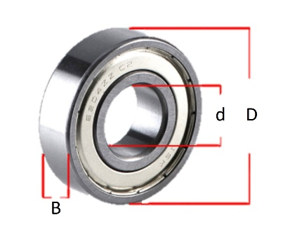
 | Reference | Bearing Code
 | Internal Diamiter (d) - Interval [mm] | Brand
 | External Diamiter (D) - Interval [mm] | d (mm) |  |  |  | C (Dynamic Load, N)
 | Bearing Width (B) - Interval [mm] | D (mm) |  |  |  | C₀ (Static Load, N)
 | Radial Load (N) | B (mm) |  |  |  | Grease RPM Limit
 | Axial Load (N) | Mass (kg) |  |  |  | Oil RPM Limit
 | Rotation Speed (RPM)
 | Desired Life (Hours) - Opcional

RESULTS |  | RESULTS (RUN ANALYSIS)

 | Suggested Bearing: |  | Reference | d [mm] | D [mm] | B [mm] | DL [N] | SL [N] | LT [hours]
 | Expected Life (L10h):
 | Safty Factor:
 | Notes:

This is a simplifield tool based on ISO 281.

BearingWizard V1.01 – Developed by José Carlos Abreu for Zeeteck | Calculations based on ISO 281 | Free tool available on GitHub: https://github.com/Zeeteck/Exel-Apps | All rights reserved © 2024"
⚠️ Sheet Protection Active: Editable fields are accessible. Buttons and macros remain fully functional. Contact Zeeteck for assistance if needed. - cfteckschool@gmail.com

