Single-Pass Recycle Model
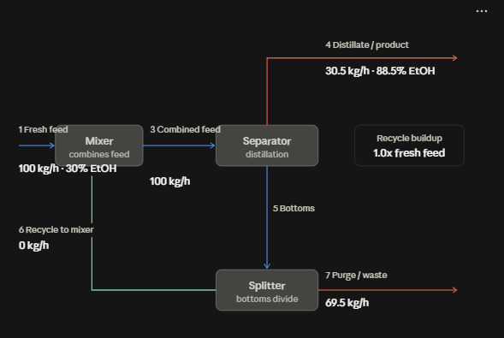
Material Balance Model |  |  |  |  |  | Calculations | Recycle Fraction Sensitivity Analysis |  | Calculations
Ethanol-water seperation |  |  |  |  |  |  | How does increasing recycle affect product purity?
Feed → Separator → Ethanol-rich product + Water-rich bottoms |  |  |  |  |  |  | Recycle Fraction | Product Ethanol wt%
 |  |  |  |  |  |  | 0% | 88.52% | 0.9(30+3(0))/ (0.9(30+3(0))+0.05(70+66.5(0))) = 0.88525
Input | Symbol | Value | Unit | Purpose |  |  | 10% | 87.68%
Feed flow |  | 100 | kg/hr |  |  |  | 20% | 86.86%
Ethanol in feed |  | 30 | wt% |  |  | 100(0.3) = 30 | 30% | 86.08%
Water in feed |  | 70 | wt% |  |  | 100(0.7) = 70 | 40% | 85.32%
Separator sends 90% of the ethanol to the top/product stream |  | 90% |  |  |  |  | 50% | 84.60%
Separator sends 5% of the water to the top/product stream |  | 5%
Recycle fraction |  | 20% |  |  |  |  | Ethanol Recovery Sensitivity
 |  |  |  |  |  |  | How does separator ethanol recovery affect product purity?
Product stream (ethanol-rich outlet) | Symbol | Value | Unit | Purpose |  | 30(0.90) = 27 | Ethanol Recovery | Product Ethanol wt%
Ethanol in product |  | 27 | kg/hr |  |  | 70(0.05) = 3.5 | 70% | 84.24%
Water in product |  | 3.5 | kg/hr |  |  | 27+3.5 = 30.5 kg/hr | 75% | 85.01%
Total production flow |  | 30.5 | kg/hr |  |  | 27/30.5 = 0.885 | 80% | 85.70%
Product ethal mass fraction |  | 88.52% |  |  | Ethanol Concentration: | 88.5 wt% | 85% | 86.31%
 |  |  |  |  |  |  | 90% | 86.86% | 0.9(30.6)/ (0.9(30.6)+0.05(83.3)) = 0.8686
Bottoms Stream (water-rich outlet) | Symbol | Value | Unit | Purpose |  | 30-27 = 3 kg/hr | 95% | 87.36%
Ethanol in bottom |  | 3 | kg/hr |  |  | 70-3.5 = 66.5 kg/hr
Recycle Fraction Sensitivity Analysis
Ethanol Recovery Sensitivity
Water in bottom |  | 66.5 | kg/hr |  |  | 3+66.5 = 69.5 kg/hr
Total bottom flow |  | 69.5 | kg/hr |  |  | 3/69.5 = 0.0432
bottom ethanol mass fraction |  | 4.32% |  |  | Ethanol Concentration: | 4.32 wt%

Mass Balance Check | Symbol | Value | Unit | Purpose
Overall mass balance error |  | 0 | kg/hr |  |  | 100 - (30.5 + 69.5) = 0

Recycle / Purge | Symbol | Value | Unit | Purpose
Recycle flow |  | 13.9 | kg/hr |  |  | 69.5(0.2) = 13.9 kg/hr
Purge flow |  | 55.6 | kg/hr |  |  | 69.5(0.8) = 55.6 kg/hr
Combined feed |  | 113.9 | kg/hr |  |  | 100+13.9 = 113.9 kg/hr
Recycle ethanol |  | 0.6 | kg/hr |  |  | 3(0.2) = 0.6 kg/hr
Reycle water |  | 13.3 | kg/hr |  |  | 66.5(0.2) = 13.3 kg/hr
Total recycle |  | 13.9 | kg/hr |  |  | 13.3+0.6 = 13.9 kg/hr

Mixer | Symbol | Value | Unit | Purpose
Combined ethonal into separator |  | 30.6 | kg/hr |  |  | 30+0.6 = 30.6 kg/hr
Combined water into separator |  | 83.3 | kg/hr |  |  | 70+13.3 = 83.3 kg/hr
Combined feed |  | 113.9 | kg/hr |  |  | 30.6+83.3 = 113.9 kg/hr

Recalculate the separator using combined feed | Symbol | Value | Unit | Purpose
ethanol product |  | 27.54 | kg/hr |  |  | 30.6(0.90) = 27.54
water product |  | 4.17 | kg/hr |  |  | 83.3(0.05) = 4.165
total product |  | 31.71 | kg/hr |  |  | 27.54+4.165 = 31.705 kg/hr
product ethanol fraction |  | 86.86% |  |  | 86.86% | 27.54/31.705 = 0.8686
 |  |  |  |  | ethonal purity : | 88.5% -> 86.9%

Steady-State Recycle Model
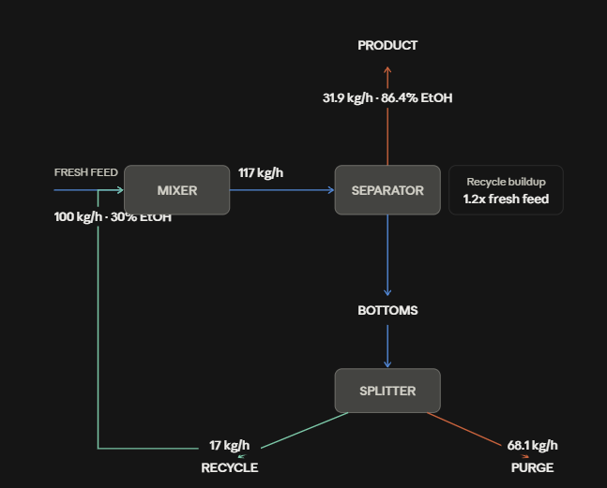
Steady-state recycle Model |  |  |  |  | Recycle Fraction Sensitivity Analysis |  | Model Assumptions |  | Model limitations
Recycle component flow = Recycle fraction * current bottoms component flow |  |  |  |  | How does increasing recycle affect product purity? |  | Operation | Steady state | Fully conceptual material balance model!
 |  |  |  |  | Recycle Fraction | Product Ethanol wt% | Components | Ethanol and water
Input | Symbol | Value | Unit | Purpose | 0% | 88.52% | Fresh feed | 100 kg/hr
Fresh feed flow |  | 100 | kg/hr |  | 10% | 87.58% | Fresh-feed composition | 30 wt% ethanol
Fresh ethanol |  | 30 | kg/hr |  | 20% | 86.44% | Ethanol recovery | 90% baseline
Fresh water |  | 70 | kg/hr |  | 30% | 85.04% | Water recovery to product | 5% baseline
Ethanol recovery to product |  | 90% |  |  | 40% | 83.28% | Recycle fration | 20% baseline
Water recovery to product |  | 5% |  |  | 50% | 81.00% | Chemical reactions | None
Recycle fraction |  | 20% |  |  |  |  | Separator behavior | Specified using recovery frations
Ethanol Recovery Sensitivity
 |  |  |  |  | Ethanol Recovery Sensitivity
Recycle Stream | Symbol | Value | Unit | Purpose | How does separator ethanol recovery affect product purity?
Recycle ethanol |  | 0.612 | kg/hr |  | Ethanol Recovery | Product Ethanol wt%
Recycle water |  | 16.420 | kg/hr |  | 70% | 83.79%
 |  |  |  |  | 75% | 84.57%
Combined separator feed | Symbol | Value | Unit | Purpose | 80% | 85.26%
Fresh ethanol |  | 30 | kg/hr |  | 85% | 85.88%
Recycle ethanol |  | 0.612 | kg/hr |  | 90% | 86.44%
Total ethanol to separator |  | 30.612 | kg/hr |  | 95% | 86.95%
Fresh water |  | 70 | kg/hr
Recycle Fraction Sensitivity Analysis
Recycle water |  | 16.420 | kg/hr
Total water to separator |  | 86.420 | kg/hr
Total separator feed |  | 117.032 | kg/hr

Product stream | Symbol | Value | Unit | Purpose
Ethanol in product |  | 27.551 | kg/hr
Water in product |  | 4.321 | kg/hr
Total product flow |  | 31.872 | kg/hr
Product ethanol wt% |  | 86.44% | wt%

As ethanol recovery increases so does the product ethanol concentration increase. The separator reciving a greater fraction of ethanol delivers more ethanol into product stream.
Bottoms stream | Symbol | Value | Unit | Purpose
Ethanol in bottoms |  | 3.061 | kg/hr
Water in bottoms |  | 82.099 | kg/hr
Total bottoms flow |  | 85.160 | kg/hr
Bottoms ethanol wt% |  | 3.59%

As the recycling fraction increases the product ethanol concentration decreases. This is due to the Bottoms stream being primarily water, so increasing recycling fractor returns a great amount of water to the separator. This will decrease the ethanol purity in the final product stream as so much water is recycled with ethanol.
Both the separator and overall process mass balances closed to approximately 0 kg/hr. This validates conservation of mass in the steady-state model.
Recycle / Purge | Symbol | Value | Unit | Purpose
Recycle fraction |  | 20%
Recycle ethanol |  | 0.612 | kg/hr
Recycle water |  | 16.420 | kg/hr
Total recycle flow |  | 17.032 | kg/hr
Purge ethanol |  | 2.449 | kg/hr
Purge water |  | 65.679 | kg/hr
Total purge flow |  | 68.128 | kg/hr

Mass Balance Check | Value | Unit
Separator balance error | 0 | kg/hr
Overall process balance error | 0 | kg/hr

