Soal_adder
soal | gambar_soal_1 | gambar_soal_2 | gambar_soal_3 | audio_soal (nama lengkap filenya, atau link ke filenya) | video_soal (nama lengkap filenya, atau link ke filenya) | kata_kunci_soal
How do you take your coffee? |  |  |  |  |  | Black, like my man
What's the longest journey you've ever been on? | 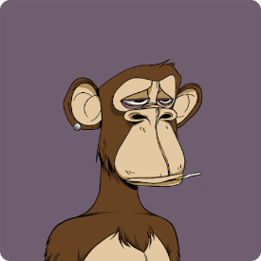 |  |  |  |  | life
Do you have any pets? |  |  |  |  |  | Yes, yes
Did you have to wear a school uniform? What was it? |  |  |  |  |  | yes, Yes, skull
How much time do you spend on the internet? |  |  |  |  |  | 105
What country would you like to visit? |  |  |  |  |  | USA

