Soal_adder
soal | gambar_soal_1 | gambar_soal_2 | gambar_soal_3 | audio_soal (nama lengkap filenya, atau link ke filenya) | video_soal (nama lengkap filenya, atau link ke filenya) | kata_kunci_soal
What do you remember most about your first crush? | 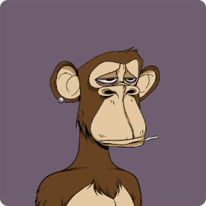 |  |  |  |  | hair, eyes, nose, facial feature
What do you think people pretend to like when they really don't? |  |  |  |  |  | Chocolate, Sauron
If you had to name one thing that makes you stand out from others, what would that be?
Is it better to read books in electronic form or actually hold the book?
What do you consider the best decision you've made thus far in your life?
Why haven't you done it yet?

